Setting Import Config
SOP: | Setting Import Config | version: | 1.0 | date: | 2021-01-12 | responsibility: | Site Operator
 |  |  |  |  |  |  | required:
Step: |  |  |  |  |  |  | electronic data file, headers, units
1 | 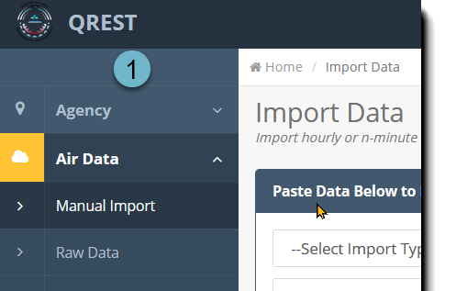 Go to Air Data->Manual Import
 |  |  |  |  |  |  | prereq:
 |  |  |  |  |  |  | site, monitors, level 0 limits already imported from AQS or established in QREST

2 | 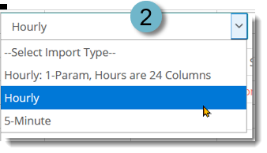 Select datafile type

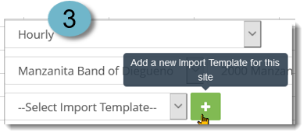
3 | Select Agency, Site, and click the green plus button to create a new Import Config

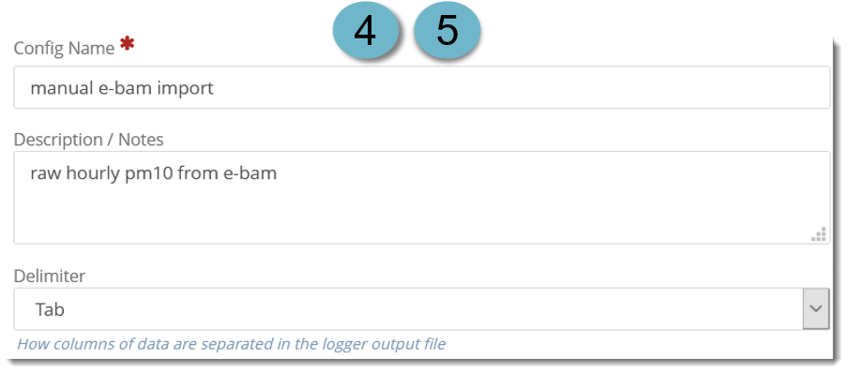
 | Complete the QREST import config fields so they are appropriate for the data being imported. QREST will save the import config, so that you can use it again and this config setup needs to only be done once for each datafile format used.
4

5 | Select tab delimited if you are importing data copied from an excel file, as shown below. If importing from a comma delimited text file, select comma.

6 | Select the local time zone, and whether this data is logged in local or UTC.

7 | Date column: Enter the column number (field order for comma delimited), and select its format from the drop-down list. If the date format is not in the drop-down list, please contact TAMS to determine how to proceed.

 |  | E-bam data format example:
 | 1 | 2 | 3 | 4 | 5 | 6 | 7 | 8 | 9 | 10 | 11 | 12 | 13 | 14 | 15
 | datetime | ConcRT | ConcHR | flow | WS | WD | AT | RH | BP | FT | FRH | BV | PM | Status
 | 7/6/20 | 99999 | 71 | 13.3 | 4.1 | 234 | 32.4 | 6 | 651 | 33.8 | 4 | 12.5 | l | 256
 | 7/6/20 | 28346 | 19 | 16.6 | 4.7 | 242 | 33.1 | 6 | 651 | 36.8 | 4 | 12.5 | l | 0
 | 7/6/20 | 15 | 15 | 16.6 | 4.6 | 253 | 34 | 6 | 651 | 37.9 | 4 | 12.5 | l | 0
 | 7/6/20 | 21 | 20 | 16.6 | 4.5 | 238 | 34.6 | 8 | 651 | 38.9 | 5 | 12.5 | l | 0
 | 7/6/20 | 17 | 17 | 16.6 | 4.6 | 234 | 34.4 | 8 | 651 | 39.3 | 4 | 12.5 | l | 0
 | 7/6/20 | 12 | 16 | 16.7 | 4.8 | 234 | 33.4 | 9 | 650 | 38.6 | 5 | 12.5 | l | 0

8 | Enter the column number corresponding to Time in your data, and select your data's time format in the drop-down list. If the time format is not in the drop-down list, please contact TAMS to determine how to proceed. In the case of e-bam data as shown above, date-time is in the same field, so the workaround is to map the time field to any blank column in the datefile.

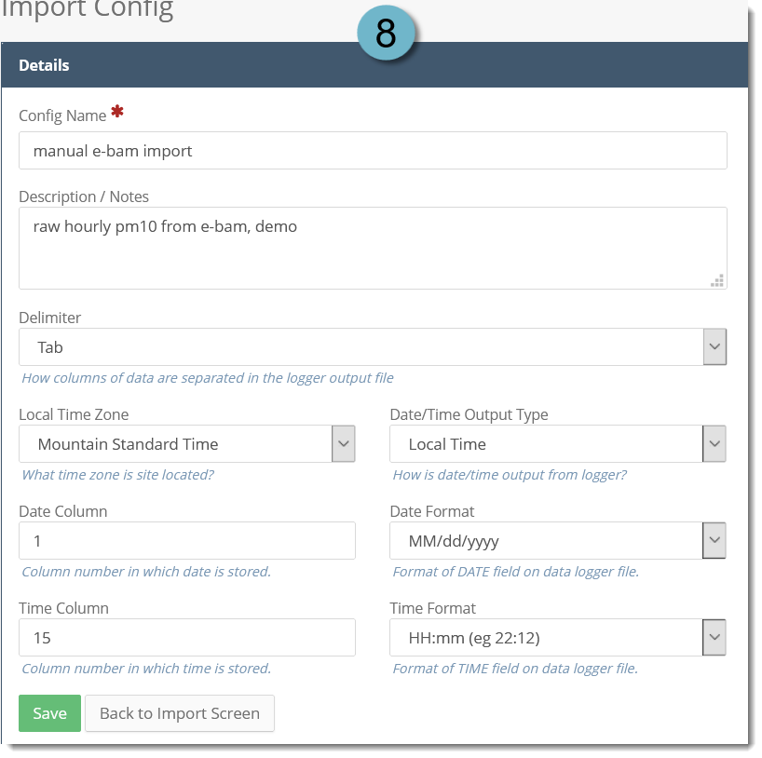

 | In this case, Column 15 is the first blank column, so column 15 is mapped to the Time Column in QREST. (Another blank column would work, too.)

9 | SAVE this Config to open up the right-hand Column Mapping panel

10 | Click the green Add to pull up a panel with the monitors that are established in QREST. (To add more monitors to your site, see Add Monitors By Importing From AQS.)

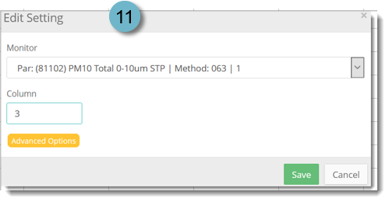
 | For each parameter, enter the column # from the datafile that corresponds to that parameter concentration value that you want to import. In this case, only PM10 has been established in QREST for this site, so that is the only parameter shown in the dropdown list, and that parameter concentration occurs in column 3 in the datafile.
11

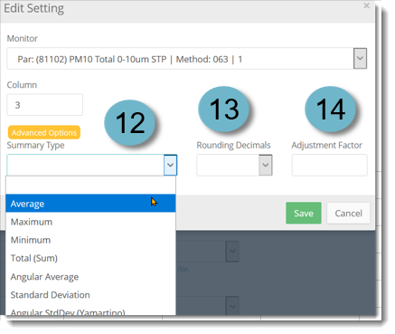
12 | Click Advanced Options to set the Summary Type for calculations based on 5-min data (if blank, QREST uses Average as a default for parameters other than precipitation; for precip, QREST uses Total).

13 | Rounding Decimals sets the decimals calculated in the hourly averages, if n-minute data is imported.

14 | Adjustment factor is used to apply a factor to the value in the file, such as 0.001 to convert from ppb to ppm. This could be used when your data comes off of your sampler in a unit differen than you would like to report, for example, your sampler collects concentration is ppb, but you would like to report the data in ppm.

15 | Click Save for each parameter added.

16 | Whenever records are saved in QREST, the message box indicating that a record was saved appears in the upper right hand side of the screen.

17 | The Options button in the upper right corner include an option to delete this Import Config, or to download a File Template. The File Template is an excel file with the column headers corresponding to the Import Config, in case that is helpful.

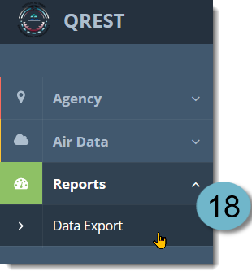
18 | A table with the data configurations for this site, including all the information just established in QREST, the AQS codes, and the Level 0 (automatic) data flagging criteria can be exported into an excel file anytime by clicking on Reports->Data Export->Polling Configurations.

19 | This Import Config is now available when you need to import data of this format again. Note that this Import Config is different from the automatic polling configuration, which tells QREST how to retrieve data from your site using your telemetry.

