Level1Review
SOP: | Site and Parameter Documentation | ver.: | 1.0 | date: | 2021-03-11 | responsibility: | All non-public users can upload and access documentation, including the Site Operator (usually the Level 1 reviewer), the agency's Admin, and the QA Reviewer (aka Level 2 Reviewer). (Note that the Level 1 and 2 reviewers may be the same person in non-regulatory programs).
This SOP covers uploading and accessing documentation such as QAPPs, reference tables, audit reports, scanned logbook pages, videos, and other files that may be accessed by data reviewers and are relevant to the data's fitness for use (regulatory, informational, or other objectives are described in the QAPP). For example, the data review criteria tables in the QAPP (often in the element 14: QC) should be used for reference when making validation decisions. Files are securely stored online in QREST and backed up nightly.

 |  |  |  |  |  | prereq: | A site must have been established to upload site-applicable files, and at least one Monitor must be established to upload Monitor-specific files.

1
 |  |  |  |  |  | frequency: | As often as files are available (photos, short videos, scanned logbook pages, audit reports).
Step:
1 | Navigate to
 | Air Data ->
 | Data Review

2 | Select Agency, Month, and Year in the drop down boxes, and click Go.
2

3 | This opens a panel of all parameters and their status for the month selected:
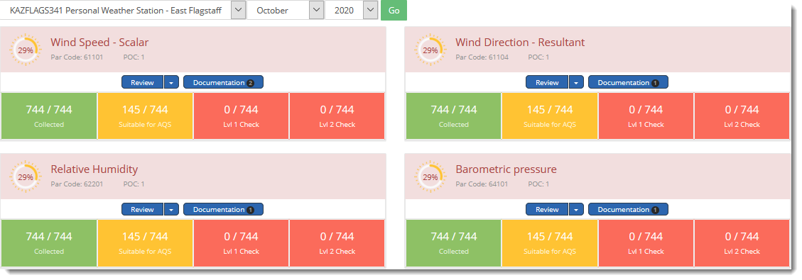
3

4
 | Click on the Documentation button to view existing docs or to upload.
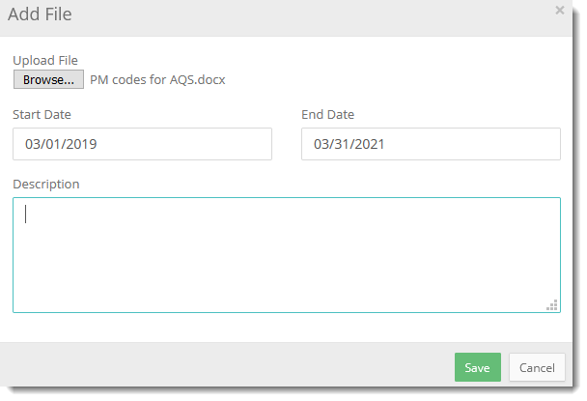
 | Click browse and navigate on your computer to identify the file to upload, enter the date range that the file applies to (may be multiple years) and an optional description.

 | In the example below, the user has uploaded a pdf equipment manual applying to the entire site in the left panel. In the right panel are files that apply to a specific monitor or parameter, and in this example a NWS monthly summary has been saved, showing weather patterns in that area for that month which could be used to justify extreme values similar to the met parameters being collected. Images or data files downloaded from AirNowTech Navigator are other options for documenting validity of extreme values.

 | Site logbook pages can be scanned and saved as Supporting Documentation (include initials and datetime, and all info necessary to reconstruct what was done and measured).

 | Photos (include date in filename) are highly recommended to document site visits. Videos of up to 25 Mb can also be uploaded for later access.

 | Keep in mind that the Level 2 Reviewer will need to understand the validation decisions made by the Level 1 reviewer, so adequate Notes and supporting documentation should be saved so that the rationale of judging some data invalid or not is clear. Additional Notes and Supporting Documentation can be added at any time.

 | After uploading files, Save or cancel to exit.

