BLOCKS
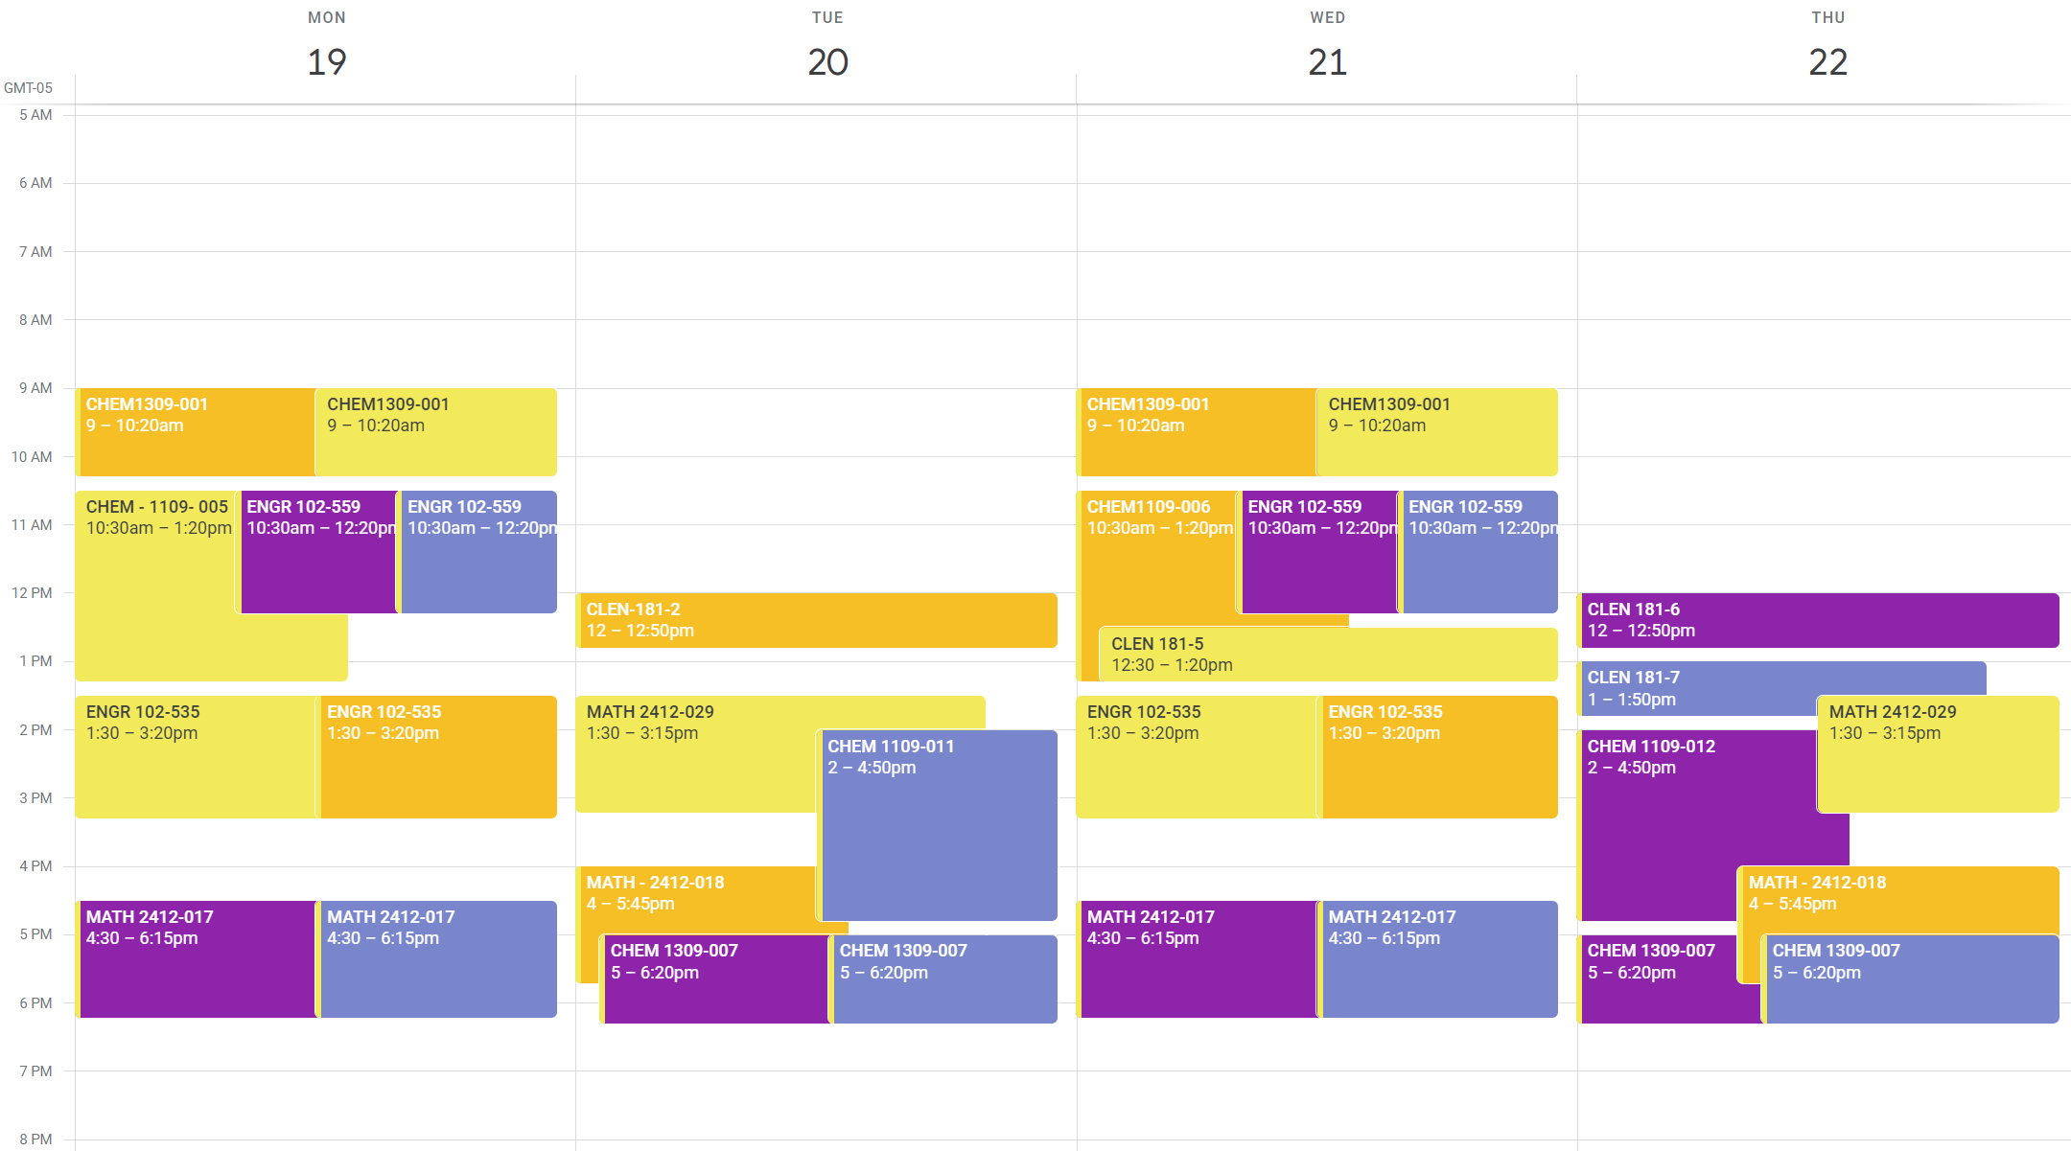
Term Fall 24 | Dept Code | Sec Name | Short Title | Bldg | Room | Days | Start Time | End Time | BLOCK | 1
ENGR102 CLEN181 MATH2412 CHEM1309/1109
BLOCK 1 | Yellow
0 | ENGR | ENGR-102-535 | 0 | HLC4 | 1130.02 | MW | 13:30:00 | 15:20:00
0 | CLEN | CLEN-181-2 | 0 | HLC4 | 1130.02 | T | 12:00:00 | 12:50:00
224F000 | MATH | MATH-2412-029 | PreCalculus | HLC1 | 0 | TTh | 13:30:00 | 15:15:00
224F000 | CHEM | CHEM-1309-001 | Gen Chem Engr Lc | HLC1 | 2101 | MW | 9:00 AM | 10:20 AM
224F000 | CHEM | CHEM-1109-005 | Gen Chem Engr Lb | HLC1 | 2109.00 | M | 10:30 AM | 1:20 PM

BLOCK 2 | Orange1
0 | ENGR | ENGR-102-535 | 0 | HLC4 | 1130.02 | MW | 13:30:00 | 15:20:00
0 | CLEN | CLEN-181-2 | 0 | HLC4 | 1130.02 | T | 12:00:00 | 12:50:00
224F000 | MATH | MATH-2412-018 | PreCalculus | HLC1 | 2218 | TTh | 4:00 PM | 5:45 PM
224F000 | CHEM | CHEM-1309-001 | Gen Chem Engr Lc | HLC1 | 2101 | MW | 9:00 AM | 10:20 AM
224F000 | CHEM | CHEM-1109-006 | Gen Chem Engr Lb | HLC1 | 2109.00 | W | 10:30 AM | 1:20 PM

BLOCK 3 | Purple1
0 | ENGR | ENGR-102-559 | 0 | HLC4 | 1130.02 | MW | 10:30:00 | 12:20:00
0 | CLEN | CLEN-181-6 | 0 | ONLINE | 0 | Th | 12:00:00 | 12:50:00
224F000 | MATH | MATH-2412-017 | PreCalculus | HLC1 | 0 | MW | 16:30:00 | 18:15:00
224F000 | CHEM | CHEM-1309-007 | Gen Chem Engr Lc | HLC1 | 0 | TTh | 17:00:00 | 18:20:00
224F000 | CHEM | CHEM 1109-012 | Gen Chem Engr Lb | HLC1 | 0 | Th | 14:00:00 | 16:50:00

BLOCK 4 | Lavendar1
0 | ENGR | ENGR-102-559 | 0 | HLC4 | 1130.02 | MW | 10:30:00 | 12:20:00
0 | CLEN | CLEN-181-7 | 0 | ONLINE | 0 | Th | 13:00:00 | 13:50:00
224F000 | MATH | MATH-2412-017 | PreCalculus | HLC1 | 0 | MW | 16:30:00 | 18:15:00
224F000 | CHEM | CHEM-1309-007 | Gen Chem Engr Lc | HLC1 | 0 | TTh | 17:00:00 | 18:20:00
224F000 | CHEM | CHEM 1109-011 | Gen Chem Engr Lb | HLC1 | 0 | T | 14:00:00 | 16:50:00
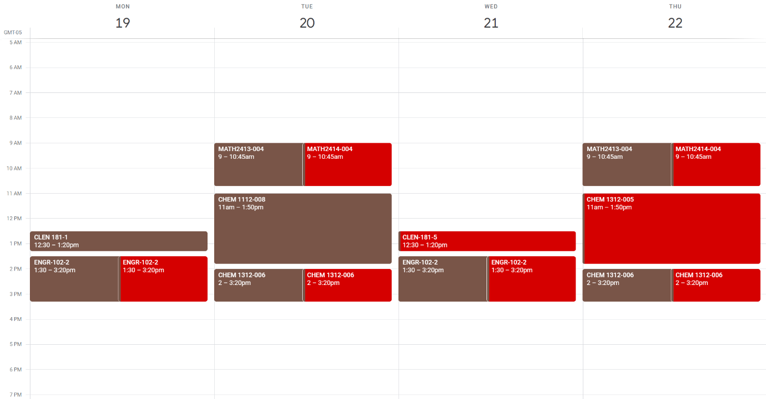
ENGR102 CLEN181 MATH2413/4 CHEM1312/1112
BLOCK 5 | Brown
0 | ENGR | ENGR-102-535 | 0 | HLC4 | 1130.02 | MW | 13:30:00 | 15:20:00
0 | CLEN | CLEN-181-1 | 0 | HLC4 | 1130.02 | M | 12:30:00 | 13:20:00
224F000 | MATH | MATH-2413-004 | Calculus I | HLC1 | 2105 | TTh | 9:00 AM | 10:45 AM
224F000 | CHEM | CHEM-1312-006 | Gen Chem Engr Lc | HLC1 | 0 | TTh | 14:00:00 | 15:20:00
224F000 | CHEM | CHEM 1112-008 | Gen Chem Engr Lb | HLC1 | 0 | T | 11:00:00 | 13:50:00

BLOCK 6 | Red1
0 | ENGR | ENGR-102-535 | 0 | HLC4 | 1130.02 | MW | 13:30:00 | 15:20:00
0 | CLEN | CLEN-181-5 | 0 | ONLINE | 0 | W | 12:30:00 | 13:20:00
224F000 | MATH | MATH-2414-004 | Calculus II | HLC1 | 2209 | TTh | 9:00 AM | 10:45 AM
224F000 | CHEM | CHEM-1312-006 | Gen Chem Engr Lc | HLC1 | 0 | TTh | 14:00:00 | 15:20:00
224F000 | CHEM | CHEM 1112-005 | Gen Chem Engr Lb | HLC1 | 0 | Th | 11:00:00 | 13:50:00

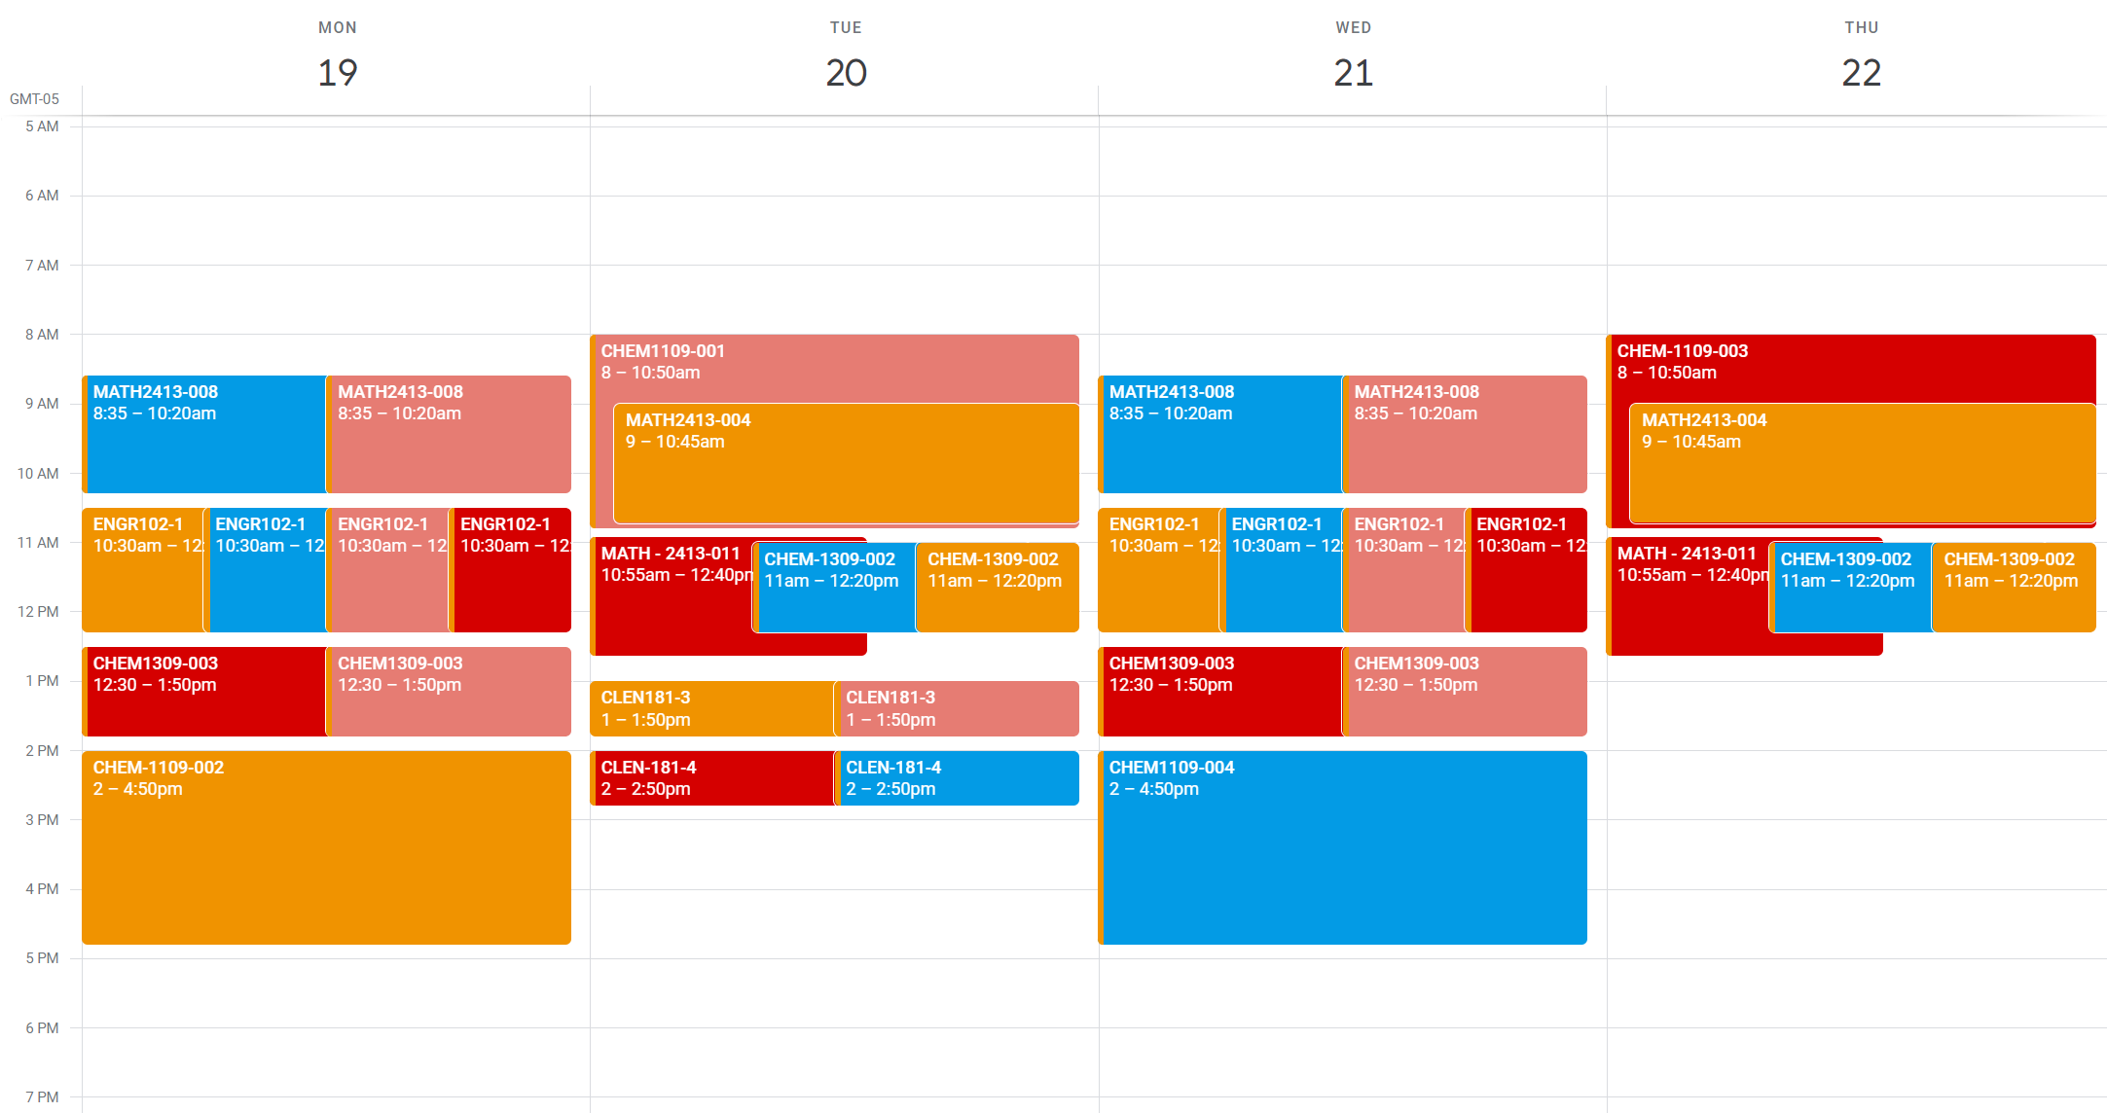
ENGR102 CLEN181 MATH2413 CHEM1309/1109
BLOCK 7 | Orange2
0 | ENGR | ENGR-102-559 | 0 | HLC4 | 1130.02 | MW | 10:30:00 | 12:20:00
0 | CLEN | CLEN-181-3 | 0 | HLC4 | 1130.02 | T | 13:00:00 | 13:50:00
224F000 | MATH | MATH-2413-004 | Calculus I | HLC1 | 2105 | TTh | 9:00 AM | 10:45 AM
224F000 | CHEM | CHEM-1309-002 | Gen Chem Engr Lc | HLC1 | 2102 | TTh | 11:00 AM | 12:20 PM
224F000 | CHEM | CHEM-1109-002 | Gen Chem Engr Lb | HLC1 | 2109.00 | M | 2:00 PM | 4:50 PM

BLOCK 8 | Light Blue1
0 | ENGR | ENGR-102-559 | 0 | HLC4 | 1130.02 | MW | 10:30:00 | 12:20:00
0 | CLEN | CLEN-181-4 | 0 | HLC4 | 1130.02 | T | 14:00:00 | 14:50:00
224F000 | MATH | MATH-2413-008 | Calculus I | HLC1 | 2216 | MW | 8:35 AM | 10:20 AM
224F000 | CHEM | CHEM-1309-002 | Gen Chem Engr Lc | HLC1 | 2102 | TTh | 11:00 AM | 12:20 PM
224F000 | CHEM | CHEM-1109-004 | Gen Chem Engr Lb | HLC1 | 2109.00 | W | 2:00 PM | 4:50 PM

BLOCK 9 | Salmon
0 | ENGR | ENGR-102-559 | 0 | HLC4 | 1130.02 | MW | 10:30:00 | 12:20:00
0 | CLEN | CLEN-181-6 | 0 | ONLINE | 0 | Th | 12:00:00 | 12:50:00
224F000 | MATH | MATH-2413-008 | Calculus I | HLC1 | 2216 | MW | 8:35 AM | 10:20 AM
224F000 | CHEM | CHEM-1309-003 | Gen Chem Engr Lc | HLC1 | 2101 | MW | 12:30 PM | 1:50 PM
224F000 | CHEM | CHEM-1109-001 | Gen Chem Engr Lb | HLC1 | 2109.00 | T | 8:00 AM | 10:50 AM

BLOCK 10 | Red2
0 | ENGR | ENGR-102-559 | 0 | HLC4 | 1130.02 | MW | 10:30:00 | 12:20:00
0 | CLEN | CLEN-181-4 | 0 | HLC4 | 1130.02 | T | 14:00:00 | 14:50:00
224F000 | MATH | MATH-2413-011 | Calculus I | HLC1 | 2216 | TTh | 10:55 AM | 12:40 PM
224F000 | CHEM | CHEM-1309-003 | Gen Chem Engr Lc | HLC1 | 2101 | MW | 12:30 PM | 1:50 PM
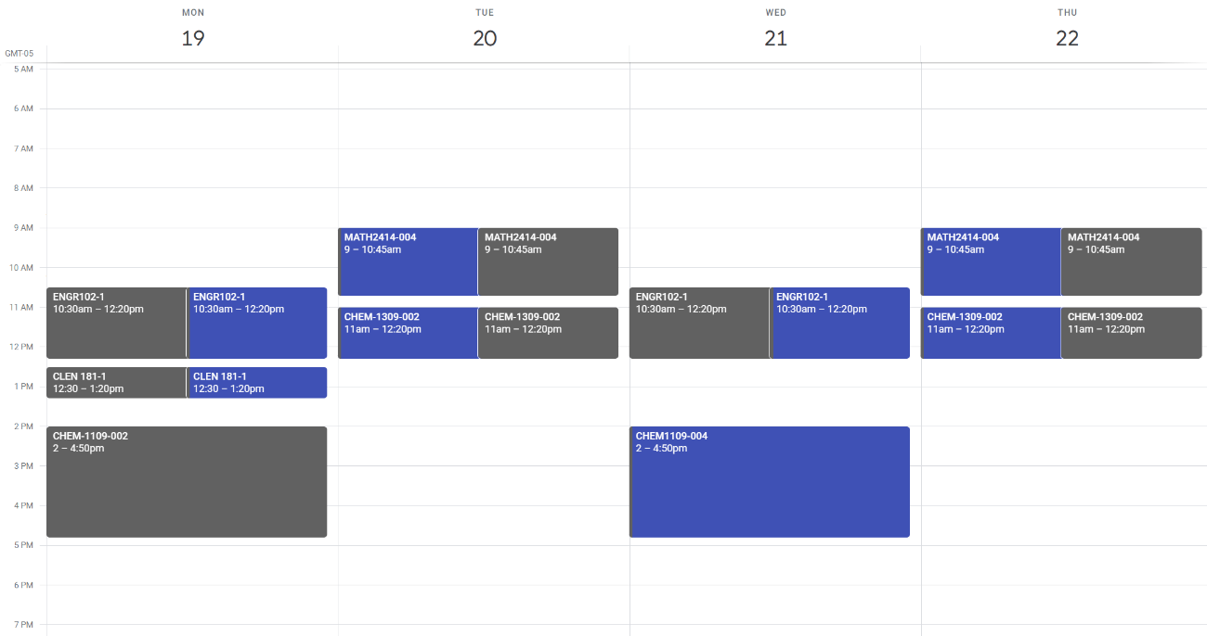
224F000 | CHEM | CHEM-1109-003 | Gen Chem Engr Lb | HLC1 | 2109.00 | Th | 8:00 AM | 10:50 AM

ENGR102 CLEN181 MATH2414 CHEM1309/1109
BLOCK 11 | Dark Gray
0 | ENGR | ENGR-102-559 | 0 | HLC4 | 1130.02 | MW | 10:30:00 | 12:20:00
0 | CLEN | CLEN-181-1 | 0 | HLC4 | 1130.02 | M | 12:30:00 | 13:20:00
224F000 | MATH | MATH-2414-004 | Calculus II | HLC1 | 2209 | TTh | 9:00 AM | 10:45 AM
224F000 | CHEM | CHEM-1309-002 | Gen Chem Engr Lc | HLC1 | 2102 | TTh | 11:00 AM | 12:20 PM
224F000 | CHEM | CHEM-1109-002 | Gen Chem Engr Lb | HLC1 | 2109.00 | M | 2:00 PM | 4:50 PM

BLOCK 12 | Blue
0 | ENGR | ENGR-102-559 | 0 | HLC4 | 1130.02 | MW | 10:30:00 | 12:20:00
0 | CLEN | CLEN-181-1 | 0 | HLC4 | 1130.02 | M | 12:30:00 | 13:20:00
224F000 | MATH | MATH-2414-004 | Calculus II | HLC1 | 2209 | TTh | 9:00 AM | 10:45 AM
224F000 | CHEM | CHEM-1309-002 | Gen Chem Engr Lc | HLC1 | 2102 | TTh | 11:00 AM | 12:20 PM
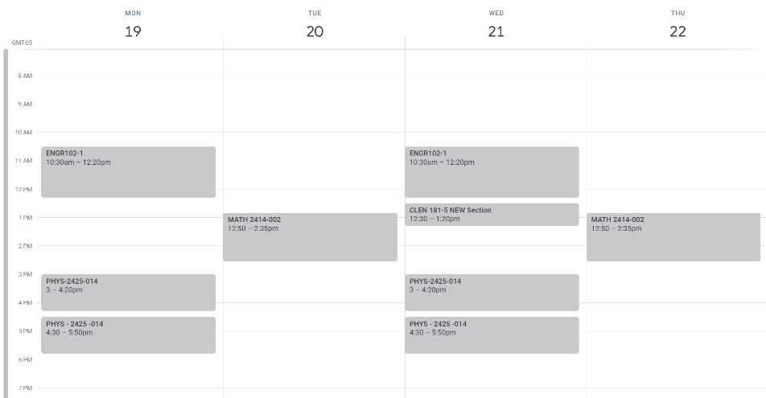
224F000 | CHEM | CHEM-1109-004 | Gen Chem Engr Lb | HLC1 | 2109.00 | W | 2:00 PM | 4:50 PM

ENGR102 CLEN181 MATH2414 PHYS2425
BLOCK 13 | Light Gray
0 | ENGR | ENGR-102-559 | 0 | HLC4 | 1130.02 | MW | 10:30:00 | 12:20:00
0 | CLEN | CLEN-181-5 | 0 | ONLINE | 0 | W | 12:30:00 | 13:20:00
224F000 | MATH | MATH-2414-002 | Calculus II | HLC2 | 2222 | TTh | 12:50 PM | 2:35 PM
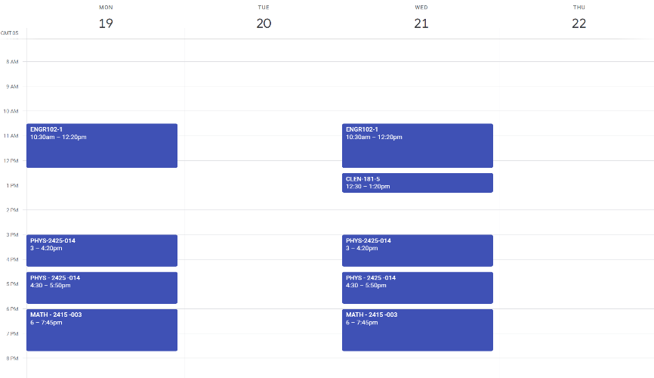
224F000 | PHYS | PHYS-2425-014 | Eng Phy I | HLC1 HLC1 | 2104 2116.00 | MW MW | 3:00 PM 4:30 PM | 4:20 PM 5:50 PM

ENGR102 CLEN181 MATH2415 PHYS2426
BLOCK 14 | Dark Blue
0 | ENGR | ENGR-102-559 | 0 | HLC4 | 1130.02 | MW | 10:30:00 | 12:20:00
0 | CLEN | CLEN-181-1 | 0 | HLC4 | 1130.02 | M | 12:30:00 | 13:20:00
224F000 | MATH | MATH-2415-003 | Calculus III | HLC1 | 2216 | MW | 6:00 PM | 7:45 PM
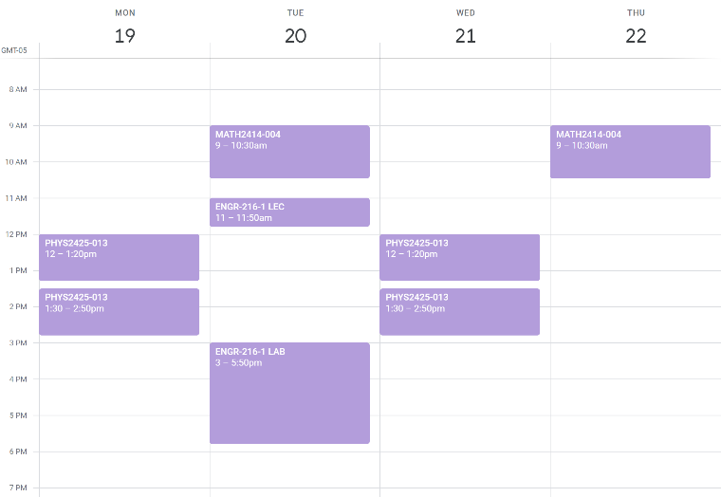
224F000 | PHYS | PHYS-2426-009 | Eng Phy II | HLC1 HLC1 | 2403 2116.00 | TTh TTh | 12:00 PM 1:30 PM | 1:20 PM 2:50 PM

ENGR216 MATH2414 PHYS2425
BLOCK 15 | Lavendar2
0 | ENGR | ENGR-216-560 | 0 | HLC4 | 1130.02 | T T | 11:00 AM 3:00 PM | 11:50 AM 5:50 PM
224F000 | MATH | MATH-2414-004 | Calculus II | HLC1 | 2209 | TTh | 9:00 AM | 10:45 AM
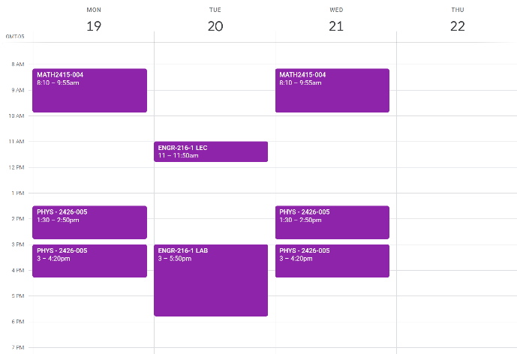
224F000 | PHYS | PHYS-2425-013 | Eng Phy I | HLC1 HLC1 | 2202 2116.00 | MW MW | 12:00 PM 1:30 PM | 1:20 PM 2:50 PM

ENGR216 MATH2415 PHYS2426
BLOCK 16 | Purple2
0 | ENGR | ENGR-216-560 | 0 | HLC4 | 1130.02 | T T | 11:00 AM 3:00 PM | 11:50 AM 5:50 PM
224F000 | MATH | MATH-2414-004 | Calculus II | HLC1 | 2209 | TTh | 9:00 AM | 10:45 AM
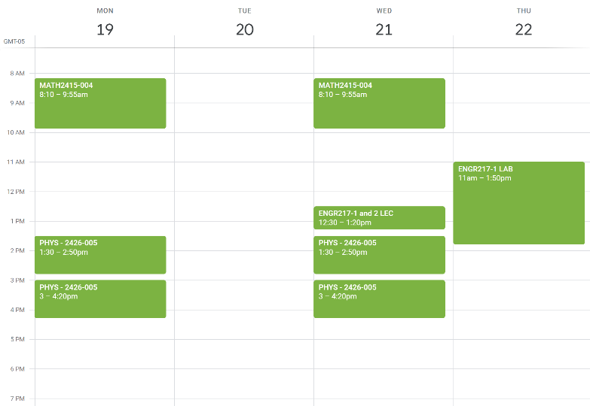
224F000 | PHYS | PHYS-2426-005 | Eng Phy II | HLC1 HLC1 | 1307 2116.00 | MW MW | 1:30 PM 3:00 PM | 2:50 PM 4:20 PM

ENGR217 MATH2415 PHYS2426
BLOCK 17 | Green
0 | ENGR | ENGR-217-575 | 0 | HLC4 | 1130.02 | W Th | 12:30 PM 11:00 AM | 1:20 PM 1:50 PM
224F000 | MATH | MATH-2415-004 | Calculus III | HLC1 | 2202 | MW | 8:10 AM | 9:55 AM
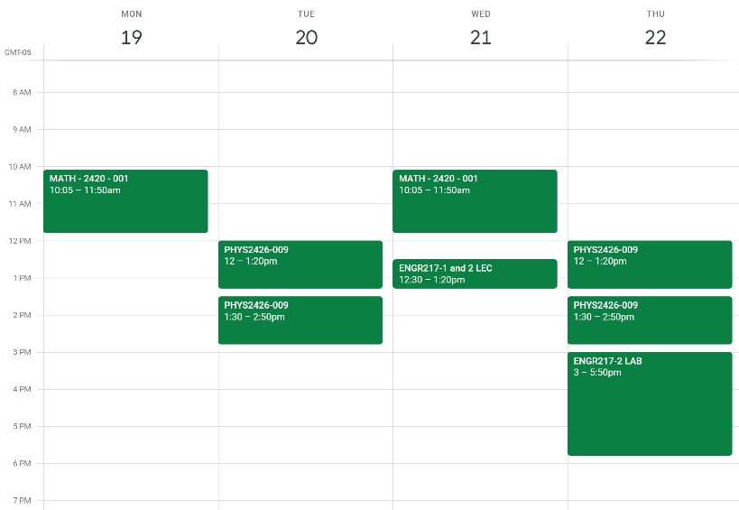
224F000 | PHYS | PHYS-2426-005 | Eng Phy II | HLC1 HLC1 | 1307 2116.00 | MW MW | 1:30 PM 3:00 PM | 2:50 PM 4:20 PM

ENGR217 MATH2420 PHYS2426
BLOCK 18 | Dark Green
0 | ENGR | ENGR-217-576 | 0 | HLC4 | 1130.02 | W Th | 12:30 PM 3:00 PM | 11:20 PM 5:50 PM
224F000 | MATH | MATH-2420-001 | Diff Equations | HLC1 | 2209 | MW | 10:05 AM | 11:50 AM
224F000 | PHYS | PHYS-2426-009 | Eng Phy II | HLC1 HLC1 | 2403 2116.00 | TTh TTh | 12:00 PM 1:30 PM | 1:20 PM 2:50 PM

