Cover
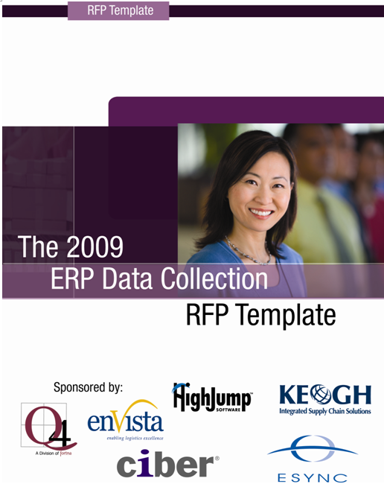

Intro
The 2009 ERP Data Collection RFP Template

The decision to purchase a data collection solution is a critical initiative for your company’s future success. The 2009 ERP Data Collection RFP Template is an important tool that empowers you to objectively grade prospective vendors on the solutions they offer—and the positive or negative impact those solutions may have on your operations. There are several worksheets included in this document, each providing detailed best practices information compiled from surveys and interviews with hundreds of data collection professionals and leading consultants across a variety of industries.
Once you’ve completed this tool, you will be empowered to determine any prospective data collection solution’s breadth and depth of functionality, as well as its flexibility to meet your specific needs. To avoid unexpected delays and unbudgeted costs in the future, it is critical to know this information before you purchase any solution. As importantly, you will know which capabilities will require demonstration during a vendor presentation. These demonstrations are critical to your ability to separate exaggerated vendor claims from those that can actually be proven.
In-depth knowledge of what a data collection solution offers in terms of functionality and flexibility arms you with the decision-making criteria you require to complete a true evaluation of each solution you are considering. Ultimately, this knowledge will allow you to determine a system’s ability to quickly and cost-effectively meet changing customer and business requirements (key to maintaining competitive advantage), generate strong return on investment (ROI), and provide low total cost of ownership (TCO).
Company: This section allows you to capture detailed information about your prospective vendor, so you can assess the long-term financial viability and type of support the vendor is capable of offering.
Functionality: This comprehensive listing of functionality shows what you should expect a vendor to provide in its base product offering. There are also columns asking you to address the cost and time involved in changing this standard functionality, and whether the ability to modify the system quickly and inexpensively can be proven in a vendor demonstration.
Technology: In addition to the details of your general technology requirements, the Technology tab asks you to consider the configuration approach and upgradeability of the system you are evaluating. It is important to remember that only a solution with a flexible platform will allow you to complete system modifications and upgrades quickly and inexpensively.
Adaptability: This section provides you with a set of sample changes that might need to be incorporated in your operations either during implementation or in the future (e.g., a new customer requirement). The concept of adaptability does not refer simply to the notion that your system can be changed. The true question you are addressing here is the impact on your business in terms of the cost and time involved.

Sponsors
Sponsors of The 2009 ERP Data Collection
RFP Template

About HighJump Software
Forward-thinking companies entrust HighJump Software to power their supply chains. HighJump Software simplifies the art and business of creating, selling and moving products across global networks. HighJump Software helps more than 1,300 clients worldwide drive growth and manage change.
http://www.highjump.com
Phone: 800.328.3271
--------------------------------------------------------------------------------
KEOGH Consulting, Inc.
KEOGH Consulting, Inc., is an engineering and management consulting firm specializing in development of management and engineering studies involving logistics, distribution, warehousing, and materials handling. The Company was incorporated in Ohio in 1983 and maintains offices in Cleveland, Ohio, and Palm Beach Gardens, Florida. We employ a full-time staff of engineers, analysts, consultants, and support associates at each office. In recognition of the engineering orientation of the company, the Corporation is registered in the states of Ohio and Florida as a Professional Engineering Firm with all the associated rights and responsibilities. Our professional practice focuses on warehousing, distribution, and manufacturing industries:
·We employ engineers, business graduates, and other technical professionals to plan, design, and implement materials handling and storage/retrieval systems for our clients.
·We plan and design new facilities and re-engineer existing facilities for a wide variety of distribution operations.
·We develop logistics networks strategies and determine and select optimum locations for distribution and warehousing facilities.
·We provide a variety of productivity improvement, operations development, training, and related services.
http://www.keogh1.com
Phone: 440.526.2002
--------------------------------------------------------------------------------
Q4, the System Implementation Division of Fortna
Q4 designs, implements and supports total supply chain solutions for our clients by delivering business-goal focused strategies. Our balanced approach of operational improvements combined with systems expertise and organizational excellence provide solid supply chain solutions that can be implemented and managed for long term success. Q4’s integrated services and unmatched supply chain design tools have provided long term relationships with clients in a wide range of industries including apparel and footwear, multi-channel retail, consumer products, third party logistics, auto parts, and electronics.
www.fortna.com
--------------------------------------------------------------------------------
Cornerstone Solutions
Cornerstone Solutions is a leading provider of supply chain execution solutions with a profound focus on strategic logistics planning and supplychain software evaluation, selection and implementation. The company’s consultants have a unique understanding of business fundamentals,along with strong technical and application skills. Working with this combination, they have successfully implemented software solutions andsolved complex business issues for hundreds of companies across multiple industries. In addition, part of the company’s success is due to itsability to leverage partnerships with leading software and technology companies including ERP and supply chain industry leaders.
The company’s full range of services and solutions includes supply chain selection, planning and implementation; strategic logistics planning;operational process improvements; and RF and material handling equipment integration. In addition, Cornerstone Solutions’ security servicepractice offers a comprehensive range of Internet security solutions, including security consulting services, product installation, product supportservices and managed security services.
www.cornerstones.com
Phone: 260.496.8259
--------------------------------------------------------------------------------
ESYNC
ESYNC specializes in Supply Chain and Logistics Consulting, Engineering, and Systems Integration. Our expertise includes Logistics Network Optimization, Facility Layout and Design, WMS/TMS Selection and Implementation, and Distribution and Transportation Optimization. ESYNC’s staff offers a unique blend of operations knowledge, engineering skills, and information technology expertise not found in traditional consulting firms. ESYNC has the resources and expertise to deliver on both small, focused projects as well as large, complex implementations. Our clients include Fortune 500 companies such as BMW, Kroger and International Paper as well as smaller firms like Selkirk, London Drugs and Norplas.
http://www.esync.com
Phone: 419.842.2210 x.22
--------------------------------------------------------------------------------
enVista
enVista is a leader in providing logistics and transportation cost management services. The company enables mid-market to Fortune 5000 companies to reduce operating costs, improve customer service and enhance profitability. enVista's innovative solutions and domain expertise help clients across multiple industries and vertical markets make smart decisions and quickly enhance their supply chain operation, as well as their competitive advantage.
enVista's Logistics Cost Management services include transportation analysis, labor management/optimization, engineered labor standards, material flow analysis, process improvements, facility design/retrofit, logistics network analysis, WMS and TMS software evaluation/selection, site selection, 3PL evaluation, myShipINFO to monitor shipments and carrier performance, and RateINFO, a carrier rate analysis and contract negotiation service.
http://www.envistacorp.com/
Phone: 877-684-7700
--------------------------------------------------------------------------------
CIBER Enterprise Solutions
CIBER Enterprise Solutions offers a range of consulting services that is among the most complete in the supply chain market today. We help organizations improve supply chain processes and measurements, drive cost reductions, and enhance profitability through cost-effective planning, execution and delivery of supply chain solutions.
Our credentials include:
• More than 300 successful SCE/SCP implementation projects.
• More than 30 years of IT consulting experience
• 15 years' experience building, integrating and supporting a variety of SCM solutions.
Our experienced team of professionals builds long-term, trusted relationships and brings a high level of energy, integrity, and value to each client. We have helped more than 2,000 customers—including mid-market leaders and many of the Fortune 500—get the most from their software investment and achieve outstanding bottom-line results.
We are a division of CIBER Inc.,® (NYSE: CBR) a company with a 29-year history as a proven technology leader. Based in Greenwood Village, Colorado, CIBER has annualized revenue of approximately $700 million and more than 6,000 employees worldwide. With 80 CIBER offices in North America and 10 European offices, CIBER consultants have a global reach and regional presence.
Our Supply Chain services include:
• Operational Assessments, Project Management, System Design and Implementation Services, Training, and Post-Implementation Support
• Extensive Vertical Market Expertise in Life Sciences, Automotive Parts, Consumer Packaged Goods, Multi-Channel Retail and Publishing/Media
• Dedicated team of Integration Consultants dealing with EAI tools and Integration Strategy
• Dedicated team of Hardware Consultants for Radio Frequency, Printers and Servers
• Dedicated team of ERP Consultants focused on SAP, Oracle, PeopleSoft and Lawson
http://www.ciber.com/ces
Phone: 770.935.0100 ext 25531
Copyright HighJump Software Inc. 2003-2008. All Rights Reserved. Permission is solely granted to copy and modify this document provided HighJump Software Inc. is among the companies evaluated when the revised version is sent out.

