Sheet1
Aire |  | Masa (g) | 249.02

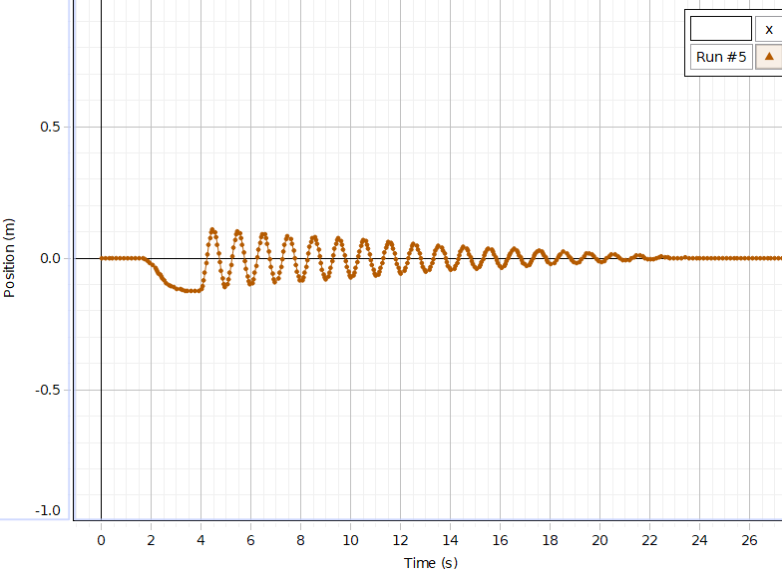
Toma 1 |  |  |  | Toma 2
Run #5 | Auto |  |  | Run #6 | Auto | Toma 3
Position (m) | Time (s) |  |  | Position (m) | Time (s) | Run #7 | Auto
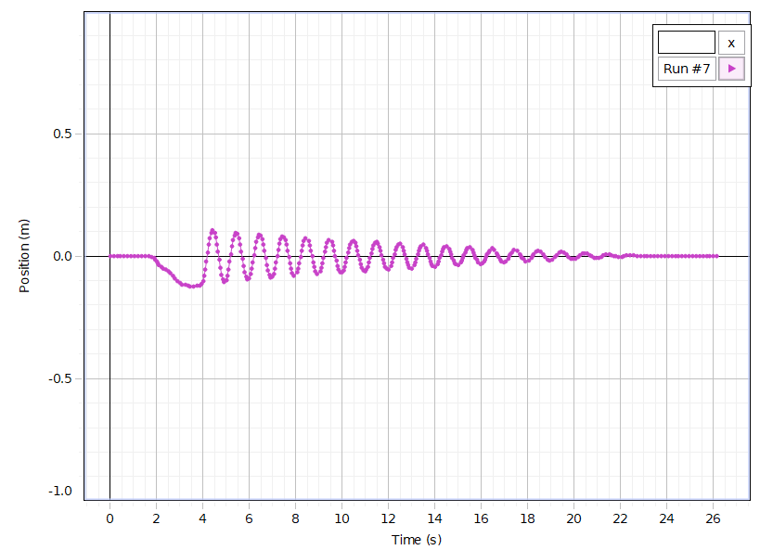
0 | 0 |  |  | 0 | 0 | Position (m) | Time (s)
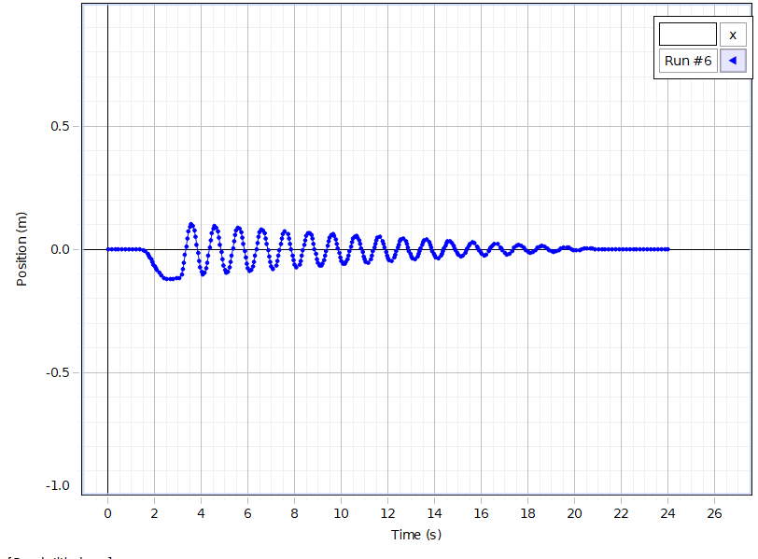
-7.50E-05 | 0.05 |  |  | 0 | 0.05 | 0 | 0
-1.50E-04 | 0.1 |  |  | -3.75E-05 | 0.1 | 3.75E-05 | 0.05
-2.62E-04 | 0.15 |  |  | -3.75E-05 | 0.15 | 3.75E-05 | 0.1
-3.38E-04 | 0.2 |  |  | -3.75E-05 | 0.2 | 3.75E-05 | 0.15
-3.38E-04 | 0.25 |  |  | -3.75E-05 | 0.25 | 7.50E-05 | 0.2
-2.62E-04 | 0.3 |  |  | -3.75E-05 | 0.3 | 7.50E-05 | 0.25
-1.88E-04 | 0.35 |  |  | -3.75E-05 | 0.35 | 7.50E-05 | 0.3
-1.50E-04 | 0.4 |  |  | -3.75E-05 | 0.4 | 7.50E-05 | 0.35
-7.50E-05 | 0.45 |  |  | -3.75E-05 | 0.45 | 7.50E-05 | 0.4
-3.75E-05 | 0.5 |  |  | -3.75E-05 | 0.5 | 7.50E-05 | 0.45
-3.75E-05 | 0.55 |  |  | -3.75E-05 | 0.55 | 7.50E-05 | 0.5
-1.88E-04 | 0.6 |  |  | -3.75E-05 | 0.6 | 7.50E-05 | 0.55
-3.00E-04 | 0.65 |  |  | 0 | 0.65 | 7.50E-05 | 0.6
-3.38E-04 | 0.7 |  |  | 0 | 0.7 | 7.50E-05 | 0.65
-3.00E-04 | 0.75 |  |  | 0 | 0.75 | 7.50E-05 | 0.7
-2.25E-04 | 0.8 |  |  | 0 | 0.8 | 7.50E-05 | 0.75
-1.12E-04 | 0.85 |  |  | 0 | 0.85 | 7.50E-05 | 0.8
-2.71E-20 | 0.9 |  |  | 0 | 0.9 | 7.50E-05 | 0.85
7.50E-05 | 0.95 |  |  | 3.75E-05 | 0.95 | 3.75E-05 | 0.9
1.12E-04 | 1 |  |  | 3.75E-05 | 1 | 3.75E-05 | 0.95
7.50E-05 | 1.05 |  |  | 3.75E-05 | 1.05 | 3.75E-05 | 1
7.50E-05 | 1.1 |  |  | 3.75E-05 | 1.1 | 3.75E-05 | 1.05
3.75E-05 | 1.15 |  |  | 3.75E-05 | 1.15 | 0 | 1.1
-1.36E-20 | 1.2 |  |  | 3.75E-05 | 1.2 | 0 | 1.15
-1.36E-20 | 1.25 |  |  | -3.75E-05 | 1.25 | 0 | 1.2
-3.75E-05 | 1.3 |  |  | -2.62E-04 | 1.3 | 0 | 1.25
-3.75E-05 | 1.35 |  |  | -6.38E-04 | 1.35 | 0 | 1.3
-3.75E-05 | 1.4 |  |  | -0.0011 | 1.4 | 0 | 1.35
-1.12E-04 | 1.45 |  |  | -0.0017 | 1.45 | 0 | 1.4
-2.62E-04 | 1.5 |  |  | -0.0029 | 1.5 | 0 | 1.45
-5.25E-04 | 1.55 |  |  | -0.0054 | 1.55 | -3.75E-05 | 1.5
-7.88E-04 | 1.6 |  |  | -0.0087 | 1.6 | -3.75E-05 | 1.55
-0.0013 | 1.65 |  |  | -0.013 | 1.65 | -3.75E-05 | 1.6
-0.0028 | 1.7 |  |  | -0.0184 | 1.7 | -3.75E-05 | 1.65
-0.005 | 1.75 |  |  | -0.0249 | 1.75 | -3.75E-04 | 1.7
-0.0073 | 1.8 |  |  | -0.0324 | 1.8 | -0.001 | 1.75
-0.0101 | 1.85 |  |  | -0.0412 | 1.85 | -0.002 | 1.8
-0.0136 | 1.9 |  |  | -0.0513 | 1.9 | -0.004 | 1.85
-0.0172 | 1.95 |  |  | -0.0613 | 1.95 | -0.0083 | 1.9
-0.0212 | 2 |  |  | -0.0701 | 2 | -0.0146 | 1.95
-0.0258 | 2.05 |  |  | -0.0776 | 2.05 | -0.0217 | 2
-0.0309 | 2.1 |  |  | -0.0842 | 2.1 | -0.0286 | 2.05
-0.0366 | 2.15 |  |  | -0.0898 | 2.15 | -0.0349 | 2.1
-0.0429 | 2.2 |  |  | -0.0955 | 2.2 | -0.04 | 2.15
-0.0498 | 2.25 |  |  | -0.1013 | 2.25 | -0.0441 | 2.2
-0.0568 | 2.3 |  |  | -0.107 | 2.3 | -0.0474 | 2.25
-0.0638 | 2.35 |  |  | -0.1123 | 2.35 | -0.0498 | 2.3
-0.0709 | 2.4 |  |  | -0.1162 | 2.4 | -0.052 | 2.35
-0.078 | 2.45 |  |  | -0.1185 | 2.45 | -0.0546 | 2.4
-0.0845 | 2.5 |  |  | -0.1194 | 2.5 | -0.0578 | 2.45
-0.0904 | 2.55 |  |  | -0.1194 | 2.55 | -0.0617 | 2.5
-0.0952 | 2.6 |  |  | -0.1189 | 2.6 | -0.0658 | 2.55
-0.099 | 2.65 |  |  | -0.119 | 2.65 | -0.0705 | 2.6
-0.1021 | 2.7 |  |  | -0.1191 | 2.7 | -0.0758 | 2.65
-0.105 | 2.75 |  |  | -0.1191 | 2.75 | -0.0818 | 2.7
-0.1076 | 2.8 |  |  | -0.1191 | 2.8 | -0.0871 | 2.75
-0.1095 | 2.85 |  |  | -0.1193 | 2.85 | -0.0915 | 2.8
-0.1111 | 2.9 |  |  | -0.1191 | 2.9 | -0.096 | 2.85
-0.1132 | 2.95 |  |  | -0.1186 | 2.95 | -0.1009 | 2.9
-0.115 | 3 |  |  | -0.118 | 3 | -0.1059 | 2.95
-0.1159 | 3.05 |  |  | -0.1168 | 3.05 | -0.1104 | 3
-0.1162 | 3.1 |  |  | -0.1129 | 3.1 | -0.1138 | 3.05
-0.1167 | 3.15 |  |  | -0.1015 | 3.15 | -0.1154 | 3.1
-0.1179 | 3.2 |  |  | -0.0818 | 3.2 | -0.1155 | 3.15
-0.1196 | 3.25 |  |  | -0.0546 | 3.25 | -0.1151 | 3.2
-0.1218 | 3.3 |  |  | -0.0226 | 3.3 | -0.1152 | 3.25
-0.124 | 3.35 |  |  | 0.0112 | 3.35 | -0.117 | 3.3
-0.1254 | 3.4 |  |  | 0.0439 | 3.4 | -0.1197 | 3.35
-0.1257 | 3.45 |  |  | 0.0717 | 3.45 | -0.1221 | 3.4
-0.1254 | 3.5 |  |  | 0.092 | 3.5 | -0.1239 | 3.45
-0.1251 | 3.55 |  |  | 0.103 | 3.55 | -0.1244 | 3.5
-0.125 | 3.6 |  |  | 0.1038 | 3.6 | -0.1241 | 3.55
-0.1251 | 3.65 |  |  | 0.0943 | 3.65 | -0.1235 | 3.6
-0.1251 | 3.7 |  |  | 0.0756 | 3.7 | -0.123 | 3.65
-0.1249 | 3.75 |  |  | 0.0495 | 3.75 | -0.1225 | 3.7
-0.1247 | 3.8 |  |  | 0.0183 | 3.8 | -0.1216 | 3.75
-0.1247 | 3.85 |  |  | -0.0144 | 3.85 | -0.1205 | 3.8
-0.1243 | 3.9 |  |  | -0.0456 | 3.9 | -0.1194 | 3.85
-0.123 | 3.95 |  |  | -0.0723 | 3.95 | -0.1178 | 3.9
-0.1182 | 4 |  |  | -0.0922 | 4 | -0.1139 | 3.95
-0.1057 | 4.05 |  |  | -0.1032 | 4.05 | -0.1021 | 4
-0.0837 | 4.1 |  |  | -0.1044 | 4.1 | -0.0814 | 4.05
-0.0542 | 4.15 |  |  | -0.0956 | 4.15 | -0.0534 | 4.1
-0.02 | 4.2 |  |  | -0.0779 | 4.2 | -0.0207 | 4.15
0.0158 | 4.25 |  |  | -0.0533 | 4.25 | 0.0138 | 4.2
0.0498 | 4.3 |  |  | -0.024 | 4.3 | 0.0467 | 4.25
0.0784 | 4.35 |  |  | 0.0074 | 4.35 | 0.0746 | 4.3
0.0992 | 4.4 |  |  | 0.0378 | 4.4 | 0.0947 | 4.35
0.1101 | 4.45 |  |  | 0.0641 | 4.45 | 0.1052 | 4.4
0.1102 | 4.5 |  |  | 0.0837 | 4.5 | 0.1054 | 4.45
0.0998 | 4.55 |  |  | 0.0949 | 4.55 | 0.0953 | 4.5
0.0797 | 4.6 |  |  | 0.0966 | 4.6 | 0.0759 | 4.55
0.0518 | 4.65 |  |  | 0.0886 | 4.65 | 0.0489 | 4.6
0.0189 | 4.7 |  |  | 0.0718 | 4.7 | 0.0171 | 4.65
-0.0157 | 4.75 |  |  | 0.0479 | 4.75 | -0.0163 | 4.7
-0.0486 | 4.8 |  |  | 0.0193 | 4.8 | -0.0479 | 4.75
-0.0767 | 4.85 |  |  | -0.011 | 4.85 | -0.0749 | 4.8
-0.0976 | 4.9 |  |  | -0.04 | 4.9 | -0.0947 | 4.85
-0.1091 | 4.95 |  |  | -0.0651 | 4.95 | -0.1054 | 4.9
-0.1099 | 5 |  |  | -0.0841 | 5 | -0.1061 | 4.95
-0.1003 | 5.05 |  |  | -0.0951 | 5.05 | -0.0967 | 5
-0.0814 | 5.1 |  |  | -0.0969 | 5.1 | -0.0785 | 5.05
-0.0551 | 5.15 |  |  | -0.0897 | 5.15 | -0.0531 | 5.1
-0.0241 | 5.2 |  |  | -0.0743 | 5.2 | -0.0231 | 5.15
0.009 | 5.25 |  |  | -0.0522 | 5.25 | 0.0089 | 5.2
0.0412 | 5.3 |  |  | -0.0256 | 5.3 | 0.0398 | 5.25
0.069 | 5.35 |  |  | 0.0033 | 5.35 | 0.0662 | 5.3
0.0898 | 5.4 |  |  | 0.0317 | 5.4 | 0.0858 | 5.35
0.1016 | 5.45 |  |  | 0.0567 | 5.45 | 0.0967 | 5.4
0.1034 | 5.5 |  |  | 0.0757 | 5.5 | 0.0981 | 5.45
0.0952 | 5.55 |  |  | 0.0869 | 5.55 | 0.0897 | 5.5
0.0777 | 5.6 |  |  | 0.0894 | 5.6 | 0.0725 | 5.55
0.0526 | 5.65 |  |  | 0.0829 | 5.65 | 0.048 | 5.6
0.0224 | 5.7 |  |  | 0.0684 | 5.7 | 0.0188 | 5.65
-0.0097 | 5.75 |  |  | 0.047 | 5.75 | -0.012 | 5.7
-0.0406 | 5.8 |  |  | 0.021 | 5.8 | -0.0413 | 5.75
-0.0676 | 5.85 |  |  | -0.007 | 5.85 | -0.0667 | 5.8
-0.0882 | 5.9 |  |  | -0.034 | 5.9 | -0.0858 | 5.85
-0.1003 | 5.95 |  |  | -0.0576 | 5.95 | -0.0967 | 5.9
-0.1027 | 6 |  |  | -0.0758 | 6 | -0.0983 | 5.95
-0.0955 | 6.05 |  |  | -0.0867 | 6.05 | -0.0907 | 6
-0.0794 | 6.1 |  |  | -0.0893 | 6.1 | -0.0747 | 6.05
-0.0561 | 6.15 |  |  | -0.0836 | 6.15 | -0.0521 | 6.1
-0.0279 | 6.2 |  |  | -0.0702 | 6.2 | -0.0249 | 6.15
0.0027 | 6.25 |  |  | -0.0505 | 6.25 | 0.0044 | 6.2
0.033 | 6.3 |  |  | -0.0263 | 6.3 | 0.0332 | 6.25
0.0598 | 6.35 |  |  | 1.88E-04 | 6.35 | 0.0584 | 6.3
0.0804 | 6.4 |  |  | 0.0265 | 6.4 | 0.0775 | 6.35
0.093 | 6.45 |  |  | 0.0499 | 6.45 | 0.0887 | 6.4
0.0964 | 6.5 |  |  | 0.0682 | 6.5 | 0.0911 | 6.45
0.0904 | 6.55 |  |  | 0.0794 | 6.55 | 0.0844 | 6.5
0.0755 | 6.6 |  |  | 0.0826 | 6.6 | 0.0694 | 6.55
0.0533 | 6.65 |  |  | 0.0775 | 6.65 | 0.0476 | 6.6
0.0259 | 6.7 |  |  | 0.0648 | 6.7 | 0.0211 | 6.65
-0.0038 | 6.75 |  |  | 0.0454 | 6.75 | -0.0073 | 6.7
-0.0328 | 6.8 |  |  | 0.0217 | 6.8 | -0.0348 | 6.75
-0.0585 | 6.85 |  |  | -0.0039 | 6.85 | -0.0589 | 6.8
-0.0787 | 6.9 |  |  | -0.0289 | 6.9 | -0.0773 | 6.85
-0.0915 | 6.95 |  |  | -0.051 | 6.95 | -0.0884 | 6.9
-0.0954 | 7 |  |  | -0.0682 | 7 | -0.0911 | 6.95
-0.0903 | 7.05 |  |  | -0.079 | 7.05 | -0.0852 | 7
-0.0768 | 7.1 |  |  | -0.0823 | 7.1 | -0.0715 | 7.05
-0.0564 | 7.15 |  |  | -0.0779 | 7.15 | -0.0514 | 7.1
-0.031 | 7.2 |  |  | -0.0665 | 7.2 | -0.0267 | 7.15
-0.003 | 7.25 |  |  | -0.0491 | 7.25 | 2.62E-04 | 7.2
0.0253 | 7.3 |  |  | -0.0273 | 7.3 | 0.0271 | 7.25
0.051 | 7.35 |  |  | -0.0032 | 7.35 | 0.0509 | 7.3
0.0715 | 7.4 |  |  | 0.0211 | 7.4 | 0.0693 | 7.35
0.0847 | 7.45 |  |  | 0.0432 | 7.45 | 0.0805 | 7.4
0.0895 | 7.5 |  |  | 0.0606 | 7.5 | 0.0837 | 7.45
0.0855 | 7.55 |  |  | 0.0718 | 7.55 | 0.0785 | 7.5
0.0732 | 7.6 |  |  | 0.0756 | 7.6 | 0.0655 | 7.55
0.0537 | 7.65 |  |  | 0.0718 | 7.65 | 0.0459 | 7.6
0.029 | 7.7 |  |  | 0.0609 | 7.7 | 0.0218 | 7.65
0.0017 | 7.75 |  |  | 0.0438 | 7.75 | -0.0043 | 7.7
-0.0254 | 7.8 |  |  | 0.0225 | 7.8 | -0.0297 | 7.75
-0.0499 | 7.85 |  |  | -9.00E-04 | 7.85 | -0.052 | 7.8
-0.0696 | 7.9 |  |  | -0.024 | 7.9 | -0.0694 | 7.85
-0.0828 | 7.95 |  |  | -0.0445 | 7.95 | -0.0802 | 7.9
-0.088 | 8 |  |  | -0.0608 | 8 | -0.0835 | 7.95
-0.0847 | 8.05 |  |  | -0.0713 | 8.05 | -0.079 | 8
-0.0737 | 8.1 |  |  | -0.075 | 8.1 | -0.0673 | 8.05
-0.0559 | 8.15 |  |  | -0.0717 | 8.15 | -0.0496 | 8.1
-0.0333 | 8.2 |  |  | -0.0619 | 8.2 | -0.0275 | 8.15
-0.0077 | 8.25 |  |  | -0.0465 | 8.25 | -0.003 | 8.2
0.0186 | 8.3 |  |  | -0.027 | 8.3 | 0.0217 | 8.25
0.043 | 8.35 |  |  | -0.0051 | 8.35 | 0.0441 | 8.3
0.063 | 8.4 |  |  | 0.0172 | 8.4 | 0.0618 | 8.35
0.0766 | 8.45 |  |  | 0.0378 | 8.45 | 0.0732 | 8.4
0.0825 | 8.5 |  |  | 0.0543 | 8.5 | 0.0771 | 8.45
0.0803 | 8.55 |  |  | 0.0652 | 8.55 | 0.0732 | 8.5
0.0703 | 8.6 |  |  | 0.0694 | 8.6 | 0.0621 | 8.55
0.0534 | 8.65 |  |  | 0.0667 | 8.65 | 0.0448 | 8.6
0.0313 | 8.7 |  |  | 0.0572 | 8.7 | 0.0231 | 8.65
0.0063 | 8.75 |  |  | 0.0421 | 8.75 | -6.75E-04 | 8.7
-0.0189 | 8.8 |  |  | 0.0229 | 8.8 | -0.0241 | 8.75
-0.042 | 8.85 |  |  | 0.0016 | 8.85 | -0.0452 | 8.8
-0.061 | 8.9 |  |  | -0.0195 | 8.9 | -0.0619 | 8.85
-0.0744 | 8.95 |  |  | -0.0386 | 8.95 | -0.0727 | 8.9
-0.0806 | 9 |  |  | -0.0539 | 9 | -0.0766 | 8.95
-0.0792 | 9.05 |  |  | -0.0641 | 9.05 | -0.0733 | 9
-0.0704 | 9.1 |  |  | -0.0683 | 9.1 | -0.0634 | 9.05
-0.0553 | 9.15 |  |  | -0.066 | 9.15 | -0.0477 | 9.1
-0.0354 | 9.2 |  |  | -0.0578 | 9.2 | -0.0278 | 9.15
-0.0123 | 9.25 |  |  | -0.0443 | 9.25 | -0.0055 | 9.2
0.0119 | 9.3 |  |  | -0.0268 | 9.3 | 0.0173 | 9.25
0.035 | 9.35 |  |  | -0.007 | 9.35 | 0.0383 | 9.3
0.0545 | 9.4 |  |  | 0.0134 | 9.4 | 0.0551 | 9.35
0.0684 | 9.45 |  |  | 0.0323 | 9.45 | 0.0662 | 9.4
0.0755 | 9.5 |  |  | 0.0479 | 9.5 | 0.0704 | 9.45
0.075 | 9.55 |  |  | 0.0583 | 9.55 | 0.0676 | 9.5
0.0671 | 9.6 |  |  | 0.0629 | 9.6 | 0.0581 | 9.55
0.0527 | 9.65 |  |  | 0.061 | 9.65 | 0.0428 | 9.6
0.0332 | 9.7 |  |  | 0.053 | 9.7 | 0.0233 | 9.65
0.0107 | 9.75 |  |  | 0.0397 | 9.75 | 0.0016 | 9.7
-0.0125 | 9.8 |  |  | 0.0226 | 9.8 | -0.02 | 9.75
-0.0342 | 9.85 |  |  | 0.0033 | 9.85 | -0.0395 | 9.8
-0.0525 | 9.9 |  |  | -0.0159 | 9.9 | -0.0551 | 9.85
-0.0659 | 9.95 |  |  | -0.0335 | 9.95 | -0.0654 | 9.9
-0.073 | 10 |  |  | -0.0477 | 10 | -0.0696 | 9.95
-0.0732 | 10.05 |  |  | -0.0573 | 10.05 | -0.0673 | 10
-0.0666 | 10.1 |  |  | -0.0615 | 10.1 | -0.0588 | 10.05
-0.0541 | 10.15 |  |  | -0.0599 | 10.15 | -0.045 | 10.1
-0.0368 | 10.2 |  |  | -0.0528 | 10.2 | -0.0272 | 10.15
-0.0162 | 10.25 |  |  | -0.041 | 10.25 | -0.0069 | 10.2
0.0059 | 10.3 |  |  | -0.0256 | 10.3 | 0.0138 | 10.25
0.0273 | 10.35 |  |  | -0.0078 | 10.35 | 0.0332 | 10.3
0.0462 | 10.4 |  |  | 0.0107 | 10.4 | 0.0491 | 10.35
0.0603 | 10.45 |  |  | 0.028 | 10.45 | 0.0597 | 10.4
0.0683 | 10.5 |  |  | 0.0424 | 10.5 | 0.0643 | 10.45
0.0695 | 10.55 |  |  | 0.0524 | 10.55 | 0.0624 | 10.5
0.0639 | 10.6 |  |  | 0.057 | 10.6 | 0.0542 | 10.55
0.052 | 10.65 |  |  | 0.0558 | 10.65 | 0.0406 | 10.6
0.0351 | 10.7 |  |  | 0.049 | 10.7 | 0.023 | 10.65
0.0149 | 10.75 |  |  | 0.0373 | 10.75 | 0.0033 | 10.7
-0.0063 | 10.8 |  |  | 0.0221 | 10.8 | -0.0163 | 10.75
-0.0266 | 10.85 |  |  | 0.0048 | 10.85 | -0.0343 | 10.8
-0.0442 | 10.9 |  |  | -0.0126 | 10.9 | -0.0489 | 10.85
-0.0574 | 10.95 |  |  | -0.0286 | 10.95 | -0.0588 | 10.9
-0.0652 | 11 |  |  | -0.0417 | 11 | -0.0632 | 10.95
-0.0668 | 11.05 |  |  | -0.0507 | 11.05 | -0.0615 | 11
-0.0623 | 11.1 |  |  | -0.055 | 11.1 | -0.0543 | 11.05
-0.0522 | 11.15 |  |  | -0.0542 | 11.15 | -0.0421 | 11.1
-0.0373 | 11.2 |  |  | -0.0485 | 11.2 | -0.0262 | 11.15
-0.0191 | 11.25 |  |  | -0.0384 | 11.25 | -0.008 | 11.2
9.00E-04 | 11.3 |  |  | -0.0249 | 11.3 | 0.0109 | 11.25
0.0207 | 11.35 |  |  | -0.0091 | 11.35 | 0.0287 | 11.3
0.0386 | 11.4 |  |  | 0.0074 | 11.4 | 0.0435 | 11.35
0.0524 | 11.45 |  |  | 0.0232 | 11.45 | 0.0537 | 11.4
0.0609 | 11.5 |  |  | 0.0365 | 11.5 | 0.0583 | 11.45
0.0632 | 11.55 |  |  | 0.046 | 11.55 | 0.057 | 11.5
0.0593 | 11.6 |  |  | 0.0507 | 11.6 | 0.05 | 11.55
0.0495 | 11.65 |  |  | 0.0502 | 11.65 | 0.038 | 11.6
0.0349 | 11.7 |  |  | 0.0446 | 11.7 | 0.0223 | 11.65
0.0171 | 11.75 |  |  | 0.0346 | 11.75 | 0.0045 | 11.7
-0.0022 | 11.8 |  |  | 0.0212 | 11.8 | -0.0135 | 11.75
-0.0208 | 11.85 |  |  | 0.0058 | 11.85 | -0.0299 | 11.8
-0.0371 | 11.9 |  |  | -0.0097 | 11.9 | -0.0433 | 11.85
-0.0498 | 11.95 |  |  | -0.0242 | 11.95 | -0.0525 | 11.9
-0.0576 | 12 |  |  | -0.036 | 12 | -0.0567 | 11.95
-0.0599 | 12.05 |  |  | -0.0444 | 12.05 | -0.0557 | 12
-0.0565 | 12.1 |  |  | -0.0485 | 12.1 | -0.0497 | 12.05
-0.0479 | 12.15 |  |  | -0.048 | 12.15 | -0.0393 | 12.1
-0.0351 | 12.2 |  |  | -0.0432 | 12.2 | -0.0253 | 12.15
-0.0189 | 12.25 |  |  | -0.0346 | 12.25 | -0.009 | 12.2
-0.001 | 12.3 |  |  | -0.0228 | 12.3 | 0.0081 | 12.25
0.017 | 12.35 |  |  | -0.0089 | 12.35 | 0.0243 | 12.3
0.0334 | 12.4 |  |  | 0.0058 | 12.4 | 0.038 | 12.35
0.0463 | 12.45 |  |  | 0.0198 | 12.45 | 0.0477 | 12.4
0.0546 | 12.5 |  |  | 0.0319 | 12.5 | 0.0526 | 12.45
0.0572 | 12.55 |  |  | 0.0406 | 12.55 | 0.0521 | 12.5
0.0542 | 12.6 |  |  | 0.0451 | 12.6 | 0.0463 | 12.55
0.0458 | 12.65 |  |  | 0.045 | 12.65 | 0.0359 | 12.6
0.0329 | 12.7 |  |  | 0.0403 | 12.7 | 0.0221 | 12.65
0.017 | 12.75 |  |  | 0.0317 | 12.75 | 0.0063 | 12.7
-3.38E-04 | 12.8 |  |  | 0.0201 | 12.8 | -0.0099 | 12.75
-0.0172 | 12.85 |  |  | 0.0067 | 12.85 | -0.0248 | 12.8
-0.0322 | 12.9 |  |  | -0.0071 | 12.9 | -0.0371 | 12.85
-0.0438 | 12.95 |  |  | -0.02 | 12.95 | -0.0458 | 12.9
-0.0511 | 13 |  |  | -0.0307 | 13 | -0.0501 | 12.95
-0.0536 | 13.05 |  |  | -0.0383 | 13.05 | -0.0498 | 13
-0.0511 | 13.1 |  |  | -0.0422 | 13.1 | -0.0449 | 13.05
-0.0438 | 13.15 |  |  | -0.042 | 13.15 | -0.036 | 13.1
-0.0327 | 13.2 |  |  | -0.0379 | 13.2 | -0.0238 | 13.15
-0.0184 | 13.25 |  |  | -0.0304 | 13.25 | -0.0094 | 13.2
-0.0024 | 13.3 |  |  | -0.0201 | 13.3 | 0.0057 | 13.25
0.0139 | 13.35 |  |  | -0.0079 | 13.35 | 0.0203 | 13.3
0.0288 | 13.4 |  |  | 0.0049 | 13.4 | 0.0328 | 13.35
0.0408 | 13.45 |  |  | 0.0173 | 13.45 | 0.0419 | 13.4
0.0486 | 13.5 |  |  | 0.0279 | 13.5 | 0.0466 | 13.45
0.0515 | 13.55 |  |  | 0.0356 | 13.55 | 0.0465 | 13.5
0.0492 | 13.6 |  |  | 0.0396 | 13.6 | 0.0416 | 13.55
0.042 | 13.65 |  |  | 0.0396 | 13.65 | 0.0327 | 13.6
0.0307 | 13.7 |  |  | 0.0356 | 13.7 | 0.0206 | 13.65
0.0165 | 13.75 |  |  | 0.0281 | 13.75 | 0.0066 | 13.7
0.0011 | 13.8 |  |  | 0.018 | 13.8 | -0.0077 | 13.75
-0.0141 | 13.85 |  |  | 0.0063 | 13.85 | -0.0211 | 13.8
-0.0276 | 13.9 |  |  | -0.0057 | 13.9 | -0.0322 | 13.85
-0.0382 | 13.95 |  |  | -0.017 | 13.95 | -0.04 | 13.9
-0.045 | 14 |  |  | -0.0263 | 14 | -0.0439 | 13.95
-0.0475 | 14.05 |  |  | -0.0329 | 14.05 | -0.0437 | 14
-0.0454 | 14.1 |  |  | -0.0363 | 14.1 | -0.0395 | 14.05
-0.0392 | 14.15 |  |  | -0.036 | 14.15 | -0.0317 | 14.1
-0.0295 | 14.2 |  |  | -0.0324 | 14.2 | -0.021 | 14.15
-0.0169 | 14.25 |  |  | -0.0257 | 14.25 | -0.0083 | 14.2
-0.0027 | 14.3 |  |  | -0.0167 | 14.3 | 0.0051 | 14.25
0.0118 | 14.35 |  |  | -0.006 | 14.35 | 0.018 | 14.3
0.0251 | 14.4 |  |  | 0.0051 | 14.4 | 0.029 | 14.35
0.036 | 14.45 |  |  | 0.0156 | 14.45 | 0.037 | 14.4
0.0433 | 14.5 |  |  | 0.0247 | 14.5 | 0.0412 | 14.45
0.0461 | 14.55 |  |  | 0.0311 | 14.55 | 0.0412 | 14.5
0.0443 | 14.6 |  |  | 0.0344 | 14.6 | 0.037 | 14.55
0.0381 | 14.65 |  |  | 0.0342 | 14.65 | 0.0292 | 14.6
0.0283 | 14.7 |  |  | 0.0305 | 14.7 | 0.0187 | 14.65
0.0159 | 14.75 |  |  | 0.0239 | 14.75 | 0.0064 | 14.7
0.0023 | 14.8 |  |  | 0.0151 | 14.8 | -0.0061 | 14.75
-0.0112 | 14.85 |  |  | 0.005 | 14.85 | -0.0178 | 14.8
-0.0233 | 14.9 |  |  | -0.0052 | 14.9 | -0.0276 | 14.85
-0.0328 | 14.95 |  |  | -0.0147 | 14.95 | -0.0345 | 14.9
-0.039 | 15 |  |  | -0.0226 | 15 | -0.0379 | 14.95
-0.0414 | 15.05 |  |  | -0.0281 | 15.05 | -0.0376 | 15
-0.0398 | 15.1 |  |  | -0.0306 | 15.1 | -0.0339 | 15.05
-0.0346 | 15.15 |  |  | -0.0302 | 15.15 | -0.0269 | 15.1
-0.0262 | 15.2 |  |  | -0.0269 | 15.2 | -0.0174 | 15.15
-0.0153 | 15.25 |  |  | -0.021 | 15.25 | -0.0063 | 15.2
-0.0028 | 15.3 |  |  | -0.0132 | 15.3 | 0.0053 | 15.25
0.0099 | 15.35 |  |  | -0.0041 | 15.35 | 0.0164 | 15.3
0.0217 | 15.4 |  |  | 0.0053 | 15.4 | 0.0258 | 15.35
0.0314 | 15.45 |  |  | 0.0142 | 15.45 | 0.0325 | 15.4
0.0379 | 15.5 |  |  | 0.0216 | 15.5 | 0.0359 | 15.45
0.0406 | 15.55 |  |  | 0.0268 | 15.55 | 0.0357 | 15.5
0.0392 | 15.6 |  |  | 0.0294 | 15.6 | 0.0318 | 15.55
0.0341 | 15.65 |  |  | 0.0289 | 15.65 | 0.0249 | 15.6
0.0257 | 15.7 |  |  | 0.0256 | 15.7 | 0.0156 | 15.65
0.0149 | 15.75 |  |  | 0.0199 | 15.75 | 0.0051 | 15.7
0.0031 | 15.8 |  |  | 0.0124 | 15.8 | -0.0057 | 15.75
-0.0087 | 15.85 |  |  | 0.0039 | 15.85 | -0.0157 | 15.8
-0.0193 | 15.9 |  |  | -0.0046 | 15.9 | -0.024 | 15.85
-0.0277 | 15.95 |  |  | -0.0125 | 15.95 | -0.0297 | 15.9
-0.0332 | 16 |  |  | -0.019 | 16 | -0.0324 | 15.95
-0.0354 | 16.05 |  |  | -0.0234 | 16.05 | -0.0319 | 16
-0.034 | 16.1 |  |  | -0.0253 | 16.1 | -0.0283 | 16.05
-0.0293 | 16.15 |  |  | -0.0245 | 16.15 | -0.022 | 16.1
-0.0219 | 16.2 |  |  | -0.0211 | 16.2 | -0.0136 | 16.15
-0.0123 | 16.25 |  |  | -0.0158 | 16.25 | -0.0041 | 16.2
-0.0015 | 16.3 |  |  | -0.0089 | 16.3 | 0.0059 | 16.25
0.0095 | 16.35 |  |  | -0.0013 | 16.35 | 0.0152 | 16.3
0.0195 | 16.4 |  |  | 0.0064 | 16.4 | 0.023 | 16.35
0.0277 | 16.45 |  |  | 0.0135 | 16.45 | 0.0285 | 16.4
0.0332 | 16.5 |  |  | 0.0192 | 16.5 | 0.0311 | 16.45
0.0353 | 16.55 |  |  | 0.023 | 16.55 | 0.0304 | 16.5
0.0338 | 16.6 |  |  | 0.0244 | 16.6 | 0.0268 | 16.55
0.0292 | 16.65 |  |  | 0.0235 | 16.65 | 0.0207 | 16.6
0.0218 | 16.7 |  |  | 0.0203 | 16.7 | 0.0126 | 16.65
0.0126 | 16.75 |  |  | 0.0153 | 16.75 | 0.0036 | 16.7
0.0024 | 16.8 |  |  | 0.009 | 16.8 | -0.0054 | 16.75
-0.0076 | 16.85 |  |  | 0.002 | 16.85 | -0.0138 | 16.8
-0.0166 | 16.9 |  |  | -0.0049 | 16.9 | -0.0205 | 16.85
-0.0237 | 16.95 |  |  | -0.011 | 16.95 | -0.0252 | 16.9
-0.0281 | 17 |  |  | -0.0159 | 17 | -0.027 | 16.95
-0.0297 | 17.05 |  |  | -0.0191 | 17.05 | -0.0261 | 17
-0.0282 | 17.1 |  |  | -0.0202 | 17.1 | -0.0225 | 17.05
-0.024 | 17.15 |  |  | -0.0193 | 17.15 | -0.0167 | 17.1
-0.0175 | 17.2 |  |  | -0.0165 | 17.2 | -0.0094 | 17.15
-0.0092 | 17.25 |  |  | -0.0122 | 17.25 | -0.0012 | 17.2
-3.75E-05 | 17.3 |  |  | -0.0067 | 17.3 | 0.0071 | 17.25
0.0092 | 17.35 |  |  | -5.62E-04 | 17.35 | 0.0146 | 17.3
0.0176 | 17.4 |  |  | 0.0055 | 17.4 | 0.0206 | 17.35
0.0242 | 17.45 |  |  | 0.0111 | 17.45 | 0.0246 | 17.4
0.0285 | 17.5 |  |  | 0.0155 | 17.5 | 0.0261 | 17.45
0.03 | 17.55 |  |  | 0.0184 | 17.55 | 0.0249 | 17.5
0.0286 | 17.6 |  |  | 0.0194 | 17.6 | 0.0215 | 17.55
0.0245 | 17.65 |  |  | 0.0184 | 17.65 | 0.016 | 17.6
0.0183 | 17.7 |  |  | 0.0156 | 17.7 | 0.0091 | 17.65
0.0105 | 17.75 |  |  | 0.0114 | 17.75 | 0.0016 | 17.7
0.002 | 17.8 |  |  | 0.0063 | 17.8 | -0.0058 | 17.75
-0.0063 | 17.85 |  |  | 9.37E-04 | 17.85 | -0.0124 | 17.8
-0.0138 | 17.9 |  |  | -0.0043 | 17.9 | -0.0176 | 17.85
-0.0195 | 17.95 |  |  | -0.0089 | 17.95 | -0.0209 | 17.9
-0.0231 | 18 |  |  | -0.0124 | 18 | -0.0221 | 17.95
-0.0241 | 18.05 |  |  | -0.0146 | 18.05 | -0.021 | 18
-0.0225 | 18.1 |  |  | -0.0151 | 18.1 | -0.0179 | 18.05
-0.0185 | 18.15 |  |  | -0.014 | 18.15 | -0.0131 | 18.1
-0.0127 | 18.2 |  |  | -0.0115 | 18.2 | -0.007 | 18.15
-0.0057 | 18.25 |  |  | -0.008 | 18.25 | -3.75E-04 | 18.2
0.002 | 18.3 |  |  | -0.0036 | 18.3 | 0.0063 | 18.25
0.0094 | 18.35 |  |  | 9.75E-04 | 18.35 | 0.0123 | 18.3
0.016 | 18.4 |  |  | 0.0055 | 18.4 | 0.0172 | 18.35
0.0211 | 18.45 |  |  | 0.0094 | 18.45 | 0.0203 | 18.4
0.0241 | 18.5 |  |  | 0.0124 | 18.5 | 0.0214 | 18.45
0.0248 | 18.55 |  |  | 0.0142 | 18.55 | 0.0204 | 18.5
0.0231 | 18.6 |  |  | 0.0146 | 18.6 | 0.0175 | 18.55
0.0194 | 18.65 |  |  | 0.0136 | 18.65 | 0.0129 | 18.6
0.0139 | 18.7 |  |  | 0.0115 | 18.7 | 0.0074 | 18.65
0.0074 | 18.75 |  |  | 0.0084 | 18.75 | 0.0015 | 18.7
5.25E-04 | 18.8 |  |  | 0.0048 | 18.8 | -0.0044 | 18.75
-0.006 | 18.85 |  |  | 9.37E-04 | 18.85 | -0.0097 | 18.8
-0.0117 | 18.9 |  |  | -0.0027 | 18.9 | -0.0138 | 18.85
-0.016 | 18.95 |  |  | -0.0059 | 18.95 | -0.0163 | 18.9
-0.0185 | 19 |  |  | -0.0083 | 19 | -0.0172 | 18.95
-0.0189 | 19.05 |  |  | -0.0097 | 19.05 | -0.0162 | 19
-0.0174 | 19.1 |  |  | -0.0101 | 19.1 | -0.0136 | 19.05
-0.0141 | 19.15 |  |  | -0.0093 | 19.15 | -0.0097 | 19.1
-0.0093 | 19.2 |  |  | -0.0075 | 19.2 | -0.0049 | 19.15
-0.0037 | 19.25 |  |  | -0.0051 | 19.25 | 2.62E-04 | 19.2
0.0024 | 19.3 |  |  | -0.0023 | 19.3 | 0.0054 | 19.25
0.0082 | 19.35 |  |  | 8.25E-04 | 19.35 | 0.0101 | 19.3
0.0134 | 19.4 |  |  | 0.0037 | 19.4 | 0.0137 | 19.35
0.0172 | 19.45 |  |  | 0.0063 | 19.45 | 0.016 | 19.4
0.0195 | 19.5 |  |  | 0.0082 | 19.5 | 0.0167 | 19.45
0.0198 | 19.55 |  |  | 0.0094 | 19.55 | 0.0157 | 19.5
0.0183 | 19.6 |  |  | 0.0097 | 19.6 | 0.0133 | 19.55
0.0152 | 19.65 |  |  | 0.0091 | 19.65 | 0.0099 | 19.6
0.0108 | 19.7 |  |  | 0.0078 | 19.7 | 0.0057 | 19.65
0.0057 | 19.75 |  |  | 0.0059 | 19.75 | 0.0011 | 19.7
4.12E-04 | 19.8 |  |  | 0.0037 | 19.8 | -0.0033 | 19.75
-0.0046 | 19.85 |  |  | 0.0014 | 19.85 | -0.0071 | 19.8
-0.0089 | 19.9 |  |  | -7.88E-04 | 19.9 | -0.01 | 19.85
-0.012 | 19.95 |  |  | -0.0026 | 19.95 | -0.0118 | 19.9
-0.0138 | 20 |  |  | -0.004 | 20 | -0.0123 | 19.95
-0.0139 | 20.05 |  |  | -0.0048 | 20.05 | -0.0114 | 20
-0.0124 | 20.1 |  |  | -0.0049 | 20.1 | -0.0094 | 20.05
-0.0097 | 20.15 |  |  | -0.0044 | 20.15 | -0.0066 | 20.1
-0.006 | 20.2 |  |  | -0.0034 | 20.2 | -0.003 | 20.15
-0.0016 | 20.25 |  |  | -0.002 | 20.25 | 7.50E-04 | 20.2
0.0029 | 20.3 |  |  | -4.50E-04 | 20.3 | 0.0045 | 20.25
0.0072 | 20.35 |  |  | 0.0011 | 20.35 | 0.0077 | 20.3
0.0108 | 20.4 |  |  | 0.0025 | 20.4 | 0.0102 | 20.35
0.0135 | 20.45 |  |  | 0.0037 | 20.45 | 0.0117 | 20.4
0.0149 | 20.5 |  |  | 0.0045 | 20.5 | 0.0121 | 20.45
0.015 | 20.55 |  |  | 0.0048 | 20.55 | 0.0114 | 20.5
0.0137 | 20.6 |  |  | 0.0048 | 20.6 | 0.0097 | 20.55
0.0113 | 20.65 |  |  | 0.0043 | 20.65 | 0.0073 | 20.6
0.008 | 20.7 |  |  | 0.0036 | 20.7 | 0.0044 | 20.65
0.0043 | 20.75 |  |  | 0.0027 | 20.75 | 0.0013 | 20.7
5.62E-04 | 20.8 |  |  | 0.0018 | 20.8 | -0.0016 | 20.75
-0.0029 | 20.85 |  |  | 9.75E-04 | 20.85 | -0.0042 | 20.8
-0.0058 | 20.9 |  |  | 3.38E-04 | 20.9 | -0.0062 | 20.85
-0.0079 | 20.95 |  |  | -7.50E-05 | 20.95 | -0.0074 | 20.9
-0.009 | 21 |  |  | -2.62E-04 | 21 | -0.0077 | 20.95
-0.009 | 21.05 |  |  | -2.25E-04 | 21.05 | -0.0072 | 21
-0.008 | 21.1 |  |  | -3.75E-05 | 21.1 | -0.0059 | 21.05
-0.0061 | 21.15 |  |  | 2.62E-04 | 21.15 | -0.0041 | 21.1
-0.0036 | 21.2 |  |  | 5.62E-04 | 21.2 | -0.0018 | 21.15
-6.00E-04 | 21.25 |  |  | 7.88E-04 | 21.25 | 5.62E-04 | 21.2
0.0024 | 21.3 |  |  | 9.75E-04 | 21.3 | 0.0029 | 21.25
0.0053 | 21.35 |  |  | 0.0011 | 21.35 | 0.0048 | 21.3
0.0077 | 21.4 |  |  | 0.0011 | 21.4 | 0.0064 | 21.35
0.0094 | 21.45 |  |  | 0.001 | 21.45 | 0.0074 | 21.4
0.0104 | 21.5 |  |  | 9.00E-04 | 21.5 | 0.0076 | 21.45
0.0104 | 21.55 |  |  | 7.88E-04 | 21.55 | 0.0072 | 21.5
0.0096 | 21.6 |  |  | 7.13E-04 | 21.6 | 0.0062 | 21.55
0.0081 | 21.65 |  |  | 6.75E-04 | 21.65 | 0.0048 | 21.6
0.0061 | 21.7 |  |  | 7.13E-04 | 21.7 | 0.0032 | 21.65
0.0039 | 21.75 |  |  | 7.88E-04 | 21.75 | 0.0015 | 21.7
0.0016 | 21.8 |  |  | 8.62E-04 | 21.8 | -7.50E-05 | 21.75
-5.25E-04 | 21.85 |  |  | 9.00E-04 | 21.85 | -0.0014 | 21.8
-0.0023 | 21.9 |  |  | 9.37E-04 | 21.9 | -0.0025 | 21.85
-0.0036 | 21.95 |  |  | 9.37E-04 | 21.95 | -0.003 | 21.9
-0.0043 | 22 |  |  | 9.37E-04 | 22 | -0.0031 | 21.95
-0.0042 | 22.05 |  |  | 9.37E-04 | 22.05 | -0.0028 | 22
-0.0036 | 22.1 |  |  | 9.00E-04 | 22.1 | -0.0021 | 22.05
-0.0024 | 22.15 |  |  | 9.00E-04 | 22.15 | -0.0011 | 22.1
-9.00E-04 | 22.2 |  |  | 9.00E-04 | 22.2 | -7.50E-05 | 22.15
7.50E-04 | 22.25 |  |  | 9.00E-04 | 22.25 | 9.37E-04 | 22.2
0.0023 | 22.3 |  |  | 9.37E-04 | 22.3 | 0.0019 | 22.25
0.0038 | 22.35 |  |  | 9.37E-04 | 22.35 | 0.0026 | 22.3
0.0048 | 22.4 |  |  | 9.37E-04 | 22.4 | 0.0031 | 22.35
0.0055 | 22.45 |  |  | 9.37E-04 | 22.45 | 0.0032 | 22.4
0.0058 | 22.5 |  |  | 9.37E-04 | 22.5 | 0.0031 | 22.45
0.0056 | 22.55 |  |  | 9.37E-04 | 22.55 | 0.0028 | 22.5
0.0051 | 22.6 |  |  | 9.37E-04 | 22.6 | 0.0024 | 22.55
0.0044 | 22.65 |  |  | 9.37E-04 | 22.65 | 0.0019 | 22.6
0.0034 | 22.7 |  |  | 9.00E-04 | 22.7 | 0.0014 | 22.65
0.0025 | 22.75 |  |  | 9.00E-04 | 22.75 | 9.37E-04 | 22.7
0.0017 | 22.8 |  |  | 9.00E-04 | 22.8 | 6.38E-04 | 22.75
9.37E-04 | 22.85 |  |  | 9.00E-04 | 22.85 | 4.87E-04 | 22.8
4.50E-04 | 22.9 |  |  | 9.00E-04 | 22.9 | 4.50E-04 | 22.85
1.88E-04 | 22.95 |  |  | 8.62E-04 | 22.95 | 5.62E-04 | 22.9
1.12E-04 | 23 |  |  | 8.62E-04 | 23 | 7.13E-04 | 22.95
2.62E-04 | 23.05 |  |  | 8.62E-04 | 23.05 | 9.00E-04 | 23
5.62E-04 | 23.1 |  |  | 8.62E-04 | 23.1 | 0.0011 | 23.05
9.00E-04 | 23.15 |  |  | 8.62E-04 | 23.15 | 0.0012 | 23.1
0.0012 | 23.2 |  |  | 8.62E-04 | 23.2 | 0.0013 | 23.15
0.0016 | 23.25 |  |  | 8.25E-04 | 23.25 | 0.0013 | 23.2
0.0018 | 23.3 |  |  | 8.25E-04 | 23.3 | 0.0012 | 23.25
0.0019 | 23.35 |  |  | 8.25E-04 | 23.35 | 0.0011 | 23.3
0.0019 | 23.4 |  |  | 8.25E-04 | 23.4 | 0.0011 | 23.35
0.0018 | 23.45 |  |  | 8.62E-04 | 23.45 | 0.0011 | 23.4
0.0017 | 23.5 |  |  | 8.62E-04 | 23.5 | 0.0011 | 23.45
0.0016 | 23.55 |  |  | 8.62E-04 | 23.55 | 0.0011 | 23.5
0.0015 | 23.6 |  |  | 8.62E-04 | 23.6 | 0.0012 | 23.55
0.0014 | 23.65 |  |  | 8.62E-04 | 23.65 | 0.0012 | 23.6
0.0015 | 23.7 |  |  | 8.62E-04 | 23.7 | 0.0012 | 23.65
0.0015 | 23.75 |  |  | 9.00E-04 | 23.75 | 0.0012 | 23.7
0.0016 | 23.8 |  |  | 9.00E-04 | 23.8 | 0.0012 | 23.75
0.0017 | 23.85 |  |  | 9.00E-04 | 23.85 | 0.0011 | 23.8
0.0017 | 23.9 |  |  | 9.00E-04 | 23.9 | 0.0011 | 23.85
0.0017 | 23.95 |  |  | 9.00E-04 | 23.95 | 0.0011 | 23.9
0.0017 | 24 |  |  | 9.37E-04 | 24 | 0.0011 | 23.95
0.0016 | 24.05 |  |  | 9.37E-04 | 24.05 | 0.0011 | 24
0.0016 | 24.1 |  |  |  |  | 0.0011 | 24.05
0.0016 | 24.15 |  |  |  |  | 0.0011 | 24.1
0.0016 | 24.2 |  |  |  |  | 0.0011 | 24.15
0.0016 | 24.25 |  |  |  |  | 0.0011 | 24.2
0.0017 | 24.3 |  |  |  |  | 0.0011 | 24.25
0.0017 | 24.35 |  |  |  |  | 0.0011 | 24.3
0.0017 | 24.4 |  |  |  |  | 0.0011 | 24.35
0.0017 | 24.45 |  |  |  |  | 0.0011 | 24.4
0.0017 | 24.5 |  |  |  |  | 0.0011 | 24.45
0.0017 | 24.55 |  |  |  |  | 0.0011 | 24.5
0.0017 | 24.6 |  |  |  |  | 0.0011 | 24.55
0.0017 | 24.65 |  |  |  |  | 0.0011 | 24.6
0.0017 | 24.7 |  |  |  |  | 0.0012 | 24.65
0.0017 | 24.75 |  |  |  |  | 0.0011 | 24.7
0.0017 | 24.8 |  |  |  |  | 0.0011 | 24.75
0.0017 | 24.85 |  |  |  |  | 0.0011 | 24.8
0.0016 | 24.9 |  |  |  |  | 0.0011 | 24.85
0.0016 | 24.95 |  |  |  |  | 0.0012 | 24.9
0.0016 | 25 |  |  |  |  | 0.0012 | 24.95
0.0016 | 25.05 |  |  |  |  | 0.0012 | 25
0.0016 | 25.1 |  |  |  |  | 0.0012 | 25.05
0.0016 | 25.15 |  |  |  |  | 0.0012 | 25.1
0.0016 | 25.2 |  |  |  |  | 0.0012 | 25.15
0.0016 | 25.25 |  |  |  |  | 0.0012 | 25.2
0.0016 | 25.3 |  |  |  |  | 0.0012 | 25.25
0.0016 | 25.35 |  |  |  |  | 0.0012 | 25.3
0.0016 | 25.4 |  |  |  |  | 0.0012 | 25.35
0.0016 | 25.45 |  |  |  |  | 0.0012 | 25.4
0.0016 | 25.5 |  |  |  |  | 0.0012 | 25.45
0.0016 | 25.55 |  |  |  |  | 0.0012 | 25.5
0.0016 | 25.6 |  |  |  |  | 0.0012 | 25.55
0.0016 | 25.65 |  |  |  |  | 0.0011 | 25.6
0.0016 | 25.7 |  |  |  |  | 0.0011 | 25.65
0.0016 | 25.75 |  |  |  |  | 0.0011 | 25.7
0.0016 | 25.8 |  |  |  |  | 0.0011 | 25.75
0.0016 | 25.85 |  |  |  |  | 0.0011 | 25.8
0.0016 | 25.9 |  |  |  |  | 0.0011 | 25.85
0.0017 | 25.95 |  |  |  |  | 0.0011 | 25.9
0.0017 | 26 |  |  |  |  | 0.0011 | 25.95
0.0017 | 26.05 |  |  |  |  | 0.0011 | 26
0.0017 | 26.1 |  |  |  |  | 0.0011 | 26.05
0.0017 | 26.15 |  |  |  |  | 0.0011 | 26.1
0.0017 | 26.2 |  |  |  |  | 0.0011 | 26.15
0.0017 | 26.25
0.0017 | 26.3
0.0017 | 26.35
0.0017 | 26.4
0.0017 | 26.45
0.0017 | 26.5
0.0017 | 26.55
0.0017 | 26.6
0.0016 | 26.65
0.0016 | 26.7
0.0016 | 26.75
0.0016 | 26.8
0.0016 | 26.85
0.0016 | 26.9
0.0016 | 26.95
0.0016 | 27
0.0016 | 27.05
0.0016 | 27.1
0.0016 | 27.15
0.0016 | 27.2
0.0016 | 27.25
0.0016 | 27.3
0.0016 | 27.35
0.0016 | 27.4
0.0016 | 27.45

Sheet2
Agua |  | masa g | 249.02

toma 1 |  |  |  | Toma 2 |  | Toma 3

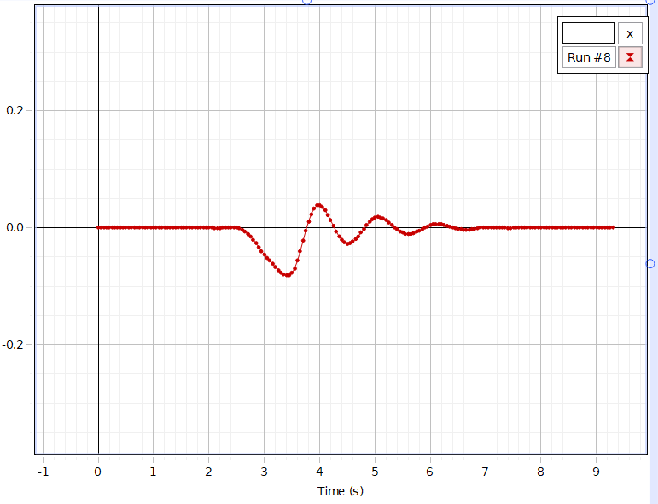
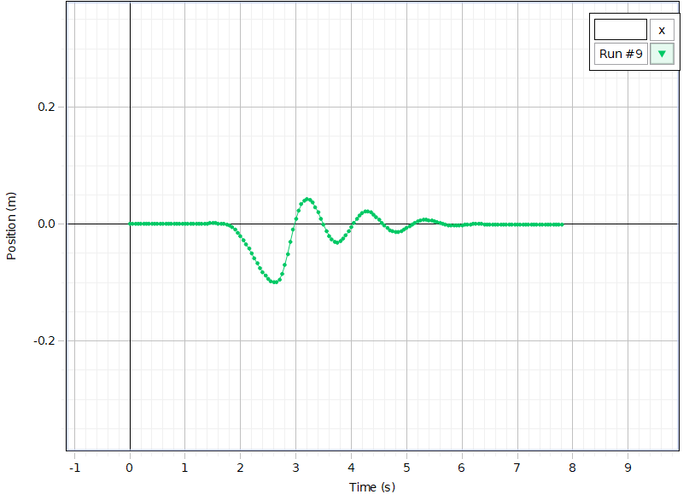
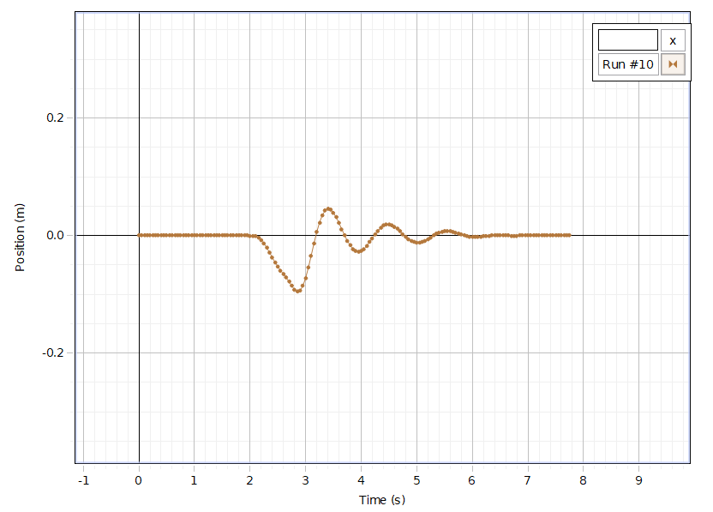
Run #8 | Auto |  |  | Run #9 | Auto | Run #10 | Auto
Position (m) | Time (s) |  |  | Position (m) | Time (s) | Position (m) | Time (s)
0 | 0 |  |  | 0 | 0 | 0 | 0
0 | 0.05 |  |  | 0 | 0.05 | 0 | 0.05
0 | 0.1 |  |  | 0 | 0.1 | 0 | 0.1
0 | 0.15 |  |  | 0 | 0.15 | 0 | 0.15
0 | 0.2 |  |  | 0 | 0.2 | 0 | 0.2
0 | 0.25 |  |  | 0 | 0.25 | 0 | 0.25
0 | 0.3 |  |  | 0 | 0.3 | 0 | 0.3
0 | 0.35 |  |  | 0 | 0.35 | 0 | 0.35
0 | 0.4 |  |  | 0 | 0.4 | 0 | 0.4
0 | 0.45 |  |  | 0 | 0.45 | 0 | 0.45
0 | 0.5 |  |  | 0 | 0.5 | 0 | 0.5
0 | 0.55 |  |  | 0 | 0.55 | 0 | 0.55
0 | 0.6 |  |  | 0 | 0.6 | 0 | 0.6
0 | 0.65 |  |  | 0 | 0.65 | 0 | 0.65
0 | 0.7 |  |  | 0 | 0.7 | 0 | 0.7
3.75E-05 | 0.75 |  |  | 0 | 0.75 | 0 | 0.75
3.75E-05 | 0.8 |  |  | 0 | 0.8 | 0 | 0.8
0 | 0.85 |  |  | 0 | 0.85 | 0 | 0.85
0 | 0.9 |  |  | 0 | 0.9 | 0 | 0.9
3.75E-05 | 0.95 |  |  | 0 | 0.95 | 0 | 0.95
3.75E-05 | 1 |  |  | 0 | 1 | 0 | 1
3.75E-05 | 1.05 |  |  | 0 | 1.05 | 0 | 1.05
3.75E-05 | 1.1 |  |  | 0 | 1.1 | 0 | 1.1
3.75E-05 | 1.15 |  |  | 0 | 1.15 | 0 | 1.15
3.75E-05 | 1.2 |  |  | 0 | 1.2 | 0 | 1.2
3.75E-05 | 1.25 |  |  | 0 | 1.25 | 0 | 1.25
3.75E-05 | 1.3 |  |  | 1.12E-04 | 1.3 | 0 | 1.3
3.75E-05 | 1.35 |  |  | 4.50E-04 | 1.35 | 0 | 1.35
3.75E-05 | 1.4 |  |  | 9.75E-04 | 1.4 | 0 | 1.4
3.75E-05 | 1.45 |  |  | 0.0014 | 1.45 | 0 | 1.45
3.75E-05 | 1.5 |  |  | 0.0015 | 1.5 | 0 | 1.5
3.75E-05 | 1.55 |  |  | 0.0015 | 1.55 | 0 | 1.55
3.75E-05 | 1.6 |  |  | 0.0012 | 1.6 | 0 | 1.6
3.75E-05 | 1.65 |  |  | 7.50E-04 | 1.65 | 0 | 1.65
3.75E-05 | 1.7 |  |  | 1.12E-04 | 1.7 | 0 | 1.7
0 | 1.75 |  |  | -9.37E-04 | 1.75 | 0 | 1.75
0 | 1.8 |  |  | -0.0028 | 1.8 | 0 | 1.8
0 | 1.85 |  |  | -0.0055 | 1.85 | 0 | 1.85
3.75E-05 | 1.9 |  |  | -0.0095 | 1.9 | -3.75E-05 | 1.9
3.75E-05 | 1.95 |  |  | -0.0145 | 1.95 | -1.50E-04 | 1.95
0 | 2 |  |  | -0.0204 | 2 | -3.38E-04 | 2
-1.12E-04 | 2.05 |  |  | -0.0271 | 2.05 | -4.87E-04 | 2.05
-4.12E-04 | 2.1 |  |  | -0.0345 | 2.1 | -0.0011 | 2.1
-6.00E-04 | 2.15 |  |  | -0.0424 | 2.15 | -0.0036 | 2.15
-4.12E-04 | 2.2 |  |  | -0.0506 | 2.2 | -0.0081 | 2.2
7.50E-05 | 2.25 |  |  | -0.0589 | 2.25 | -0.0137 | 2.25
4.50E-04 | 2.3 |  |  | -0.0672 | 2.3 | -0.0207 | 2.3
7.13E-04 | 2.35 |  |  | -0.075 | 2.35 | -0.0288 | 2.35
8.25E-04 | 2.4 |  |  | -0.0822 | 2.4 | -0.0372 | 2.4
7.88E-04 | 2.45 |  |  | -0.0886 | 2.45 | -0.0453 | 2.45
3.00E-04 | 2.5 |  |  | -0.0938 | 2.5 | -0.0527 | 2.5
-0.0012 | 2.55 |  |  | -0.0977 | 2.55 | -0.0593 | 2.55
-0.0034 | 2.6 |  |  | -0.1 | 2.6 | -0.0655 | 2.6
-0.0065 | 2.65 |  |  | -0.0997 | 2.65 | -0.0717 | 2.65
-0.0104 | 2.7 |  |  | -0.0955 | 2.7 | -0.0784 | 2.7
-0.0149 | 2.75 |  |  | -0.0854 | 2.75 | -0.0856 | 2.75
-0.0201 | 2.8 |  |  | -0.07 | 2.8 | -0.0921 | 2.8
-0.0264 | 2.85 |  |  | -0.0509 | 2.85 | -0.0957 | 2.85
-0.0333 | 2.9 |  |  | -0.0301 | 2.9 | -0.094 | 2.9
-0.04 | 2.95 |  |  | -0.0097 | 2.95 | -0.086 | 2.95
-0.0457 | 3 |  |  | 0.0084 | 3 | -0.0723 | 3
-0.0509 | 3.05 |  |  | 0.0232 | 3.05 | -0.0545 | 3.05
-0.0562 | 3.1 |  |  | 0.0339 | 3.1 | -0.0343 | 3.1
-0.0618 | 3.15 |  |  | 0.0404 | 3.15 | -0.0136 | 3.15
-0.0673 | 3.2 |  |  | 0.0428 | 3.2 | 0.0057 | 3.2
-0.0724 | 3.25 |  |  | 0.0413 | 3.25 | 0.0221 | 3.25
-0.0766 | 3.3 |  |  | 0.0366 | 3.3 | 0.0345 | 3.3
-0.0796 | 3.35 |  |  | 0.0293 | 3.35 | 0.0422 | 3.35
-0.0811 | 3.4 |  |  | 0.02 | 3.4 | 0.0452 | 3.4
-0.081 | 3.45 |  |  | 0.0095 | 3.45 | 0.0437 | 3.45
-0.0775 | 3.5 |  |  | -0.0014 | 3.5 | 0.0387 | 3.5
-0.0692 | 3.55 |  |  | -0.0115 | 3.55 | 0.0309 | 3.55
-0.0564 | 3.6 |  |  | -0.0201 | 3.6 | 0.0213 | 3.6
-0.0404 | 3.65 |  |  | -0.0265 | 3.65 | 0.011 | 3.65
-0.0226 | 3.7 |  |  | -0.0303 | 3.7 | 6.00E-04 | 3.7
-0.0051 | 3.75 |  |  | -0.0312 | 3.75 | -0.0088 | 3.75
0.0107 | 3.8 |  |  | -0.0294 | 3.8 | -0.0168 | 3.8
0.0237 | 3.85 |  |  | -0.0254 | 3.85 | -0.0227 | 3.85
0.033 | 3.9 |  |  | -0.0197 | 3.9 | -0.0264 | 3.9
0.0382 | 3.95 |  |  | -0.0127 | 3.95 | -0.0275 | 3.95
0.0391 | 4 |  |  | -0.0051 | 4 | -0.0262 | 4
0.0362 | 4.05 |  |  | 0.0024 | 4.05 | -0.0228 | 4.05
0.0302 | 4.1 |  |  | 0.0092 | 4.1 | -0.0177 | 4.1
0.0221 | 4.15 |  |  | 0.0149 | 4.15 | -0.0114 | 4.15
0.0126 | 4.2 |  |  | 0.0189 | 4.2 | -0.0046 | 4.2
0.0029 | 4.25 |  |  | 0.021 | 4.25 | 0.002 | 4.25
-0.0064 | 4.3 |  |  | 0.0211 | 4.3 | 0.0081 | 4.3
-0.0146 | 4.35 |  |  | 0.0195 | 4.35 | 0.0131 | 4.35
-0.0211 | 4.4 |  |  | 0.0164 | 4.4 | 0.0167 | 4.4
-0.0254 | 4.45 |  |  | 0.0122 | 4.45 | 0.0187 | 4.45
-0.0273 | 4.5 |  |  | 0.0072 | 4.5 | 0.019 | 4.5
-0.0267 | 4.55 |  |  | 0.002 | 4.55 | 0.0177 | 4.55
-0.0241 | 4.6 |  |  | -0.0029 | 4.6 | 0.015 | 4.6
-0.0198 | 4.65 |  |  | -0.0072 | 4.65 | 0.0114 | 4.65
-0.0143 | 4.7 |  |  | -0.0106 | 4.7 | 0.0071 | 4.7
-0.0081 | 4.75 |  |  | -0.0128 | 4.75 | 0.0026 | 4.75
-0.0016 | 4.8 |  |  | -0.0137 | 4.8 | -0.0019 | 4.8
0.0047 | 4.85 |  |  | -0.0133 | 4.85 | -0.0059 | 4.85
0.0101 | 4.9 |  |  | -0.0117 | 4.9 | -0.0091 | 4.9
0.0144 | 4.95 |  |  | -0.0094 | 4.95 | -0.0113 | 4.95
0.0171 | 5 |  |  | -0.0065 | 5 | -0.0123 | 5
0.0183 | 5.05 |  |  | -0.0033 | 5.05 | -0.012 | 5.05
0.0179 | 5.1 |  |  | -2.62E-04 | 5.1 | -0.0107 | 5.1
0.0162 | 5.15 |  |  | 0.0025 | 5.15 | -0.0087 | 5.15
0.0133 | 5.2 |  |  | 0.0048 | 5.2 | -0.0061 | 5.2
0.0095 | 5.25 |  |  | 0.0063 | 5.25 | -0.0032 | 5.25
0.0053 | 5.3 |  |  | 0.0071 | 5.3 | -1.88E-04 | 5.3
0.0011 | 5.35 |  |  | 0.0072 | 5.35 | 0.0026 | 5.35
-0.0027 | 5.4 |  |  | 0.0066 | 5.4 | 0.005 | 5.4
-0.0059 | 5.45 |  |  | 0.0056 | 5.45 | 0.0065 | 5.45
-0.0084 | 5.5 |  |  | 0.0042 | 5.5 | 0.0074 | 5.5
-0.0101 | 5.55 |  |  | 0.0029 | 5.55 | 0.0077 | 5.55
-0.0107 | 5.6 |  |  | 0.0015 | 5.6 | 0.0072 | 5.6
-0.0103 | 5.65 |  |  | 1.50E-04 | 5.65 | 0.0063 | 5.65
-0.009 | 5.7 |  |  | -0.001 | 5.7 | 0.005 | 5.7
-0.0072 | 5.75 |  |  | -0.0019 | 5.75 | 0.0035 | 5.75
-0.0049 | 5.8 |  |  | -0.0025 | 5.8 | 0.0019 | 5.8
-0.0025 | 5.85 |  |  | -0.0027 | 5.85 | 3.75E-04 | 5.85
-1.12E-04 | 5.9 |  |  | -0.0026 | 5.9 | -8.62E-04 | 5.9
0.0022 | 5.95 |  |  | -0.0022 | 5.95 | -0.0019 | 5.95
0.0041 | 6 |  |  | -0.0017 | 6 | -0.0025 | 6
0.0054 | 6.05 |  |  | -0.0012 | 6.05 | -0.0028 | 6.05
0.0062 | 6.1 |  |  | -6.75E-04 | 6.1 | -0.0027 | 6.1
0.0063 | 6.15 |  |  | -2.25E-04 | 6.15 | -0.0022 | 6.15
0.0058 | 6.2 |  |  | 3.75E-05 | 6.2 | -0.0016 | 6.2
0.0049 | 6.25 |  |  | 7.50E-05 | 6.25 | -9.00E-04 | 6.25
0.0038 | 6.3 |  |  | -3.75E-05 | 6.3 | -2.62E-04 | 6.3
0.0024 | 6.35 |  |  | -1.88E-04 | 6.35 | 1.88E-04 | 6.35
9.37E-04 | 6.4 |  |  | -3.75E-04 | 6.4 | 4.50E-04 | 6.4
-4.87E-04 | 6.45 |  |  | -4.87E-04 | 6.45 | 6.00E-04 | 6.45
-0.0017 | 6.5 |  |  | -6.00E-04 | 6.5 | 6.00E-04 | 6.5
-0.0026 | 6.55 |  |  | -6.38E-04 | 6.55 | 4.50E-04 | 6.55
-0.0031 | 6.6 |  |  | -6.38E-04 | 6.6 | 1.88E-04 | 6.6
-0.0033 | 6.65 |  |  | -6.00E-04 | 6.65 | -7.50E-05 | 6.65
-0.003 | 6.7 |  |  | -4.87E-04 | 6.7 | -2.25E-04 | 6.7
-0.0025 | 6.75 |  |  | -4.12E-04 | 6.75 | -3.00E-04 | 6.75
-0.0018 | 6.8 |  |  | -3.75E-04 | 6.8 | -2.62E-04 | 6.8
-9.37E-04 | 6.85 |  |  | -4.50E-04 | 6.85 | -1.50E-04 | 6.85
-1.50E-04 | 6.9 |  |  | -5.25E-04 | 6.9 | -7.50E-05 | 6.9
4.87E-04 | 6.95 |  |  | -5.62E-04 | 6.95 | 1.32E-17 | 6.95
9.00E-04 | 7 |  |  | -5.62E-04 | 7 | 3.75E-05 | 7
0.0011 | 7.05 |  |  | -5.25E-04 | 7.05 | 7.50E-05 | 7.05
0.0012 | 7.1 |  |  | -4.87E-04 | 7.1 | 7.50E-05 | 7.1
0.0012 | 7.15 |  |  | -4.87E-04 | 7.15 | 3.75E-05 | 7.15
9.37E-04 | 7.2 |  |  | -4.87E-04 | 7.2 | -3.75E-05 | 7.2
6.00E-04 | 7.25 |  |  | -4.50E-04 | 7.25 | -1.12E-04 | 7.25
2.25E-04 | 7.3 |  |  | -4.12E-04 | 7.3 | -1.50E-04 | 7.3
-7.50E-05 | 7.35 |  |  | -4.12E-04 | 7.35 | -1.12E-04 | 7.35
-2.25E-04 | 7.4 |  |  | -4.50E-04 | 7.4 | -3.75E-05 | 7.4
-2.25E-04 | 7.45 |  |  | -4.87E-04 | 7.45 | 3.75E-05 | 7.45
-1.50E-04 | 7.5 |  |  | -5.25E-04 | 7.5 | 7.50E-05 | 7.5
-7.50E-05 | 7.55 |  |  | -5.25E-04 | 7.55 | 3.75E-05 | 7.55
-3.75E-05 | 7.6 |  |  | -4.87E-04 | 7.6 | 1.32E-17 | 7.6
3.75E-05 | 7.65 |  |  | -4.50E-04 | 7.65 | 1.32E-17 | 7.65
1.50E-04 | 7.7 |  |  | -4.50E-04 | 7.7 | 1.32E-17 | 7.7
1.88E-04 | 7.75 |  |  | -4.87E-04 | 7.75 | 1.32E-17 | 7.75
1.12E-04 | 7.8 |  |  | -5.25E-04 | 7.8
8.75E-18 | 7.85
-1.50E-04 | 7.9
-1.88E-04 | 7.95
-1.12E-04 | 8
-3.75E-05 | 8.05
3.75E-05 | 8.1
7.50E-05 | 8.15
7.50E-05 | 8.2
7.50E-05 | 8.25
7.50E-05 | 8.3
3.75E-05 | 8.35
8.77E-18 | 8.4
-7.50E-05 | 8.45
-7.50E-05 | 8.5
-3.75E-05 | 8.55
7.50E-05 | 8.6
1.50E-04 | 8.65
1.12E-04 | 8.7
7.50E-05 | 8.75
8.77E-18 | 8.8
8.77E-18 | 8.85
7.50E-05 | 8.9
7.50E-05 | 8.95
3.75E-05 | 9
8.77E-18 | 9.05
8.77E-18 | 9.1
7.50E-05 | 9.15
1.50E-04 | 9.2
1.12E-04 | 9.25
3.75E-05 | 9.3

