CommonCNNTopologyStructure
NetWorkName | Yolo Net,Caffe Net VGG16 Net | Zynq Net Squeeze Net | Alex Net | Google Net | Res Net
Type Toplogy Structure(Convolution) | 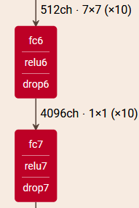 | 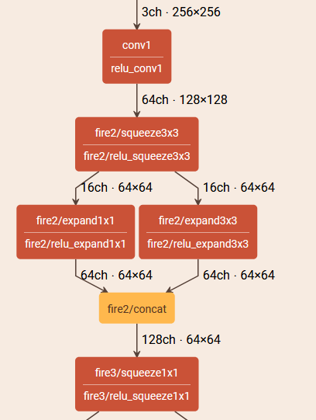 |  | 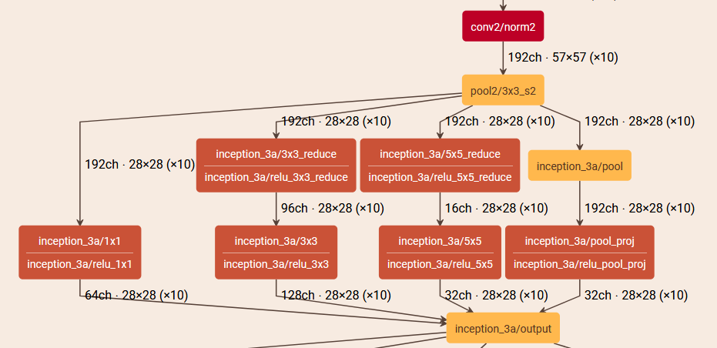 | 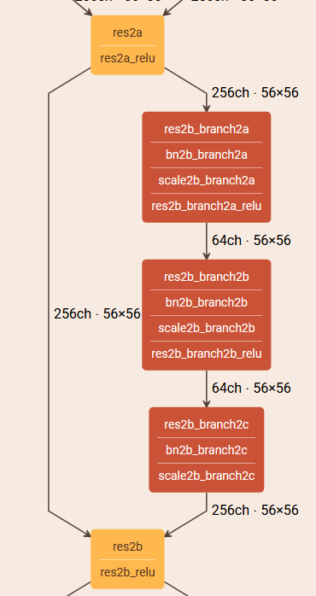
Type Toplogy Structure(Full Connection)

yTinyAnalyze
TOTAL MACC(M) | Number | NAME | WIDTH | HEIGHT | CH_IN | CH_OUT | KERNEL | MACC(M) | IDEAL LAYER ECLIPSE(ms) | REAL LAYER ECLIPSE (ms) | CRACK TIME(ms)
5549.064192 | 1 | conv0 | 512 | 512 | 3 | 16 | 3 | 113.246208 | 1.96608 | 2.1428571429 | 0.007285
ALL MACC(G/1S) | 2 | conv1 | 256 | 256 | 16 | 32 | 3 | 301.989888 | 5.24288 | 5.7142857143 | 0.03139
0.0528482304 | 3 | conv2 | 128 | 128 | 32 | 64 | 3 | 301.989888 | 5.24288 | 5.7142857143 | 0.03944
REAL ACCELERATE (%) | 4 | conv3 | 64 | 64 | 64 | 128 | 3 | 301.989888 | 5.24288 | 5.7142857143 | 0.03968
0.0917504 | 5 | conv4 | 32 | 32 | 128 | 256 | 3 | 301.989888 | 5.24288 | 5.7142857143 | 0.04108
 | 6 | conv5_1 | 16 | 16 | 256 | 128 | 3 | 75.497472 | 1.31072 | 1.4285714286 | 0.04066
 | 7 | conv5_2 | 16 | 16 | 256 | 128 | 3 | 75.497472 | 1.31072 | 1.4285714286 | 0.04066
 | 8 | conv5_3 | 16 | 16 | 256 | 128 | 3 | 75.497472 | 1.31072 | 1.4285714286 | 0.04066
IDEAL TIME(MS) | 9 | conv5_4 | 16 | 16 | 256 | 128 | 3 | 75.497472 | 1.31072 | 1.4285714286 | 0.04066
96.33792 | 10 | conv6_1 | 16 | 16 | 512 | 64 | 3 | 75.497472 | 1.31072 | 1.4285714286 | 0.07056
 | 11 | conv6_2 | 16 | 16 | 512 | 64 | 3 | 75.497472 | 1.31072 | 1.4285714286 | 0.07056
 | 12 | conv6_3 | 16 | 16 | 512 | 64 | 3 | 75.497472 | 1.31072 | 1.4285714286 | 0.07056
 | 13 | conv6_4 | 16 | 16 | 512 | 64 | 3 | 75.497472 | 1.31072 | 1.4285714286 | 0.07056
 | 14 | conv6_5 | 16 | 16 | 512 | 64 | 3 | 75.497472 | 1.31072 | 1.4285714286 | 0.07056
 | 15 | conv6_6 | 16 | 16 | 512 | 64 | 3 | 75.497472 | 1.31072 | 1.4285714286 | 0.07056
 | 16 | conv6_7 | 16 | 16 | 512 | 64 | 3 | 75.497472 | 1.31072 | 1.4285714286 | 0.07056
 | 17 | conv6_8 | 16 | 16 | 512 | 64 | 3 | 75.497472 | 1.31072 | 1.4285714286 | 0.07056
 | 18 | conv6_9 | 16 | 16 | 512 | 64 | 3 | 75.497472 | 1.31072 | 1.4285714286 | 0.07056
 | 19 | conv6_10 | 16 | 16 | 512 | 64 | 3 | 75.497472 | 1.31072 | 1.4285714286 | 0.07056
 | 20 | conv6_11 | 16 | 16 | 512 | 64 | 3 | 75.497472 | 1.31072 | 1.4285714286 | 0.07056
TOTAL REAL TIME (MS) | 21 | conv6_12 | 16 | 16 | 512 | 64 | 3 | 75.497472 | 1.31072 | 1.4285714286 | 0.07056
105 | 22 | conv6_13 | 16 | 16 | 512 | 64 | 3 | 75.497472 | 1.31072 | 1.4285714286 | 0.07056
 | 23 | conv6_14 | 16 | 16 | 512 | 64 | 3 | 75.497472 | 1.31072 | 1.4285714286 | 0.07056
 | 24 | conv6_15 | 16 | 16 | 512 | 64 | 3 | 75.497472 | 1.31072 | 1.4285714286 | 0.07056
 | 25 | conv6_16 | 16 | 16 | 512 | 64 | 3 | 75.497472 | 1.31072 | 1.4285714286 | 0.07056
 | 26 | conv7_1 | 16 | 16 | 1024 | 32 | 3 | 75.497472 | 1.31072 | 1.4285714286 | 0.13456
 | 27 | conv7_2 | 16 | 16 | 1024 | 32 | 3 | 75.497472 | 1.31072 | 1.4285714286 | 0.13456
REAL LAYER 1 TIME(ms) | 28 | conv7_3 | 16 | 16 | 1024 | 32 | 3 | 75.497472 | 1.31072 | 1.4285714286 | 0.13456
5.38926 | 29 | conv7_4 | 16 | 16 | 1024 | 32 | 3 | 75.497472 | 1.31072 | 1.4285714286 | 0.13456
 | 30 | conv7_5 | 16 | 16 | 1024 | 32 | 3 | 75.497472 | 1.31072 | 1.4285714286 | 0.13456
 | 31 | conv7_6 | 16 | 16 | 1024 | 32 | 3 | 75.497472 | 1.31072 | 1.4285714286 | 0.13456
CRACK LAYER 1 TIME(MS) | 32 | conv7_7 | 16 | 16 | 1024 | 32 | 3 | 75.497472 | 1.31072 | 1.4285714286 | 0.13456
3.42318 | 33 | conv7_8 | 16 | 16 | 1024 | 32 | 3 | 75.497472 | 1.31072 | 1.4285714286 | 0.13456
 | 34 | conv7_9 | 16 | 16 | 1024 | 32 | 3 | 75.497472 | 1.31072 | 1.4285714286 | 0.13456
 | 35 | conv7_10 | 16 | 16 | 1024 | 32 | 3 | 75.497472 | 1.31072 | 1.4285714286 | 0.13456
CRACK 1 LOAD WEIGHT（MS） | 36 | conv7_11 | 16 | 16 | 1024 | 32 | 3 | 75.497472 | 1.31072 | 1.4285714286 | 0.13456
0.007285 | 37 | conv7_12 | 16 | 16 | 1024 | 32 | 3 | 75.497472 | 1.31072 | 1.4285714286 | 0.13456
 | 38 | conv7_13 | 16 | 16 | 1024 | 32 | 3 | 75.497472 | 1.31072 | 1.4285714286 | 0.13456
CRACK OTHER TIME(MS) | 39 | conv7_14 | 16 | 16 | 1024 | 32 | 3 | 75.497472 | 1.31072 | 1.4285714286 | 0.13456
5.890955 | 40 | conv7_15 | 16 | 16 | 1024 | 32 | 3 | 75.497472 | 1.31072 | 1.4285714286 | 0.13456
 | 41 | conv7_16 | 16 | 16 | 1024 | 32 | 3 | 75.497472 | 1.31072 | 1.4285714286 | 0.13456
 | 42 | conv7_17 | 16 | 16 | 1024 | 32 | 3 | 75.497472 | 1.31072 | 1.4285714286 | 0.13456
TOTAL CRACK TIME(MS) | 43 | conv7_18 | 16 | 16 | 1024 | 32 | 3 | 75.497472 | 1.31072 | 1.4285714286 | 0.13456
9.32142 | 44 | conv7_19 | 16 | 16 | 1024 | 32 | 3 | 75.497472 | 1.31072 | 1.4285714286 | 0.13456
 | 45 | conv7_20 | 16 | 16 | 1024 | 32 | 3 | 75.497472 | 1.31072 | 1.4285714286 | 0.13456
105.65934 | 46 | conv7_21 | 16 | 16 | 1024 | 32 | 3 | 75.497472 | 1.31072 | 1.4285714286 | 0.13456
 | 47 | conv7_22 | 16 | 16 | 1024 | 32 | 3 | 75.497472 | 1.31072 | 1.4285714286 | 0.13456
 | 48 | conv7_23 | 16 | 16 | 1024 | 32 | 3 | 75.497472 | 1.31072 | 1.4285714286 | 0.13456
 | 49 | conv7_24 | 16 | 16 | 1024 | 32 | 3 | 75.497472 | 1.31072 | 1.4285714286 | 0.13456
 | 50 | conv7_25 | 16 | 16 | 1024 | 32 | 3 | 75.497472 | 1.31072 | 1.4285714286 | 0.13456
 | 51 | conv7_26 | 16 | 16 | 1024 | 32 | 3 | 75.497472 | 1.31072 | 1.4285714286 | 0.13456
 | 52 | conv7_27 | 16 | 16 | 1024 | 32 | 3 | 75.497472 | 1.31072 | 1.4285714286 | 0.13456
 | 53 | conv7_28 | 16 | 16 | 1024 | 32 | 3 | 75.497472 | 1.31072 | 1.4285714286 | 0.13456
 | 54 | conv7_29 | 16 | 16 | 1024 | 32 | 3 | 75.497472 | 1.31072 | 1.4285714286 | 0.13456
 | 55 | conv7_30 | 16 | 16 | 1024 | 32 | 3 | 75.497472 | 1.31072 | 1.4285714286 | 0.13456
 | 56 | conv7_31 | 16 | 16 | 1024 | 32 | 3 | 75.497472 | 1.31072 | 1.4285714286 | 0.13456
 | 57 | conv7_32 | 16 | 16 | 1024 | 32 | 3 | 75.497472 | 1.31072 | 1.4285714286 | 0.13456
 | 58 | conv8_1 | 16 | 16 | 1024 | 128 | 1 | 301.989888 | 5.24288 | 5.7142857143 | 0.13456
 |  |  |  |  |  |  |  | 5549.064192 | 96.33792 | 105 | 5.890955

1 | 0
2
3
4

 |  | CRACK LAYER 1 TIME(MS) | CRACK 1 LOAD WEIGHT（MS） | CRACK OTHER TIME(MS) | COMPUTE
 |  | 3.42318 | 0.007285 | 5.890955 | 96.33792

仿真计算能力分析
1.next_weight，表示层数
2.we1,拉1,表示正在计算，拉0表示没有计算

每层的前2行数据，不能计算，只能等待

 |  |  |  |  |  |  |  |  |  |  |  | 0

 |  |  | conv1 | 4194304 | 113246208 | 432 | 16 | 512
 |  |  | conv2 | 2097152 | 301989888 | 4608 | 32 | 256
 |  |  | conv3 | 1048576 | 301989888 | 18432 | 64 | 128
 |  |  | conv4 | 524288 | 301989888 | 73728 | 128 | 64
 |  |  | conv5 | 262144 | 301989888 | 294912 | 256 | 32
 |  |  | conv6 | 131072 | 301989888 | 1179648 | 512 | 16
 |  |  | conv7 | 230400 | 1061683200 | 4718592 | 1024 | 15
 |  |  | conv8 | 230400 | 2123366400 | 9437184 | 1024 | 15
 |  |  | conv9 | 15750 | 16128000
 |  |  |  |  | 4824373248

ciFar10ResNet20
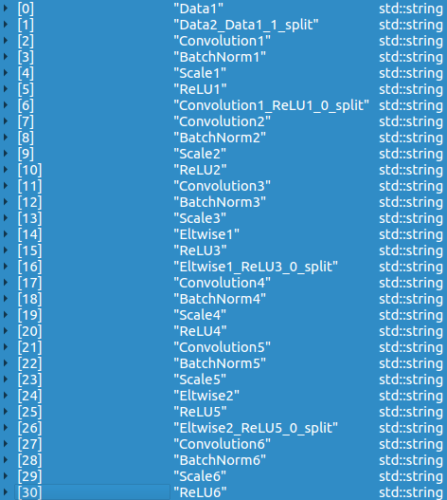
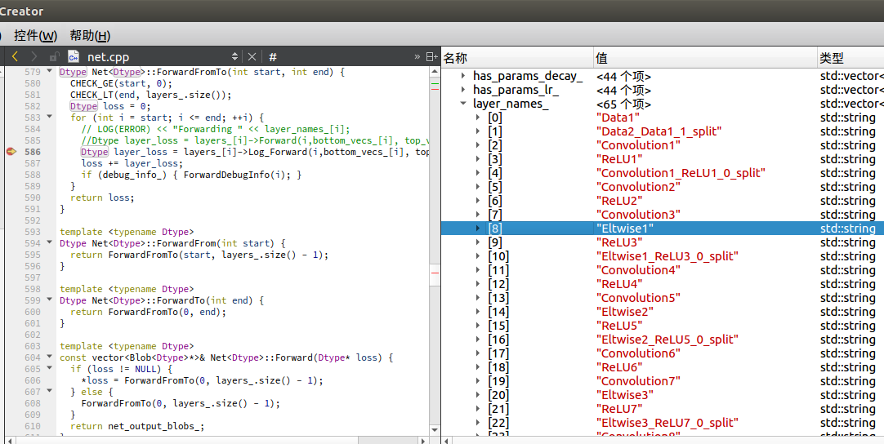
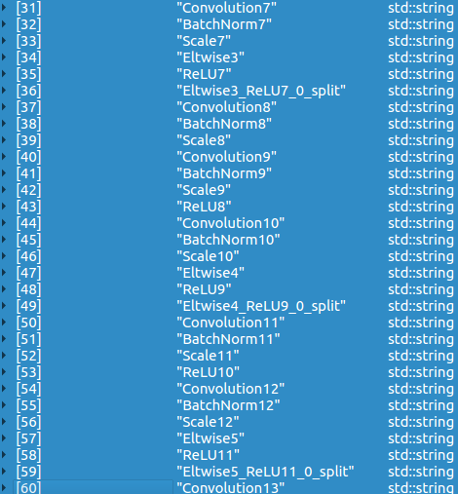
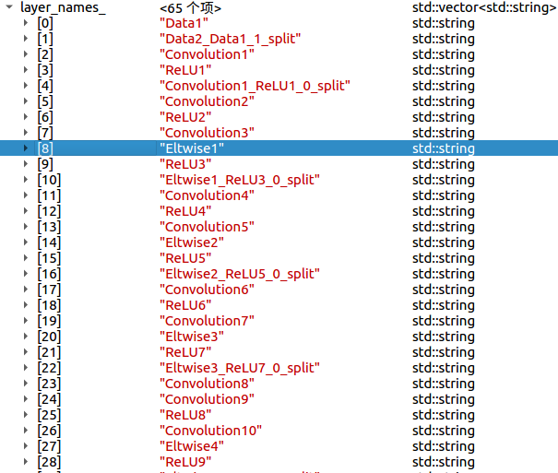
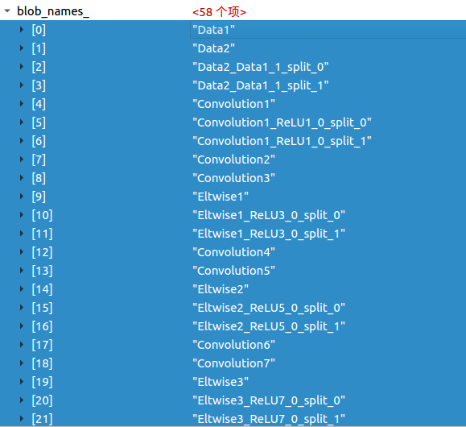
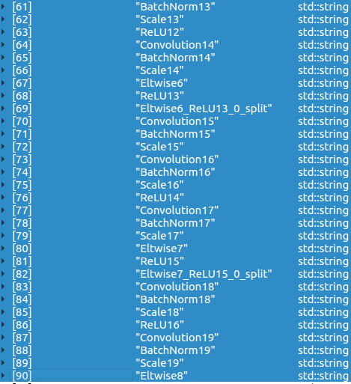
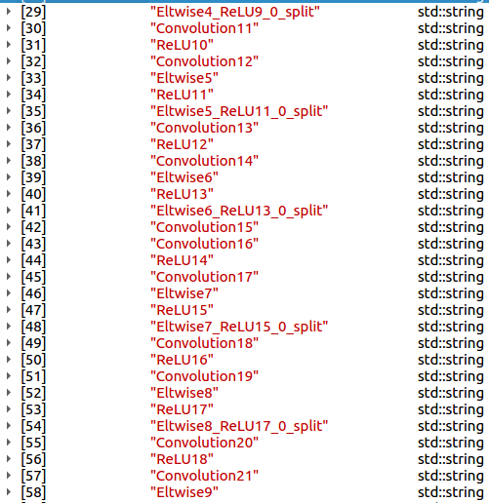
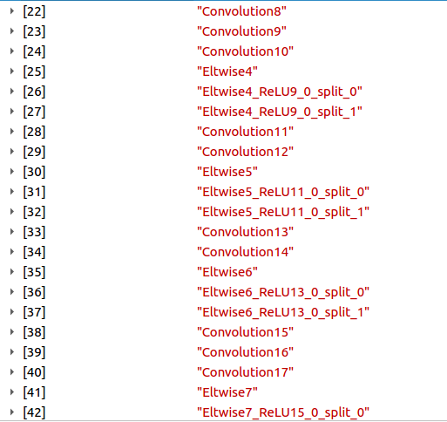
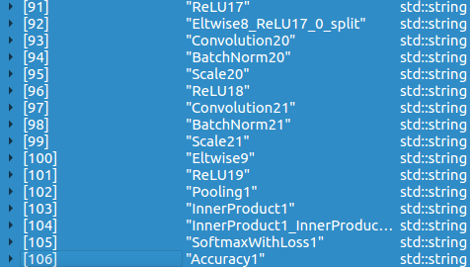
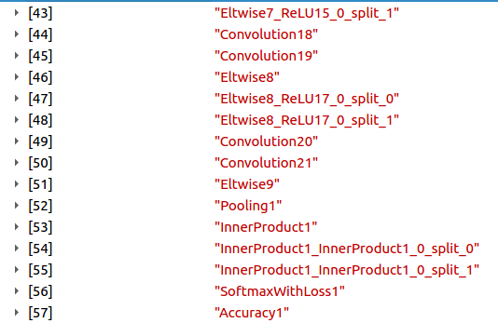
NO. | NAME | WIDTH | HEIGHT | CH_IN | CH_OUT | KERNEL | PAD | STRIDE | RELU |  | IBUFA | IBUFB | IBUFC | DPI | DPO | WPO | BPO | Factor | W | Weights |  | MACC | MACC(CLK) | MACC(ms) | SIM-MACC(ms)
CPU |  | 32 | 32 | 3 | 16 | 3 | 1 | 1 |  |  |  |  |  | 0 | 4 | 7 | 5 |  |  |  |  | 0
0 | conv2 | 32 | 32 | 16 | 16 | 3 | 1 | 1 |  | 288 | M | OUT | NADD | 4 | 4 | 7 | 5 | 92 | 144 | 9 | 16 | 2359296 | 4608 | 0.04608 | 0.09216 | 0.09219
1 | conv3 | 32 | 32 | 16 | 16 | 3 | 1 | 1 |  | 288 | ADD | M | OUT | 4 | 4 | 7 | 5 | 67 | 144 | 9 | 16 | 2359296 | 4608 | 0.04608 | 0.09216 | 0.09219
2 | conv4 | 32 | 32 | 16 | 16 | 3 | 1 | 1 |  | 288 | NADD | OUT | M | 4 | 5 | 7 | 5 | 61 | 144 | 9 | 16 | 2359296 | 4608 | 0.04608 | 0.09216 | 0.09219
3 | conv5 | 32 | 32 | 16 | 16 | 3 | 1 | 1 |  | 288 | OUT | M | ADD | 5 | 3 | 7 | 5 | 38 | 144 | 9 | 16 | 2359296 | 4608 | 0.04608 | 0.09216 | 0.09219
4 | conv6 | 32 | 32 | 16 | 16 | 3 | 1 | 1 |  | 288 | M | OUT | NADD | 3 | 4 | 7 | 5 | 62 | 144 | 9 | 16 | 2359296 | 4608 | 0.04608 | 0.09216 | 0.09219
5 | conv7 | 32 | 32 | 16 | 16 | 3 | 1 | 1 |  | 288 | ADD | M | OUT | 4 | 4 | 7 | 5 | 55 | 144 | 9 | 16 | 2359296 | 4608 | 0.04608 | 0.09216 | 0.09219
6 | conv8 | 32 | 32 | 16 | 32 | 1 | 0 | 2 |  | 64 | NADD | OUT | M | 4 | 4 | 7 | 5 | 92 | 16 | 1 | 16 | 131072 | 256 | 0.00256 | 0.00256 | 0.00259
7 | conv9 | 32 | 32 | 16 | 32 | 3 | 1 | 2 |  | 576 | OUT | NADD | M | 4 | 4 | 7 | 5 | 49 | 144 | 9 | 16 | 1179648 | 2304 | 0.02304 | 0.02304 | 0.02307
8 | conv10 | 16 | 16 | 32 | 32 | 3 | 1 | 1 |  | 288 | M | ADD | OUT | 4 | 4 | 7 | 5 | 42 | 288 | 18 | 32 | 2359296 | 4608 | 0.04608 | 0.04608 | 0.04611
9 | conv11 | 16 | 16 | 32 | 32 | 3 | 1 | 1 |  | 288 | NADD | OUT | M | 4 | 4 | 7 | 5 | 30 | 288 | 18 | 32 | 2359296 | 4608 | 0.04608 | 0.04608 | 0.04611
10 | conv12 | 16 | 16 | 32 | 32 | 3 | 1 | 1 |  | 288 | OUT | M | ADD | 4 | 4 | 7 | 5 | 31 | 288 | 18 | 32 | 2359296 | 4608 | 0.04608 | 0.04608 | 0.04611
11 | conv13 | 16 | 16 | 32 | 32 | 3 | 1 | 1 |  | 288 | M | OUT | NADD | 4 | 4 | 7 | 5 | 40 | 288 | 18 | 32 | 2359296 | 4608 | 0.04608 | 0.04608 | 0.04611
12 | conv14 | 16 | 16 | 32 | 32 | 3 | 1 | 1 |  | 288 | ADD | M | OUT | 4 | 4 | 7 | 5 | 33 | 288 | 18 | 32 | 2359296 | 4608 | 0.04608 | 0.04608 | 0.04611
13 | conv15 | 16 | 16 | 32 | 64 | 1 | 0 | 2 |  | 64 | NADD | OUT | M | 4 | 4 | 7 | 5 | 46 | 64 | 4 | 16 | 131072 | 256 | 0.00256 | 0.00256 | 0.00259
14 | conv16 | 16 | 16 | 32 | 64 | 3 | 1 | 2 |  | 576 | OUT | NADD | M | 4 | 4 | 7 | 5 | 33 | 576 | 36 | 48 | 1179648 | 2304 | 0.02304 | 0.02304 | 0.02307
15 | conv17 | 8 | 8 | 64 | 64 | 3 | 1 | 1 |  | 288 | M | ADD | OUT | 4 | 4 | 7 | 5 | 43 | 1152 | 72 | 80 | 2359296 | 4608 | 0.04608 | 0.04608 | 0.04611
16 | conv18 | 8 | 8 | 64 | 64 | 3 | 1 | 1 |  | 288 | NADD | OUT | M | 4 | 4 | 7 | 5 | 36 | 1152 | 72 | 80 | 2359296 | 4608 | 0.04608 | 0.04608 | 0.04611
17 | conv19 | 8 | 8 | 64 | 64 | 3 | 1 | 1 |  | 288 | OUT | M | ADD | 4 | 4 | 7 | 5 | 29 | 1152 | 72 | 80 | 2359296 | 4608 | 0.04608 | 0.04608 | 0.04611
18 | conv20 | 8 | 8 | 64 | 64 | 3 | 1 | 1 |  | 288 | M | OUT | NADD | 4 | 4 | 7 | 5 | 33 | 1152 | 72 | 80 | 2359296 | 4608 | 0.04608 | 0.04608 | 0.04611
19 | conv21 | 8 | 8 | 64 | 64 | 3 | 1 | 1 |  | 288 | ADD | M | OUT | 4 | 4 | 7 | 5 | 21 | 1152 | 72 | 80 | 2359296 | 4608 | 0.04608 | 0.04608 | 0.04611
 | InnerProduct1 | 1 | 1 | 64x64 | 10 | 1 | 0 | 1 |  | 5888 |  |  |  | 4 | 2 | 7 | 5 |  |  | 554 | 752 | 0 | 0 | 0 | 0 | 1.06556
SUM |  |  |  |  |  |  |  |  |  |  |  |  |  |  |  |  |  |  |  |  |  | 40370176 | 78848 | 0.78848 | 1.06496

 |  |  |  |  |  |  |  |  |  |  |  |  | 去掉BatchNormal,Scale后

