Sheet1
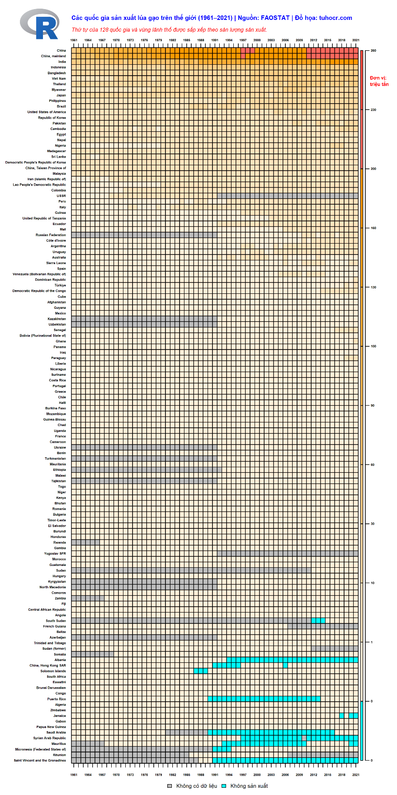
 |  |  |  | dev.size("in")
 |  |  |  | 10 | 20
 | unit |  | in |  | in |  | percent |  | in
usr_1 | 0.5 | pin_1 | 7.4 | din_1 | 10 | plt_1 | 0.18 | mai_1 | 0.8
usr_2 | 63 | pin_2 | 18 | din_2 | 20 | plt_2 | 0.92 | mai_2 | 1.8
usr_3 | 0.5 | pin_3 | NA | din_3 | NA | plt_3 | 0.04 | mai_3 | 1.2
usr_4 | 128 | pin_4 | NA | din_4 | NA | plt_4 | 0.94 | mai_4 | 0.2

