Sheet1
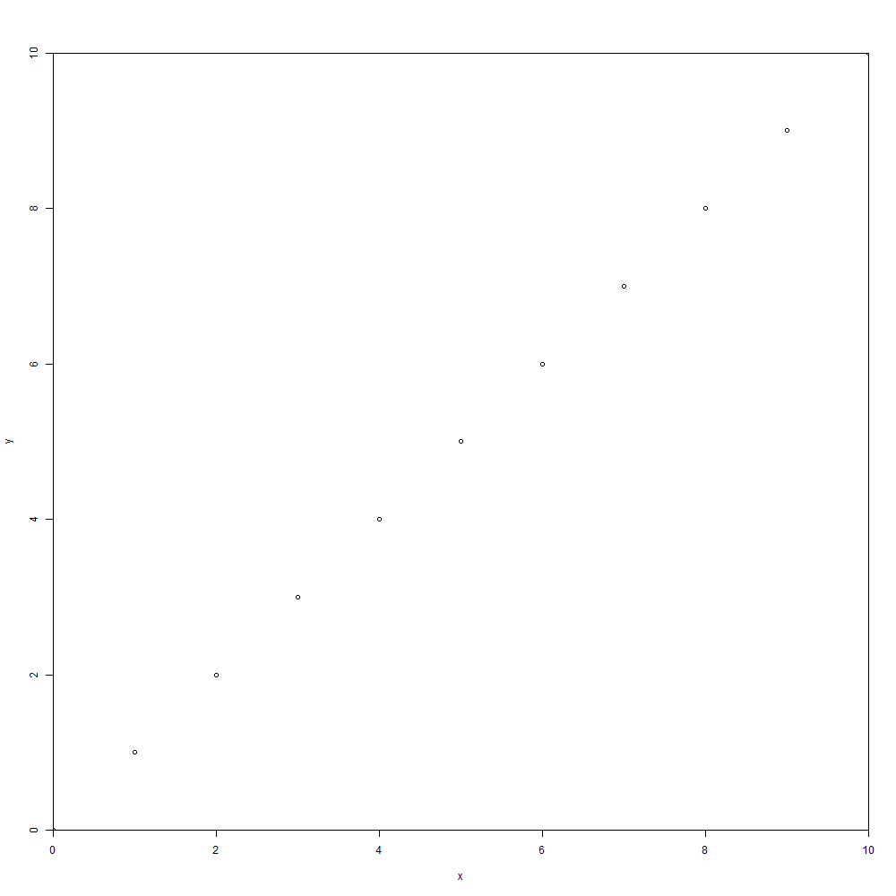
px | dev.size(units = "px") | [1] width | [2] height
 | graphic device | 1000 | 1000

cm | dev.size(units = "cm") | [1] width | [2] height
 | graphic device | 35.27778 | 35.27778

in | dev.size(units = "in") | [1] width | [2] height
 | graphic device | 13.88889 | 13.88889

in | par("din") | [1] width | [2] height | [3] | [4]
read only | graphic device | 13.88889 | 13.88889 | NA | NA

in | par("pin") | [1] width | [2] height | [3] | [4]
 | plot region | 12.64889 | 12.04889 | NA | NA
 |  | 12.64889 | 12.04889
percent | par("plt") | [1] | [2] | [3] | [4]
 | plot region | 0.05904001 | 0.96976 | 0.07344001 | 0.94095999

xy-value | par("usr") | [1] | [2] | [3] | [4]
 |  | 0 | 1 | 0 | 1

in | par("mai") | [1] bottom | [2] left | [3] top | [4] right
 | plot margin | 1.02 | 0.82 | 0.82 | 0.42

lines | par("mar") | [1] bottom | [2] left | [3] top | [4] right
 | plot margin | 5.1 | 4.1 | 4.1 | 2.1

