1. Title Page
[Instacart Grocery Basket Analysis]

Project Name: Instacart Grocery Basket Analysis
Date: 2/5/2023
Analyst Name: Tanha Tahseen

Contents:
Population Flow
Consistency checks
Wrangling steps
Column derivations
Visualizations
Recommendations

2. Population Flow
 |  |  | Title page

Population flow

Exclusion flag
Condition: max_order < 5
Obervations to be removed: 1440045 ( max_order <5) + 5127 (prices>100)
Final total count of order_products_all: 30959687

Orders_products_combined
Orders_products_merged
Orders_products_all

Total:
Total:
Total:
32434489 | 32404859 | 32404859

1.) The grey boxes in the first row of the population flow represent the original data sets as they were when you downloaded them. In the Total fields you need to add the count of the rows when you imported the data set into Jupyter.
2.) The second row of boxes (coloured) represents the data sets after you manipulated them, e.g., removed missing values and duplicates. In the Total fields you need to add the count of the rows after conducting these operations. This offers a visual oveview of how the data flows throughout the data consistency checks.
3.) The third row, where also the arrows are coloured, represents the merges you performed between the datasets. In the Total fields you need to add the count of the rows in the merged datasets, so that you end up with the final dataset (in the red box). Keep in mind the final dataset should be without exclusions (based on the exclusion flag).

3. Consistency checks
 |  |  |  | Title page
Consistency checks

Dataset | Missing values | Missing values treatment | Duplicates
orders | 206209 missing values | The missing values | No duplicate records found.
 | in days_since_prior_ | seem fine in context.
 | order column.

products | 16 missing values | created a new, clean | 5 duplicate records found and
 | in the product_name | version of this dataframe | removed.
 | column. | excluding the 16
 |  | records with missing
 |  | product name.

orders_products_prior | No missing values. | None. | No duplicate records found.

customers | First Name | Leaved the column | No duplicates found
 |  | as it is

4. Wrangling steps
 |  |  |  | Title page
Wrangling steps

Columns dropped | Columns renamed | Columns' type changed | Comment/Reason
eval_set (dataset: orders) | order_dow was changed to | none | 1. eval_set was irrelevant to my analysis.
 | order_day_of_week (dataset: |  | 2. order_dow was an unintuitive name.
 | orders).

 | Surnam was changed to |  | Surnam was an unintuitive name.
 | Surname (dataset: customers)

 | STATE was changed to State |  | The variable name in all uppercase letters
 | (dataset: customers). |  | was not looking nice.

 | n_dependants was changed |  | n_dependants was an unintuitive name.
 | to number_of_dependants
 | (dataset: customers).

 | fam_status was changed to |  | fam_status was an unintuitive name.
 | family status (dataset:
 | customers).

5. Column derivations
 |  |  |  | Title page

Column derivations and aggregations

In this tab you should add tables below that the frequences of flags/label variables that you produced after deriving them. NB: don't do this for continuous variables, only for flags.
Note: The frequencies of the flags below are generated from the final dataframe with 30959687 records. This dataframe excludes outliers ( records with product price above 100) and records of customers with less than 5 purchases.
Dataset | New column | Column/s it was derived from | Conditions
orders_products_ | price_range | prices | if prices <= 5
merged |  |  | then low-range
 |  |  | product.

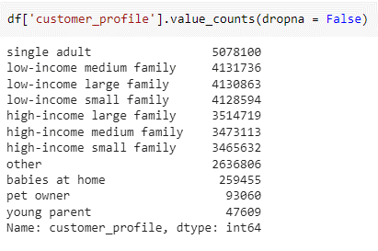
 |  |  | if prices between
 |  |  | 5 and <=15 then
 |  |  | mid-ranged product.

 |  |  | if prices >15 then
 |  |  | high-ranged product.

orders_products_ | busiest_days | order_dow | If order_dow = 0
merged |  |  | or 1, then "Busiest
 |  |  | days" .

 |  |  | If order_dow = 3 or
 |  |  | 5, then "Slowest
 |  |  | days".

 |  |  | Rest of the days
 |  |  | are "Regularly
 |  |  | Busy".

orders_products_ | busiest_period_of_ | order_hour_of_day | if the hour is within
merged | day |  | the list of busiest
 |  |  | hours, then "Most Orders".
 |  |  | ( 10, 11, 14, 15, 13,
 |  |  | 12, 16, 9, 17, 8, 18,
 |  |  | 19 are the busiest
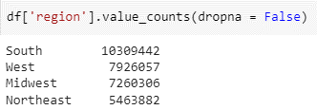
 |  |  | hours).

 |  |  | if the hour is within
 |  |  | the list of average
 |  |  | hours, then "Average Orders".
 |  |  | ( 20, 7, 21, 22, 23
 |  |  | are the hours with
 |  |  | average number of orders).

 |  |  | if the hour is within
 |  |  | the list of slowest
 |  |  | hours, then "Fewest
 |  |  | Orders".

orders_products_ | max_order | user_id, order_number | This column returned
merged |  |  | the maximum
 |  |  | number of orders
 |  |  | placed by each
 |  |  | customer id.

orders_products_ | loyalty_flag | max_order | if max_order > 40
merged |  |  | then "Loyal customer".

 |  |  | if max_order between
 |  |  | 10 and 40 then
 |  |  | "Regular customer".

 |  |  | if max_order <= 10
 |  |  | then "New customer".

 | mean_price | uder_id, prices | This column returned
 |  |  | the average price
 |  |  | paid by each customer
 |  |  | id

orders_products_ | spending_flag | mean_price | if mean_price < 10
merged |  |  | then 'Low Spender'.

 |  |  | if mean_price >= 10
 |  |  | then 'High Spender'.

orders_products_ | region | State | if state falls within
merged_without_ |  |  | the list of Northeastern
_outliers |  |  | regions, then
 |  |  | "Northeast".

 |  |  | if state falls within
 |  |  | the list of Midwestern
 |  |  | regions, then
 |  |  | "Midwest".

 |  |  | if state falls within
 |  |  | the list of Southern
 |  |  | regions, then
 |  |  | "South".

 |  |  | if state falls within
 |  |  | the list of Western
 |  |  | regions, then
 |  |  | "West".

orders_products_ | customer_profile | Age, income, department_id, | If family status = single
merged_without_ |  | number_of_dependants, | and age >= 18
_outliers_and_with_ |  | family status | then "Single adult".
_customers_with_
_more_than_or_ |  |  | If number_of_dependants = 1
equal_to_5_orders |  |  | and income < 100000
 |  |  | then "low-income
 |  |  | small family".

 |  |  | If number_of_dependants = 2
 |  |  | and income < 100000
 |  |  | then "low-income
 |  |  | medium family".

 |  |  | If number_of_dependants > 2
 |  |  | and income < 100000
 |  |  | then "low-income
 |  |  | large family".

 |  |  | If number_of_dependants = 1
 |  |  | and income >= 100000
 |  |  | then "high-income
 |  |  | small family".

 |  |  | If number_of_dependants = 2
 |  |  | and income >= 100000
 |  |  | then "high-income
 |  |  | medium family".

 |  |  | If number_of_dependants > 2
 |  |  | and income >= 100000
 |  |  | then "high-income
 |  |  | large family".

 |  |  | If number_of_dependants > 0
 |  |  | and age < 28
 |  |  | and department_id = 18
 |  |  | then "young parent".

 |  |  | If number_of_dependants > 0
 |  |  | and age >= 28
 |  |  | and department_id = 18
 |  |  | then "babies at home".

 |  |  | If department_id = 8
 |  |  | then "pet owner".

 |  |  | The rest of the customers
 |  |  | are labeled as "other".

6. Visualizations
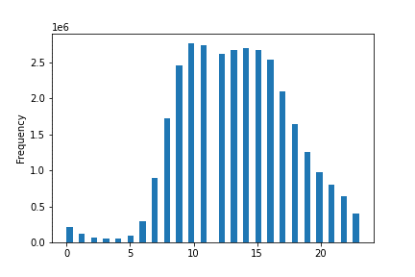
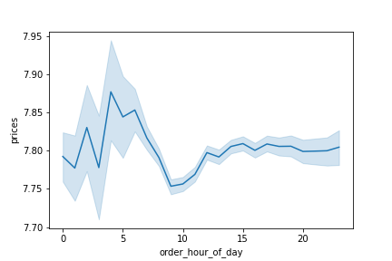
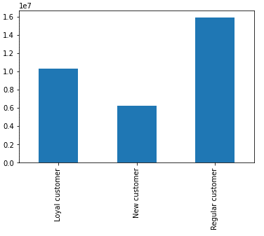
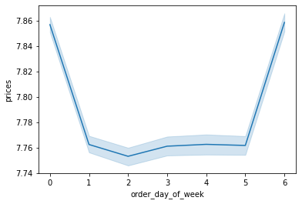
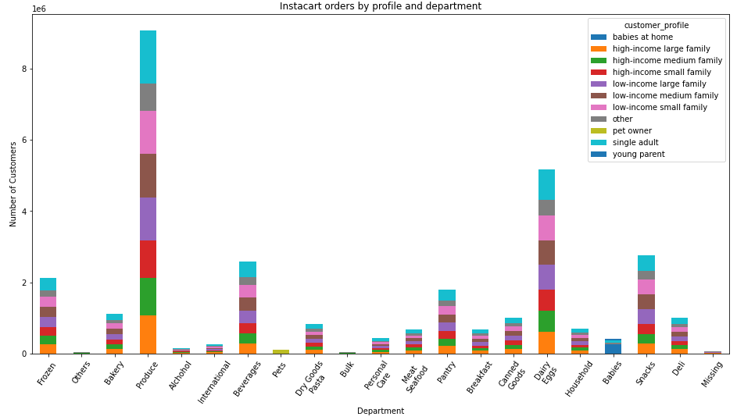
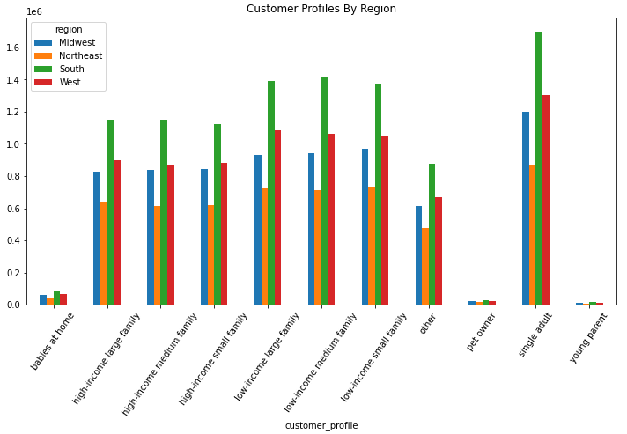
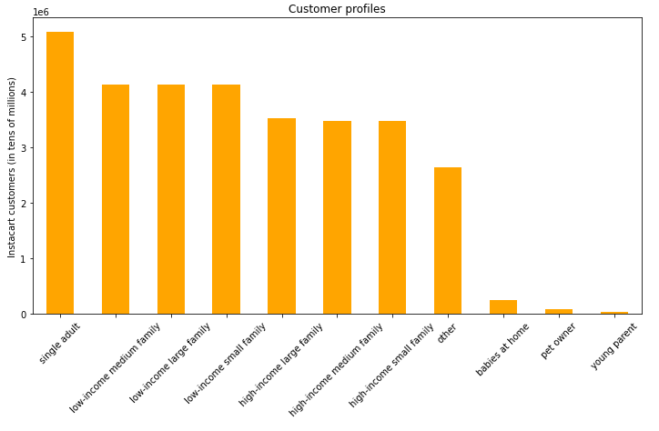
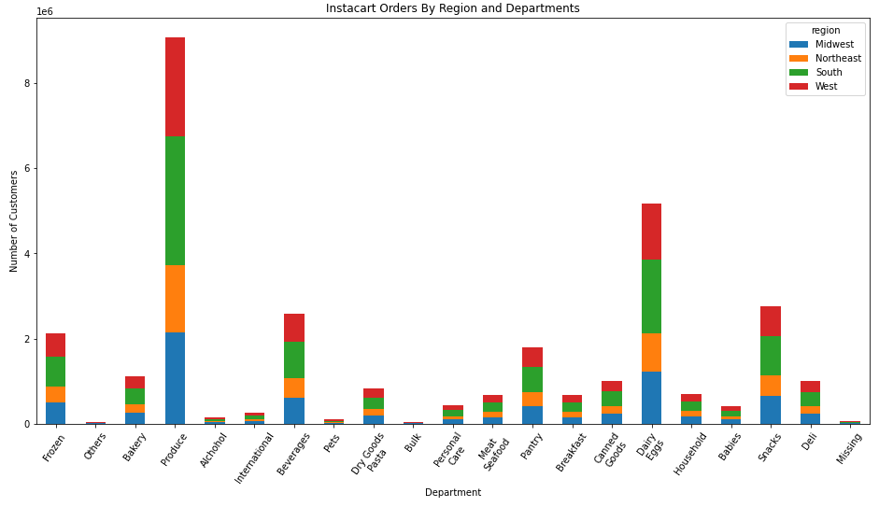
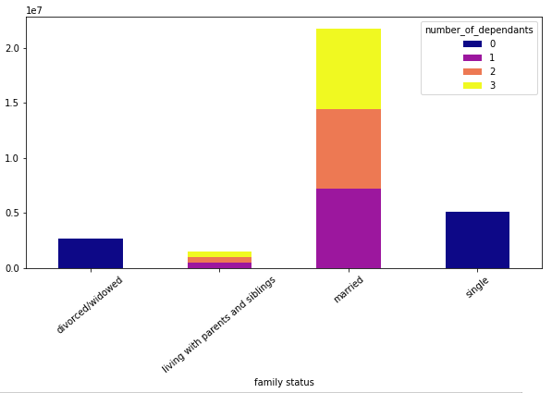
Title page

Visualisations

In this tab you should include all the visualtions from Exercises 4.9 and 4.10, alongside the questions from the project brief that they answer. Include any commentary on the relationship between different variables.
(1) What are the busiest days of the week and hours of the day ? (2) Are there particular times of the day when people spend the most money? 3)What’s the distribution among users in regards to their brand loyalty (i.e., how often do they return to Instacart)?
(5) Are there differences in ordering habits based on a customer’s region? (6) What different classifications does the demographic information suggest? Age? Income? Certain types of goods? Family status? (8)What differences can you find in ordering habits of different customer profiles? Consider the price of orders, the frequency of orders, the products customers are ordering, and anything else you can think of.

7. Recommendations
 | Title page

Recommendations

In this tab you should include any recommendations you would made to Instcart in terms of their marketing strategy based on the questions posed in the brief. Every key question has been covered in the Tasks of the Exercises - here you need to add an item - a visualisation or table/crosstable that is showing the answer in the data, acompanied by a comment from you. Please, list the questions below and add the answer underneath.

Question |  | Answer
(1) What are the busiest days of the week and hours of the day ? |  | Friday and Saturday
 |  | Recommendation: Most of the offers and ads for new orders
 |  | should be launched on these days.

(2) Are there particular times of the day when people spend the most money? |  | Before 5 a.m.

(3)What’s the distribution among users in regards to their brand loyalty (i.e., how often do they return to Instacart)? |  | Most customers reorder within 7 days.

(4) Are there differences in ordering habits based on a customer’s region? |  | Customers in Southern region place the most orders.
 |  | Recommendations: The frequency and number of orders are highest for Southerners probably for
 |  | the fact that the South incorporates the maximum number of states.

(5) What different classifications does the demographic information suggest? Age? Income? Certain types of goods? Family status? |  | The dempgraphic information suggest that single adults place the highest order on instacart.
 |  | Recommendations: Products such as alchohol, eggs, soda and self-care which are mostly
 |  | popular among singles, should be targeted for singles.

