Sheet3
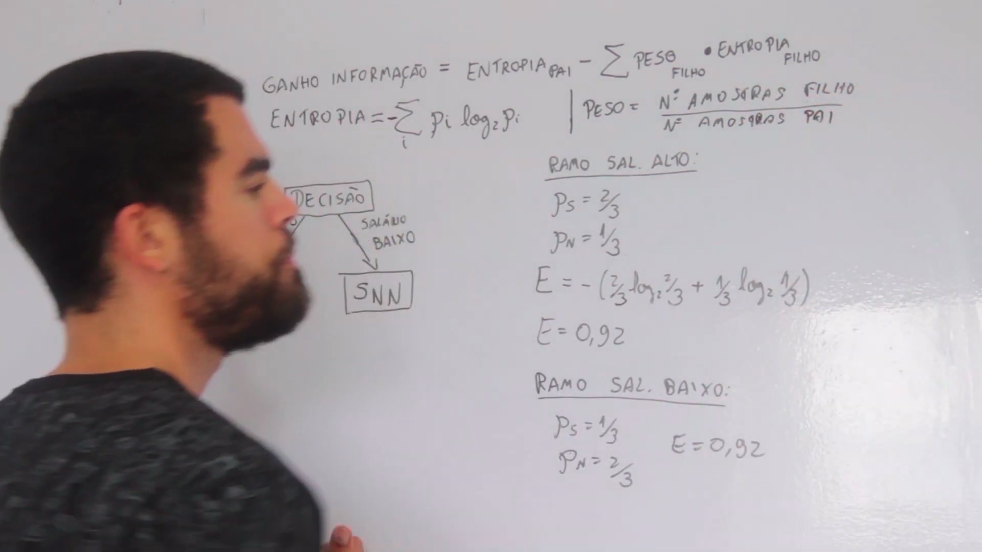

Sheet2
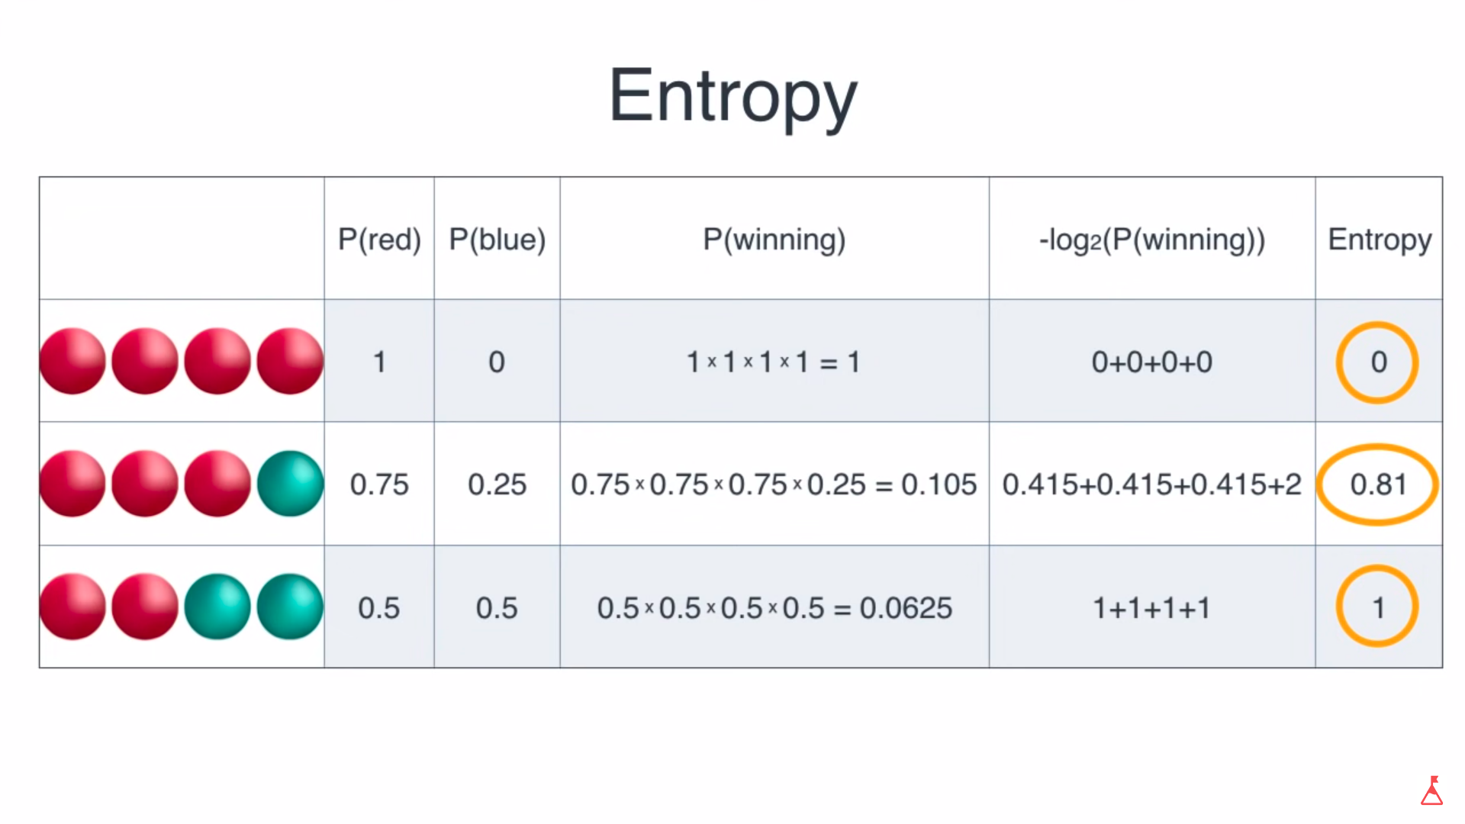

https://www.youtube.com/watch?v=9r7FIXEAGvs

