Naive Bayes
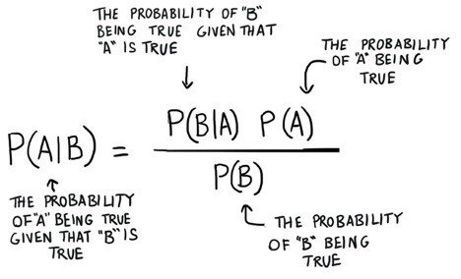
AGE | INCOME | STUDENT | CREDIT | BUY COMPUTER
Youth | High | No | Fair | No
Youth | High | No | Excellent | No
Middle Age | High | No | Fair | Yes
Senior | Medium | No | Fair | Yes
Senior | Low | Yes | Fair | Yes
Senior | Low | Yes | Excellent | No
Middle Age | Low | Yes | Excellent | Yes
Youth | Medium | No | Fair | No
Youth | Low | Yes | Fair | Yes
Senior | Medium | Yes | Fair | Yes
Youth | Medium | Yes | Excellent | Yes
Middle Age | Medium | No | Excellent | Yes
Middle Age | High | Yes | Fair | Yes
Senior | Medium | No | Excellent | No |  | Here B is the evidence and A is the hypothesis.
Total | 14 | 14 | 14 | 14 |  | Here P(A) is known as prior, P(A/B) is posterior, and P(B/A) is the likelihood.

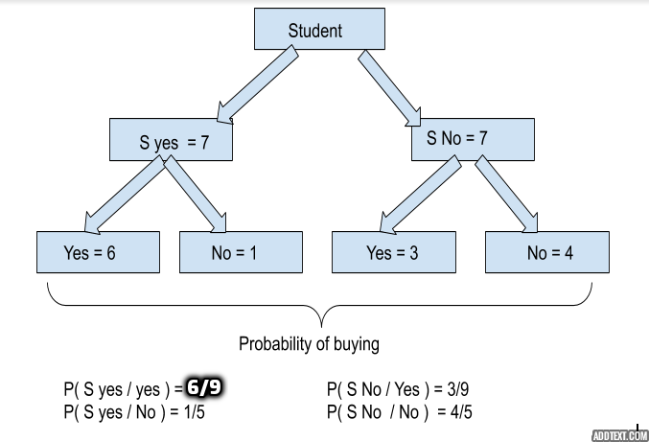
Buy a Computer (A) | Total
Yes | 9
No | 5

Age (B) | Total |  |  | Probability of Buying under Age P(B|A) | Total
Youth | 5 |  |  | P(Youth|Yes) | 2 | 2023-02-09
Middle Age | 4 |  |  | P(Youth|No) | 3 | 2023-03-05
Senior | 5 |  |  | P(Middle Age|Yes) | 4 | 2023-04-09
 |  |  |  | P(Middle Age|No) | 0 | 0/5
 |  |  |  | P(Senior|Yes) | 3 | 2023-03-09
 |  |  |  | P(Senior|No) | 2 | 2023-02-05

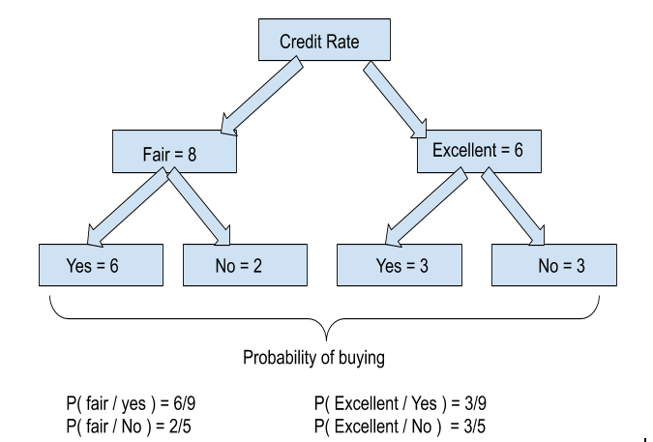
Income (B) | Total |  |  | Probability of Buying under Income P(B|A) | Total
High | 4 |  |  | P(High|Yes) | 2 | 2023-02-09
Low | 4 |  |  | P(High|No) | 2 | 2023-02-05
Medium | 6 |  |  | P(Medium|Yes) | 4 | 2023-04-09
 |  |  |  | P(Medium|No) | 2 | 2023-02-05
 |  |  |  | P(Low|Yes) | 3 | 2023-03-09
 |  |  |  | P(Low|No) | 1 | 2023-01-05

Student (B) | Total |  |  | Probability of Buying under Student P(B|A) | Total
Yes | 7 |  |  | P(Stud. Yes|Yes) | 6 | 2023-06-09
No | 7 |  |  | P(Stud. Yes|No) | 1 | 2023-01-05
 |  |  |  | P(Stud. No|Yes) | 3 | 2023-03-09
 |  |  |  | P(Stud. No|No) | 4 | 2023-04-05
Credit Rate (B) | Total
Fair | 8 |  |  | Probability of Buying under Credit Rating P(B|A) | Total
Excellent | 6 |  |  | P(Fair|Yes) | 6 | 2023-06-09
 |  |  |  | P(Fair|No) | 2 | 2023-02-05
 |  |  |  | P(Excellent|Yes) | 3 | 2023-03-09
 |  |  |  | P(Excellent|No) | 3 | 2023-03-05

If B = ( Youth, Medium, Student, Fair), then:
P(Yes) * P(B / Yes )
P(Yes) * P(Youth|Yes) * P(Medium|Yes) * P(Stud. Yes|Yes) * P(Fair|Yes)
(9/14) * (2/9 * 4/9 * 6/9 *6/9) | 0.02821869489 |  |  |  |  |  | https://aihubprojects.com/naive-bayes-algorithm-from-scratch/

P(No) * P(B / No )
P(No) * P(Youth|No) * P(Medium|No) * P(Stud. Yes|No) * P(Fair|No)
(5/14) * (3/5 * 2/5 * 1/5 * 2/5) | 0.006857142857

P(B) = P (Youth) * P( Mid) * P(Student Yes) * P( Fair)
5/14 * 6/14 * 7/14 * 8/14 | 0.04373177843

P(Yes / B) = P(Yes) * P(B / Yes ) / P(B)
((9/14) * (2/9 * 4/9 * 6/9 *6/9) ) / (5/14 * 6/14 * 7/14 * 8/14) | 0.6452674897

P(No / B) = P(No) * P(B / No ) / P(B)
((5/14) * (3/5 * 2/5 * 1/5 * 2/5)) / (5/14 * 6/14 * 7/14 * 8/14) | 0.1568

