Instructions
JOURNAL ENTRY SAMPLE TEMPLATE 1 — COMPLEX ENTITY |  | (11-21)

Journal Entry Testing — Journal Entry Testing Template — Cortex JE

 | HOW TO USE THIS WORKBOOK
 | Introduction This workbook is designed to assist engagement teams in documenting the procedures performed to address the risk of management override of controls by testing journal entries in accordance with the Journal entry testing to address the risk of management override of controls guide ("JE Testing Guide"). This workbook is to be used throughout the audit to support the engagement team's entity and fraud risk assessment through understanding of the financial reporting process and engagement-specific design and performance of journal entry testing.
 | Note: This template is only to be used by engagement teams using Cortex JE for their journal entry testing. If the engagement team is not using Cortex JE, consider using the Journal Entry Testing Template — Spotlight template or the Journal Entry Testing Template — Combination Approach template, as applicable.
Planning
 | Steps within this workbook:

 | Tab 1. Understanding the Financial Reporting Process (FRP) and Controls Over Journal Entries
 | Step 1: Obtain an Understanding of the FRP and Controls over Journal Entries to Inform the Design of Journal Entry Testing
 | Step 2: The Effectiveness of Controls Over Journal Entries and Its Impact on the Scope of Journal Entry Testing for Management Override of Controls

 | Tab 2. Inquiries of FRP Personnel
 | Step 3: Inquiries of Entity Personnel Involved in the FRP

 | Tab 3. Top-Down Journal Entry Testing Scoping Considerations
 | Step 4: Auditor's Assessment of Fraud Risks
 | Step 5: Incorporating Unpredictability
 | Step 6: Consideration of Components in Journal Entry Testing

 | Tab 4. Design of Journal Entry Testing Approach
 | Step 7: Excluding Accounts from Journal Entry Testing
 | Step 8: Determine Whether to Test Journal Entries Recorded Throughout the Period or Only Test Those Recorded at the End of the Reporting Period
 | Step 9: Summary of Audit Documentation When Using Cortex JE
Perform and Evaluate

 | Tab 5. Documentation of Certain Judgments Related to Journal Entry Tests
 | Step 10: Certain Judgments Supporting Cortex JE Tests [Supplementing Documentation Included in the Cortex JE Deliverable]

 | Tab 6. Testing Journal Entries Flagged and Identified For Further Evaluation
 | Step 11: Testing of Journal Entries Flagged and Identified for Further Evaluation

 | Note: In scenarios where activities within the journal entry testing process are performed multiple times or documentation will reside in different audit files (e.g., interim versus final testing, group versus component auditor), the engagement team is to create separate instances of the relevant tab(s).

6. Testing of Entries
Testing Journal Entries Flagged and Identified for Further Evaluation

Step 11: | Testing of Journal Entries Flagged and Identified for Further Evaluation
This section is used to document the testing of the appropriateness of journal entries identified for further evaluation to address the risk of management override of controls. Engagement teams are to exercise professional judgment in determining the nature and extent of procedures necessary to obtain sufficient appropriate audit evidence to enable a determination as to whether an entry identified for further evaluation was appropriately recorded. Note: All journal entries that were flagged by at least one test are evaluated in the Cortex JE Deliverable. Documentation for entries flagged but not identified for further evaluation is included in the "Cortex JE Deliverable — Entries Evaluated within Cortex JE" tab.

Cortex JE Deliverable —
Entries for Further Evaluation
Evidence
Understanding of Entry and Evaluation of Evidence
Conclusion

NOTE: The documentation within this tab only includes two entries. This is not intended to be a complete list of entries identified for further evaluation. Rather, it is a snapshot to illustrate potential documentation for individual entries. The number of entries further evaluated is determined based on the facts and circumstances of each engagement.
 | Cortex JE Deliverable — Entries for Further Evaluation |  |  |  |  |  |  |  |  |  |  |  |  |  |  |  |  | Evidence |  | Understanding of Entry and Evaluation of Evidence |  |  |  |  | Conclusion
 | Grouping Level | Type of Entry | No. of Lines | Journal Entry Number | Journal Entry / Line Description | Account Number | Account Name | Debit | Credit | User ID | Approver ID | Period | Date that User Input Entry | Effective Date of Entry | Location | No. of Tests that Flag the Entry | Tests (TXX) in which the Entry / Line Appears | Underlying Support Examined | Inquiry Performed (If Applicable) | Business Rationale for Journal Entry | Does the Entry Impact a KPI? | Does the Underlying Support Appear Authentic? | Considering Other Audit Procedures and Evidence Obtained, Is the Team Aware of Inconsistencies or Contradictory Evidence? | Is There a Level of Subjectivity Involved in Determining the Amounts in the Journal Entry? | Evaluation of Audit Evidence Given the Fraud Characteristic(s) Identified | Conclusion
 | 1 | N | 2 | 9200252005-12/31/202X | Correction of GL Account |  |  | 725,000 | 725,000 | 0USER3 |  | 12 | 5 Jan 20X2 | 31 Dec 20X1 | CHICAGO | 1 | T04, T06 | Journal entry description Original credit entry to "Revenue- Sales" - 9200251950 Job order - 00351 | Yes - Kelly Thomas, Staff Accountant (0USER3), who posted the entry, and Kaitlyn Amos, Accounting Manager, who identified the misclassification. | The entity's month-end control process detected a misclassified revenue transaction, so this correcting entry was recorded to reclassify revenue to the appropriate revenue type/account. | Yes - The entry impacted the Revenue KPI; however, since it was a misclassification, the net impact on the financial statement line is 0. | Yes | No | No | The entry exhibited two characteristics of fraudulent entries (Debits to Revenue and Closing Entries). As this was a correcting entry resulting from the detection of a misclassified revenue transaction during the month-end closing process, the timing of the entry and debit to revenue is not indicative of management override. Further, through our review of the original entry and the underlying Job Order, we verified it should have been booked to Revenue Service. Based on the evidence obtained, we concluded the entry has a valid business rationale and is not indicative of management override. | Appropriate - No indicators of management override identified
 | 1 | N | 1 | 9200252005-12/31/202X |  | 52500 | Revenue- Sales | 725,000 |  | 0USER3 | Approver5 | 12 | 5 Jan 20X2 | 31 Dec 20X1 | CHICAGO | 1
 | 2 | N | 1 | 9200252005-12/31/202X |  | 51430 | Revenue- Service |  | 725,000 | 0USER3 | Approver5 | 12 | 5 Jan 20X2 | 31 Dec 20X1 | CHICAGO | 1
 | 2 | N | 2 | 9200253005-12/31/202X | Debt Principal Payment |  |  | 3,592,085 | 3,592,085 | 0USER3 |  | 12 | 11 Jan 20X2 | 31 Dec 20X1 | OTTAWA | 1 | T06 | Journal entry description Email correspondence describing intention of Chicago to make payment on behalf of Ottawa Corresponding entry on Chicago ledger (#9200253004) January bank statement for payment Debt confirmation | Yes - Kelly Thomas, Staff Accountant (0USER3) | The entry represents the Ottawa subsidiary's recording of intercompany debt owed to the parent when the parent made a debt payment on behalf of the subsidiary. The parent made this payment given the respective funding levels maintained by the parent and subsidiary at the time, as described in the email exchange dated 3 Dec 20X2. | No | Yes | No | No | The entry exhibited one characteristic of fraudulent entries (Closing Entries). While the payment was made during December and recorded on the Chicago (parent) general ledger at that time, the corresponding entry on Ottawa's general ledger was made during the close period when the intercompany balances are typically examined and trued up as needed. We obtained evidence of the corresponding debt payment entry disbursed and recorded by the parent on 3 Dec 20X2 to establish intercompany debt owed by Ottawa. Given this, the Ottawa entry being recorded during the closing period is reasonable and not indicative of management override. In addition, we tested debt, including debt payments, during our substantive testing (see working paper series XXXX). As part of that testing, this specific transaction was selected and found to be recorded appropriately. There was no indication of fraud based on our review of the third-party confirmation and underlying bank statement reflecting the payment. Based on the evidence obtained, we concluded the entry has a valid business rationale and is not indicative of management override. | Appropriate - No indicators of management override identified
 | 1 | N | 1 | 9200253005-12/31/202X |  | 34100 | Mortgage Debt | 3,592,085 |  | 0USER3 | Approver7 | 12 | 11 Jan 20X2 | 31 Dec 20X1 | OTTAWA | 1
 | 2 | N | 1 | 9200253005-12/31/202X |  | 34102 | Intercompany |  | 3,592,085 | 0USER3 | Approver7 | 12 | 11 Jan 20X2 | 31 Dec 20X1 | OTTAWA | 1

NOTE
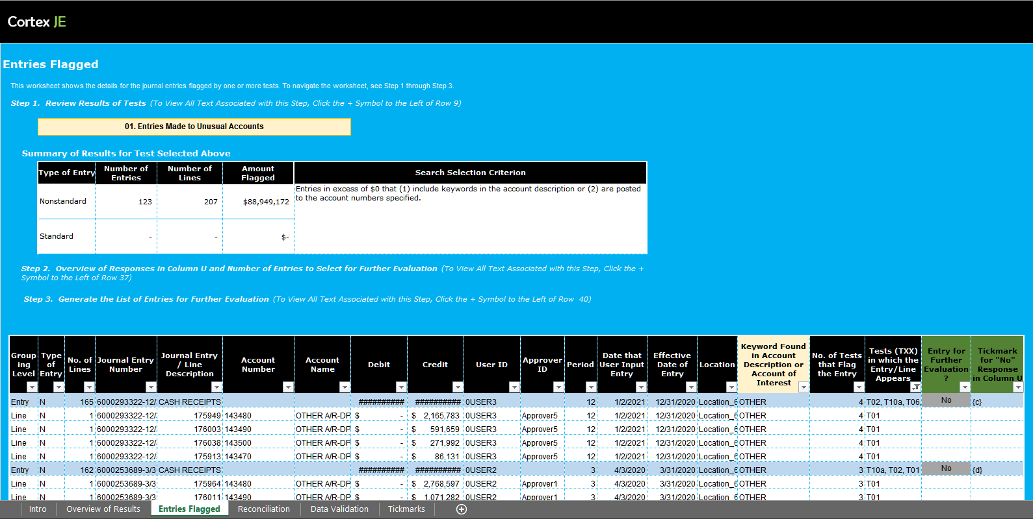
The Management Override of Controls Guide explains the following. Regardless of the approach used to identify entries for evaluation of management override of controls (electronic, manual, electronic/manual), an engagement team may be able to determine that an entry does not need to be further evaluated by reading and considering the details of the entry (e.g., the date recorded, accounts affected, preparer, reviewer, journal entry description) and the nature and number of characteristics of fraudulent entry (e.g., entry posted to an unusual account) that the journal entry exhibits. Determining whether reading the details of the journal entry is sufficient to conclude that the entry does not need to be further evaluated requires a great deal of professional judgment. This Deloitte Way Workflow Journal Entry Testing Template does not provide a tab to document the entries that are identified but do not need to be further evaluated. It is expected that engagement teams will prepare separate documentation of this evaluation by using the Cortex JE Excel Deliverable (see example image below). Example documentation for entries that are identified but do not need to be further evaluated can be found within Appendix D of the Management Override of Controls Guide.

