2. Guidance
Guidance |  |  |  | Archived
The Engagement Team should complete the following steps to determine the appropriate Working Papers (WPs) to be uploaded from the EMS engagement file to Deloitte Omnia. Note that this workbook should be utilized regardless of whether the RADC team is planned to assist with WP transition. |  |  |  | In Progress

Please also refer to the "Moving EMS Working Papers QRG" along with the below steps

1. Export list of all WPs from EMS file into an excel file
a. In EMS, search for and identify the appropriate engagement file
b. Select the engagement in the search results
c. Click on the 'Size' tab
d. Click 'Calculate'
e. Click on the link that appears: 'View working paper size report (working papers on your laptop only)' and save excel file
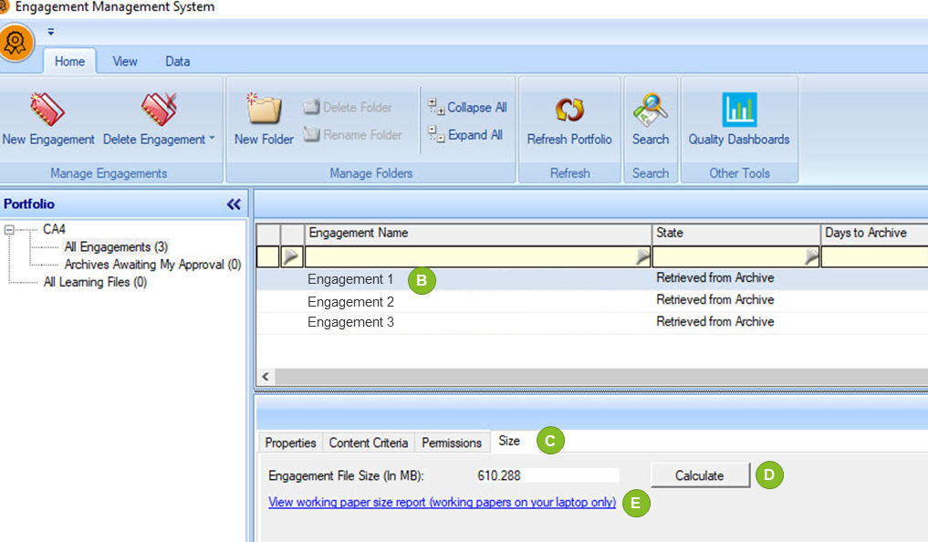

2. Open the excel file from Step #1 and copy data into columns A to F on the <Input> tab, by adding the following additional columns, as shown on the <Example> tab |  |  | <DataSheet>
Some files Type are not permitted in Omnia, these working papers should NOT be moved to Omnia - Please review the Deloitte Omnia Technical FAQs for the list of file Types not permitted, as well as Tab 7 for the forms to be transitioned to Omnia.

The following columns should be completed on the <Input> tab:
a. Should document be moved to Omnia [Yes/No]
a.1. For Forms and templates, please refer to the Guidance at tab <7. Forms and Templates>
b. Which Omnia workspace should document be moved to?
b.1. If the document is determined not to be moved to Omnia at step 2a, insert "N/A" or leave blank for the "Omnia workspace"
b.2. If the engagement is a group Audit, make sure to answer and submit the "ENG-001 Engagement profile questions" to have the Group audit
workspace created before submitting this WP transition planning template to the RADC
b.3. You can only move documents to workspaces included in the Live Index. As such, you can't move documents to the following Omnia Workspaces:
 | Omnia Area | Omnia Workspace
 | Setup | Engagement File Structure
 |  | Trial Balance Library
 |  | Account Setup
 |  | Identification of Significant Accounts
 |  | Scoping & Testing Strategy
 | Summaries | Account Workspace Summary
 |  | Risk Library
 |  | Business Processes Library
 |  | IT Elements Library
 |  | Substantive Procedure Library
 |  | Information Library
 | These above workspaces should not be used in tab 3

Note: Based on the EMS subphase reference in column A, this column will prepopulate with a suggested Omnia workspace(s). The engagement team is still required to review and confirm that this is where they would like the working paper to be moved to.

3. Populate and review the columns completed in steps 2a and 2b
The workspace that each WP should be associated within Omnia
WPs that should not be moved to Omnia, using the Structured v. Non-Structured Documents QRG as reference
Identify privileged documents so that a password of "Magnia2025" can be added by the RADC. See |  |  | Privileged Documents Quick Reference Card
Note: If more than 1000 workpapers are copied into the <Input> tab, the formulas can be copied down for columns G, I and J.

4. If the RADC transition team will assisting with WP transition, then the Accelerator/Engagement Manager/Partner should review and agree on which WPs to move prior to the RADC starting the upload process

5. If the engagement team chooses to transfer the working paper themselves, follow the steps below:
1) Ensure that you are logged into your VPN
2) Within your Omnia file, select "Engagement Profile & Setup" from the Live Index
3) Select the task, "Import documents and templates"
4) In the EMS Transition area, select "Import from EMS"
5) Search for and select your Archive or In progress engagement file
6) Select the working papers you would like to transport
7) Check "Merge working paper reference and name during transition", then select "Send to Omnia" in the top-right corner

