DASHBOARD
Sales & Profit Dashboard | Total Sales | Total Profit | Total Quantity
 | ₹453,740,938 | ₹32,155,759 | 82,573

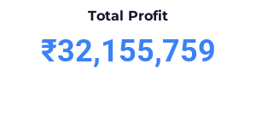
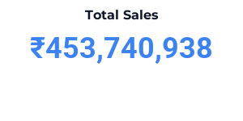
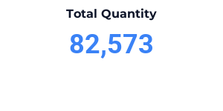

Profit by Region
Sales Amount by Customer Type
SUM of Sales Amount (INR) vs. Date - Month

SUM of Profit (INR) vs. Category

Sales Amount by State
SUM of Sales Amount (INR) vs. Category

Profit Margin % by Category

Quantity by Category

Top 10 Product vs Sales

Annual Sales Trend
Sales vs. Profit (Top 10 Products)

Profit by Category
SUM of Profit (INR) vs. Category
Category vs. SUM of Profit (INR)

Sales by Product
TOP 10 SKU

Top 10 Product vs Sales

Sales by Month
SUM of Sales Amount (INR) vs. Date - Month
SUM of Sales Amount (INR) vs. Month
Date - Month | SUM of Sales Amount (INR)
Jan | 224866655
Feb | 22680369
Mar | 19059801
Apr | 17085465
May | 15437546
Jun | 15650100
Jul | 16331845
Aug | 17315438
Sep | 15789005
Oct | 57044859
Nov | 15364050
Dec | 17115805
Grand Total | 453740938

Sales by Category
SUM of Sales Amount (INR) vs. Category
Category | SUM of Sales Amount (INR)
Clothing | 53893690
Electronics | 211561762
Furniture | 133659253
Groceries | 54626233
Grand Total | 453740938

Sales by Customer Type
Sales Amount by Customer Type

Sales by State
Sales Amount by State

Profit by Region
Profit by Region

Quantity by Category
Quantity by Category

