dashboard
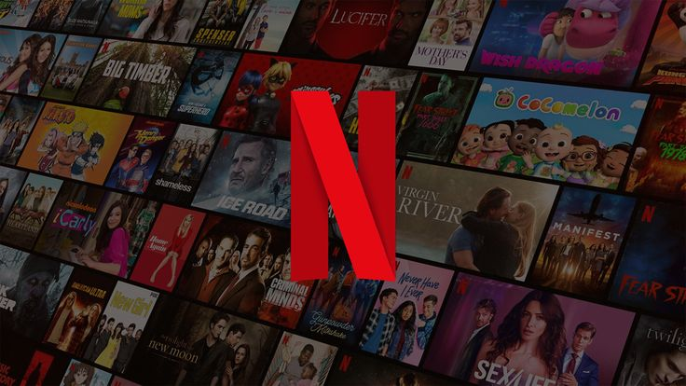
Satisfaction score
 | Total
2 | 5
3 | 70
4 | 61
5 | 75
Max of Satisfaction_Score 5
Max of Tenure_Months 48

subscription plan
 | Total
Basic | 77
Premium | 55
Standard | 79
 | Total
2 | 5
3 | 70
4 | 61
5 | 75

Year wise Subscription
 | Total
2022 | 42
2023 | 67
2024 | 59
2025 | 43

Preferred genre
 | Total
Action | 25
Anime | 24
Comedy | 24
Crime | 21
Documentary | 27
Drama | 28
Romance | 18
Sci-Fi | 22
Thriller | 22

Age group
 | Total
Genz viewer | 40
Mature viewer | 47
mid career adult | 62
senior viewer | 3
Young Professionals | 59

Viewer type
 | Total
Binge watcher | 49
Casual Viewer | 3
Engaged Viewer | 76
Regular Viewer | 83

S

insights
Report - Netflix sales:
Key Insights From Your Netflix Dashboard
1. Viewer Engagement Insight
Your Viewer Type chart shows:
Viewer Type Customers
Regular Viewer 83
Engaged Viewer 76
Binge Watcher 49
Casual Viewer 3
Insight
Regular viewers are the largest user segment.
Very few casual viewers, meaning most users watch Netflix frequently.
Strong engagement overall.
Most users fall into the Regular or Engaged viewer category, indicating high platform engagement.
2. Content Preference Insight
Your Preferred Genre chart shows approximately:
Genre Count
Drama 28
Documentary 27
Action 25
Anime 24
Comedy 24
Sci-Fi 22
Thriller 22
Crime 21
Romance 18
Insight
Drama and Documentary are the most preferred genres.
Romance has the lowest audience share.
Drama and Documentary dominate viewer preferences, suggesting strong interest in storytelling and real-world content.
3. Age Group Insight
Your Age Group pie chart shows:
Age GroupShare
Mid-career adults 29%
Young Professionals 28%
Mature viewers 22%
Gen Z viewers 19%
Senior viewers 2%
Insight
Netflix users are mostly working professionals (25-45 age group).
Senior viewers represent a very small percentage.
4. Subscription Plan Insight
Your chart shows approximately:
Plan Users
Standard 79
Basic 77
Premium 55
Insight
Standard plan is the most popular.
Premium has fewer users, likely due to higher price.
5. Satisfaction Score Insight
From the satisfaction chart:
Scores roughly show:
Score Count
5 75
4 61
3 70
2 5
Insight
Majority of users have high satisfaction scores (4–5).
Very few dissatisfied users.
6.Yearly Subscription Trend
Your chart shows:
Year Subscribers
2022 42
2023 67
2024 59
2025 43
Insight
Peak subscriptions occurred in 2023.
Slight decline afterward.
Overall insights:
1. Regular viewers dominate the platform, indicating strong user engagement. 2. Drama and Documentary are the most preferred genres among subscribers. 3. Mid-career professionals and young professionals make up over 50% of users. 4. Standard subscription plan has the highest adoption. 5. Customer satisfaction is very high, with most ratings between 4–5.
business recommendation:
Increasing Premium plan adoption through bundled offers or exclusive content could significantly boost revenue.

S

