Sheet1
All about | Major functions | Symptoms | Root Causes | 🔒 Row ID
Kidney(Creatinine) | The kidneys filter the blood to remove waste products and excess substances.. | 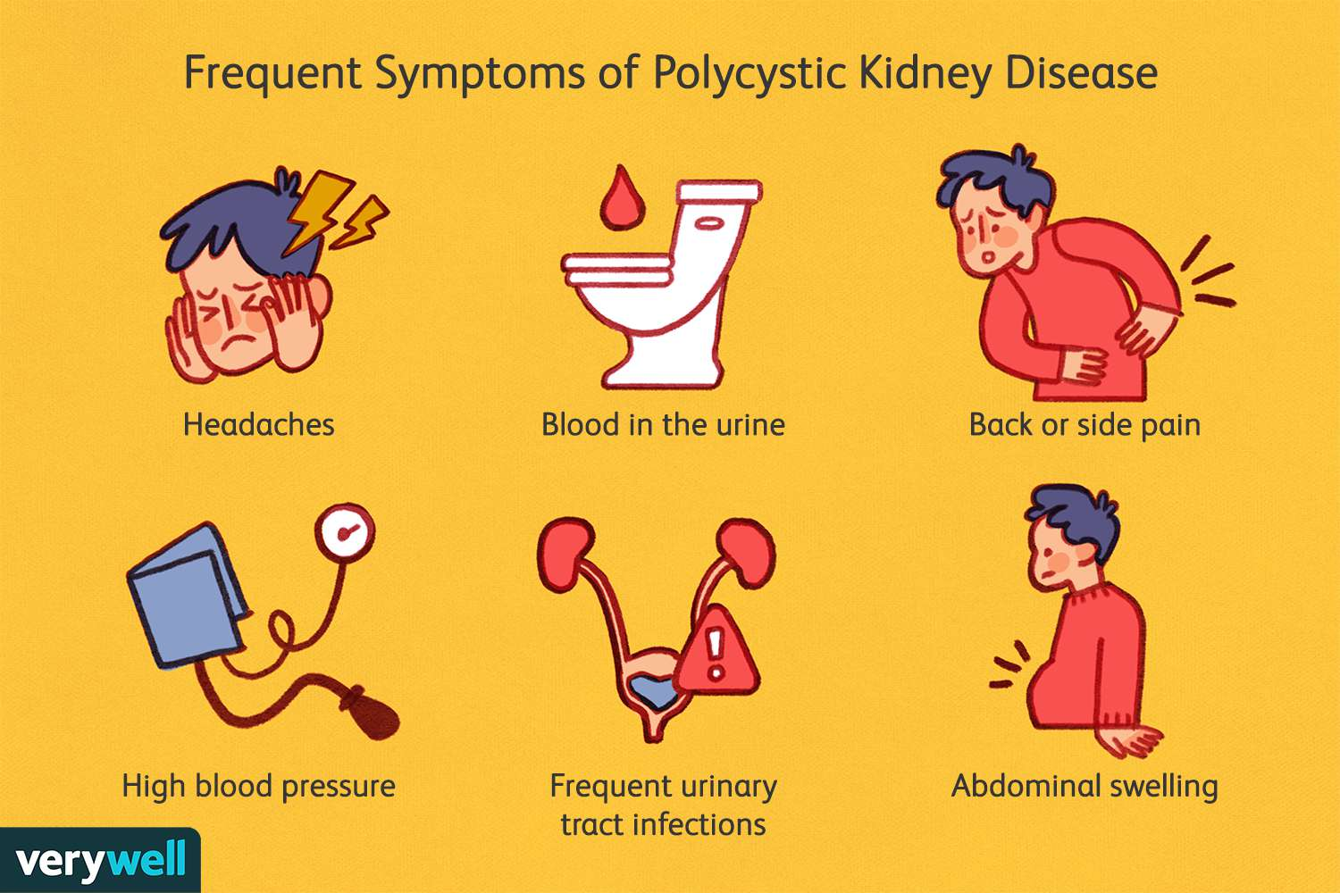 | High blood pressure puts additional burden on the kidneys. | NJ62BiLaQx2VH5PnZFOiEw
 | The kidneys maintain the body's water balance by adjusting the amount of water reabsorbed or excreted. |  | Diabetes can lead to kidney damage due to high blood sugar. | nngqGL7EQyy1JR-QwdHJAg
 | The kidneys eliminate waste and toxins from the body through urine production. |  | Polycystic kidney disease can cause kidney damage and eventual failure. | YLWMhhswRoqsv7.-l9wlzQ
 | The kidneys produce hormones, such as erythropoietin, which regulates red blood cell production and helps maintain blood pressure. |  |  | wfro6dCzTH2GWqQnQuMc8g
 |  |  |  | Tsd7PsecTU6aMx68xipt6Q
 |  |  |  | LvPDAxa6QoCoXLR87Dgypg
Vitamin B12 | Vital for nervous system, myelin production, cognition, memory, brain health. | 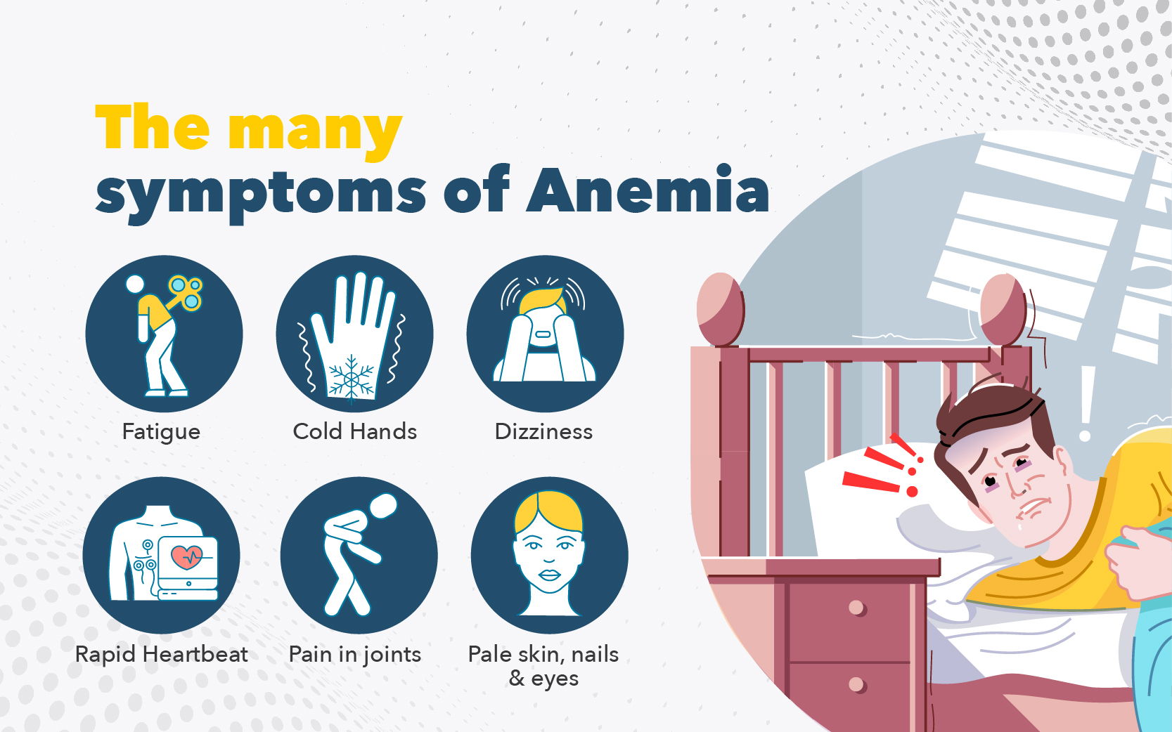 | Medical conditions(anemia, gastrointestinal disorders, surgery) | NX4tGpcfRamBHz8EvNBukw
 | Crucial for nucleotide production, cell division, and growth of healthy cells. |  | Common in strict vegetarians or vegans lacking animal-derived sources. | 12m.2PnsTlKXbKLFsmI4Ug
 | Cofactor in methylation for gene regulation, protein synthesis, detoxification. |  | Medications and treatments (e.g., PPIs, metformin, weight loss surgeries). | GZmP0VxCTGi2L7vIL3UpMA
 | Essential for red blood cells, DNA synthesis, anemia prevention. |  |  | 7OvrOKdZQYGjpruxkIujpQ
 |  |  |  | 31wYmvotRvyRiCxXi5NRug

Lipid(Cholesterol) | Precursor of Vitamins and hormones | 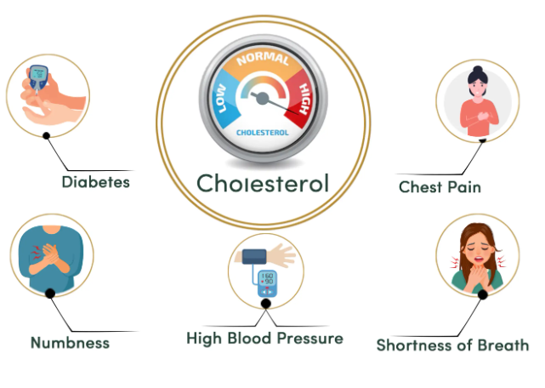 | A diet heavy in saturated and trans fats, cholesterol, and processed foods can all lead to elevated cholesterol. | 4ySrlIMlS4atE6kQKulPhQ
 | prolong the digestion by slowing down the secretion of stomach acid |  | Cholesterol levels can be reduced by an overactive thyroid gland. | oQfavsJlTQagms7fk37huQ
 | Cholesterol maintains cell membrane stability and fluidity. |  | Inherited factors can make some individuals more prone to high cholesterol. | 7dx38yRWTCi8wYF.6JBSmw
 | Transports and stores metabolic fuels |  |  | m7emxah3THCsFkpj-61vBw
 |  |  |  | IJiAoymeRzyLixXWUKKV7Q

Diabetes(HBA1C) | Provide energy to all the cell for their smooth functioning. | 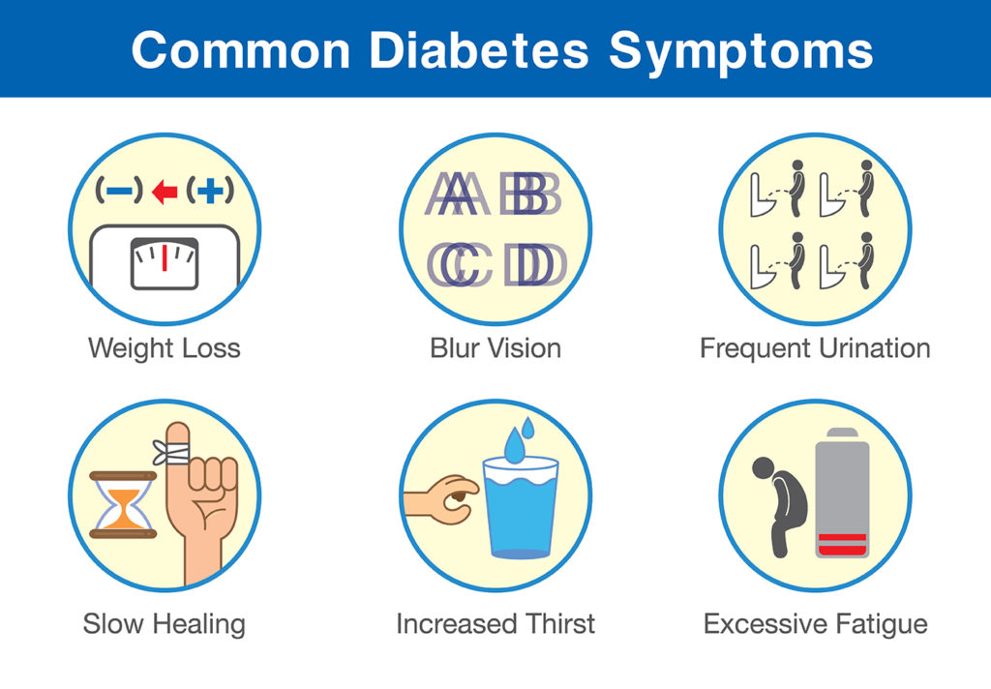 | Family history and genetics may increase diabetes risk, but not guaranteed. | H7OhIcl1Q0GFO0bLaNektQ
 | Excess blood sugar will produce excess insulin, ofsetting pancreas and will eventually lead to insulin resistance |  | Unhealthy habits like poor diet, inactivity, obesity, and stress increase diabetes risk. | 8HeZB3MoThyQKE--vxyx-Q
 | Excess blood sugar will glycate all your organs leading them to perform suboptimal, ending up in multiple organ failure. |  | Diabetes risk rises with age, especially after reaching 45 years old. | xTi7HaisRd6SNC4xQPNMmQ
 | Releases insulin and glucagon into the bloodstream to regulate blood sugar levels: insulin lowers, while glucagon raises it. |  |  | QJ24NcJZTfGRozN.nOObIQ
 |  |  |  | kgK33SSnRE-ZpZkacSI32g

Iron | Improves hemoglobin, helps in circulating oxygen throughout the body | 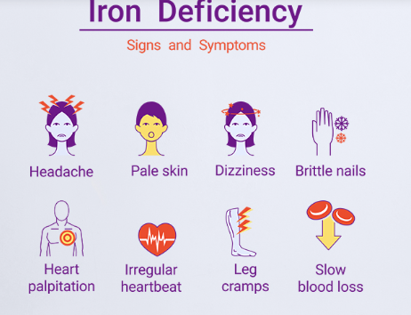 | Blood loss(menstrual bleeding, or injury) | dUyp7FVqRHq4V5Hw2pIYDg
 | Ensure healthy pregnancy |  | Regular use of pain relievers, such as aspirin | a.nImItkYTHepWBt86F.Zvw
 | Provide energy to cells to perform essentials tasks. |  | Diets low in iron | oiA3er5pTSeKowhY2FRpsw
 | Intensifies brain function, memory & concentration |  |  | h0pFZPy2Smmt0nVfli-f-g
 |  |  |  | rbwlvyT5TNCpuPVRqGJDlw

Vitamin D25 | aids calcium absorption, supporting bone health and mineralization. | 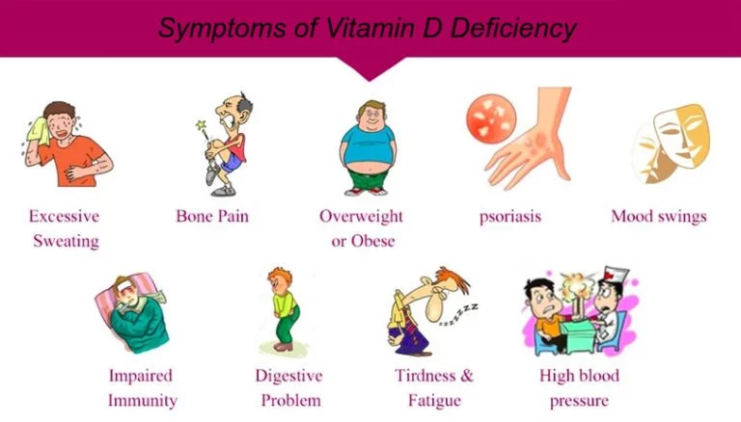 | Insufficient sun exposure hampers vitamin D25 synthesis, causing deficiency risks. | uEcFl6IrScW7CO29z9mqPQ
 | assists immune system regulation, enhancing immune function and responses. |  | Digestive disorders hinder vitamin D25 absorption, raising deficiency concerns. | kvYVfoOyQdKAqhy2M2Daeg
 | plays a role in cell growth, differentiation, and regulating cellular processes in the body. |  | Malfunctioning kidneys or liver impede vitamin D25 activation, causing potential deficiency. | cT1zPt1mReGyWxtI91ksfw
 | Studies indicate that vitamin D might help prevent colorectal, breast, and prostate cancer |  |  | c9RfvKjqR4GQEf32HIGtZA
 |  |  |  | 0T9i5xokTXGd.y3D6IR.5w

Liver | Aids in detoxification by metabolizing drugs, alcohol, and toxins, facilitating their elimination from the body. | 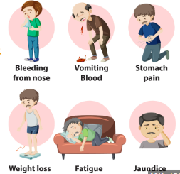 | Function can be impaired by medications, toxins, and chemicals. | pojnawX7QFuaPLQtK5n6gw
 | Responsible for producing bile, which aids in the digestion and absorption of fats in the small intestine. |  | Liver dysfunction can result from viral infections like hepatitis B, C, and E. | madG4IPTT3mUW7lxWZ7moQ
 | Liver plays a role in the production of blood-clotting proteins, including factors essential for the coagulation process. |  | genetic and inherited conditions. | Ft1lBV-FR-6QZCj5sY1wFA
 | Vital for metabolizing carbohydrates, proteins, and fats. It stores and releases glucose, converts amino acids into proteins, and synthesizes cholesterol and triglycerides. |  |  | crCl2ohjROeg0PJsEstQjw
 |  |  |  | Yp66282LQUelmENu9TQQGw
 |  |  |  | X6j2OrjkTqqJkbkNSjtQ0w
Thyroid | The thyroid gland produces hormones that regulate metabolism, influencing energy utilization and various bodily functions. | 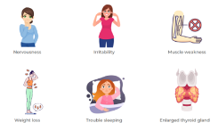 | Thyroiditis, inflammation of the thyroid gland, can result from infections, autoimmune disorders, or radiation exposure. | UhGfawmnRImaYj.Kp6rHVg
 | plays a vital role in growth and development, ensuring normal development of organs, brain, and skeletal system. |  | Genetic mutations and family history can elevate the risk of thyroid dysfunction. | gIWGyq90RkO17lw9APF7ow
 | regulates heart rate, blood vessel function, and cardiovascular health, ensuring proper blood circulation. |  | Autoimmune disorders, like Hashimoto's thyroiditis and Graves' disease, disrupt thyroid function. | 4ygXstQdTR-ATFEGIjC6ug
 | impact brain function, cognitive processes, mood regulation, and mental well-being by influencing development and activity. |  |  | yWLWYHYkRW-TWmxi7a1P.Q
 |  |  |  | 2qTinRo9TiqhFwBGCeP-8A
 |  |  |  | 6JGyDu5cRLei4codwzktEA
Cardiac Care | pumping blood to supply oxygen and nutrients to tissues. | 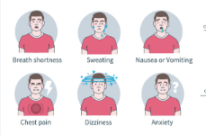 | Unhealthy lifestyle choices, including poor diet, lack of exercise, smoking, and excessive alcohol consumption.
 | Regulating blood pressure to maintain circulation. |  | High blood pressure (hypertension), which strains the heart and blood vessels.
 | Facilitating gas exchange for oxygenation in the lungs. |  | High cholesterol levels, specifically elevated LDL cholesterol, which can lead to plaque buildup in arteries.
 | Coordinating blood flow with rhythmic contractions.

BoneS Care | Supporting strong bones and teeth, providing structural integrity. | 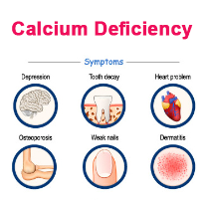 | Inadequate intake of calcium and vitamin D can weaken bones.
 | Assisting in muscle contraction, enabling movement and coordination. |  | aging and hormonal shifts can lead to decreased bone density.
 | Aiding in nerve function, allowing for proper communication between cells. |  | Unhealthy habits like lack of exercise and smoking can negatively impact bone health.
 | Facilitating blood clotting to prevent excessive bleeding when injured.

