Elegoo Mega2560 Pro
Pin | Name | Device Kind | Device Pin |  | Name | Device Kind | Device Pin |  | Name | Device Kind | Device Pin
0 |  |  |  | 18 |  |  |  | 36
1 |  |  |  | 19 |  |  |  | 37
2 | Front Left Motor | BTS 7960 | R_PWM | 20 | I2C Allocation |  |  | 38
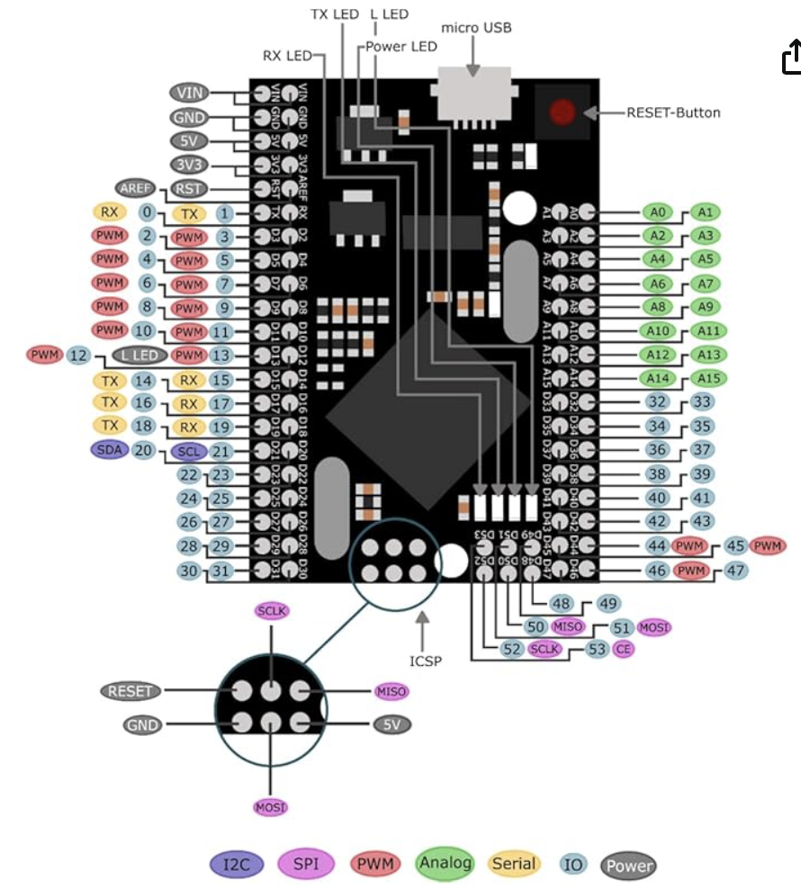
3 |  |  | L_PWM | 21 |  |  |  | 39
4 | Front Right Motor | BTS 7960 | R_PWM | 22 | Front Left Motor | BTS 7960 | R_EN | 40
5 |  |  | L_PWM | 23 |  |  | L_EN | 41
6 | Center Left Motor | BTS 7960 | R_PWM | 24 | Front Right Motor | BTS 7960 | R_EN | 42
7 |  |  | L_PWM | 25 |  |  | L_EN | 43
8 | Center Right Motor | BTS 7960 | R_PWM | 26 | Center Left Motor | BTS 7960 | R_EN | 44
9 |  |  | L_PWM | 27 |  |  | L_EN | 45
10 |  |  |  | 28 | Center Right Motor | BTS 7960 | R_EN | 46
11 |  |  |  | 29 |  |  | L_EN | 47
12 |  |  |  | 30 |  |  |  | 48
13 |  |  |  | 31 |  |  |  | 49
14 |  |  |  | 32 |  |  |  | 50
15 |  |  |  | 33 |  |  |  | 51
16 |  |  |  | 34 |  |  |  | 52
17 |  |  |  | 35 |  |  |  | 53

A0 | Front Left Motor | BTS 7960 | RS
A1 |  |  | LS
A2 | Front Right Motor | BTS 7960 | RS
A3 |  |  | LS
A4 | Center Left Motor | BTS 7960 | RS
A5 |  |  | LS
A6 | Center Right Motor | BTS 7960 | RS
A7 |  |  | LS
A8
A9
A10 |  |  |  | Analog
A11 |  |  |  | I2C
A12 |  |  |  | Serial
A13 |  |  |  | PWM
A14 |  |  |  | SPI
A15 |  |  |  | GPIO

