Tabelle1
Sr. No. | File name | Scene numbers
1 | calibration__auwaldsee.json | 1 to 10
2 | calibration__dk_front_night.json | 22 to 25
3 | calibration__dk_front_twilight.json | 14 to 18
4 | calibration__dk_parking.json | 19, 20, 21

$$\text{cluster} \text{formation}\text{ (}\text{ellipse} \text{size}\text{)}= \left(\left(\frac{ε}{\sqrt{distance}}\right)×distance\right)+bias$$
 | do not use data of scene 11,12, and 13
$$\text{cluster} \text{formation}\text{ (}\text{ellipse} \text{size}\text{)}= ε×distance$$

Sheet1 (2)
$$\left[\begin{matrix}\left[\begin{matrix}1 & 0\end{matrix}\right] \\ \left[\begin{matrix}1 & 1\end{matrix}\right] \\ \left[\begin{matrix}0 & 0\end{matrix}\right]\end{matrix}\right]$$
 | bounding box | visulisation
Radar cluster centroid |  |  | 1 | 0 | 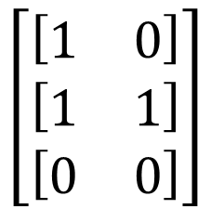
 |  |  | 1 | 1
$$\left[\begin{matrix}\left[\begin{matrix}1 & 0\end{matrix}\right] \\ \left[\begin{matrix}1 & 1\end{matrix}\right] \\ \left[\begin{matrix}0 & 0\end{matrix}\right]\end{matrix}\right]$$
 |  |  | 0 | 0
$$\left[\begin{matrix}\left[\begin{matrix}1 & 0\end{matrix}\right] \\ \left[\begin{matrix}1 & 1\end{matrix}\right] \\ \left[\begin{matrix}0 & 0\end{matrix}\right]\end{matrix}\right]$$

