Graphs
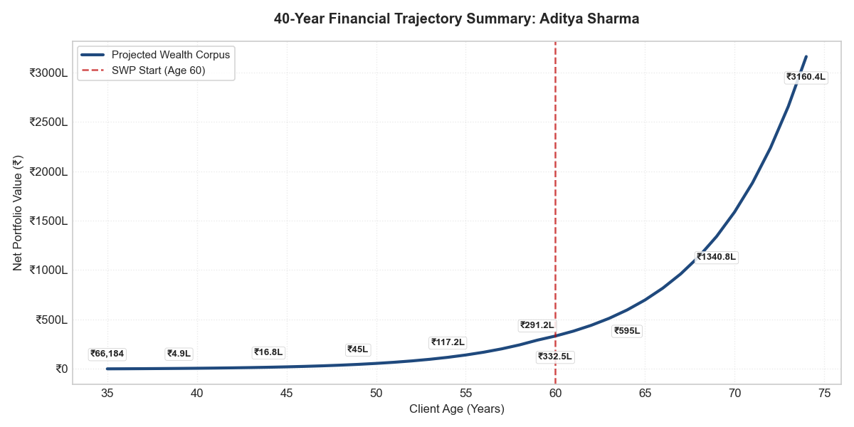
VISUAL STRATEGIC ANCHORS

