Sheet1
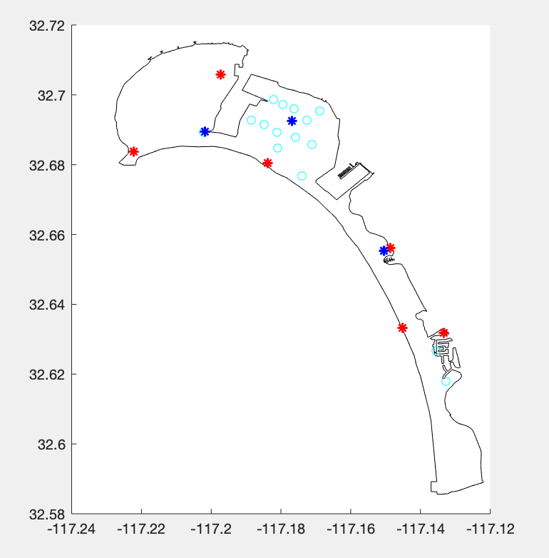
 |  | iter | map | flag | n |  | objective | constraints
solver | fmincon | 1 | 5 look good, 1 diverged | solver stopped prematurely on all | 41+ |  | n | 2
B | 0.0001 | 2 | all 6 look good but they're doubled up over the same location | solver stopped prematurely on all | all ~41 | converged to same point | n | 2
iteration cap | 50000 | 3 | all 6 look good but they're doubled up over the same location | solver stopped prematurely on all | all ~41 |  | n | 2
descent | finite | 4 | locations actually look really good | solver stopped prematurely on all | 41-411 range |  | n | 2
 |  | iter | map | flag | n |  | objective | constraints
solver | fmincon | 1 | all 6 look good but they're doubled up over the same location | solver stopped prematurely on all | all ~41 |  | n*D | 3
B | 0.0001 | 2 | 5 look good, 1 diverged | solver stopped prematurely on all | 41-374 range |  | n*D | 3
iteration cap | 50000 | 3 | all 6 look good but they're doubled up over the same location | solver stopped prematurely on all | all ~41 |  | n*D | 3
descent | finite | 4 | locations actually look really good | solver stopped prematurely on all | 82-327 |  | n*D | 3
 |  | iter | map | flag | n |  | objective | constraints
solver | fmincon | 1 | diverged (all but 2) | converged to infeasible point | all 41 but the two points |  | n | 2
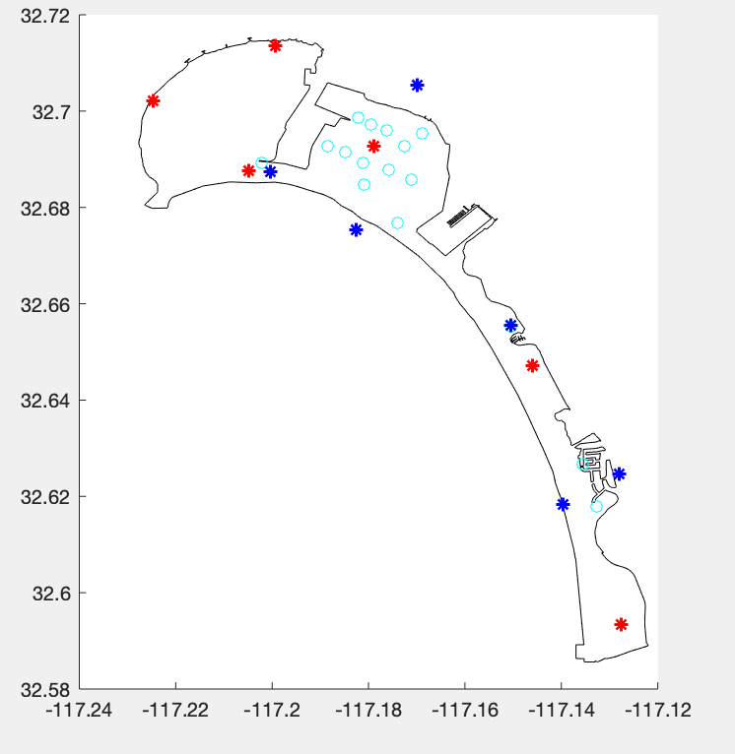
B | 0.0001 | 2 | diverged (all but 2) | converged to infeasible point | all 41 but the two points |  | n | 2
iteration cap | 50000 | 3 | diverged (all but 1) | converged to infeasible point | all 41 but the one points |  | n | 2
descent | SQP | 4 | diverged (all but 2) | converged to infeasible point | all 41 but the two points |  | n | 2
 |  | iter | map | flag | n |  | objective | constraints
solver | fmincon | 1 | 5 look good, 1 diverged | solver stopped prematurely on all | 45-450 |  | n*D | 3
B | 0.0001 | 2 | 5 look good 1 has overlap | solver stopped prematurely on all | 41-340 |  | n*D | 3
iteration cap | 50000 | 3 | all 6 look good, seem to be kinda avoiding each other | solver stopped prematurely on all | 41-350 |  | n*D | 3
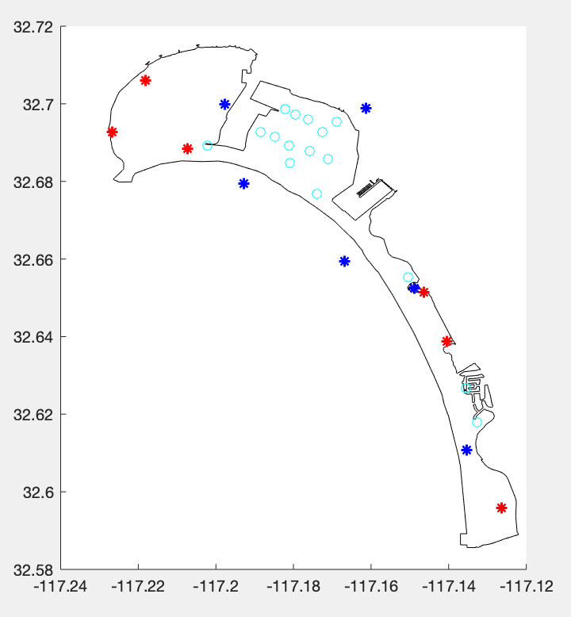
descent | SQP | 4 | 5 look good, 1 diverged | solver stopped prematurely on all | 41-360 |  | n*D | 3
 |  | iter | map | flag | n |  | objective | constraints
solver | GA | 1 | all 6 are just okay (maybe random?) | fitness value < tolerance | 130-1000 |  | n | 2
B | 0.0001 | 2 | all 6 are pretty good… | max num generations | 89-915 |  | n | 2
iteration cap | default | 3 | all 6 are pretty good… | max num generations | 128-874 |  | n | 2
constraint | penalty | 4 | all 6 are pretty good… | max num generations | 132-859 |  | n | 2
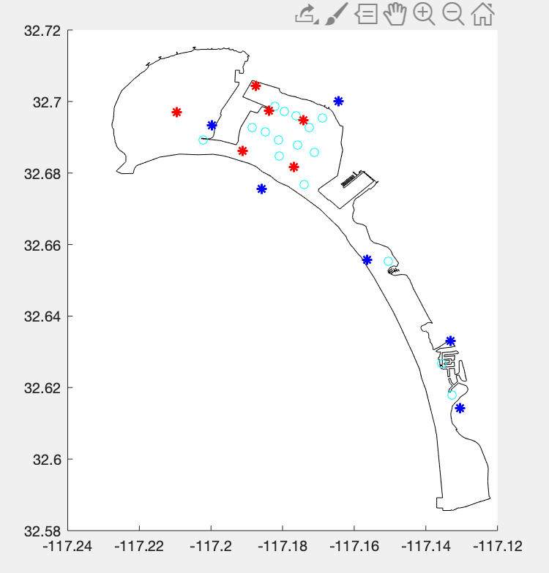
 |  |  | I did GA and increased generartions/decreased tolerance, it didn’t necessarily look any better

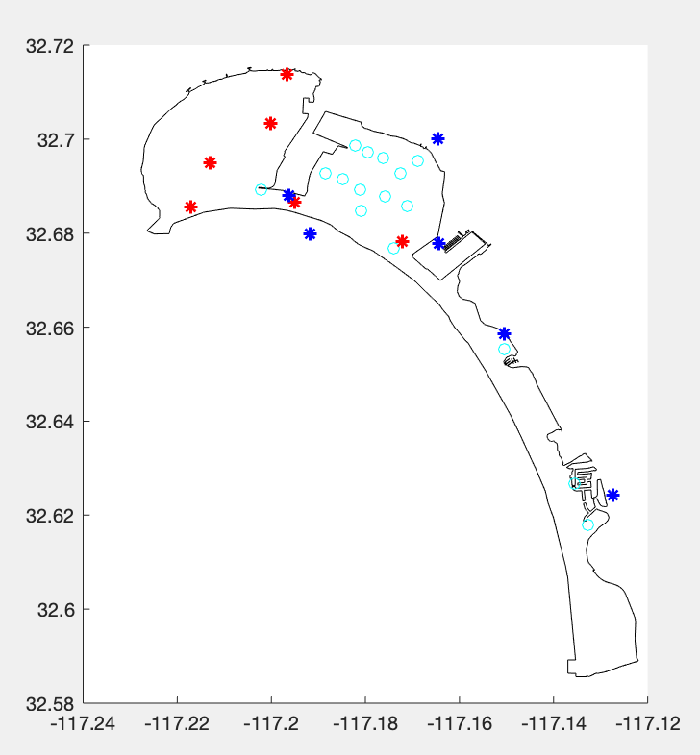
 |  | iter | map | flag | n |  | objective | constraints
solver | GA | 1 | all 6 are pretty good | fitness value < tolerance | 32-424 |  | n | 2
B | 0.0001 | 2 | they’re not great (kinda random) | fitness value < tolerance | 32-470 |  | n | 2
iteration cap | default | 3 | all 6 are pretty good… | fitness value < tolerance | 128-874 |  | n | 2
constraint | penalty | 4 | they’re not great (kinda random) | fitness value < tolerance | 32-390 |  | n | 2

