Summary
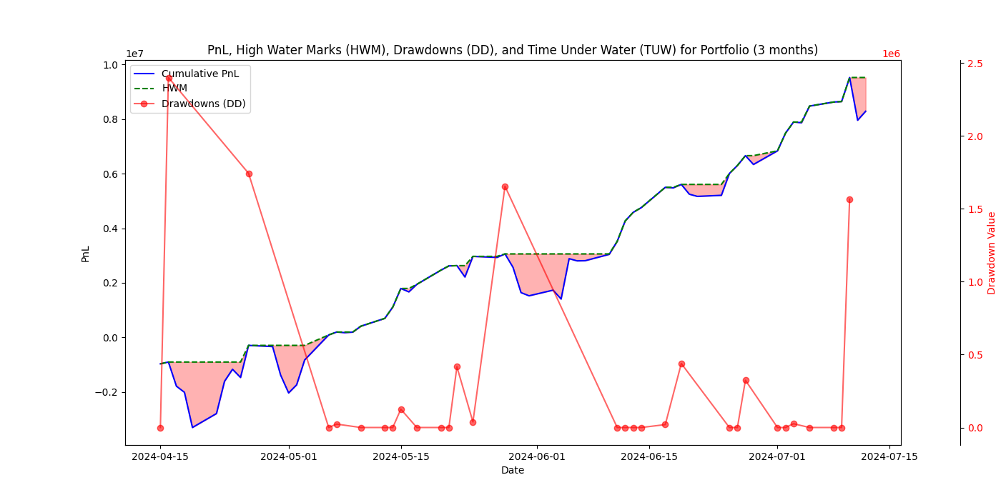
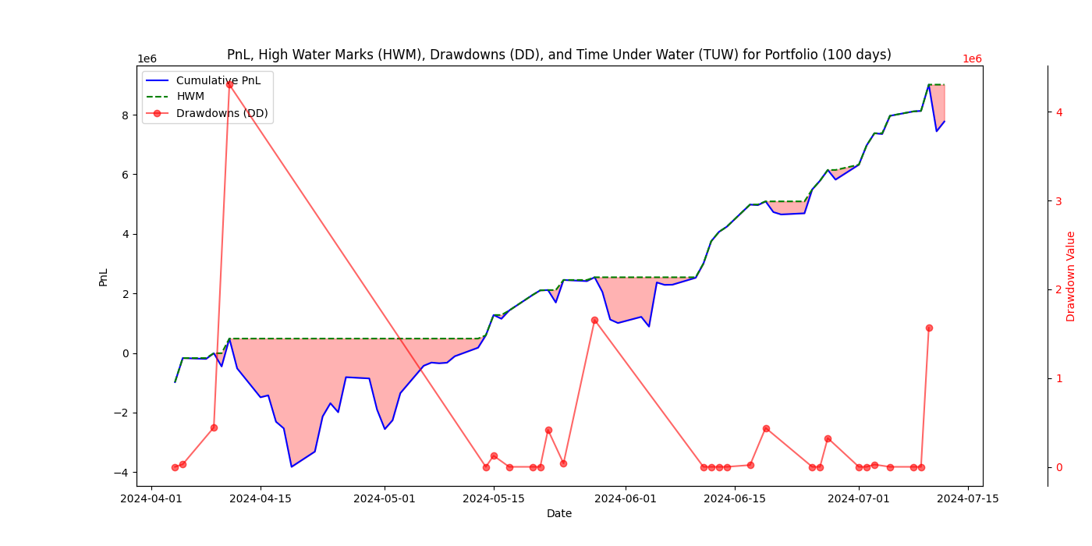
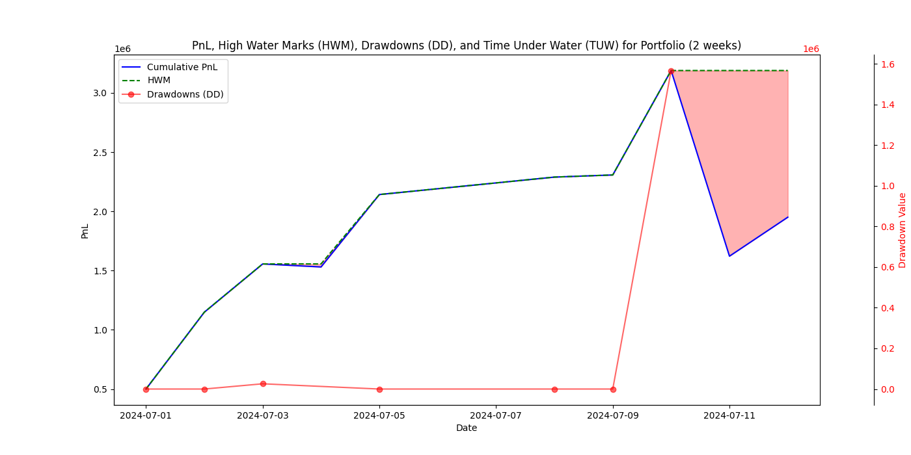
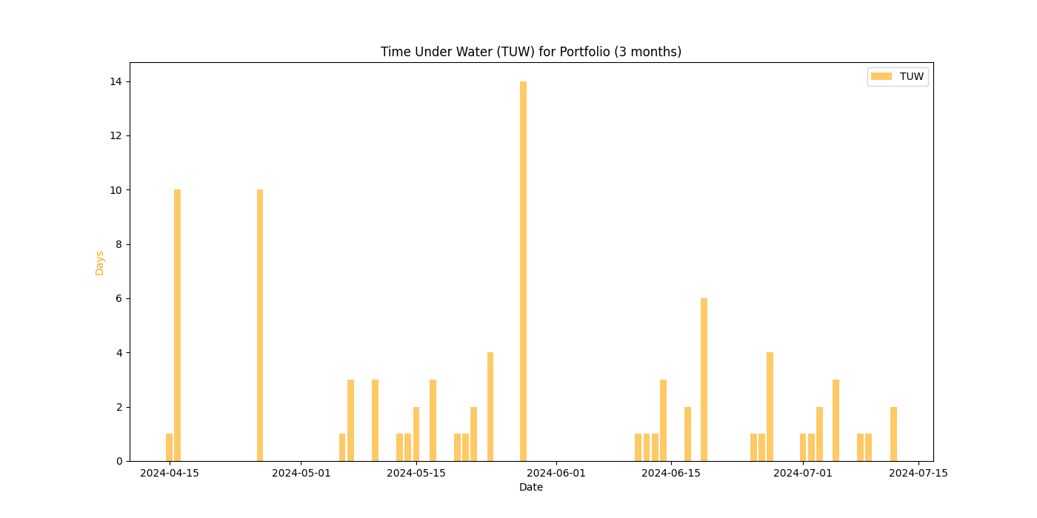
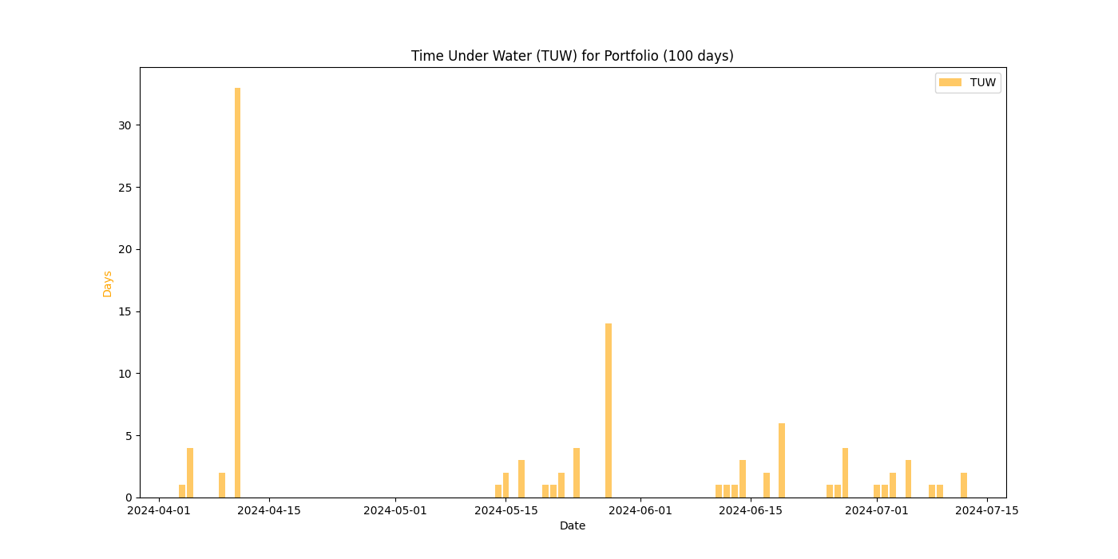
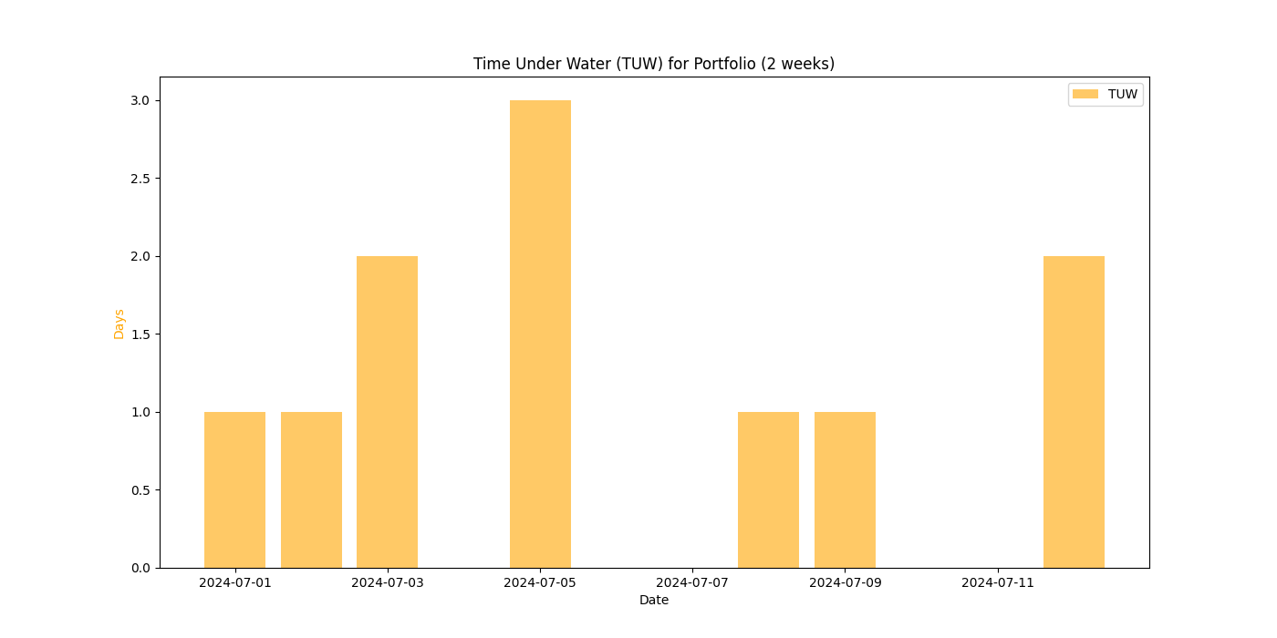
Sizer Overview
Ticker | Weight | Group | Type

USDEUR Curncy | -8.85 | Group 1 | FX
USDJPY Curncy | 2.55 | Group 1 | FX
USDCHF Curncy | 14.00 | Group 1 | FX
USDGBP Curncy | -20.55 | Group 1 | FX
USDCAD Curncy | -5.75 | Group 2 | FX
USDAUD Curncy | -18.60 | Group 2 | FX
USDNZD Curncy | 10.00 | Group 2 | FX
USDNOK Curncy | 4.00 | Group 3 | FX
USDSEK Curncy | 11.50 | Group 3 | FX
USDMXN Curncy | 2.00 | Group 4 | FX
USDCNH Curncy | 56.00 | Group 5 | FX
KWN+1M Curncy | -5.50 | Group 5 | FX
IRN+1M Curncy | -43.50 | Group 5 | FX
USDTHB CMPN Curncy | 5.50 | Group 5 | FX
USDSGD Curncy | 32.25 | Group 5 | FX
NTN+1M Curncy | -8.50 | Group 5 | FX
PPN+1M Curncy | 1.00 | Group 5 | FX
USDTWD REGN Curncy | 4.50 | Group 5 | FX
CCN+3M Curncy | 10.00 | Group 5 | FX
XAU Curncy | 4.00 | Group 5 | FX
NQ1 Index | 60.00 | Group 5 | Equity (ETF, Index, Futures)

Group | 3 months |  |  |  |  |  |  | 100 days |  |  |  |  |  |  | 2 weeks
 | Mean | Std Dev | Skewness | Kurtosis | VaR 90% | VaR 95% | VaR 99% | Mean | Std Dev | Skewness | Kurtosis | VaR 90% | VaR 95% | VaR 99% | Mean | Std Dev | Skewness | Kurtosis | VaR 90% | VaR 95% | VaR 99%
Portfolio | 127,519.59 | 581,129.80 | -0.50 | 0.70 | 743,846.14 | 958,864.16 | 1,354,032.43 | 107,956.95 | 599,932.47 | -0.45 | 0.29 | 767,913.57 | 989,888.58 | 1,397,842.66 | 195,097.98 | 682,588.95 | -1.83 | 2.66 | 873,713.86 | 1,126,271.77 | 1,590,432.26
Group 1 | 13,245.73 | 74,834.10 | -0.48 | 0.58 | 95,787.65 | 123,476.26 | 174,363.45 | 7,836.59 | 78,287.67 | -0.50 | 0.37 | 100,208.22 | 129,174.66 | 182,410.28 | 59,113.19 | 53,602.41 | -0.09 | -0.85 | 68,611.09 | 88,443.98 | 124,893.62
Group 2 | 10,017.96 | 62,535.36 | -0.79 | 0.32 | 80,045.26 | 103,183.34 | 145,707.38 | 5,196.00 | 69,007.55 | -1.13 | 1.37 | 88,329.66 | 113,862.46 | 160,787.59 | 28,902.19 | 37,774.53 | 0.52 | -0.68 | 48,351.40 | 62,327.97 | 88,014.65
Group 3 | -7,122.23 | 82,962.20 | 0.30 | 0.21 | 106,191.62 | 136,887.64 | 193,301.94 | -1,950.74 | 88,225.09 | 0.53 | 0.48 | 112,928.12 | 145,571.41 | 205,564.47 | -8,559.75 | 69,033.52 | 0.17 | 0.47 | 88,362.90 | 113,905.30 | 160,848.09
Group 4 | 1,849.96 | 20,028.86 | 1.17 | 2.85 | 25,636.95 | 33,047.63 | 46,667.25 | 1,848.35 | 19,479.75 | 1.14 | 2.93 | 24,934.09 | 32,141.60 | 45,387.83 | -7,761.36 | 6,381.08 | 0.79 | 0.22 | 8,167.78 | 10,528.78 | 14,867.91
Group 5 | 109,528.17 | 553,517.30 | -0.48 | 0.85 | 708,502.15 | 913,303.55 | 1,289,695.32 | 95,026.76 | 571,931.18 | -0.42 | 0.42 | 732,071.91 | 943,686.44 | 1,332,599.64 | 123,403.70 | 639,614.60 | -1.95 | 2.92 | 818,706.68 | 1,055,364.08 | 1,490,302.01

