Nurture Firm
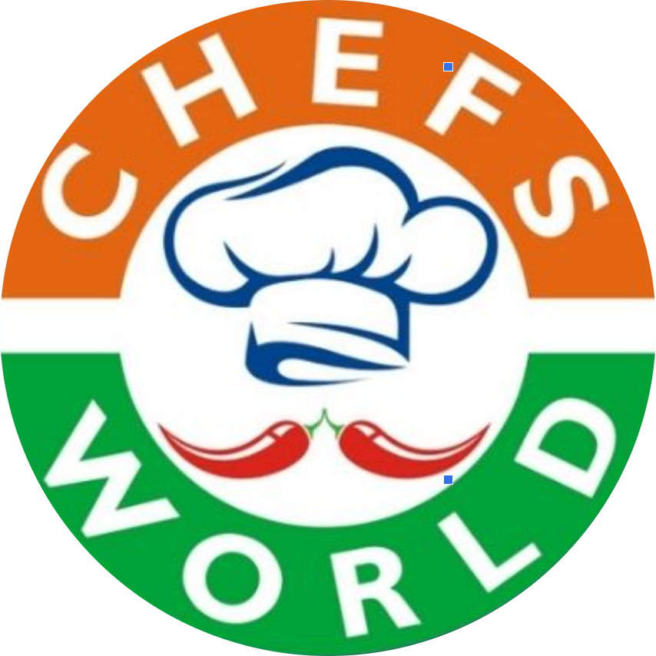 CHEF'S WORLD
Organic Nutritious & Delicious
SL | ITEMS NAME | DETAILS | Rate/
1 | Water Melon Juice | Fresh cut fruits Juice with sugar & Withour Sugar | 40/
2 | Papaya | Fresh cut fruits Juice with sugar & Withour Sugar | 45/
3 | Mix Fruit Juice | Fresh cut fruits Juice with sugar & Withour Sugar | 45/
4 | Mint Line June | Fresh cut fruits Juice with sugar & Withour Sugar | 45/
PARATHAS
5 | Aloo Paratha | Live baked & Served with Curd & Pickle ( 1 Pices) | 50/
6 | Mix veg Paratha | Live baked & Served with Curd & Pickle ( 1 Pices) | 50/
7 | Paneer Paratha | Live baked & Served with Curd & Pickle ( 1 Pices) | 65/
SOUTH SPECIAL ( IDLI, DOSA & MORE)
8 | Plain Dosa | Live Bakes & Served with Coconut Chutney ( 2 Pices) | 45/
9 | Masala Dosa | Live Bakes & Served with Coconut Chutney ( 2 Pices) | 55/
10 | Podi Plain Dosa | Live Bakes & Served with Coconut Chutney ( 2 Pices) | 50/
11 | Podi Masala Dosa | Live Bakes & Served with Coconut Chutney ( 2 Pices) | 60/
12 | Ghee Plain Dosa | Live Bakes & Served with Coconut Chutney ( 2 Pices) | 60/
13 | Ghee Masala Dosa | Live Bakes & Served with Coconut Chutney ( 2 Pices) | 65/
14 | Egg Dosa | Live Bakes & Served with Coconut Chutney ( 2 Pices) | 70/
15 | Set Dosa | Live Bakes & Served with Coconut Chutney ( 2 Pices) | 50/
16 | Onion Uttapam | Live Bakes & Served with Coconut Chutney ( 2 Pices) | 60/
17 | Besan Chilla | Live Bakes & Served with Coconut Chutney ( 2 Pices) | 60/
18 | Moong Dal Chilla | Live Bakes & Served with Coconut Chutney ( 2 Pices) | 60/
19 | Poha | Freshly Toss Rice Flex and serve with Mixer, Onion, lemon | 45/
20 | Idli Vada | Two Idli & One Vada Serve With Sambar and Chutney | 45/
21 | Pasta | Frechly Made In White Sauces | 50/
22 | Poori Sabji | Three Poori Served with Chole or veg Kurma | 50/
23 | Mandaki
24 | Shavige Bath | Served withCoconut Chutney | 45/
25 | Veg Upma | Served with Coconut Chutney | 45/
26 | Veg English Breakfast |  | 50/
27 | Egg English Breakfast |  | 60/
EGG SPECIAL
28 | Plain Omelette | e Egg Cooked with Salt & pepper | 35/
29 | Masala Omelette | 2 Egg with Vegetables | 40/
30 | Cheese Omelette | 2 Egg cooked in Cheese, Salt & Pepper | 50/
31 | Bread Omelette | 2 egg and 2 Slice of Bread | 45/
32 | Bread Cheese omelette | 2 Egg & 2 Slice of Bread cooked in Cheese | 55/
33 | Scrumbled egg | 2 Egg Live Made | 50/
34 | Egg Bhurji | 2 Egg- Live made | 50/
35 | Boiled Egg | 2 Egg Served with Onion, Tomato, Salt & Pepper | 30/
36 | Half Boiled Egg | 2 Egg One Side baked | 40/
MAGGI
37 | Plain Maggi | Freshly Made | 35/
38 | Veg Maggi | Freshly made Maggi with Vegetables | 40/
39 | Cheese Maggi | Freshly Made Maggi with Cheese | 50/
40 | Veg Cheese Maggi | Freshly Made Maggies withWegetable and Cheeses | 55/
41 | Fried Maggi | Freshly Made Maggies withWegetable | 50/
42 | Egg Maggi | Freshly Made Maggies with Egg | 60/
SNACKS
43 | Samosa |  | 25/
44 | Dhokla |  | 25/
45 | Kachori |  | 25/
46 | Vada pav |  | 30/
47 | Onion pakoda |  | 40/
48 | Bread Pakoda |  | 45/
49 | Veg Burger |  | 50/
50 | Cheese Burger |  | 60/
51 | french Fried |  | 45/
52 | Peri peri French Fried |  | 55/
53 | Cheese French Freid |  | 60/
54 | Honey Chilli Potato |  | 50/
SANDWICHES
55 | Veg Sandwiches | 200 | 45/
56 | Veg Cheese Sandwiches | 150 | 55/
57 | Egg Sandwiches | 150 | 55/
58 | Veg Rolla | 200 | 50/
59 | Egg Roll | 250 | 55/
60 | Chicken Roll | 200 | 65/
61 | Chicken Egg Roll | 200 | 70/
MEALS OPTIONS
62 | Full Meal | Chapati+ Plain Rice+ Flavoured Rice+ Dal+ Veg Dry +Veg Gravy+ Salad, + Sweet + Papad | 120/
63 | Veg Rice Combo | Plain Rice+ Dal+ Veg Dry or Veg Gravy+ Salad + Papad | 90/
64 | Veg-Roti Combo | Chapati -4+ Dal + Veg Dry or Veg Gravy+ Salad + Papad | 90/
65 | Non-Veg Meal | Chapati+ Plain Rice+ Flavoured Rice+ Dal+ Chicken Gravy+ Salad, + Swwet + Papad | 140/
66 | Chicken Rice Combo | Plain Rice+ Chicken Curry +Salad + Papad | 110/
67 | Chicken Roti Combo | 4 Chapati + Chicken Curry + Salad Papad | 110/
68 | Biryani | Chicken Biryani + Raitha or Salan + Salad+Sweet+ Papad | 150/
69 | Biryani Rice ( Khuska) | Biryani Rice+ Raitha + Salad + Sweet + Papad | 80/
70 | Chapati | 1 Pices | 12/
71 | Plain Paratha | 1 Pices | 15/
72 | Dal Tadka | 1 Bow | 25/
73 | Plain Rice | 1 Bow | 25/
74 | Dry Sabji | 1 Bow | 25/
75 | Gravy Sabji | 1 Bow | 35/
76 | Paneer Gravy | 1 Bow | 40/
77 | Chicken Gravy | 1 Bow | 60/
78 | Egg Bow Curry | 1 Bow | 50/
79 | Veg Fried rice | 1 Plate | 70/
80 | Egg Fried Rice ( Single Egg) | 1 Plate | 80/
81 | Egg Fried Rice double egg | 1 Plate | 90/
82 | Chicken Fried Rice | 1 Plate | 90/
83 | Chicken Egg Fried Rice | 1 Plate | 100/
84 | Paneer Fried rice | 1 Plate | 100/
85 | Mushrrom Fried Rice | 1 Plate | 90/
86 | Chilli Chicken | 1 Plate | 70/
87 | Chicken manchurian | 1 Plate | 70/
88 | Planeer Chilli ` | 1 Plate | 70/
89 | Veg Ball manchurian | 1 Plate | 60/

