performance
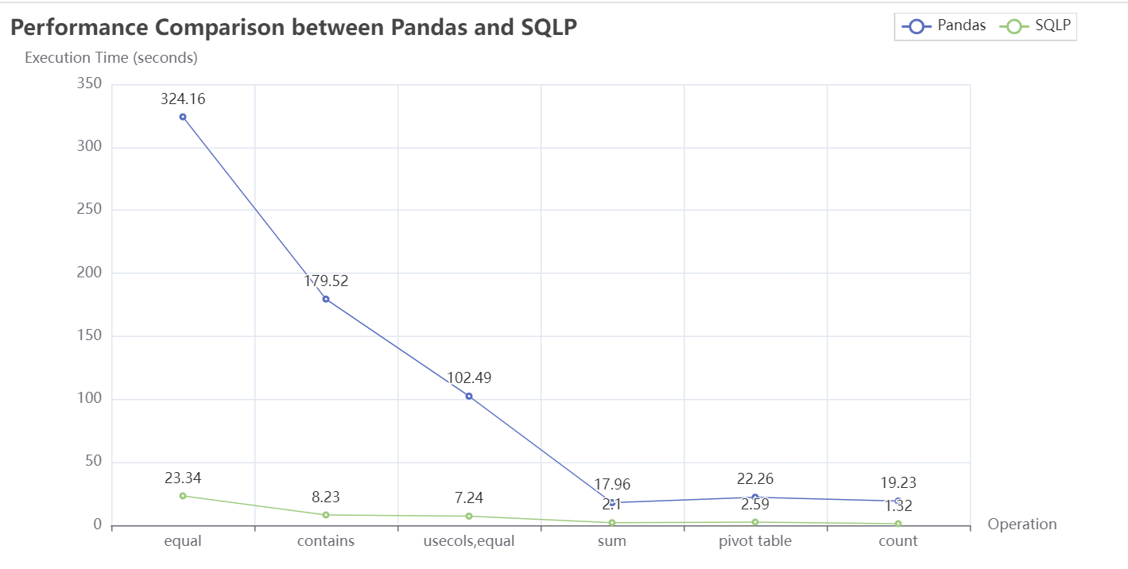
fn | pandas | sqlp
equal | 324.16 | 23.34
contains | 179.52 | 8.23
usecols,equal | 102.49 | 7.24
sum | 17.96 | 2.10
pivot table | 22.26 | 2.59
count | 19.23 | 1.32

