Probability_transform
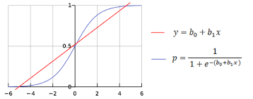

0.76 | 0.68135373379

