Sheet1
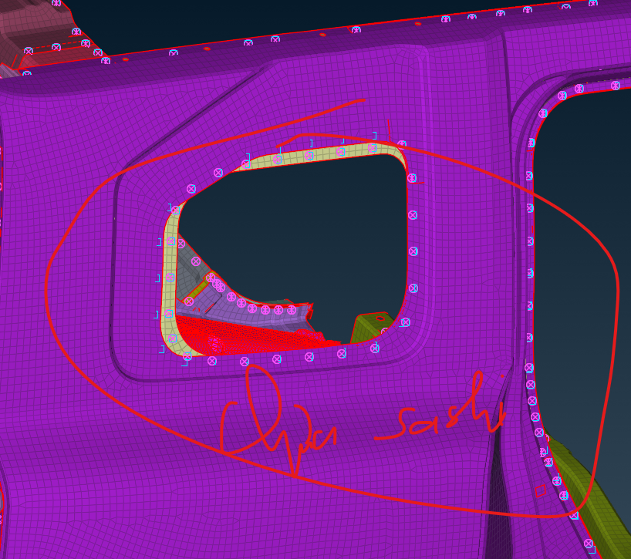
Base | Model

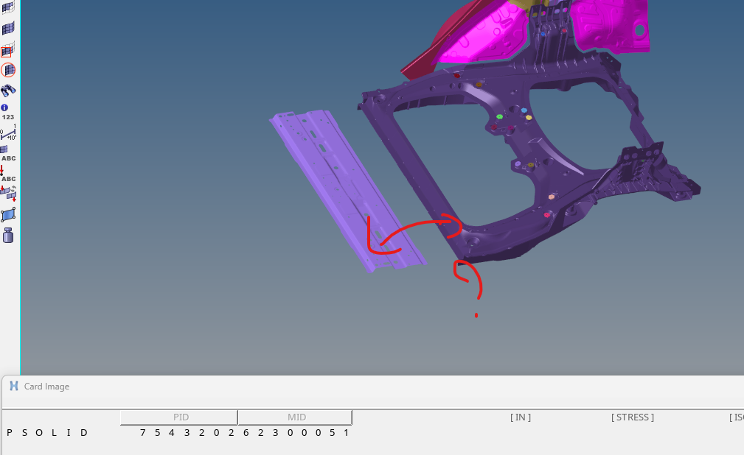
100 | 1173766 | Tai sao Prop PID 7543202 cua solid lai trung voi chi tiet shell
101 | 1173772
102 | 1173776
103 | 1173781
104 | 1173805
105 | 1173806
106 | 1173808
107 | 1173809
108 | 1173810
109 | 1173811
110 | 1173812
111 | 1173813
112 | 1173814
113 | 1173815
114 | 1173818
115 | 1173819
116 | 1173820
117 | 1173822
118 | 1173823
119 | 1173824
120 | 1173825
121 | 7543202
7663200 | 7663200
7664800 | 7664800
7671200 | 7671200
7672600 | 7672600
7672800 | 7672800
7672801 | 7672801
7674200 | 7674200
7675200 | 7675200
7763200 | 7763200
99000410

