TASK
 |  | Loan Repayment Decision Analysis
Problem: | Mr. Hathodawala has loan offers from three banks and he wants to choose the one based on key insights

Task: | Open the “loan repayment’ excel file. It contains two tables. ‘Loan Details’ table contains the offer from all 3 banks

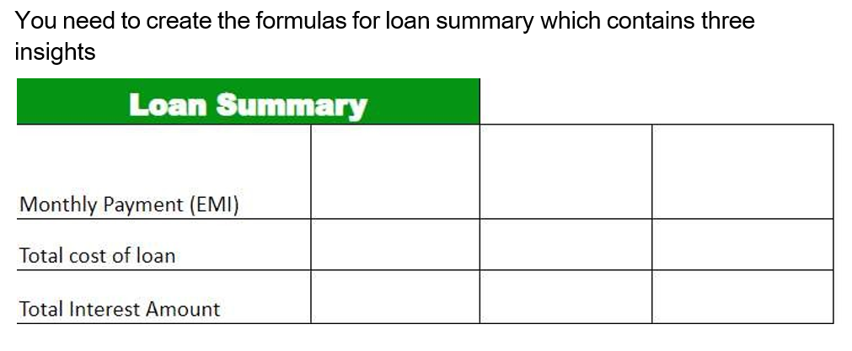

Result: | After calculating the ‘Total Interest Amount’ and ‘Total cost of loan’ for different ‘Annunal Interest Rate’ and ‘Loan Period in years’,
 | please provide a brief summary of your findings and recommend the most suitable bank for Mr. Hathodwala to consider
 | His monthly budget for loan repayment is 25000.

Steps To Do:
 | Insight 1: Monthly payment (EMI)
 | This determines how much Mr. Hathodwala has to pay every month.
 | He would like to know how much he needs to pay per month so that he can decide if it fits his budget.

 | Solution: | You can use a function called PMT to calculate it.
 |  | This function will return the monthly payment based on the ‘Loan amount’, ‘Annunal Interest Rate’ and ‘Loan Period in years’
 |  | which are the inputs provided in the loan details table.

 |  | argument1 = Annunal Interest Rate/12
 |  | argument2 = Loan Period in years*12
 |  | argument3 = Loan Amount

 | Insight 2: | Total Cost Of Loan
 | This refers to the total amount of money that Mr. Hathodwala will have to pay in order to fully repay the loan.
 | He wants to know this so he gets an idea of how much amount he is actually repaying.

 | Solution: |  | Formula: Monthly Payment (EMI) * (Loan Period in years*12)

 | Insight 3: | Total Interest Amount
 | The total interest amount refers to the overall amount of interest that Mr. Hathodwala will pay on a loan.
 | Besides the money that was borrowed, the total interest amount is the extra cost of borrowing money.

 | Solution: |  | Formula: Loan amount - Total cost of loan

GRAPHS
Bank | Loan Amount | Interest Rate | Tenure (Years) | EMI | Total Loan Cost | Total Interest
Left Join Bank | ₹ 1,500,000 | 15% | 5 | ₹ 35,684.90 | ₹ 2,141,093.71 | ₹ 641,093.71
Y Axis Bank | ₹ 1,500,000 | 12.50% | 8 | ₹ 24,793.21 | ₹ 2,380,148.45 | ₹ 880,148.45
CBI Bank | ₹ 1,500,000 | 11% | 10 | ₹ 20,662.50 | ₹ 2,479,500.20 | ₹ 979,500.20

Monthly EMI Vs Budget
Budget: 25,000
Bank | EMI
Left Join Bank | ₹ 35,685
Y Axis Bank | ₹ 24,793
CBI Bank | ₹ 20,663

Total Interest Amount
Bank | Total Interest
Left Join Bank | ₹ 641,093.71
Y Axis Bank | ₹ 880,148.45
CBI Bank | ₹ 979,500.20

Total Cost Of Loan

Bank | Total Loan Cost
Left Join Bank | ₹ 2,141,093.71
Y Axis Bank | ₹ 2,380,148.45
CBI Bank | ₹ 2,479,500.20

DASHBOARD
Loan Repayment Analysis Dashboard

Total Interest Amount
 | Total Interest
Left Join Bank | ₹641,093.71
Y Axis Bank | ₹880,148.45
CBI Bank | ₹979,500.20
Monthly EMI Vs Budget
 | EMI
Left Join Bank | ₹35,685
Y Axis Bank | ₹24,793
CBI Bank | ₹20,663
Budget: 25,000

Total Cost Of Loan
Total Cost Of Loan
 | Total Loan Cost
Left Join Bank | ₹2,141,093.71
Y Axis Bank | ₹2,380,148.45
CBI Bank | ₹2,479,500.20
RECOMMENDATION

Choose Y Axis Bank
- Monthly EMI ₹24,793.21 is within ₹25,000 budget
- Interest is lower than Left Join Bank, though higher than CBI Bank
- Total cost is a good balance between interest and affordability ➡️ Best overall value considering all factors

