Summary
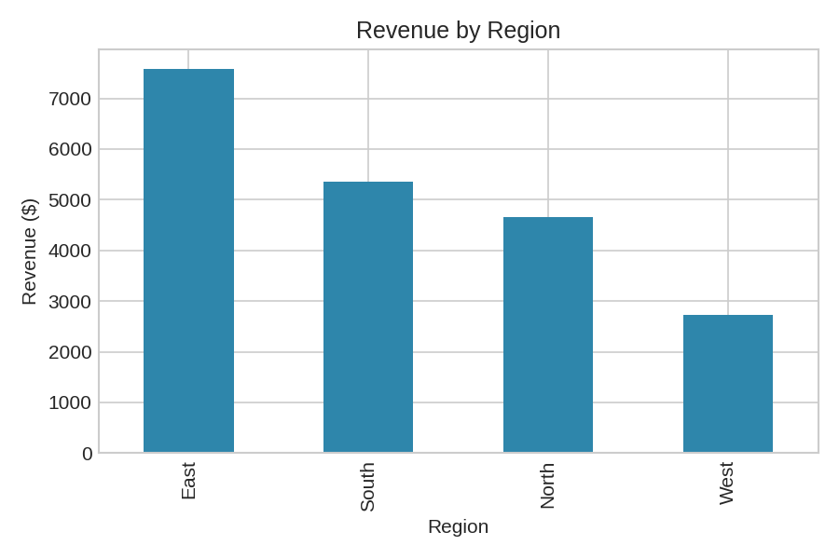
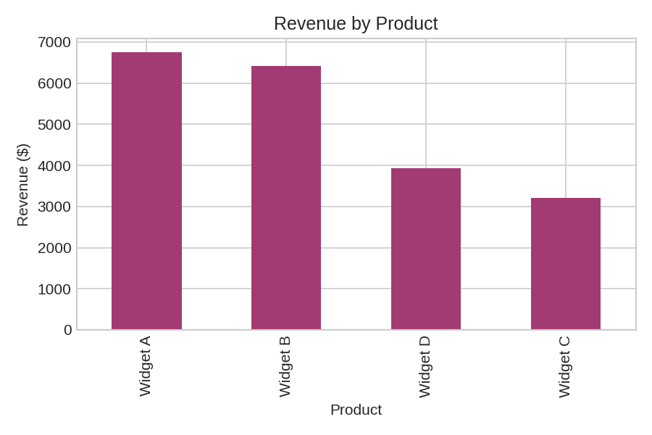
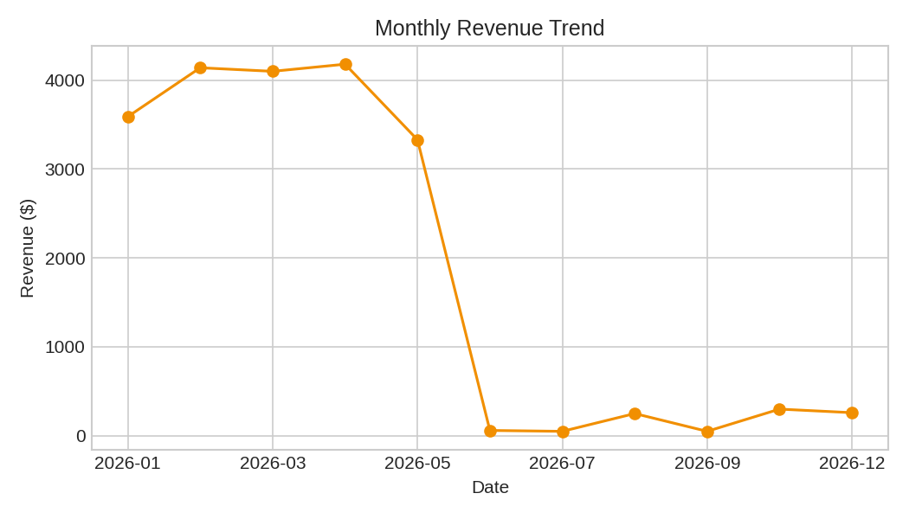
Data Cleaning & Reporting Automation - Summary

Metric | Value
Total Orders (cleaned) | 200
Total Revenue | 20302.64
Average Order Value | 101.51
Date Range | 2026-01-03 to 2026-12-05
Raw Rows (before cleaning) | 220
Rows Removed / Corrected | 20

Cleaning Steps Applied:
- Removed 5 completely blank rows
- Removed 15 duplicate rows
- Flagged 0 unparseable dates as missing
- Corrected 20 negative Units values to missing
- Filled 53 missing 'Units' values with median (3.00)
- Filled 41 missing 'UnitPrice' values with median (29.99)
- Dropped 0 rows missing key identifiers (OrderID/Region/Product)

By Region
Revenue by Region
Region | Total Revenue
East | 7587.28
South | 5348.3
North | 4648.33
West | 2718.73

