Sheet3
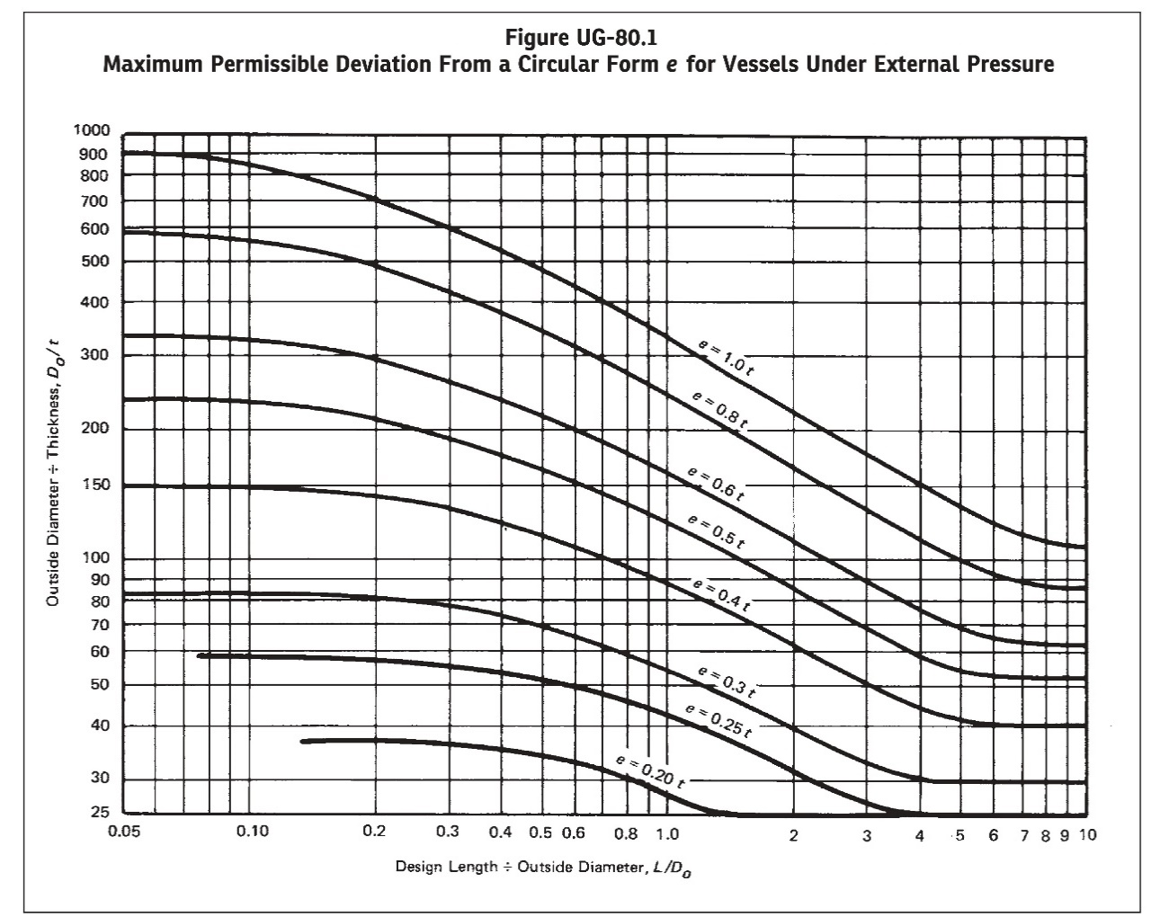
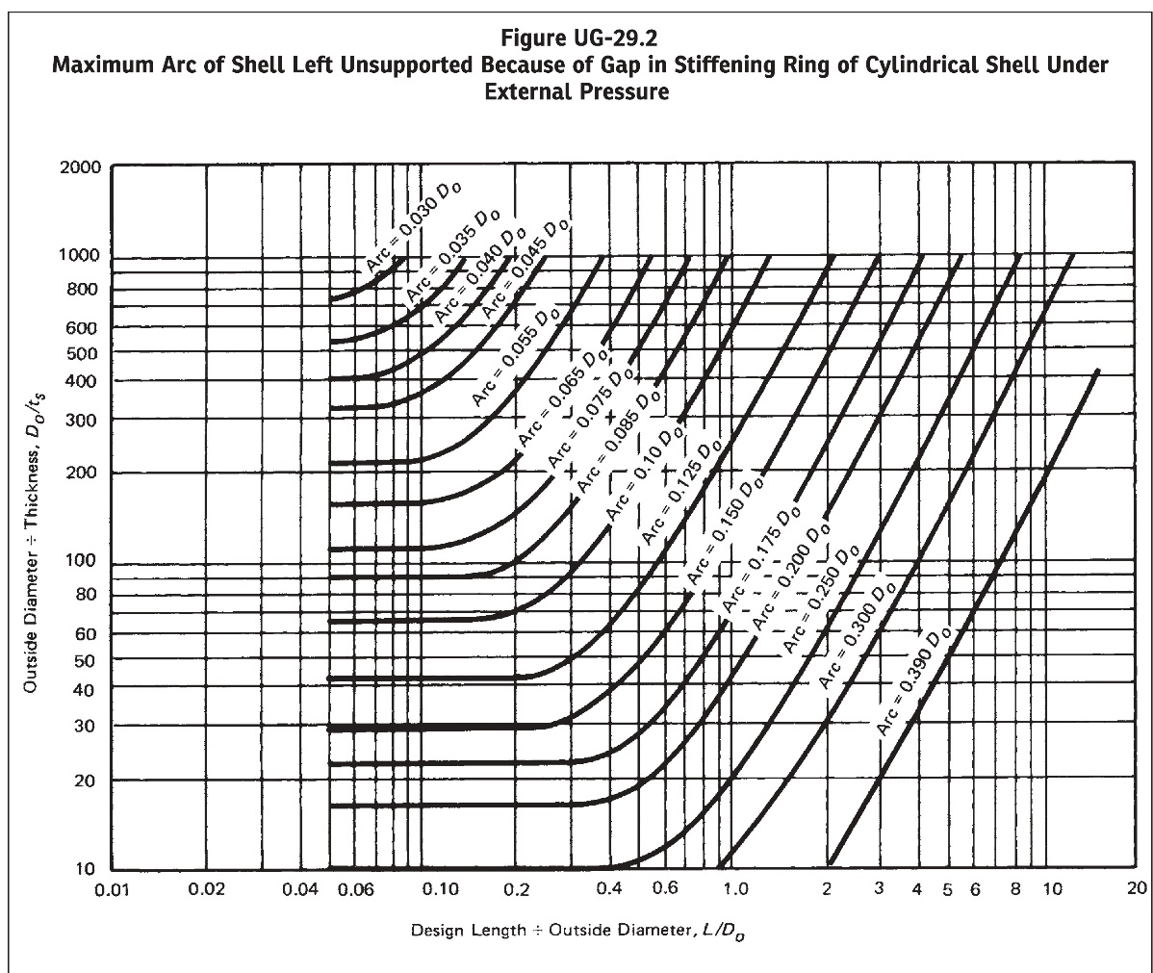
FIGURE UG-80.1 & UG-29.2 RESULT:
L/Do | 0.05
Do/t | 40
Do/ts | 500
Fig. UG-80.1 Output | 0.27424773662
Fig. UG-29.2 Output | 0.036121258888

