Sheet3
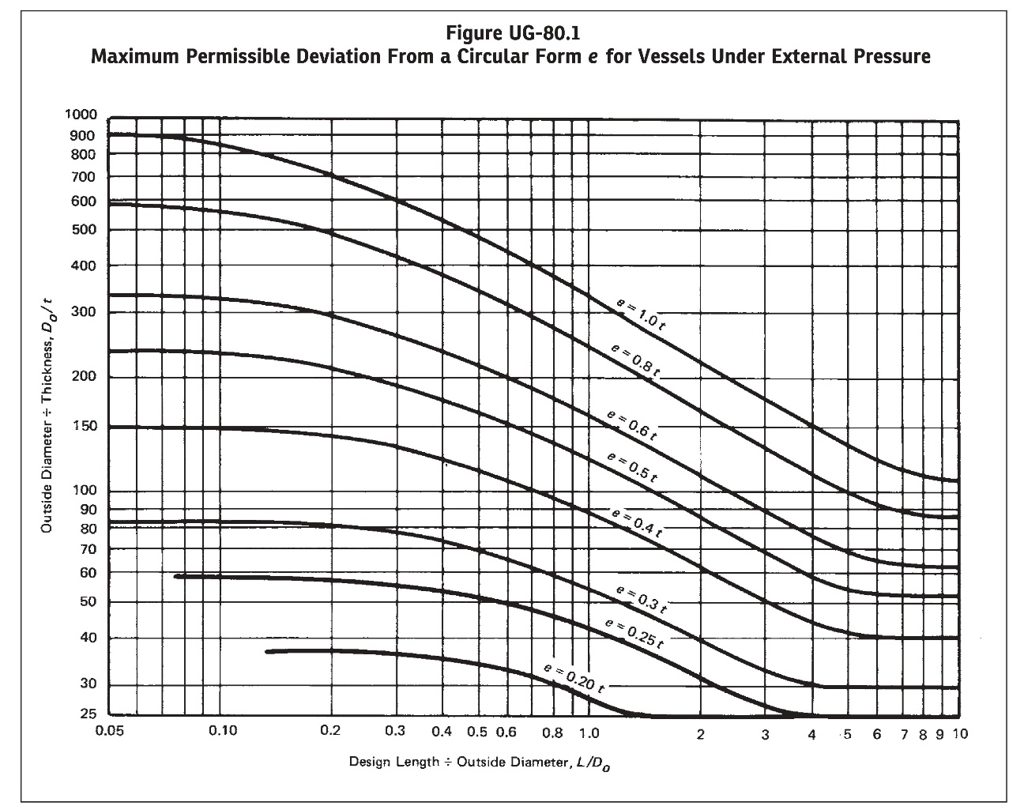
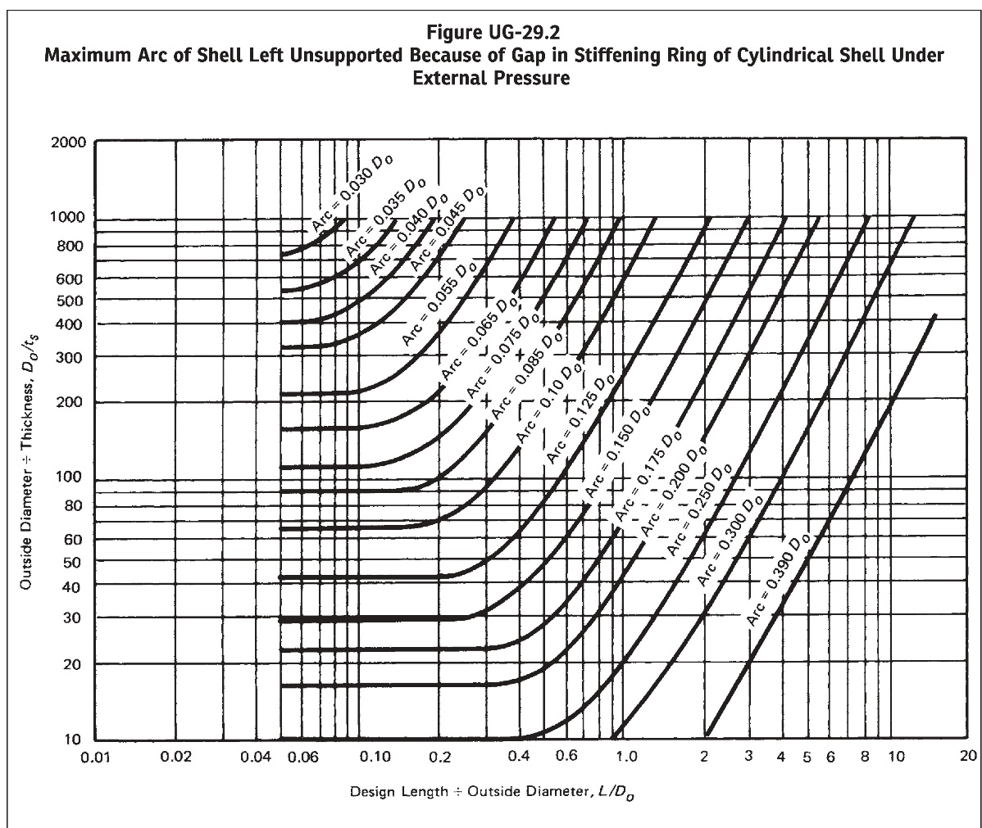
FIGURE UG-80.1 & UG-29.2 RESULT:
L/Do | 0.5
Do/t | 202
Do/ts | 202
Fig. UG-80.1 Output | 0.56978431271
Fig. UG-29.2 Output | 0.097745973877

