Sheet3
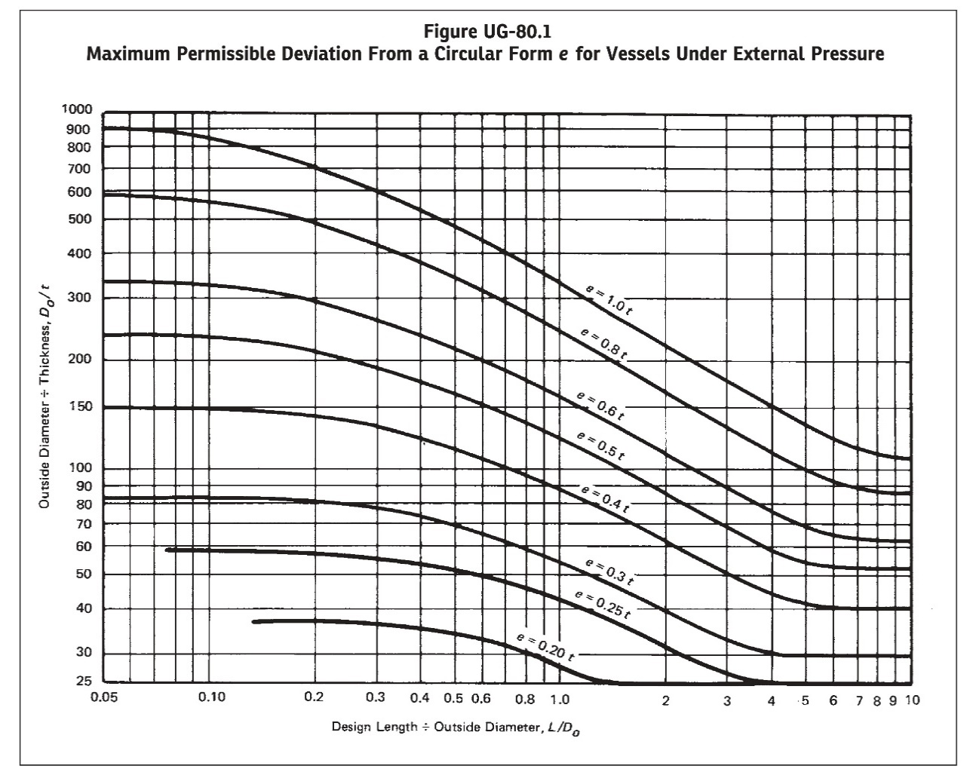
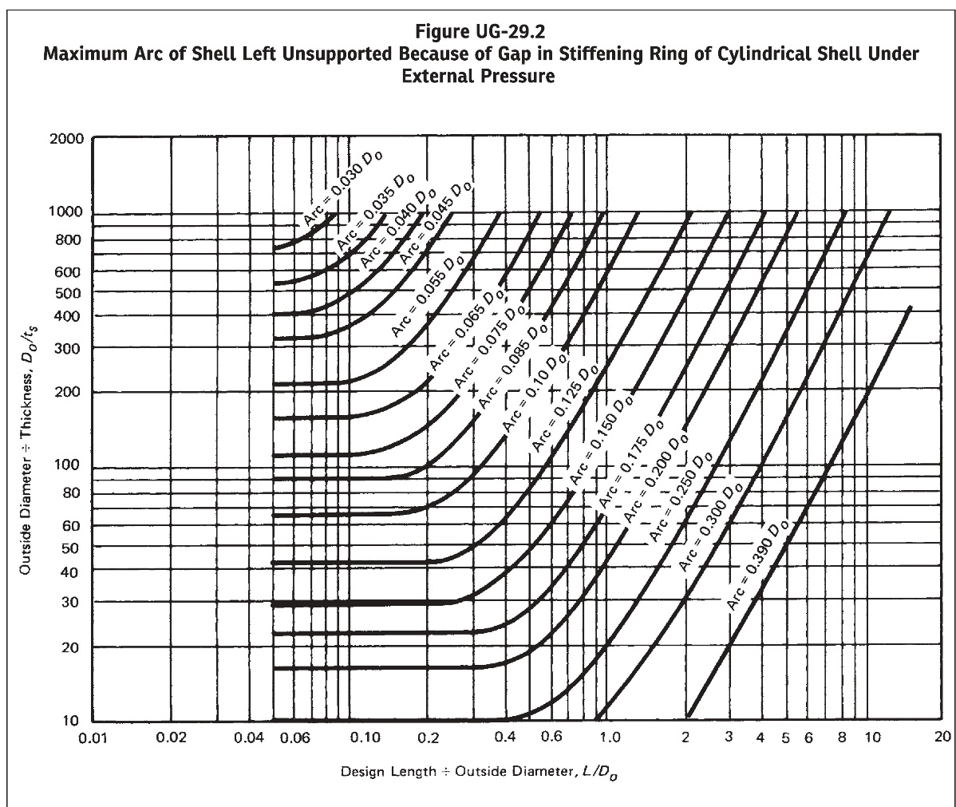
FIGURE UG-80.1 & UG-29.2 RESULT:
L/Do | 4.5454502106
Do/t | 55
Do/ts | 55
Fig. UG-80.1 Output | 0.48923686695
Fig. UG-29.2 Output | 0.3755997706

