Sheet3
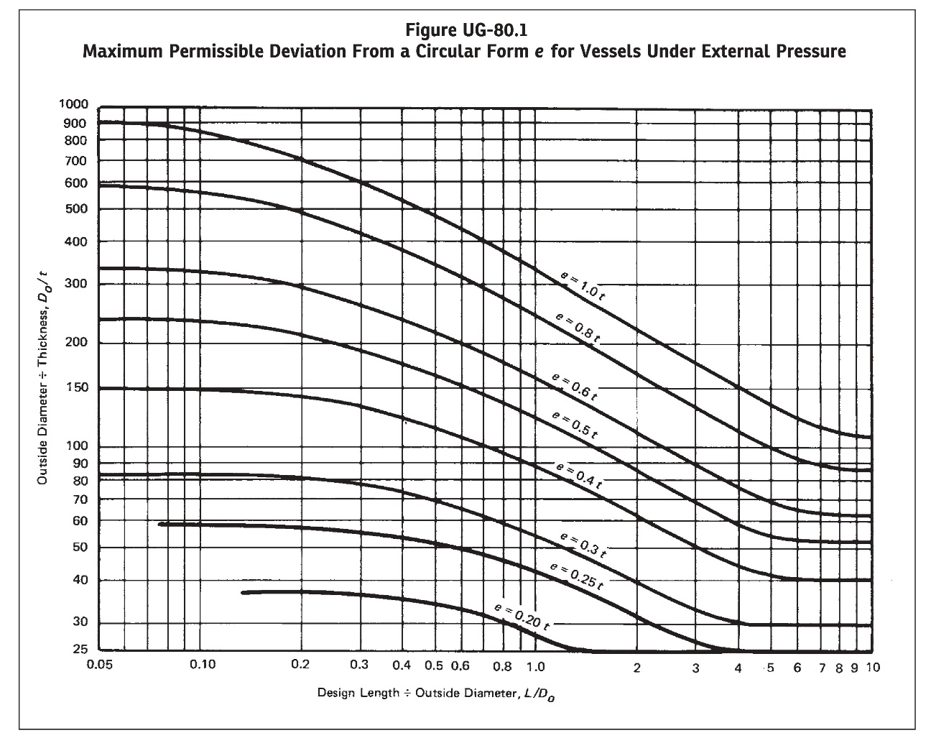
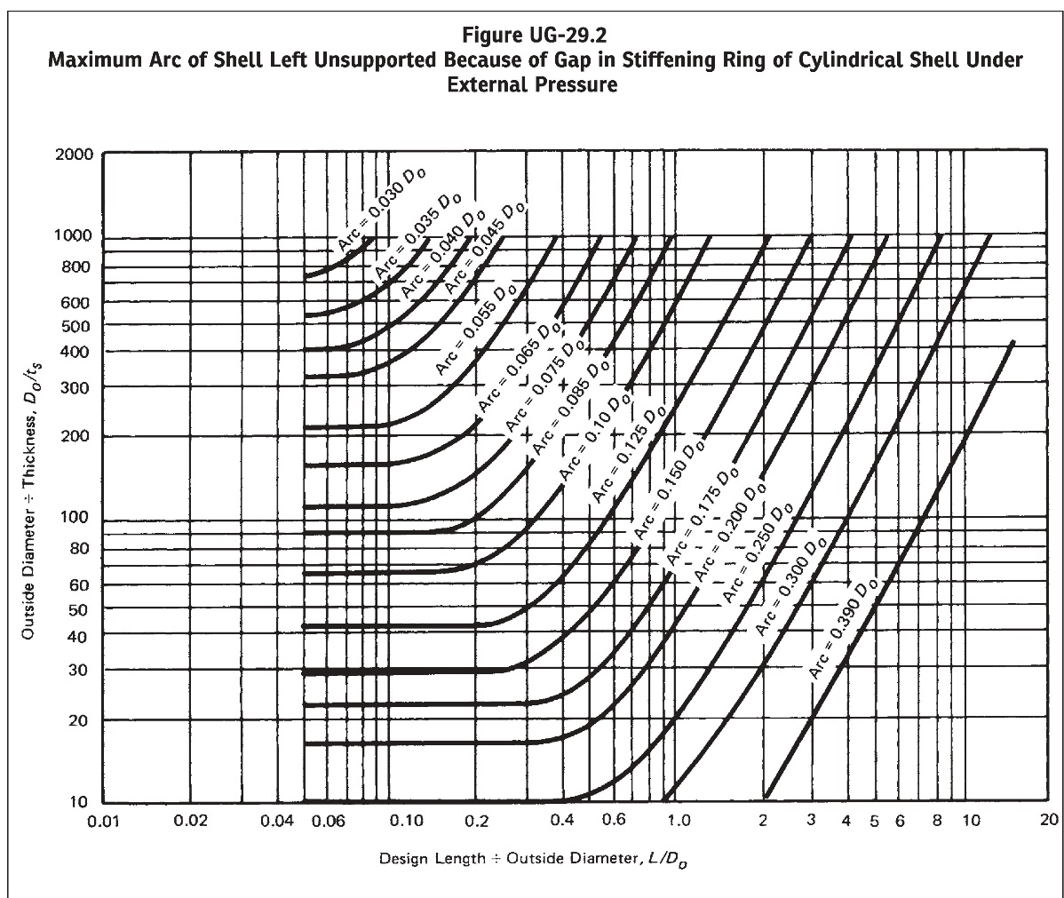
FIGURE UG-80.1 & UG-29.2 RESULT:
L/Do | 0.5
Do/t | 68.193603516
Do/ts | 43.304298401
Fig. UG-80.1 Output | 0.29616680019
Fig. UG-29.2 Output | 0.15456263113

