RegionRevenueEachProduct
Product-wise-Sales By Region

TotalRevenue | Regions
Product | Central | East | North | South | West | Grand Total
Amoxicillin | 546547.02 | 476885.84 | 479481.93 | 458083.95 | 730919.45 | 2691918.19
Aspirin | 655805.25 | 822864.75 | 699402.65 | 565074.39 | 779276.36 | 3522423.4
Atorvastatin | 695107.53 | 549517.18 | 535529.09 | 573805.16 | 464357.28 | 2818316.24
Losartan | 729693.97 | 702774.74 | 566696.78 | 452422.21 | 518616.71 | 2970204.41
Metformin | 809374.8 | 387684.66 | 691154.95 | 717232.97 | 746016.14 | 3351463.52
Grand Total | 3436528.57 | 2939727.17 | 2972265.4 | 2766618.68 | 3239185.94 | 15354325.76

Monthly Sales Report
Month | TotalRevenue | UnitsSold
Apr-2024 | 3490877.2 | 123191
Feb-2024 | 3704661.11 | 133693
Jan-2024 | 4009171.37 | 142929
Mar-2024 | 4149616.08 | 151891
Grand Total | 15354325.76 | 551704

Documentation
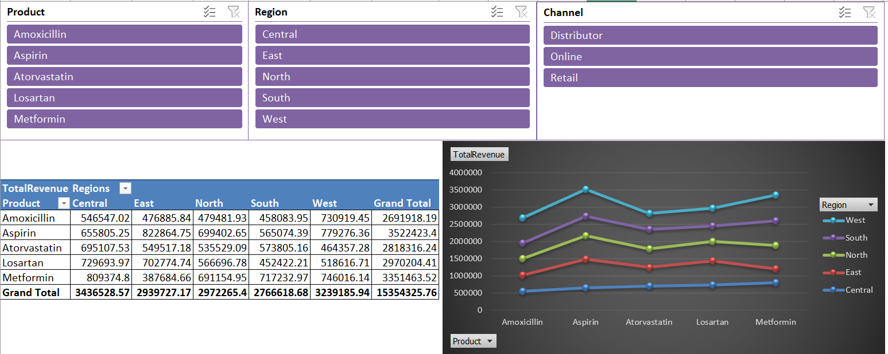
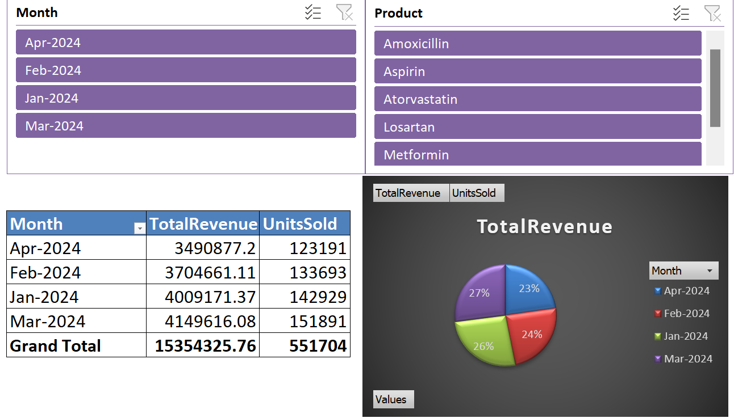
📝 Major Project Documentation Essentials:

🧾 1. Project Title

Healthcare Sales & Performance Tracker

📌 2. Objective

“To build an Excel-based solution that enables healthcare product sales performance monitoring across regions, using data analysis and interactive dashboards.”

🛠️ 3. Tools Used

Excel (Formulas, Pivot Table, Charts, Slicers, Conditional Formatting)

📊 4. Key Insights (Examples)
 | s
Metformin generated ₹X revenue in North region — highest among all.

Online channel underperformed in East region.

February recorded the lowest sales due to reduced demand post-campaign.

📉 5. Dashboard Screenshots

Include:

Product-wise Sales by Region
Product-wise-Sales By Region
 | Central | East | North | South | West
Amoxicillin | 546547.02 | 476885.84 | 479481.93 | 458083.95 | 730919.45
Aspirin | 655805.25 | 822864.75 | 699402.65 | 565074.39 | 779276.36
Atorvastatin | 695107.53 | 549517.18 | 535529.09 | 573805.16 | 464357.28
Losartan | 729693.97 | 702774.74 | 566696.78 | 452422.21 | 518616.71
Metformin | 809374.8 | 387684.66 | 691154.95 | 717232.97 | 746016.14

Revenue Trend by Month

 | TotalRevenue | UnitsSold
Apr-2024 | 3490877.2 | 123191
Feb-2024 | 3704661.11 | 133693
Jan-2024 | 4009171.37 | 142929
Mar-2024 | 4149616.08 | 151891

Filterable Dashboard with Slicers

