Sec - Oct
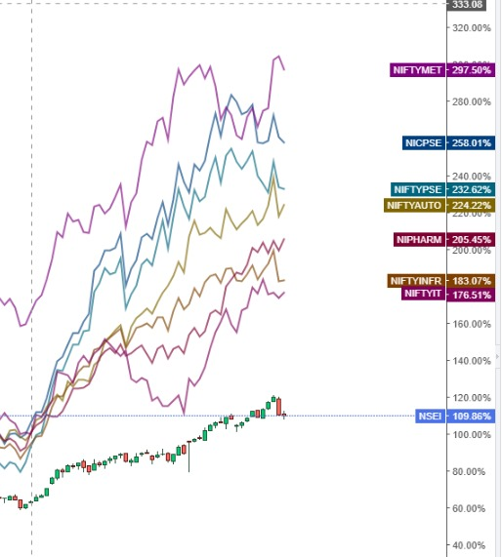
Metal | National Auluminium | Hindalco | Jindal Steel & Power | JSW Steel | Jindal Stainless Steel

PSE | REC | PFC

Auto | KPIT

Pharma | Natco | Medanta | Dr Reddy's Lab

Infra

IT/Telcom

Solar (Energy + Power) | Premier Energy

Defence (Ship / Drone) | ETF

Data Center

Wealth Management | Navuma | Anant Rathi | Motilal Oswal

Add on dip | Zomato | Airtel | BSE | CDSL | CAMS

