playground
 |  | 0 | 0 | 0 | 0 | 0 | 0 | 0 | 0 | 0 | 0 | 0 | 0 | 0 | 0
 |  | 1 | 787.6752 | 1033.011772 | 21.375 | 757.608311 | 940.5136 | 69.368027 | 704.738862 | 611.88357 | 27.040511 | 651.802288 | 626.739934 | 44.079302 | 611.265817
 |  | 2 | 1768.03 | 1040.226962 | 851.045125 | 1868.597196 | 967.9051 | 807.768259 | 1612.948351 | 638.630774 | 796.698172 | 1397.298388 | 723.307426 | 618.199845
 |  | 3 | 1783.23 | 1425.709557 | 1699.636313 | 1904.154628 | 1432.6252 | 1384.728803 | 1660.947768 | 955.892401 | 1580.559686 | 1460.789871 | 1167.615071
0 | 0 | 0 | 0 | 0 | 0 | 0 | 0 | 0 | 0 | 0 | 0 | 0
1 | 787.6752 | 1033.011772 | 21.375 | 757.608311 | 940.5136 | 69.368027 | 704.738862 | 611.88357 | 27.040511 | 651.802288 | 626.739934 | 44.079302
2 | 1768.03 | 1040.226962 | 851.045125 | 1868.597196 | 967.9051 | 807.768259 | 1612.948351 | 638.630774 | 796.698172 | 1397.298388 | 723.307426 | 618.199845
3 | 1783.23 | 1425.709557 | 1699.636313 | 1904.154628 | 1432.6252 | 1384.728803 | 1660.947768 | 955.892401 | 1580.559686 | 1460.789871 | 1167.615071
4 | 2206.0072 | 1729.158291 | 1744.835063 | 2440.98978 | 1942.901073 | 1422.932884 | 2168.152178 | 1322.612444 | 1651.166109 | 1834.205374
5 | 2464.4244 | 1739.411456 | 2092.316313 | 3054.2501 | 1981.19074 | 1837.684544 | 2788.245845 | 1376.351648 | 2016.227307
6 | 2514.4244 | 1983.792468 | 2613.832563 | 3104.018174 | 2279.474943 | 2258.134714 | 2828.7796 | 1621.723831
7 | 2884.8042 | 2172.734342 | 2631.832563 | 3491.983063 | 2696.947077 | 2262.17383 | 3162.811583
8 | 3279.4392 | 2172.734342 | 2842.984125 | 4009.331083 | 2718.90291 | 2611.909878
9 | 3305.4152 | 2325.423582 | 3275.657563 | 4038.524833 | 2936.33591
10 | 3522.5102 | 2507.345418 | 3324.146688 | 4307.060921
11 | 3730.1902 | 2569.482886 | 3499.710625
12 | 3745.4402 | 2688.061367
13 | 3948.8726
 |  | 4 | 2206.0072 | 1729.158291 | 1744.835063 | 2440.98978 | 1942.901073 | 1422.932884 | 2168.152178 | 1322.612444 | 1651.166109 | 1834.205374
 |  | 5 | 2464.4244 | 1739.411456 | 2092.316313 | 3054.2501 | 1981.19074 | 1837.684544 | 2788.245845 | 1376.351648 | 2016.227307
 |  | 6 | 2514.4244 | 1983.792468 | 2613.832563 | 3104.018174 | 2279.474943 | 2258.134714 | 2828.7796 | 1621.723831
 |  | 7 | 2884.8042 | 2172.734342 | 2631.832563 | 3491.983063 | 2696.947077 | 2262.17383 | 3162.811583
 |  | 8 | 3279.4392 | 2172.734342 | 2842.984125 | 4009.331083 | 2718.90291 | 2611.909878
 |  | 9 | 3305.4152 | 2325.423582 | 3275.657563 | 4038.524833 | 2936.33591
Cohort size
1 | 17
2 | 22
3 | 25
4 | 28
5 | 103
6 | 69
7 | 83
8 | 38
9 | 73
10 | 63
11 | 91
12 | 76
13 | 253
14 | 211
15 | 299
16 | 176
17 | 409
18 | 207
 |  | 10 | 3522.5102 | 2507.345418 | 3324.146688 | 4307.060921
Employer LTV heatmap
 |  | 11 | 3730.1902 | 2569.482886 | 3499.710625
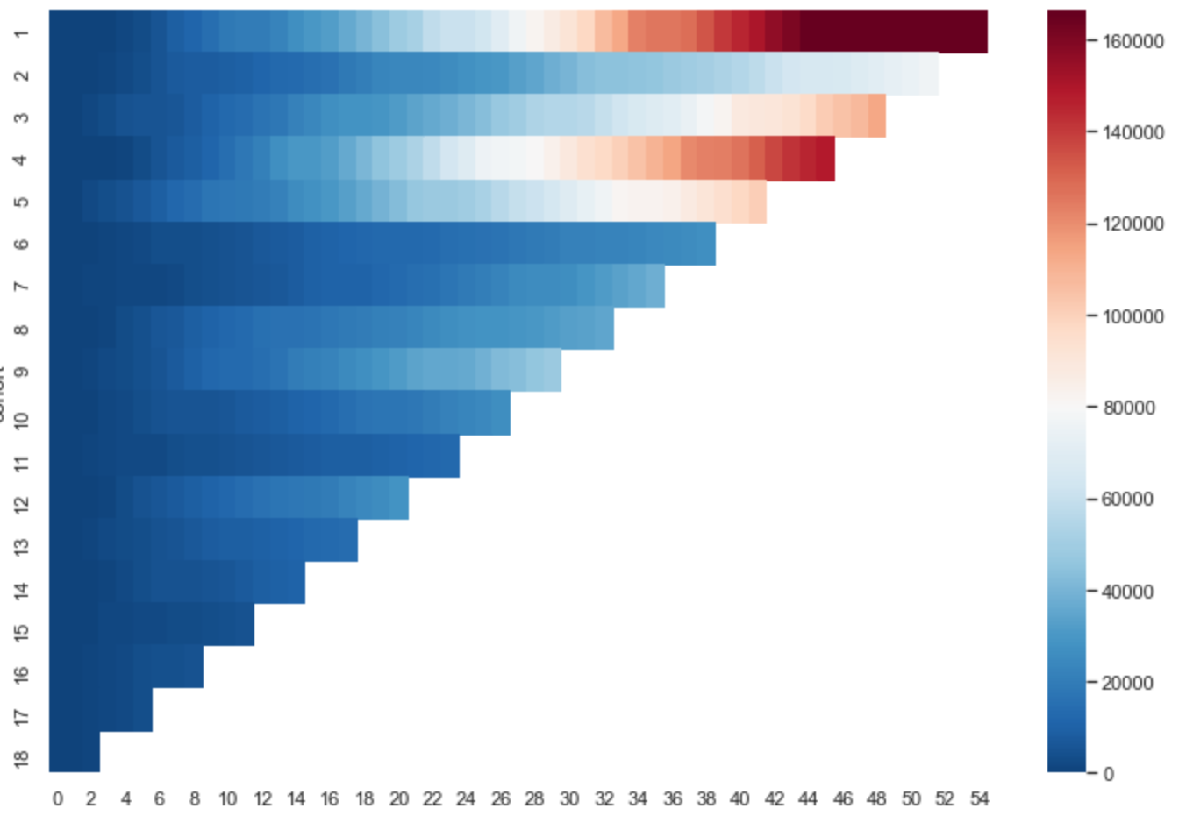
$
 |  | 12 | 3745.4402 | 2688.061367
 |  | 13 | 3948.8726

1 | 17 |  | 2015-01 | 1
2 | 22 |  | 2015-02 | 6
3 | 25 |  | 2015-03 | 2
4 | 28 |  | 2015-04 | 16
5 | 103 |  | 2015-05 | 8
6 | 69 |  | 2015-06 | 20
7 | 83 |  | 2015-07 | 19
Months since cohort start
8 | 38 |  | 2015-08 | 32
9 | 73 |  | 2015-09 | 20
10 | 63 |  | 2015-10 | 20
11 | 91 |  | 2015-11 | 5
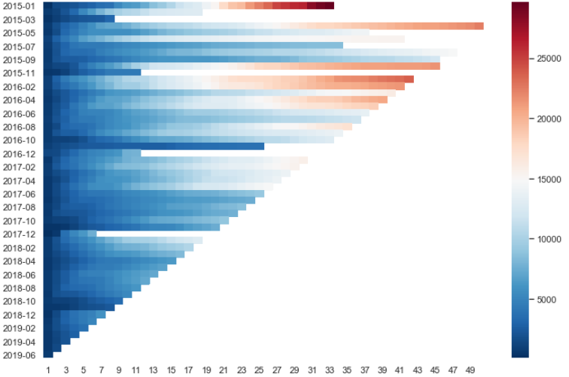
12 | 76 |  | 2016-01 | 35
13 | 253 |  | 2016-02 | 93
14 | 211 |  | 2016-03 | 82
15 | 299 |  | 2016-04 | 73
16 | 176 |  | 2016-05 | 48
17 | 409 |  | 2016-06 | 103
18 | 207 |  | 2016-07 | 79
 |  |  | 2016-08 | 77
 |  |  | 2016-09 | 41
 |  |  | 2016-10 | 59
 |  |  | 2016-11 | 10
 |  |  | 2016-12 | 3
 |  |  | 2017-01 | 75
 |  |  | 2017-02 | 173
 |  |  | 2017-03 | 140
 |  |  | 2017-04 | 121
 |  |  | 2017-05 | 80
 |  |  | 2017-06 | 149
 |  |  | 2017-07 | 96
 |  |  | 2017-08 | 112
 |  |  | 2017-09 | 108
 |  |  | 2017-10 | 95
 |  |  | 2017-11 | 26
 |  |  | 2017-12 | 1
 |  |  | 2018-01 | 152
 |  |  | 2018-02 | 223
 |  |  | 2018-03 | 219
 |  |  | 2018-04 | 143
 |  |  | 2018-05 | 110
 |  |  | 2018-06 | 160
 |  |  | 2018-07 | 217
 |  |  | 2018-08 | 265
 |  |  | 2018-09 | 267
 |  |  | 2018-10 | 261
 |  |  | 2018-11 | 47
 |  |  | 2018-12 | 26
 |  |  | 2019-01 | 253
 |  |  | 2019-02 | 468
 |  |  | 2019-03 | 394
 |  |  | 2019-04 | 236
 |  |  | 2019-05 | 173
 |  |  | 2019-06 | 286

