Sheet1
Well Position | Name | Sequence | structure diagram | free energy (kcal/mol)
A1 | SERPINB3_006919_chr18_0 | TGACTTGNNNNNNATTCCCATGGTTCTCAACGTGTCCTTGAGGAGATCGGAAGAGCGTCG
A2 | SERPINB3_006919_chr18_1 | TGACTTGNNNNNNCATCTGCAGGTGAACATTTTCCAAATGGAGAGATCGGAAGAGCGTCG
A3 | SERPINB3_006919_chr18_2 | TGACTTGNNNNNNGATAGCACGAGACCGCGGCTCCCGGTCATGAGATCGGAAGAGCGTCG
A4 | SERPINB3_006919_chr18_3 | TGACTTGNNNNNNTCCTCCAGCGAGGCAAAATGAAAAGATGTGAGATCGGAAGAGCGTCG
A5 | SERPINB3_006919_chr18_4 | TGACTTGNNNNNNTAGGTGATGATCCGAATCCTACTACAGCGGAGATCGGAAGAGCGTCG
B1 | RPL28_000991_chr19_5 | TGACTTGNNNNNNGGAGCGGCCACTGAGATGAGACCTAAGTGAAGATCGGAAGAGCGTCG
B2 | RPL28_000991_chr19_6 | TGACTTGNNNNNNATGGGGACACCTGGAGGACGGGAGTAGGGGAGATCGGAAGAGCGTCG
B3 | RPL28_000991_chr19_7 | TGACTTGNNNNNNCAGGCCAAAGGAAACAAGAGGGCTGGGCAAAGATCGGAAGAGCGTCG
B4 | RPL28_000991_chr19_8 | TGACTTGNNNNNNGTTCCTCCACCCCAACCCACCGATAGCATTAGATCGGAAGAGCGTCG
B5 | RPL28_000991_chr19_9 | TGACTTGNNNNNNCTGGGCTGTGTTACGGATGAGACCAGGGGAAGATCGGAAGAGCGTCG
C1 | ACTB_001101_chr7_10 | TGACTTGNNNNNNACGATGCCAGTGGTACGGCCAGAGGCGTACAGATCGGAAGAGCGTCG
C2 | ACTB_001101_chr7_11 | TGACTTGNNNNNNGGGCAGCGGAACCGCTCATTGCCAATGGTGAGATCGGAAGAGCGTCG
C3 | ACTB_001101_chr7_12 | TGACTTGNNNNNNGGGGAGGGCATACCCCTCGTAGATGGGCACAGATCGGAAGAGCGTCG
C4 | ACTB_001101_chr7_13 | TGACTTGNNNNNNATGACCTGGCCGTCAGGCAGCTCGTAGCTCAGATCGGAAGAGCGTCG
C5 | ACTB_001101_chr7_14 | TGACTTGNNNNNNGGGATAGCACAGCCTGGATAGCAACGTACAAGATCGGAAGAGCGTCG
D1 | CLCN6_001286_chr1_15 | TGACTTGNNNNNNACTGCCACTCTGGACCCCTCTACCAACCCCAGATCGGAAGAGCGTCG
D2 | CLCN6_001286_chr1_16 | TGACTTGNNNNNNGTGTGCGGGTAGACGTAGGTCAGGTTGGGCAGATCGGAAGAGCGTCG
D3 | CLCN6_001286_chr1_17 | TGACTTGNNNNNNCACTGGAGGGTGGGAACACAGGGAGCAGGAAGATCGGAAGAGCGTCG | 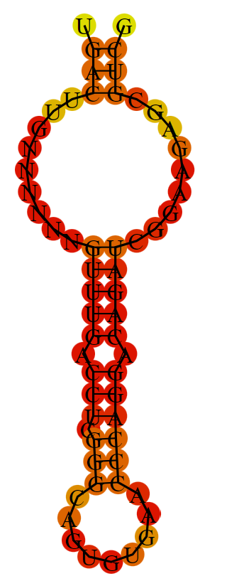 | -12
D4 | CLCN6_001286_chr1_18 | TGACTTGNNNNNNGCAGCTCCACACAGCAGAGAAGGCACAAAAAGATCGGAAGAGCGTCG
D5 | CLCN6_001286_chr1_19 | TGACTTGNNNNNNTGTTGGGCGAGACGGTGAAAGGCGAAGGGTAGATCGGAAGAGCGTCG
E1 | SCYL3_020423_chr1_20 | TGACTTGNNNNNNGATAGTAAGGTGCAGAGCGCTGGCCGACATAGATCGGAAGAGCGTCG
E2 | SCYL3_020423_chr1_21 | TGACTTGNNNNNNGGGAGGAGGCCGAGGGTCTTGGCTCTGGTAAGATCGGAAGAGCGTCG
E3 | SCYL3_020423_chr1_22 | TGACTTGNNNNNNATGTGAGACAGCAGCACCATCCGCACATGCAGATCGGAAGAGCGTCG
E4 | SCYL3_020423_chr1_23 | TGACTTGNNNNNNTAATGAGCTCCTGGGATGGGAAAAGCAGGCAGATCGGAAGAGCGTCG
E5 | SCYL3_020423_chr1_24 | TGACTTGNNNNNNCTGTTGACACCAACCACCCCTGCCTGCCTGAGATCGGAAGAGCGTCG
F1 | GCLC_001498_chr6_25 | TGACTTGNNNNNNGCGGAGGCGAAGGCAGAAGACCGAGAGCAGAGATCGGAAGAGCGTCG
F2 | GCLC_001498_chr6_26 | TGACTTGNNNNNNGTTTGACCTCGGGCAGTGTGAACCCAGGACAGATCGGAAGAGCGTCG
F3 | GCLC_001498_chr6_27 | TGACTTGNNNNNNGTCCTTGTGCCGGTCCTTGACGGCGTGGTAAGATCGGAAGAGCGTCG
F4 | GCLC_001498_chr6_28 | TGACTTGNNNNNNCACGTGGTCGGCATGGCGCTTGGTTTCCTCAGATCGGAAGAGCGTCG
F5 | GCLC_001498_chr6_29 | TGACTTGNNNNNNCTCCCGCTTCTCTTTGCCGGTCTGGTGCACAGATCGGAAGAGCGTCG
G1 | PTBP1_002819_chr19_30 | TGACTTGNNNNNNTTTTCTAGGCGACTGCAGGTGAAGGCGTGGAGATCGGAAGAGCGTCG
G2 | PTBP1_002819_chr19_31 | TGACTTGNNNNNNAAGGCAGGTCTGGGCGTGTGTAGTCACGGCAGATCGGAAGAGCGTCG
G3 | PTBP1_002819_chr19_32 | TGACTTGNNNNNNTGGGTGTGTGGCTGCAGGAAGGCAGGTTTTAGATCGGAAGAGCGTCG
G4 | PTBP1_002819_chr19_33 | TGACTTGNNNNNNCCTGCCTCTACAGCGTCCACAGCGAACACAAGATCGGAAGAGCGTCG
G5 | PTBP1_002819_chr19_34 | TGACTTGNNNNNNGGCGGGGTGAAGGGAGAATCACGTGACTTGAGATCGGAAGAGCGTCG
H1 | HBG2_000184_chr11_35 | TGACTTGNNNNNNGGACAGGTTGCCAAAGCTGTCAAAGAACCTAGATCGGAAGAGCGTCG
H2 | HBG2_000184_chr11_36 | TGACTTGNNNNNNCTTCTGCCAGGAAGCCTGCACCTCAGGGGTAGATCGGAAGAGCGTCG
H3 | HBG2_000184_chr11_37 | TGACTTGNNNNNNAGTTCACTCAGCTGGGCAAAGGTGCCCTTGAGATCGGAAGAGCGTCG
H4 | HBG2_000184_chr11_38 | TGACTTGNNNNNNGGACAGGGCACTGGCCACTCCAGTCACCATAGATCGGAAGAGCGTCG
H5 | HBG2_000184_chr11_39 | TGACTTGNNNNNNTCATGGGCAGTGAGCTCAGTGGTATCTGGAAGATCGGAAGAGCGTCG

