uart
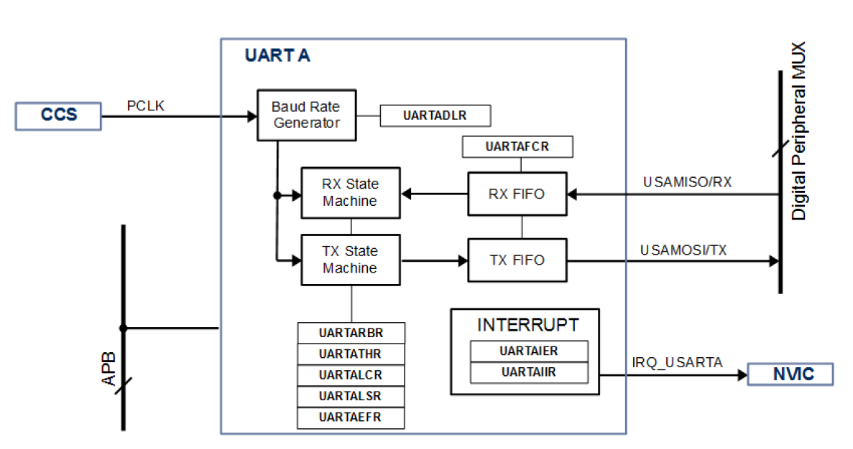
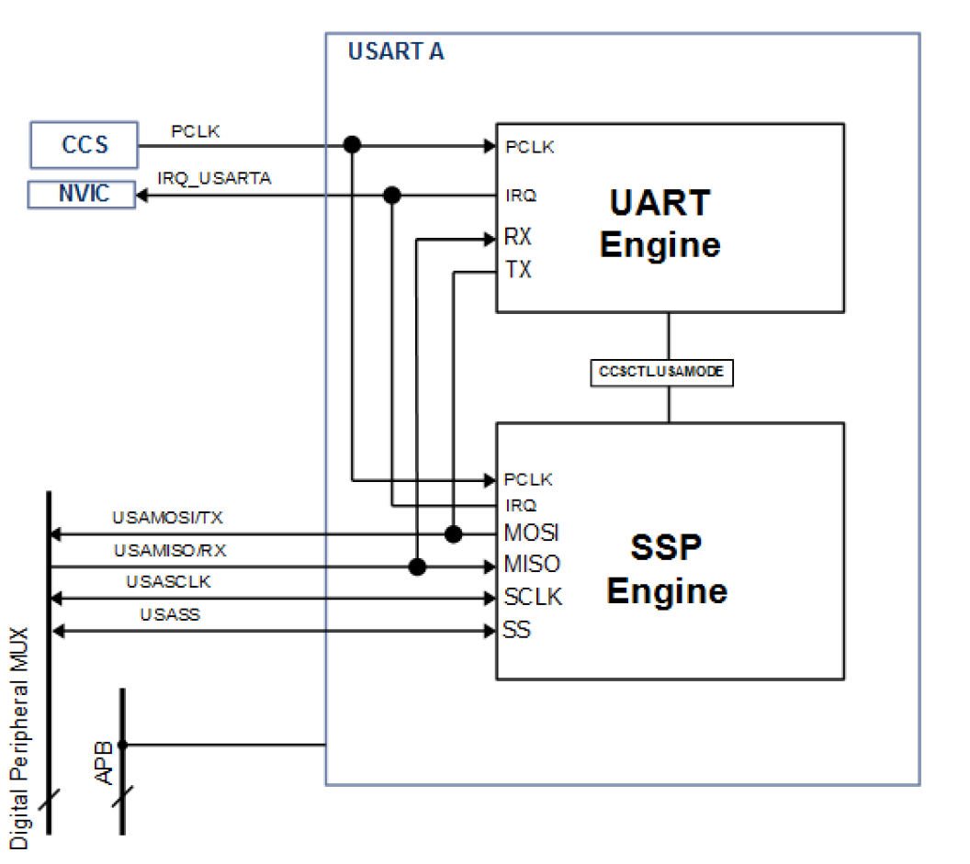

don`t use fifo | configuration step
 | 1 | select mode to UART by writing CCSCTL.USAMODE = 1
 | 2 | configure uart about parity checking, break control, stop bits and word length
 | 3 | configure Baud Rate = PCLK / (16 * UARTADLR)
 | 4 | configure GPIO

use fifo

