Ansible_note
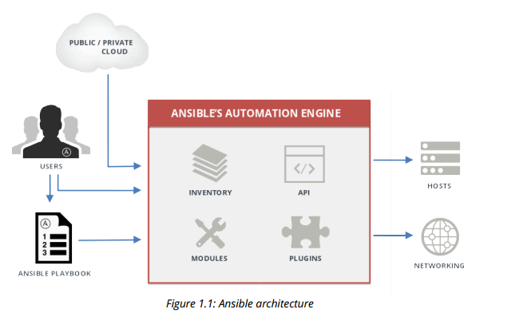
1. Overview of Ansible Architecture
 | Ansible concepts and architecture

2. Deploying Ansible
 | Installing Ansible
 |  | Ansible prerequisites : Python 2, version 2.6 or later be installed
 |  |  | SSH key-based authentication
 | Managing Ansible Configuration Files
 |  | Configuring Ansible
 |  |  | /etc/ansible/ansible.cfg
3. Implementing Modules
 | There are three types of Ansible module: Core, extras, and custom modules
 |  |  | library = /usr/share/my_modules/
 | Module categories
 |  |  | Cloud
 |  |  | Clustering
 |  |  | Commands
 |  |  | Database
 |  |  | Files
 |  |  | Inventory
 |  |  | Messaging
 |  |  | Monitoring
 |  |  | Network
 |  |  | Notification
 |  |  | Packaging
 |  |  | Source Control
 |  |  | System
 |  |  | Utilities
 |  |  | Web Infrastructure
 |  |  | Windows
 | Module documentation
 |  |  | ansible-doc -l
5. Managing Variables and Inclusions
 |  | Values that variables might contain include
 |  |  | • Users to create
 |  |  | • Packages to install
 |  |  | • Services to restart
 |  |  | • Files to remove
 |  |  | • Archives to retrieve from the Internet
 |  | Naming variables
 |  | Defining variables
 |  |  | Global scope: Variables set from the command line or Ansible configuration
 |  |  | Play scope: Variables set in the play and related structures
 |  |  | Host scope: Variables set on host groups and individual hosts by the inventory, fact gathering,
 |  |  | or registered task
 |  | Host variables and group variables
6. Implementing Task Control
 |  | Constructing Flow Control
 |  |  | Ansible loops
 |  |  | Conditionals
 |  | Implementing Handlers
 |  |  | tasks: - name: copy httpd.conf configuration template copy: src: /var/lib/templates/httpdconf.template dest: /etc/httpd/conf.d/httpd.conf notify: - restart_apache handlers: - name: restart_apache service: name: httpd state: restarted

7. Implementing Roles
 |  | • Roles group content, allowing easy sharing of code with others
 |  | • Roles can be written that define the essential elements of a sys
 |  | server, git repository, or other purpose
 |  | • Roles make larger projects more manageable
 |  | • Roles can be developed in parallel by different administrators
 | Ansible role subdirectories
 |  | defaults | The main.yml file in this directory contains the default values of role variables that can be overwritten when the role is used.
 |  | files | This directory contains static files that are referenced by role tasks.
 |  | handlers | The main.yml file in this directory contains the role's handler definitions.
 |  | meta | The main.yml file in this directory contains information about the role, including author, license, platforms, and optional role dependencies.
 |  | tasks | The main.yml file in this directory contains the role's task definitions.
 |  | templates | This directory contains Jinja2 templates that are referenced by role tasks.
8. Implementing Ansible Vault
 |  | • Use Ansible Vault to create a new encrypted file or encrypt an existing file.
 |  | • Use Ansible Vault to view, edit, or change the password on an existing encryp
 |  | • Remove encryption from a file that has been encrypted with Ansible Vault.

 | Configuring Ansible Vault
 |  | ansible-vault create secret.yml
 |  |  | New Vault password: ansiblepassword
 |  |  | Confirm New Vault password: ansiblepassword
 |  | ansible-vault create --vault-password-file=vault-pass secret.yml

Jenkin_Setup
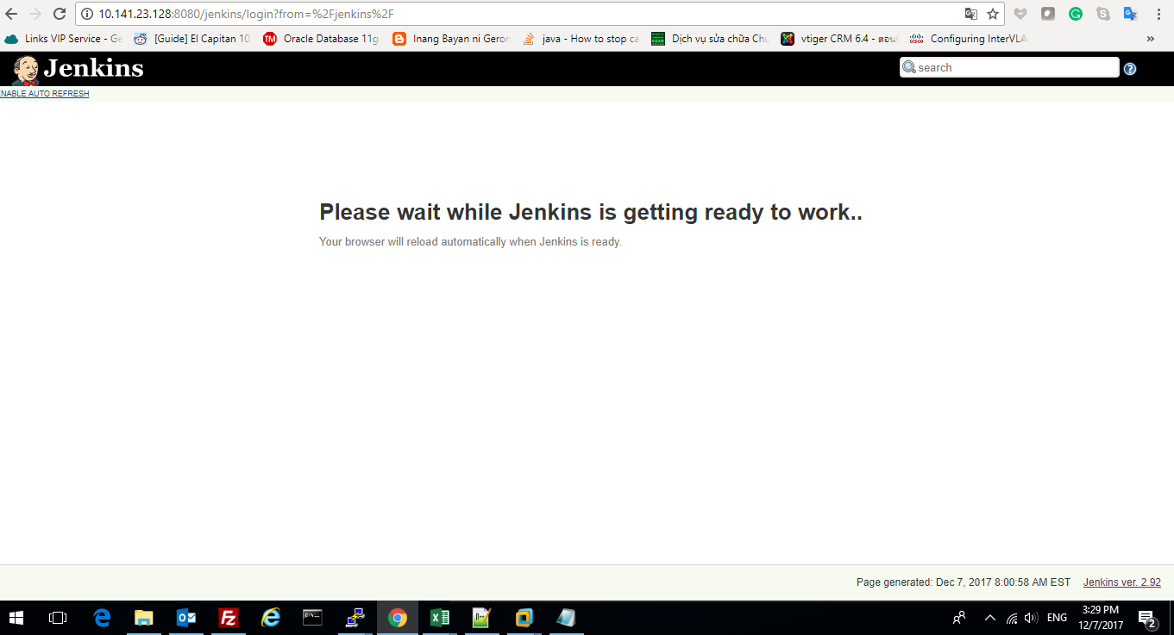
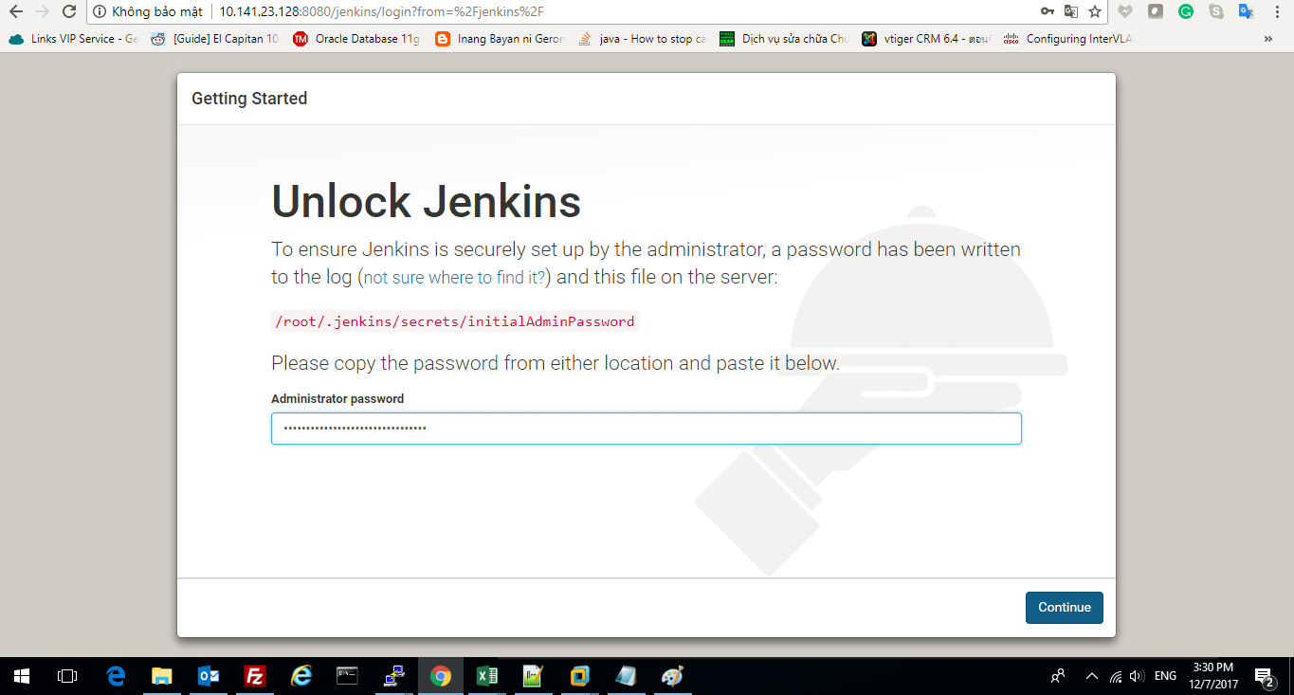
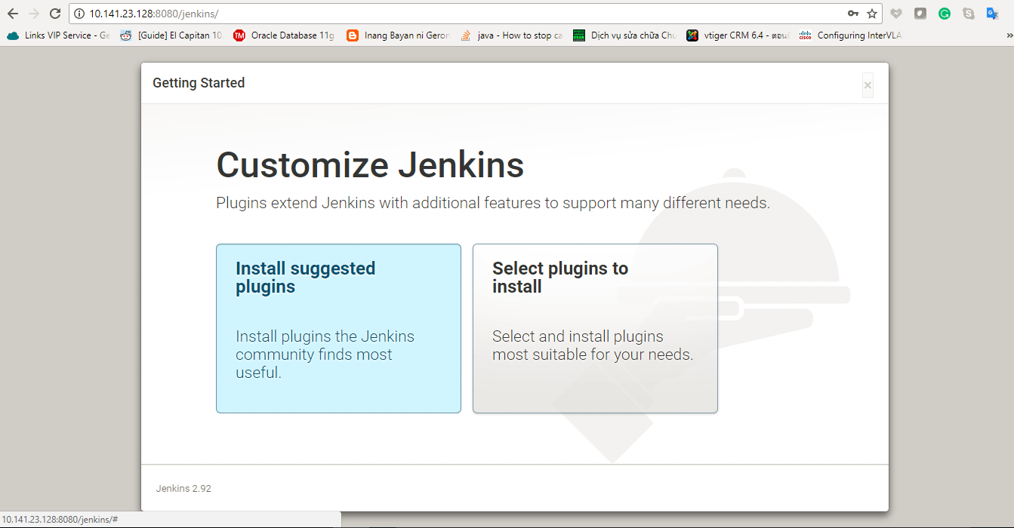
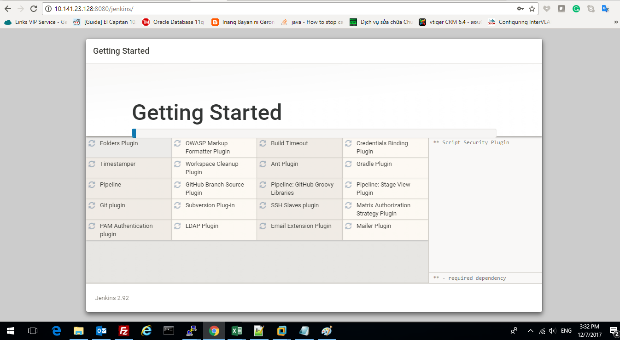
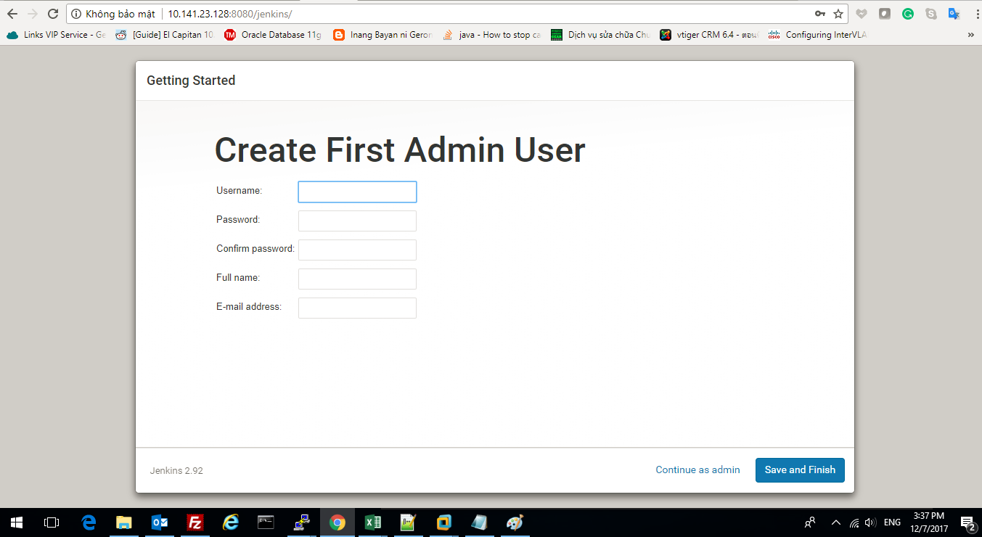
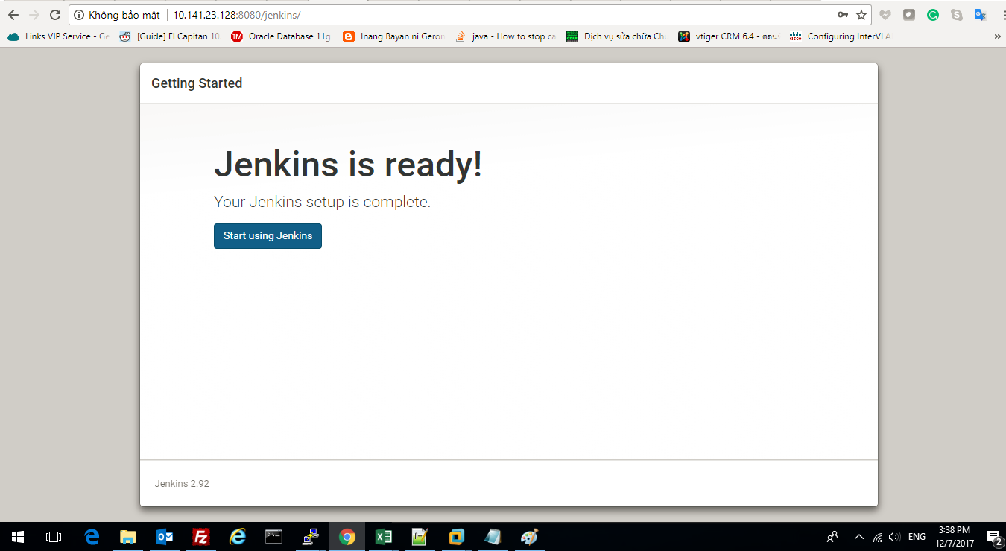
Installing Jenkins
 | Prerequisites
 |  | openjdk version "1.8.0_151"
 | Download Jenkins
 |  | $ wget http://mirrors.jenkins-ci.org/war/latest/jenkins.war
 | Jenkins version
 |  | $java -jar jenkins.war --version
 |  |  | 2.98
 | Deploy Jenkins
 |  | $ java -jar jenkins.war
 |  | Jenkins uses the default port of 8080. To use a different port, run:
 |  |  | java -jar jenkins.war --httpPort=9090
 |  | Jenkins initial setup is required. An admin user has been created and a password generated.
 |  | Please use the following password to proceed to installation:
 |  |  | 486c0fd20cea412a8459839158b22300
 |  | This may also be found at: /root/.jenkins/secrets/initialAdminPassword

 | browse to http://localhost:8080

Jenkins_Git
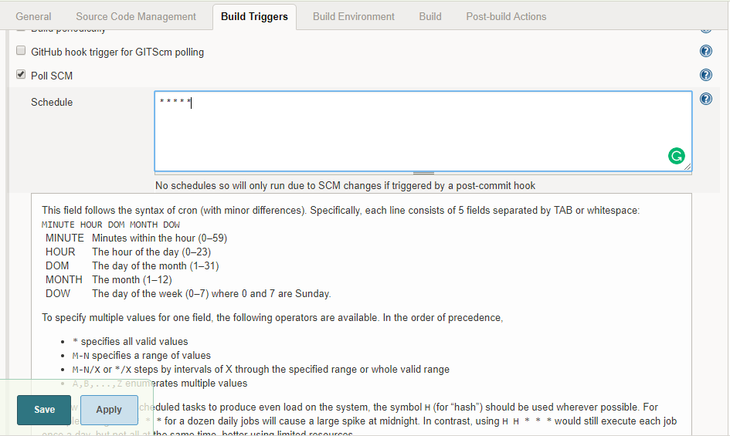
GitHUb Repository

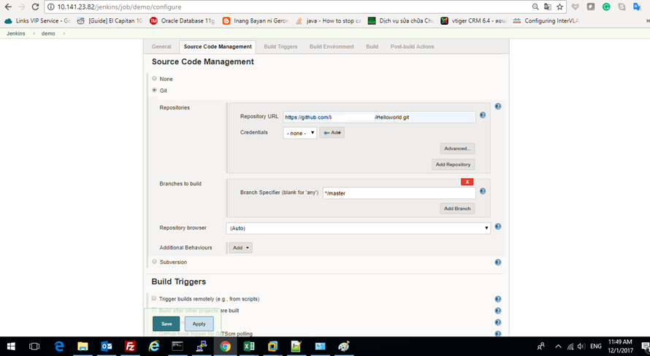

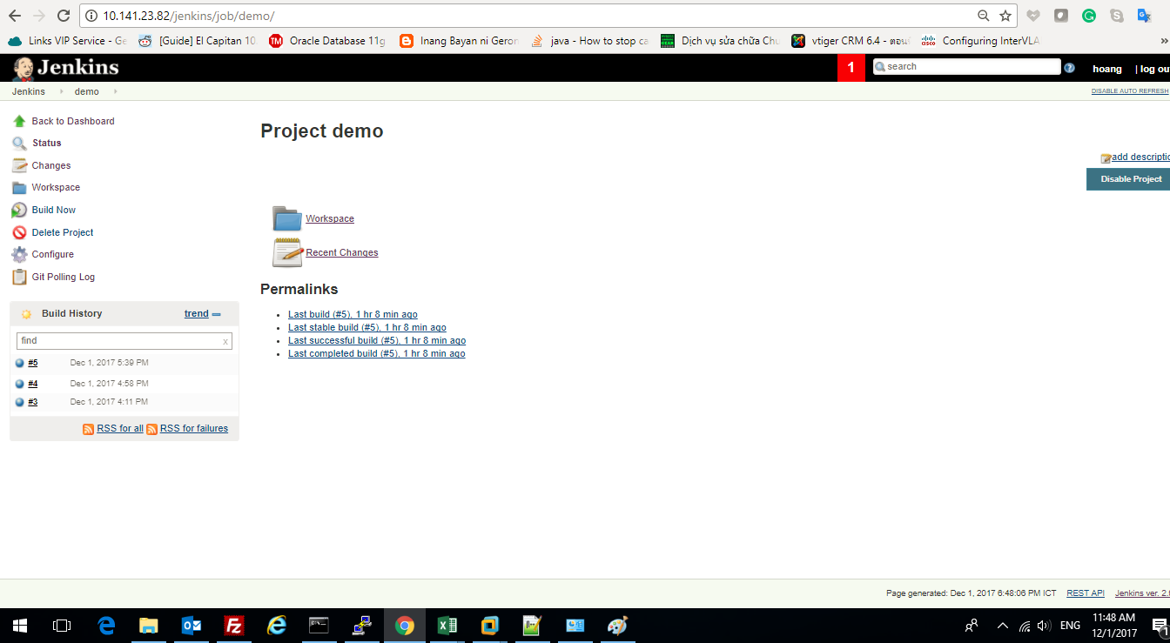

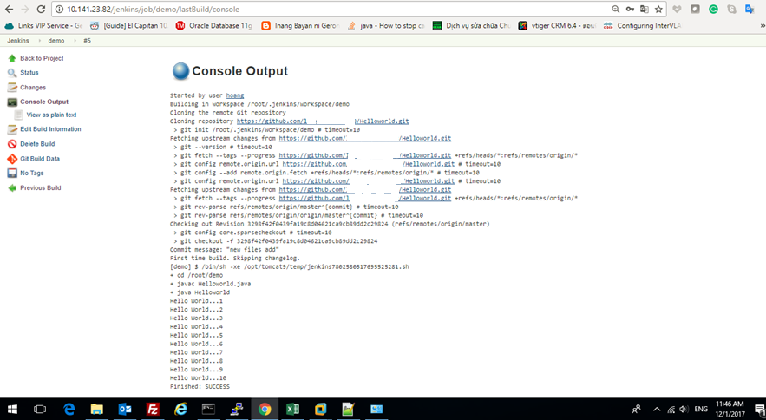

We may want to pick the Poll SCM option and enter H * * * * in the Schedule box ("every hour")

Jenkins_Ans_Model_Emoney
development
Manage
Build/Test
 | VMs

Git Server
Jenkins/Ansible CI server
WEPAPP, DB, ZABBIX.. Development Environment
Clone/Fetch
Deploy

Deploy
Pull
Push
Promote

Dev Tools (Netbean, ...)
Or config infra
Checkout
Local Clone of Repository
WEBAPP, DB, ZABBIX.. Testing Environment
Deploy
Commit

Promote

WEB-APP, DB, Zabbix.. Production Environment

Jenkins - Execute Shell Script :/OPER/shell/util/
Jenkins - Execute ansible command to deploy infra

Jenkins_Ans_all_EM
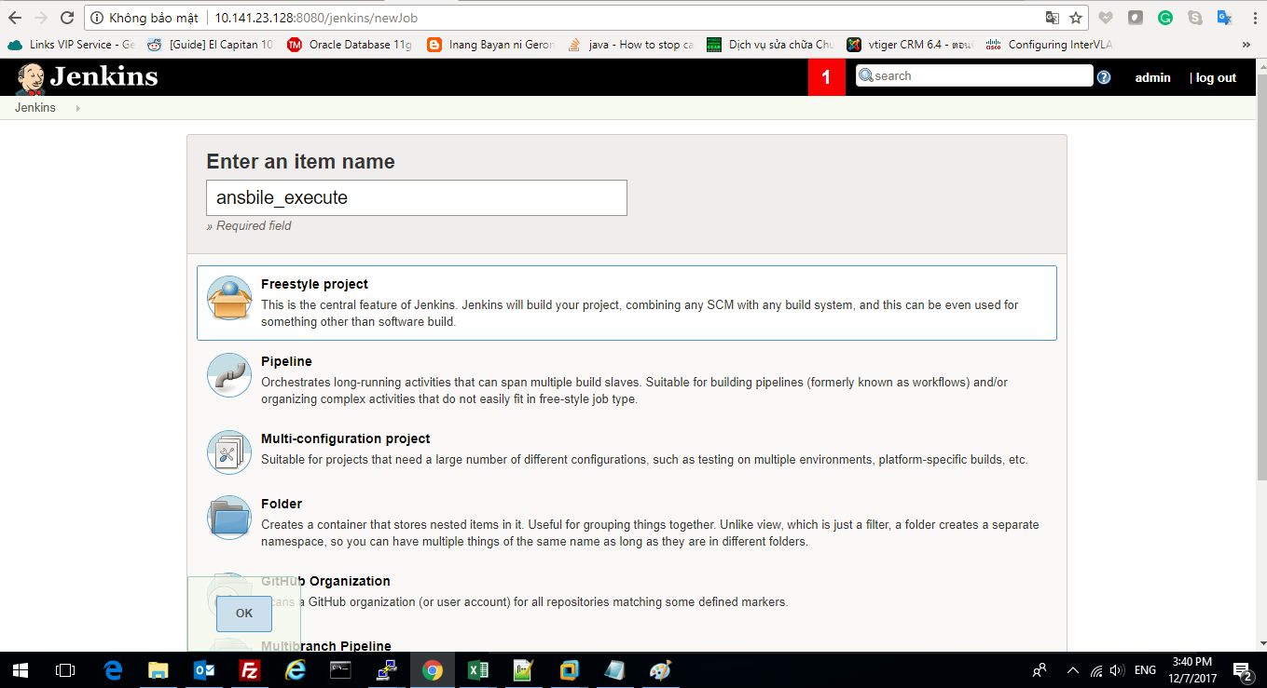
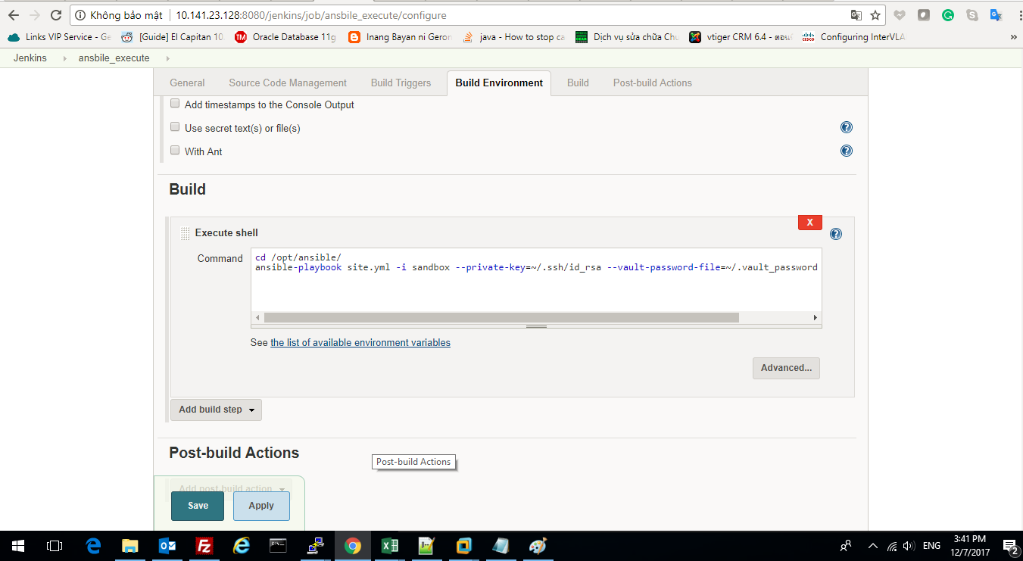
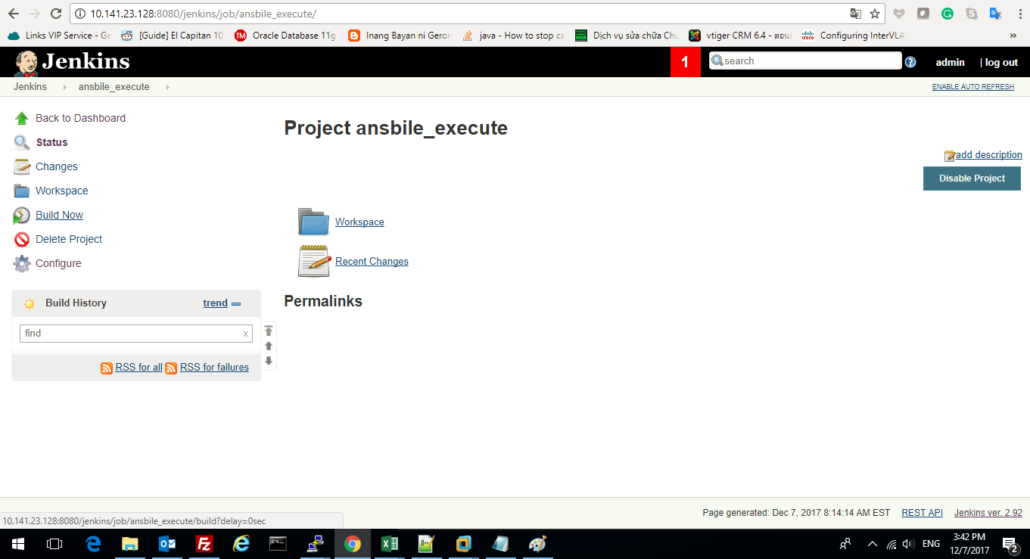
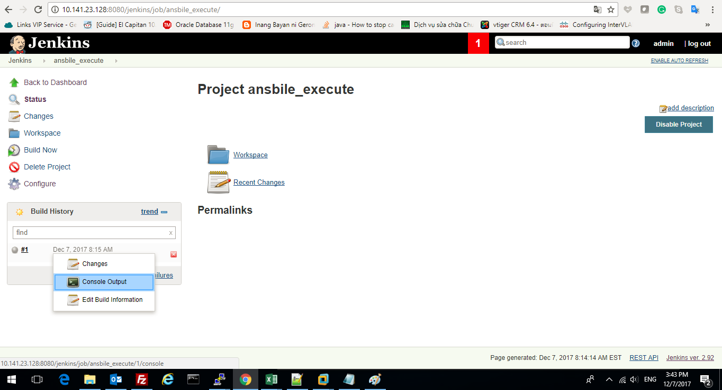
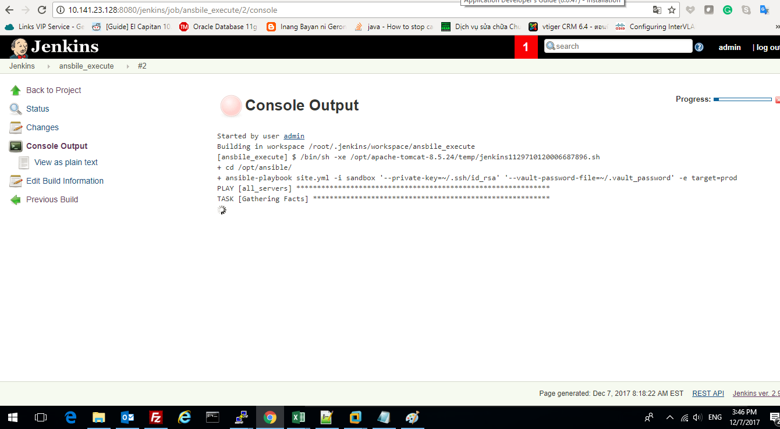
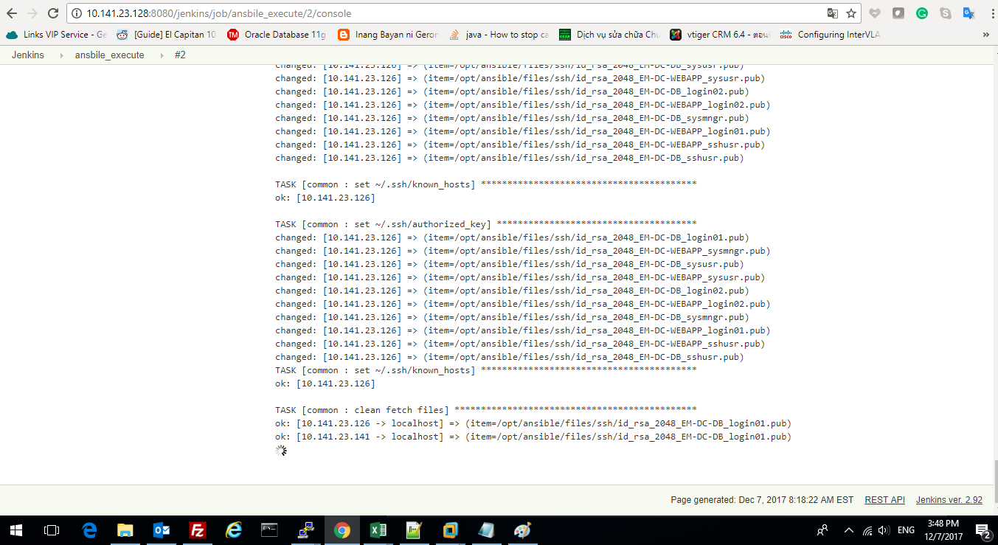
Jenkins: Call ansible command setup EM Prod

Jenkins_Ans_OS_Setting_EM
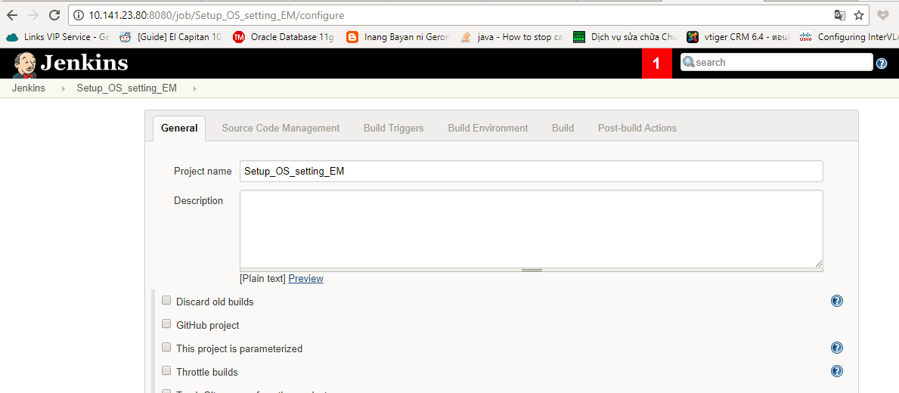
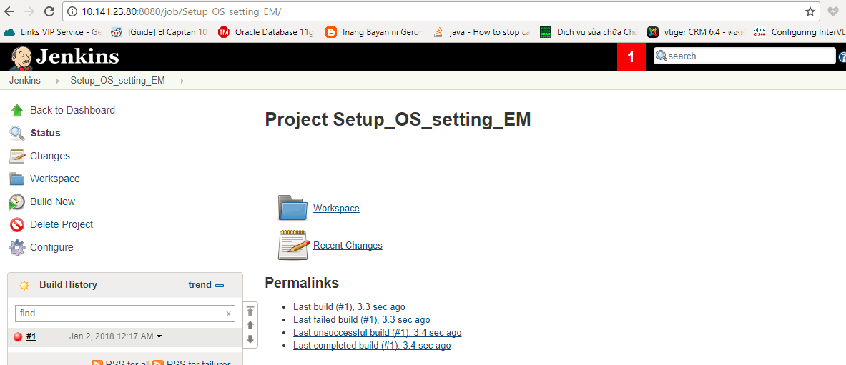
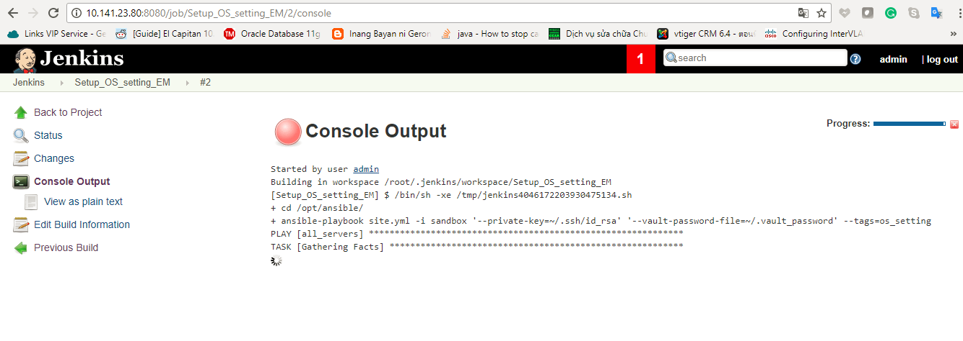
Ansible: OS Setting for EM

Jenkins_Ans_Common_Setting_EM
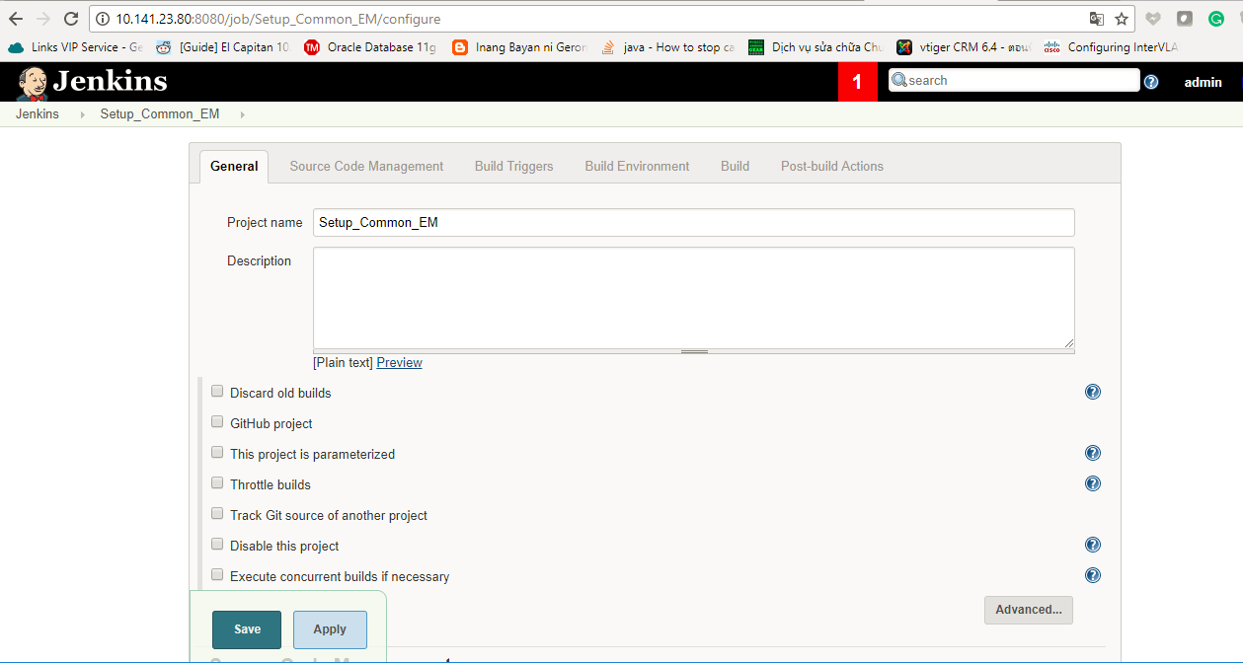
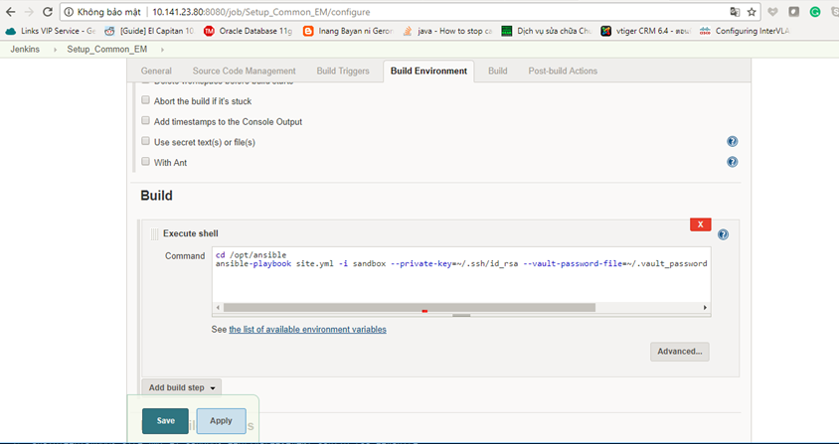
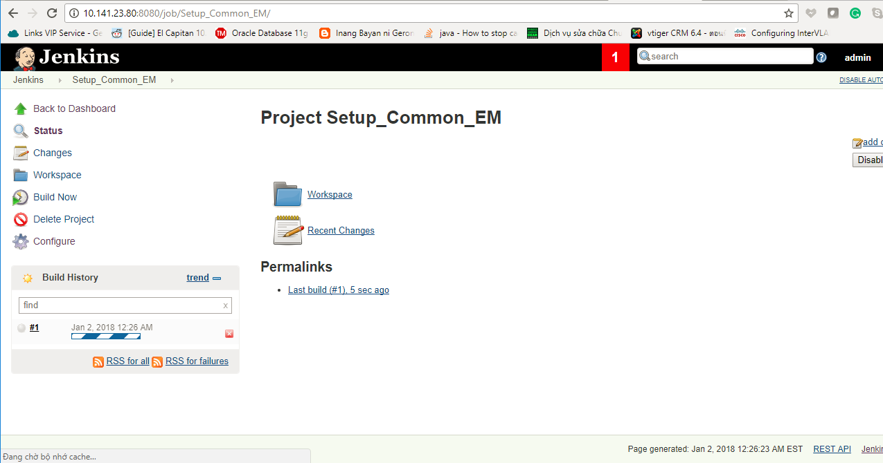
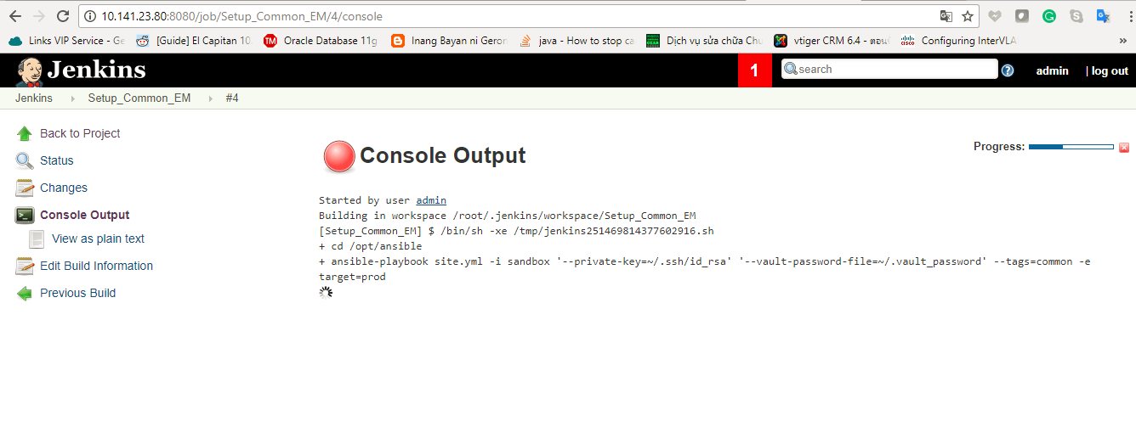
Common Setting EM

Jenkins_Ans_App_Setting_EM
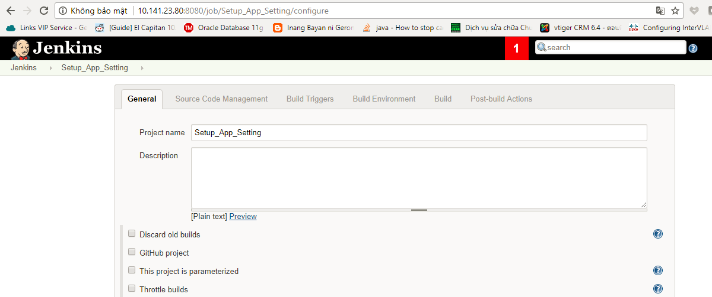
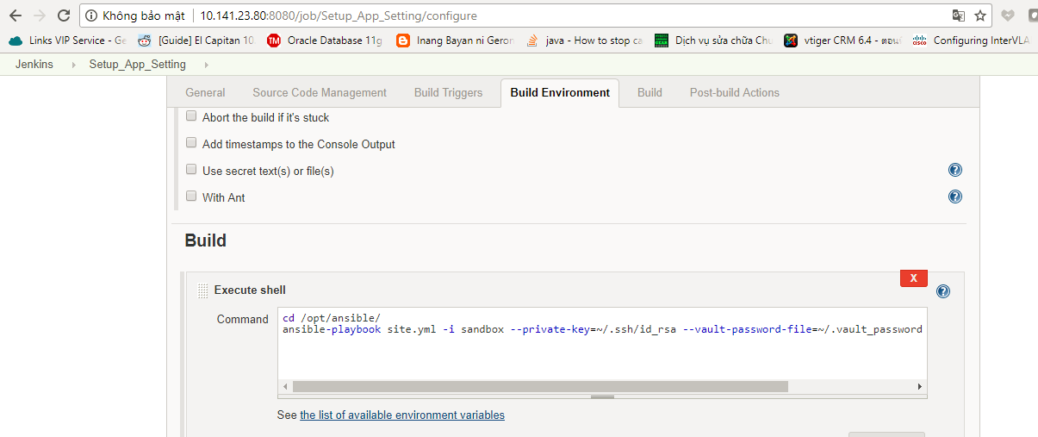
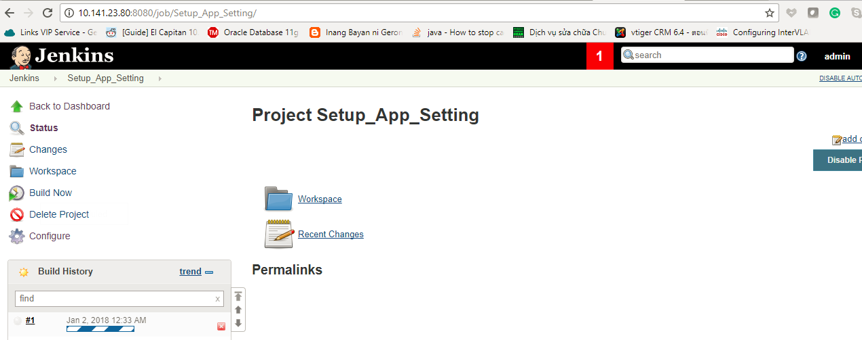
Setup App Setting EM

Jenkins_Shellscipts_EM
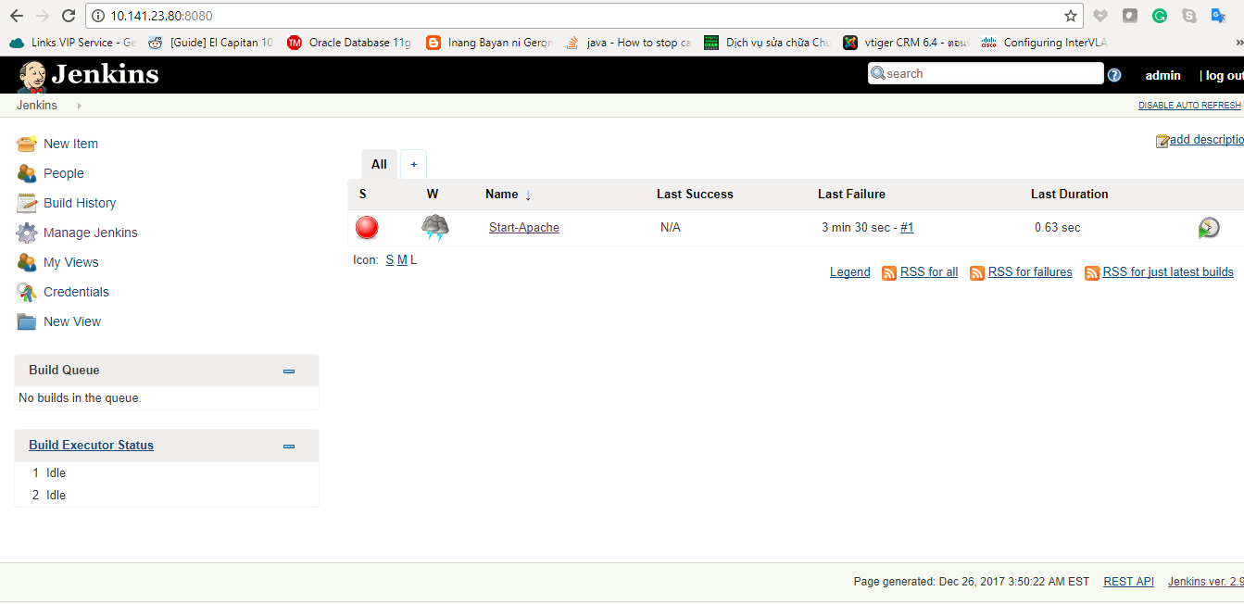
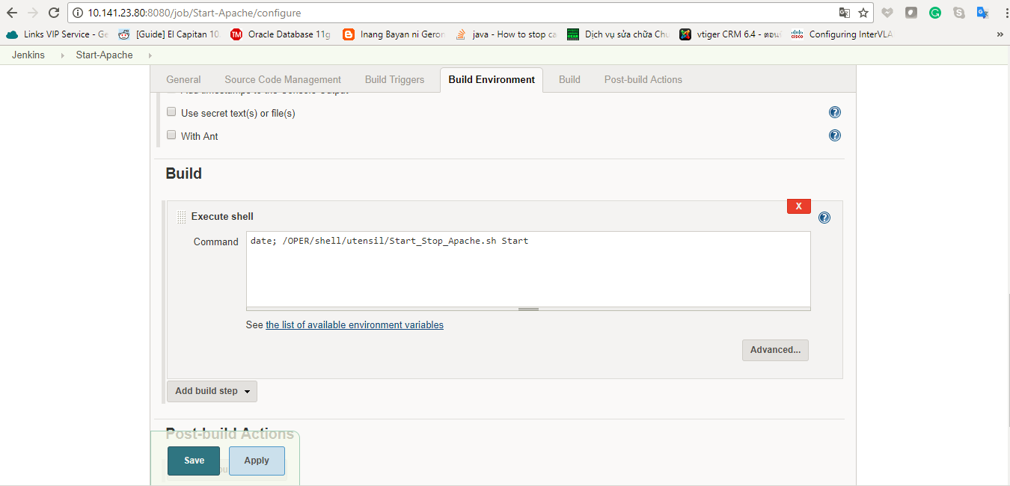
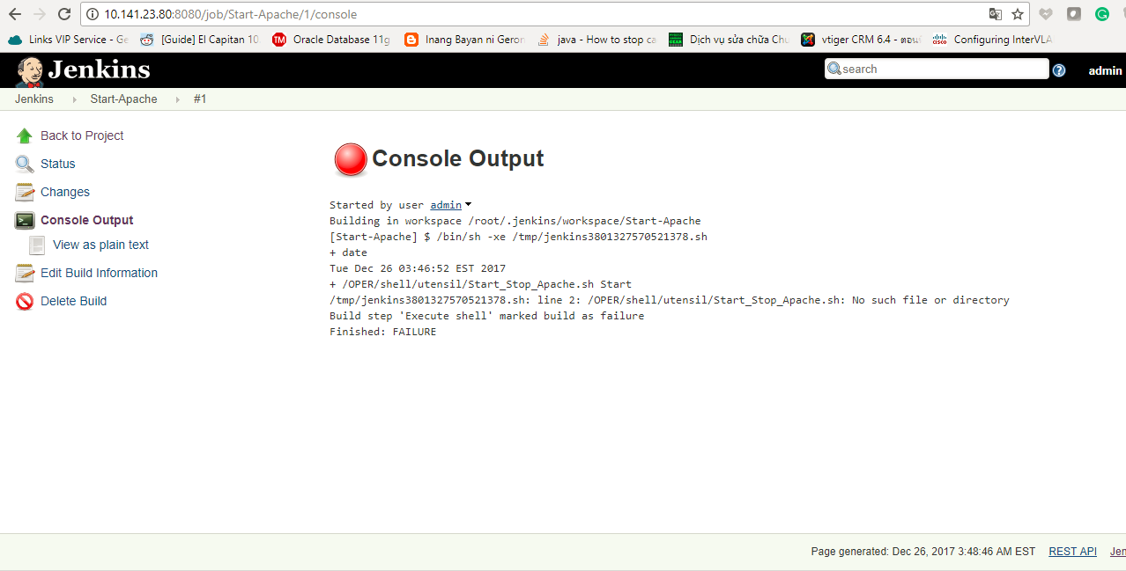
1. Jenkis: call shellscript Start/Stop Apache or Tomcat, OpenOffice.. Services

