串口指令格式说明+视频输出格式设置
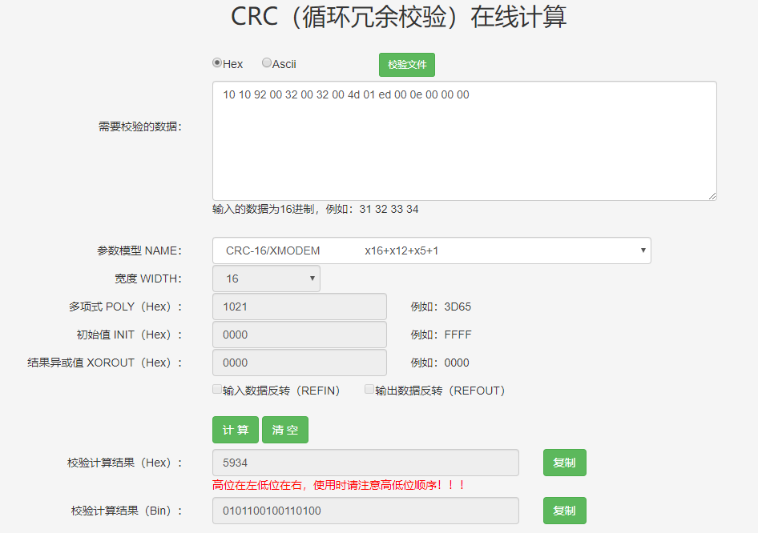
串口设置 | 波特率：115200 检验位：NONE 数据位：8 停止位：1 流控制：NONE

 | 指令解析
内容 | 指令头，写固定值 0x55 43 49 12 00 | CRC校验部分 |  |  |  |  |  |  |  |  |  |  |  |  |  |  |  | CRC校验结果
 |  | 命令头 |  |  | 预留位 | 参数1 Prameters1 |  |  |  | 参数2 Prameters2 |  |  |  | 回执中参数长度 Length |  | 预留，写固定值 0x0000
长度/byte | 5 | 3 |  |  | 1 | 4 |  |  |  | 4 |  |  |  | 2 |  | 2 |  | 2
指令 | 0x55 43 49 12 00 | Command Class | Module Command Index | SubCmd | reserved | Para1[0] | Para1[1] | Para1[2] | Para1[3] | Para2[0] | Para2[1] | Para2[2] | Para2[3] | Len[0] | Len[1] | 0x00 | 0x00 | CRC16[0] | CRC16[1]

举例： 获取感兴趣区域内最高温点坐标 | 55 43 49 12 00 | 10 | 10 | 92 | 00 | 32 | 00 | 32 | 00 | 4d | 01 | ed | 00 | 0e | 00 | 00 | 00 | 34 | 59
 |  |  |  |  |  | X1=50 |  | Y1=50 |  | X2=333 |  | Y2=237 |  | 回执数据长度为：14byte
55 43 49 12 00 10 10 92 00 32 00 32 00 4d 01 ed 00 0e 00 00 00 34 59
回执 | CRC校验部分 |  |  |  |  |  |  |  |  |  |  |  |  |  |  |  |  |  | CRC校验结果 |  | 指令尾，写固定值
 | 指令头，写固定值 | 指令数据部分长度 |  | 指令状态 | 指令数据部分
 | BE AA | 0F 00 |  | 00 | D4 | 1F | AE | 6F | E0 | 79 | 4C | 00 | D2 | 00 | 39 | 00 | 33 | 00 | D3 | F0 | EB | AA
 |  | 加上指令状态，共15byte的回执长度 |  | 非00为异常 | 最小值 |  | 平均值 |  | 最大值 |  | 最小值X坐标 |  | 最小值Y坐标 |  | 最大值X坐标 |  | 最大值Y坐标
BE AA 0F 00 00 D4 1F AE 6F E0 79 4C 00 D2 00 39 00 33 00 D3 F0 EB AA
通用正确回执 | CRC校验部分 |  |  |  | CRC校验结果 |  | 指令尾，固定值
 | 指令头，写固定值 | 指令数据部分长度 |  | 指令状态
 | BEAA | 01 | 00 | 00 | 7B | 54 | EB | AA
BE AA 01 00 00 7B 54 EB AA

视频输出设置 |  |  |  |  |  |  |  |  |  |  |  | 指令CRC校验
mini2系列支持数字视频与模拟视频分别控制、保存。 模组出厂设置为不开启任何数字、模拟输出，如需修改为指定数字/模拟输出，请按以下操作执行： 1、连接通信端口（uart/usb/i2c） 2、设置数字输出格式，需注意，为确保执行正确，请务必发一次数字输出格式（包括关闭数字输出） 3、设置模拟输出格式，需注意，为确保执行正确，请务必发一次模拟输出格式（包括关闭模拟输出） 4、发送视频输出专用保存指令保存 5、重启后，模组即按照之前保存的格式输出 |  |  |  |  |  |  |  |  |  |  |  | 1、发送指令的CRC校验部分不包括指令头，回执的CRC校验部分包括指令头 2、指令数据部分CRC校验使用的模型为：CRC-16/XMODEM 3、可在如下网址进行试算：http://www.ip33.com/crc.html 此外，我司同时提供了CRC的校验代码sample《crc16_sample.c》

