Model_Results
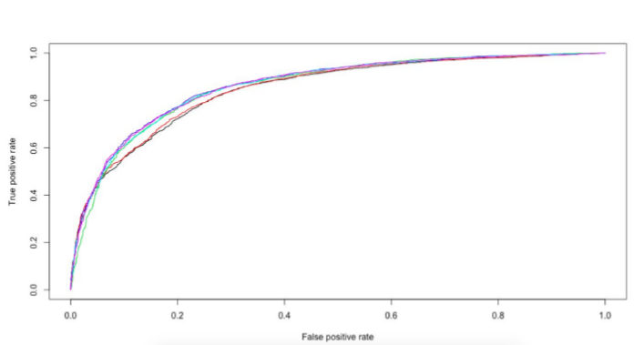
Models we can apply
1.Logistic Regression
2.Support Vector Classifier
3.Random Forest
4.Extra Tree Classifier
5.Adaboost
6.Gradient Bossting Machine
7.Xgboost
8.Use all this model using hyperParamter
9.Use above models pipeline it
10.Use above model Stacking it(Give weightage according to score)
11.Deep Learning models using keras(sequential model)

10.Link:https://github.com/tap222/SMART_CUBE/blob/master/Stacking_model.py

Model | AUROC
Logistic Regression main effects | 0.8458615
Logistic Regression step wise | 0.8465
Random Forest | 0.8526727
GBM | 0.8583818
GBM with defined variable relationship | 0.8566018
XGBoost | 0.8571582
Stacking | 0.87716
Using Hyperparamter | 0.8881652

