Sheet1
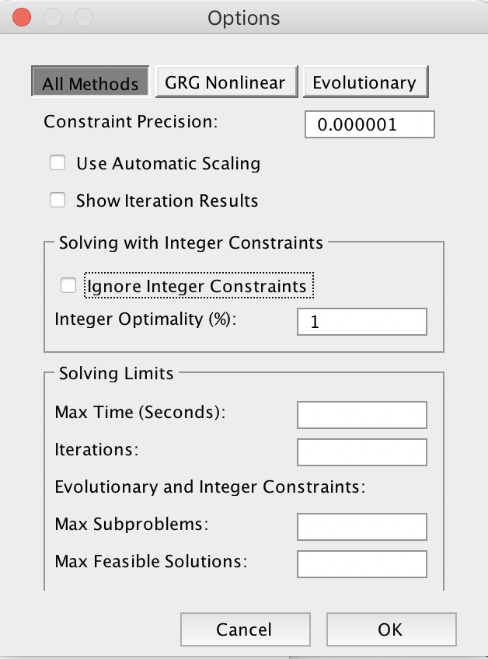
A call centre processes insurance claims using a pool of data processing operators some of whom are permanent, some are temporary. Permanent operators process 16 claims, generate 0.5 errors and are paid €96 per day. Temp. operator process 12 claims with 1.4 errors and are paid €70 per day.
The company must process at least 450 claims per day, has 40 hot desking units available and wants to limit errors to no more than 25/day. The supervisor wants to determine the number of permanent and temp operators to schedule for the day’s work rota to minimise costs.

 | Permanent | Temporary
 | x1 | x2
 | 23 | 7
Minimise | 96 | 70 | 2698
Subject to | 16 | 12 | 452 | >= | 450 | Claims/day | Notice that we have both <= and >= so we can't add all constraints at once. (But a common approach is to multiply by -1 to reverse the inequality)
 | 1 | 1 | 30 | <= | 40 | Desks available | Notice we formulate this constraint as sumproduct(c11:d11, c14:d14), for consistency. We just put 1 as the coefficient.
 | 0.5 | 1.4 | 21.3 | <= | 25 | Errors/day (expected)

When you click Solve, does Excel Solver give you non-integer values for x1 and x2 even though you set an integer constraint? It could be because there is a checkbox "Ignore integer constraints" under Solver -> Options. Excel kindly checked it for me, perhaps during an update. If you want to do IP, uncheck it!

