Sheet1
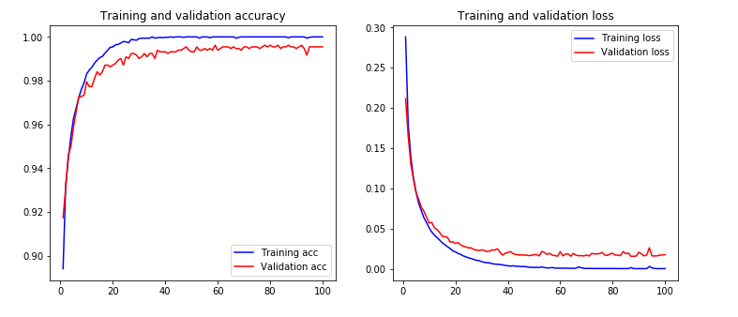
comparison Accuracy Score
Model Name | Accuracy score | F1 Score | precision_score | recall_score
Deep learning (CNN) | 0.9939
Random Forest | 0.9727272727 | 0.89655172413 | 0.975 | 0.82978723
KNN | 0.972727272 | 0.896551724 | 0.975 | 0.8297872
Logistic Regressio(Classifer ) | 0.94772727273 | 0.81794195251 | 0.880681818 | 0.763546798
Decision Tree | 0.915151515 | 0.65 | 0.787878787 | 0.553191489
Navie Bayes | 0.84242424 | 0.58064516129 | 0.467532467 | 0.7659574468

