1. LOGO-CV
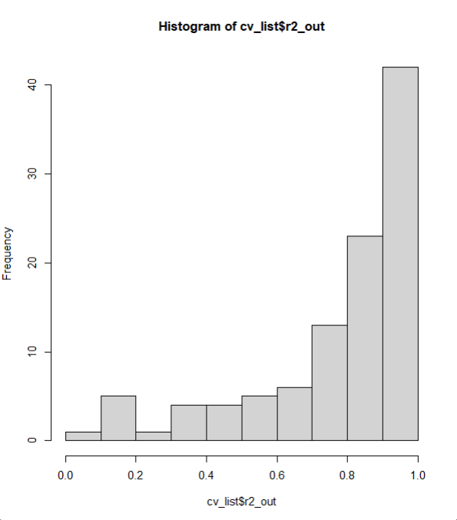
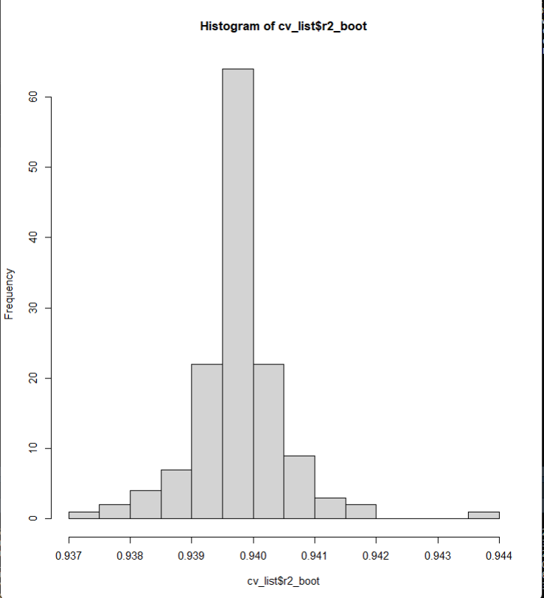
quap | all variables |  | GSMNP only
lppd | rs in | rs out, na rm |  | # nas
-30.10458 | 0.9397291 | 0.8649818 |  | 33 / 137

