Work Receiving Note
ADVERTISING INSTALLATION SIGNAGE
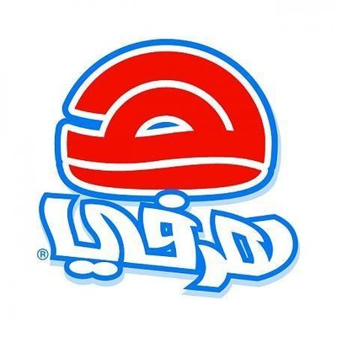 شركة هرفي للخدمات الغذائية (ذ.م.م) HERFY FOOD SERVICES CO.LTD

Date : |  | التاريخ / / ٢٠م

استلام اعمـــال Work Receiving Note
I the undersigned hereby have received following
استلمت انا الموقع ادناه اعمال الدعائية و الاعلان التالي ذكرها

# | Work Description | Remarks
1
2
3
4
5
6
7
8
9
10
11
12
13
14
15
16
17
18
19
20
21
22
23
24
Rest.Stamp

Signature.................................................................................
Name.........................................................................................
Signature................................................................

Advertising Installation Supervisor
Restaurant Manager/In-charge

