Sheet1
第12回

今日やること
1. 総復習（期末試験のようなものだと思ってください．）
2. 授業アンケート
3. 報告

授業の構成としては，今回「推定」を学ぶとちょうどいいのですが，最終回なので，総復習にしようと思います．

問1 | 九九の表（は大きくて大変なので）五五の表を作ってください．ただし，数式を入力していいのは色のついたセルだけで，あとはコピペでお願いします．（ヒント：第2回）
 |  | 1 | 2 | 3 | 4 | 5
 | 1
 | 2
 | 3
 | 4
 | 5

問2 | https://www.data.jma.go.jp/obd/stats/etrn/view/monthly_s1.php?prec_no=44&block_no=47662&year=2019&month=04&day=1&view=
 | の降水量と気温（日平均）を可視化してください．
 | 右の画像は例です．これと完全に同じである必要はありません．（ヒント：第3回）
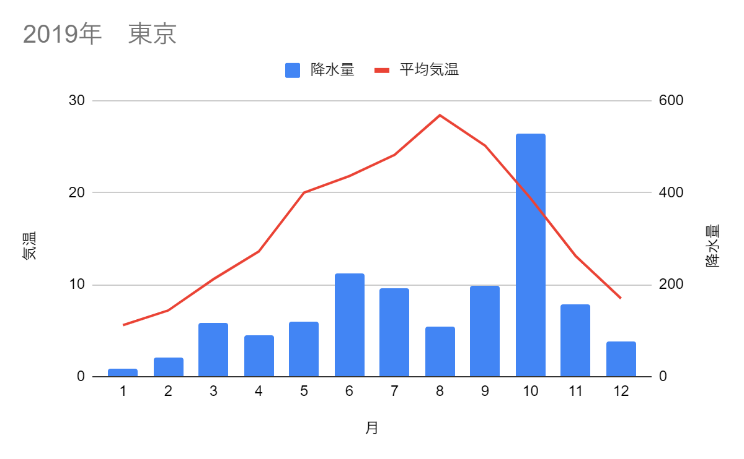

問3 | A42，B42，C42・・・に1，2，3，・・・，1000を入力してください．（ヒント：第4回）

問4 | A43に「=BINOM.INV(25,1/2,RAND())」と入力し，A43を右に999個コピペしてください．（つまり，42行目で1000となっているセルの下まで）

問5 | 43行目にある1000個の数値の平均，分散，標準偏差を求めてください．（ヒント：第7回）
 |  | ←平均
 |  | ←分散
 |  | ←標準偏差

問6 | 43行目のデータの度数分布表を作り，ヒストグラムを描いてください．
 | 右の画像は例です．これと完全に同じである必要はありません．（ヒント：第6回）
値 | 度数
0
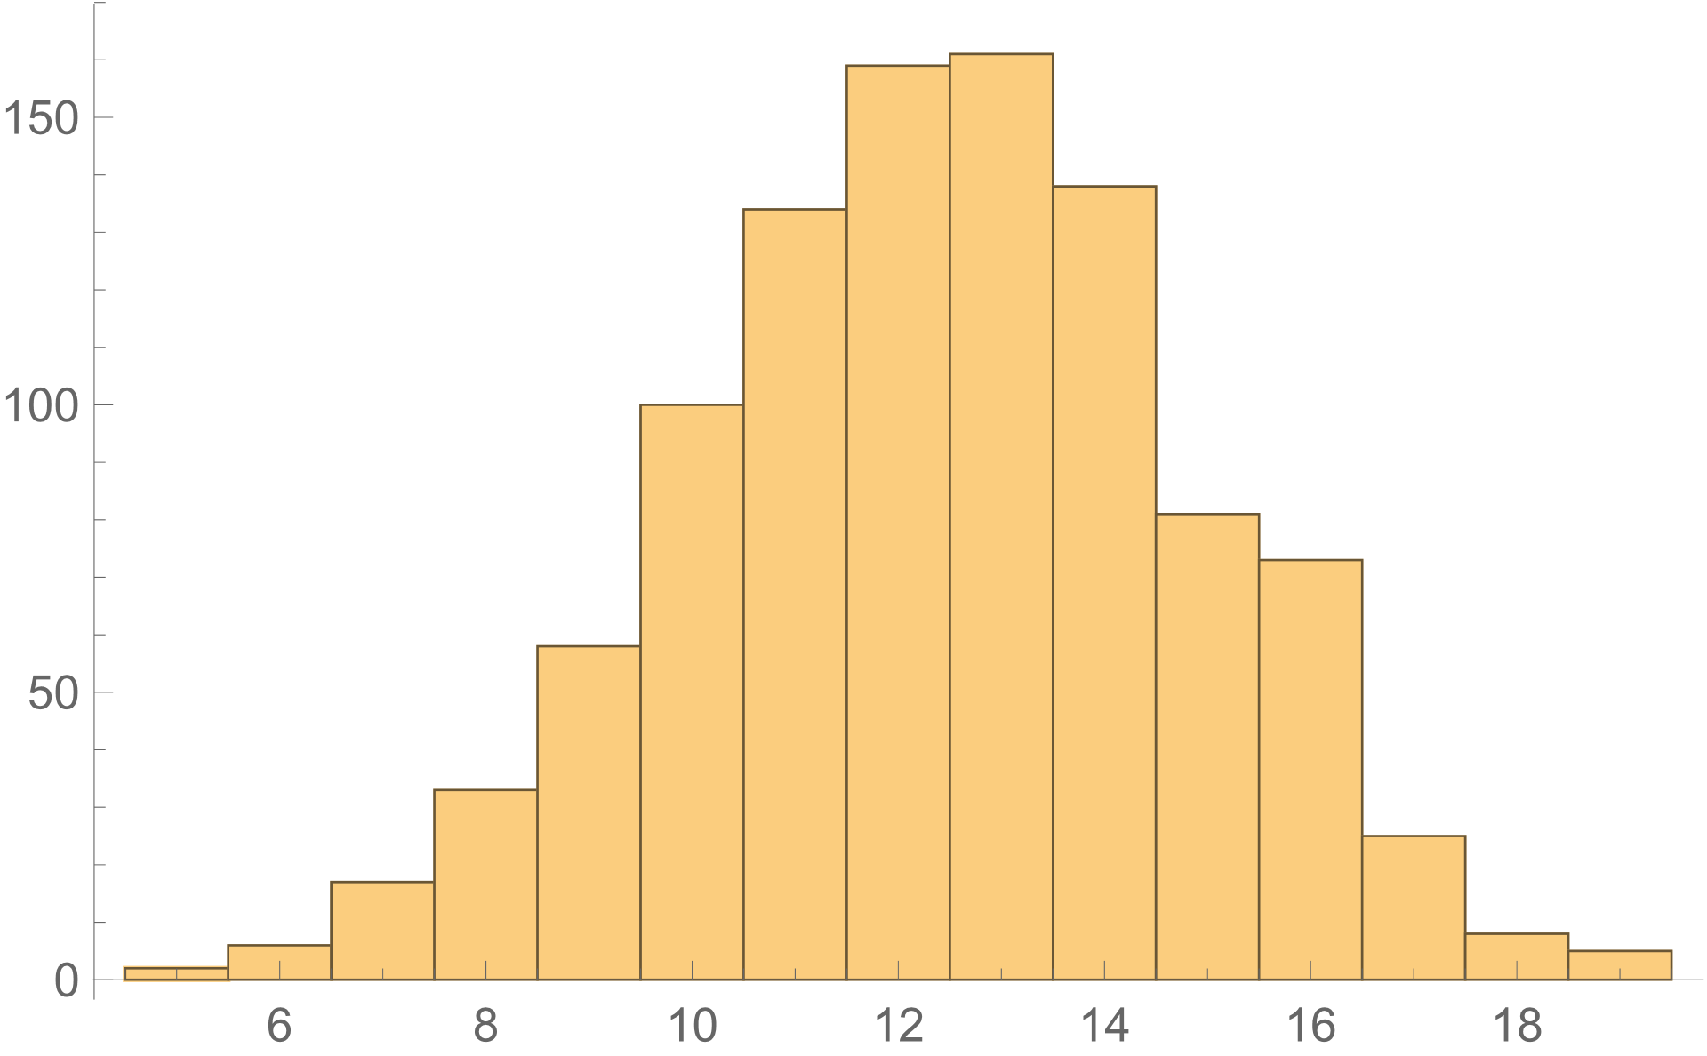
1
2
3
4
5
6
7
8
9
10
11
12
13
14
15
16
17
18
19
20
21
22
23
24
25

問7 | 問6のヒストグラムだけを使って，データの平均，分散，標準偏差を求めてください．（ヒント：第7回）
 |  | ←平均
 |  | ←分散
 |  | ←標準偏差

問8 | Sheet2は，客船タイタニック号の事故の際の，乗員・乗客の生死の記録です．
 | このデータを集計した，下のテーブルを完成させてください．（ヒント：第8回）

 | 個数 / Survived | 列ラベル
 | 行ラベル | Adult | Child | 総計
 | 1st | 319 | 6 | 325
 | 2nd
 | 3rd
 | Crew
 | 総計 |  | 109

問9 | 表が出る確率が1/2のコインを25回投げて，表が出る回数をXとします．
 | Xの確率分布を求めてください．（ヒント：第10回）

X | 確率
0
1
2
3
4
5
6
7
8
9
10
11
12
13
14
15
16
17
18
19
20
21
22
23
24
25

問10 | コインを25回投げたら表が7回出ました．
 | このコインの表が出る確率は1/2だと言えるでしょうか．
 | 有意水準5%で検定してください．（ヒント：第11回）

