Fees Aug 2026
FEES — AUGUST 2026 (per class attended)
Amount Due = classes held x per-class rate (absences still billed). Type Amount Paid; Balance & Status calculate.

Student ID | Name | Grade | Rate ($/class) | Classes Held (billed) | Classes Scheduled | Amount Due ($) | Amount Paid ($) | Balance ($) | Status | Payment Date | Method | Notes
SS001 | Fateh | Grade 7 | $20 | 13 | 13 | $260 | $260 | $0 | Paid | 2026-08-28 | Cash | Batch1
SS002 | Amolpreet | SK | $10 | 16 | 16 | $160 | $160 | $0 | Paid | 2026-08-02 | Cash | Batch2
SS003 | Ravjodh | Grade 2 | $15 | 12 | 12 | $180 | $180 | $0 | Paid | 2016-08-18 | Cash | Batch2
SS004 | Alaina | Grade 7 | $20 | 8 | 8 | $160 | $160 | $0 | Paid | 2026-08-17 | Cash | Batch1
SS005 | Kaya | Grade 3 | $15 | 6 | 6 | $90 | $100 | -$10 | Paid | 2026-08-20 | Cash | Batch2
SS006 | Gurshabd | SK | $10 | 8 | 8 | $80 | $100 | -$20 | Paid | 2026-08-31 | Cash | Batch2
 | TOTAL |  |  |  |  | $930 | $960 | -$30

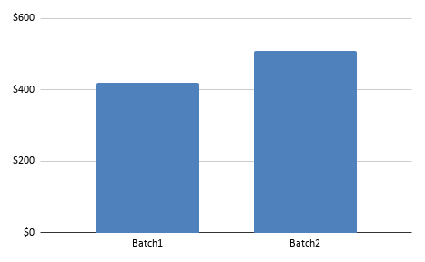

 |  | .

Fees Sep 2026
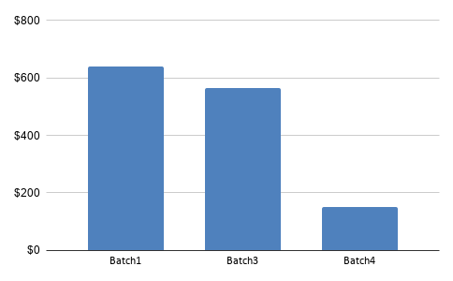
FEES — SEPTEMBER 2026 (per class attended)
Amount Due = classes held x per-class rate (absences still billed). Type Amount Paid; Balance & Status calculate.

Student ID | Name | Grade | Rate ($/class) | Classes Held (billed) | Class scheduled | Amount Due ($) | Amount Paid ($) | Balance ($) | Status | Payment Date | Method | Notes
SS001 | Fateh | Grade 7 | $20 | 13 | 13 | $260 | $260 | $0 | Paid |  |  | Batch1
SS002 | Ravjodh | Grade 2 | $15 | 12 | 12 | $180 | $180 | $0 | Paid |  |  | Batch3
SS003 | Alaina | Grade 7 | $20 | 13 | 13 | $260 | $260 | $0 | Paid |  |  | Batch1
SS004 | Kaya | Grade 3 | $15 | 7 | 7 | $105 | $110 | -$5 | Paid |  |  | Batch3
SS005 | Gurshabd Singh Rawala | SK | $10 | 12 | 12 | $120 | $120 | $0 | Paid |  |  | Batch1
SS006 | Baani Purba | Grade 3 | $15 | 8 | 8 | $120 | $120 | $0 | Paid |  |  | Batch3
SS007 | Avneet Kaur Grewal | Grade 5 | $20 | 8 | 8 | $160 | $160 | $0 | Paid |  |  | Batch3
SS008 | Tanisha | Coding | $25 | 3 | 3 | $75 | $0 | $75 | Unpaid |  |  | Batch4
SS009 | Ekamjot | Coding | $25 | 3 | 3 | $75 | $75 | $0 | Paid |  |  | Batch4
SS010 | Viraj | Coding | $25 | 0 | 0 | $0 | $0 | $0 | — |  |  | Batch4
 | TOTAL |  |  |  |  | $1,355 | $1,265 | $90

