Economist Graphic - The Good Ch
 |  | Tarun Grover | Tarun Grover

 |  | For this graphic, what do you see first? | I see a lot of numbers. All of these numbers are being represented by percentages. It is data regarding projects udertaken by different agencies.

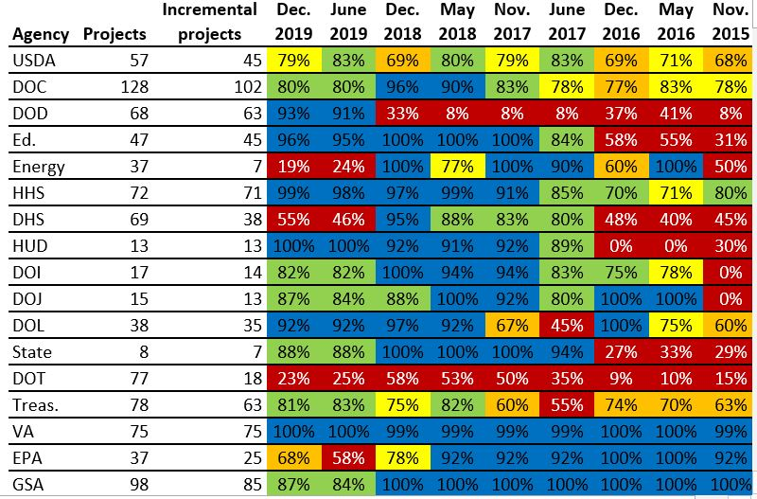 |  | Make a note of the first idea that forms in your mind and then search for more. | On looking for almost 30 seeconds, almost half of the cells are blue in color and color coding is done on the basis range of percentages present. Blue for higher percentage, then green and yellow and orange and then red at the last but are not perfectly as in the order everywhere. This is a representaion of projects undertaken by different departmens in the USA from Nov 2015 to Dec 2019. In terms of incremental projects VA leads the way almost keeping a perfect score of 100% for the last 5 years. DOC has the most projects and incremental projects whereas State has the least. The first idea is to understand the different between incremental projects and projects.

 | Source: FITARA 9.0 scorecard, December 2019 as referenced in:

 | Federal News Network. “Agilefall: The Place between Agile and Waterfall Development Where Most Agencies Live,” June 9, 2020. https://federalnewsnetwork.com/reporters-notebook-jason-miller/2020/06/agilefall-the-place-between-agile-and-waterfall-development-where-most-agencies-live/ (Links to an external site.).

 | What I like | What I dislike | What I wish I saw
 | I like the use of colors, it almost resembles green and red in the stock markets. Green for ups and Red for any downs encountered. It looks something where comparison across the time would be necessary and that has been done on yearly basis. | The visual shows a lot of numbers and I dislike the use of % symbol everytime since we could have just mentioned '%' at one place and then continued. The way it has been sorted on boht axis. Sorting could have been much better. There is a lot of use of colors. The graph does not talk much about context. | One color scheme with the lower percentages on a different gradient scale of the same color. Full forms of agencies name and color coding since the color is not consistent. A difference between projects and incremental projects.

 | What are three things you'd change, and why?
 | I would change... | because....
 | Description and Context | The primary goal of a visual is just not represent data but also to tell story and convey a sort of story. It is always better to establish a context of the visual with approriate title and axis labels and also may include a little background.
 | The x-asis labels | The way we imagine time, the time series should essentially move from left to right and this would give us a better feel of time moving and the trends that we see in the visual.
 | Color Scheme | to be minimilistic with colors. We could represent everything essentially with the same color and then a lower gradient as the numbers go down till a point and then a final lowest color.

References: | Berinato, S. (2016). Good charts: The HBR guide to making smarter, more persuasive data visualizations.

CNBC Graphic - The Good Charts
 |  | Tarun Grover | Tarun Grover

 |  | For this graphic, what do you see first? | It looks like a bar chart representation. Blue and red color hold a lot of significance. There is a flag name Fuloughs. There graphs relate to politics and federal funding.

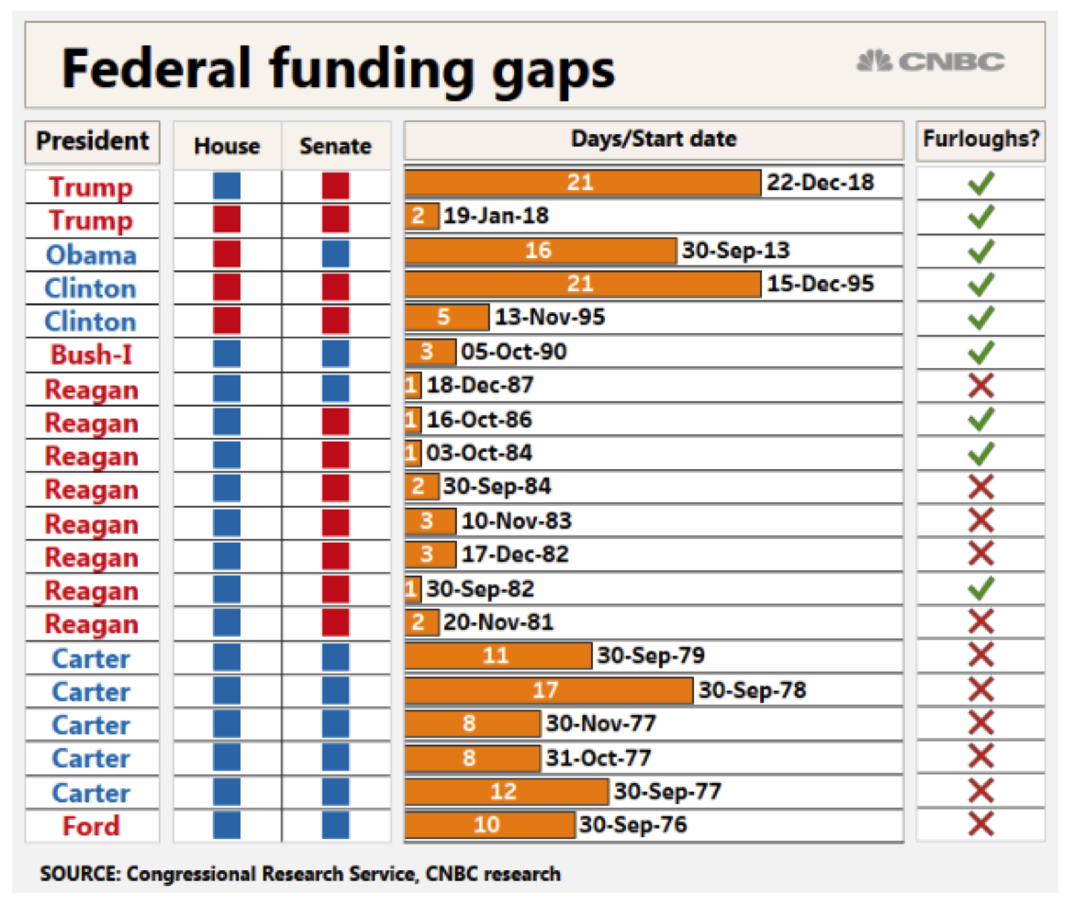 |  | Make a note of the first idea that forms in your mind and then search for more. | The first idea formed is that this is the gap in federal funding due to some political situation. The higher days lapse is when furloughs are positive/green tick. The red and green color probably represents the different democratic parties. Flag furloughs signify if the leave of absence was allowed and paid or not. The highest time for shutdown has been 21 days which occured in 2018 during trum administration. First columns represents the president at that particular date specified.

 | Article: https://www.cnbc.com/2019/01/10/government-shutdown-ties-for-longest-ever-amid-border-wall-fight.html

 | What I like | What I dislike | What I wish I saw
 | The red and blue representation of democratic parties. The bars that justify the length of the number of days. | The dates at the end of bar. They really serve no purpose, There could be a better way to represent the end date regadring the timeline of the closure. | A legend for blue and red and the democratic parties it represent. The tenure for their for each goverments senate representation.

 | What are three things you'd change, and why?
 | I would change... | because....
 | Arrangement | I would have changed the arrangment of the bars, either sorted by the order by of length of days or differentiated them based on parties and sorted accordingly.
 | A better title and better context | I would have established a context in a batter way by using establishing the meaning number of days/date columns by telling what is exactly means or maybe made the title as Federal funding Gaps due to…..
 | Remove Date and Furloughs | I would like to remove date and furloughs since they do not serve much purpose here.

References: | Berinato, S. (2016). Good charts: The HBR guide to making smarter, more persuasive data visualizations.

The Good Charts Matrix
Name of visualization | Design execution (-10 is poor, 10 is excellent) | Contextual awareness (-10 is low, 10 is high)
FITARA | 3 | 1
CNBC | 7 | 4

Contextual awareness = what am I trying to say, to whom, and where?
The Good Charts Matrix

Reference: Berinato, S. (2016). Good charts: The HBR guide to making smarter, more persuasive data visualizations.

