Story Points
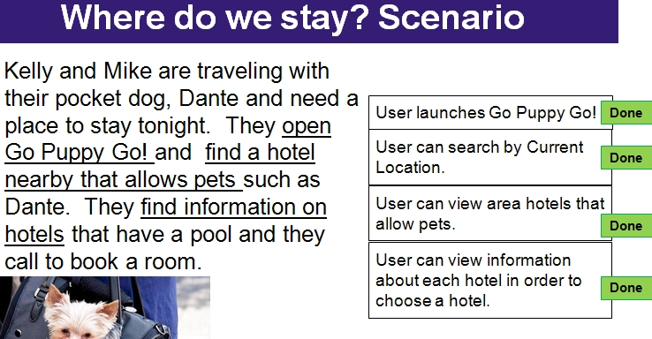
Purple Team GoPuppyGo App
Where do we stay? | Story Points | Planned Iteration | Completed Iteration | Rescoped
A user can login to GoPuppyGo Website (http://petcarefinder.appspot.com) | 2 | 1 | 1
A user can see a map of pet-friendly hotels in the new location | 2 | 1 | 1
A user can click on a link to view the hotel’s website | 2 | 1 | 1
A user can click on a hotel’s icon and get contact data on the hotel | 2 | 1 | 1
A user can see a dropdown list of area hotels | 2 | 1 | X | 1
A user can see what size dogs are welcome at the hotel | 2 | 2 | X | 2
A user can share their current location | 2 | 2 | 2
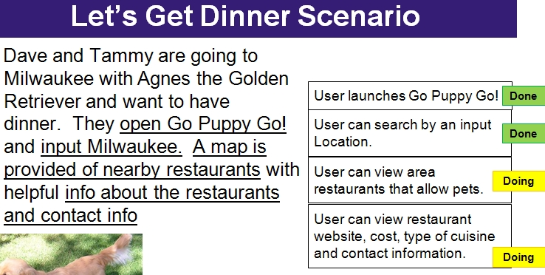
A user can view and navigate map and satellite view of their location | 2 | 2 | 2
A user can see a map of pet-friendly hotels in their location | 2 | 2 | 2
Add a dollar field for the Hotel data (i.e. ‘$$$$’) | 2 | 3 | 3
Add a category for pet fee (Y/N) for Hotel data | 2 | 3 | 3
Let's get dinner | Story Points | Planned Iteration | Completed Iteration | Rescoped
A user can click a button to see pet-friendly restaurants in their location or a new location | 2 | 3 | 3
A user can click on a restaurant’s icon and get contact data on the restaurant. | 2 | 3 | 3
A user can click on a link to view the restaurant’s website | 2 | 3 | 3
Include relative pricing ($$) in lieu of actual dollar amounts for Restaurants | 2 | 4 | B
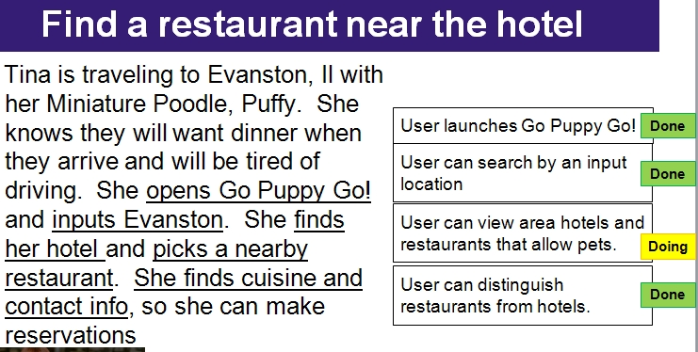
A user can see a dropdown list of area restaurants | 2 | 2 | X | 1
Find a restaurant near the hotel | Story Points | Planned Iteration | Completed Iteration | Rescoped
Show a “you are here” icon | 2 | 4 | B
A user can distinguish hotels from restaurants on the map | 2 | 3 | 3
A user can view a map showing restaurants in proximity to hotels in their or a new location | 2 | 4 | 3
Add stylistic touches (color, clip-art buttons…??) | 2 | 4 | 3
Add a comment | Story Points | Planned Iteration | Completed Iteration | Rescoped
A user can input their own ‘stories’ (i.e. comments/ratings) on each hotel, restaurant or park for others to read | 2 | 5 |  | 4
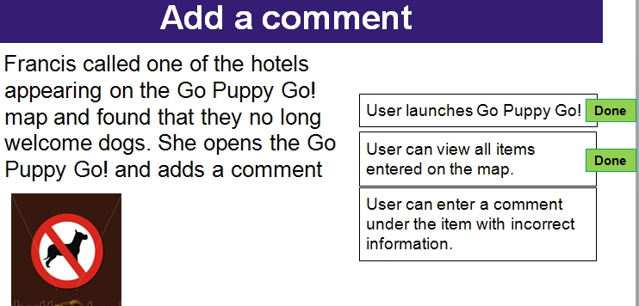
Enter a new location | Story Points | Planned Iteration | Completed Iteration | Rescoped
A user can enter and relocate map to a new location | 2 | 1 | 1
A user can zoom in/out of map and satellite view | 2 | 1 | 1
A user can enter data for a new hotel for future reference/include all fields ($$ and pet fee) | 2 | 1 | 1/A
A user can enter data for a new restaurant for future reference/include all fields | 2 | 4 | A
A user can enter data for a new park for future reference | 2 | 4 | C | 2
Find a park | Story Points | Planned Iteration | Completed Iteration | Rescoped
A user can click a button to see pet-friendly parks their location or a new location | 2 | 4 | C | 2
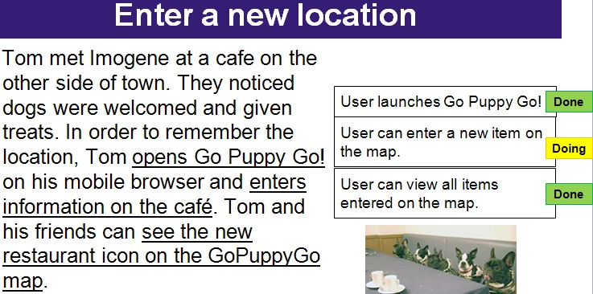
A user can view a map showing parks in proximity to hotels and restaurants in their or a new location | 2 | 4 | C | 2
A user can distinguish parks from restaurants and hotels on the map | 2 | 4 | C | 2
A user can click on a park’s icon and get contact data on the park. | 2 | 4 | C | 2
A user can click on a link to view the park’s website if it exists | 2 | 4 | C | 2
A user can see a dropdown list of area parks | 2 | 4 | X | 1
No matching scenario | Story Points | Planned Iteration | Completed Iteration | Rescoped
Add descriptive information (what the app is used for) | 2 | 3 | 3
Slightly reconfigure buttons for visual differentiation | 2 | 3 | 3
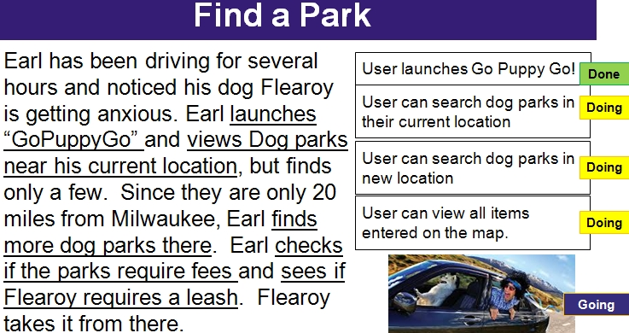
A user can store a picture of their pet(s) | 2 |  | X | 4
A user can store the name, description, weight of pet(s) | 2 |  | X | 4
A user can click on the phone number of a hotel or restaurant to automatically dial the business | 2 |  | X | 2
A user can ‘view only’ for restaurants, hotels or parks (to un-clutter map) | 2 |  | X | 3
A user can click on ‘get directions’ from current location | 2 |  | X | 3
Make address bar stand-out a little better | 2 | 5
Potential Story Points | 80
Summary iteration 1 |  |  | 14 | 6
Summary iteration 2 |  |  | 6 | 16
Summary iteration 3 |  |  | 20 | 4
Summary iteration 4
Summary iteration 5
Summary iteration 6

Burnup
Burnup Chart
 |  | cumulative
 | Burnup | points
0 | 0 | 0
1 | 14 | 14
2 | 20 | 6
3 | 40 | 20
4 | 56 | 16

 | Burndown
0 | 80
1 | 60
Burndown Chart
2 | 40 | 40
3 | 16 | 16
4 | 0 | 0

 | Total points
0 | 80
1 | 74
2 | 60
3 | 56
4 | 56

Burnup (2)
Burnup Chart
 |  | cumulative
 | Burnup | points
0 | 0 | 0
1 | 14 | 14
2 | 20 | 6
3 | 40 | 20
4 | 56 | 16
5 | 68 | 12

Burndown Chart
 | Burndown
0 | 80
1 | 60
2 | 40 | 40
3 | 16 | 16
4 | 12 | 12
5 | 0 | 0

 | Total points
0 | 80
1 | 74
2 | 60
3 | 56
4 | 68
5 | 68

