karen_bessel_practical_answerke
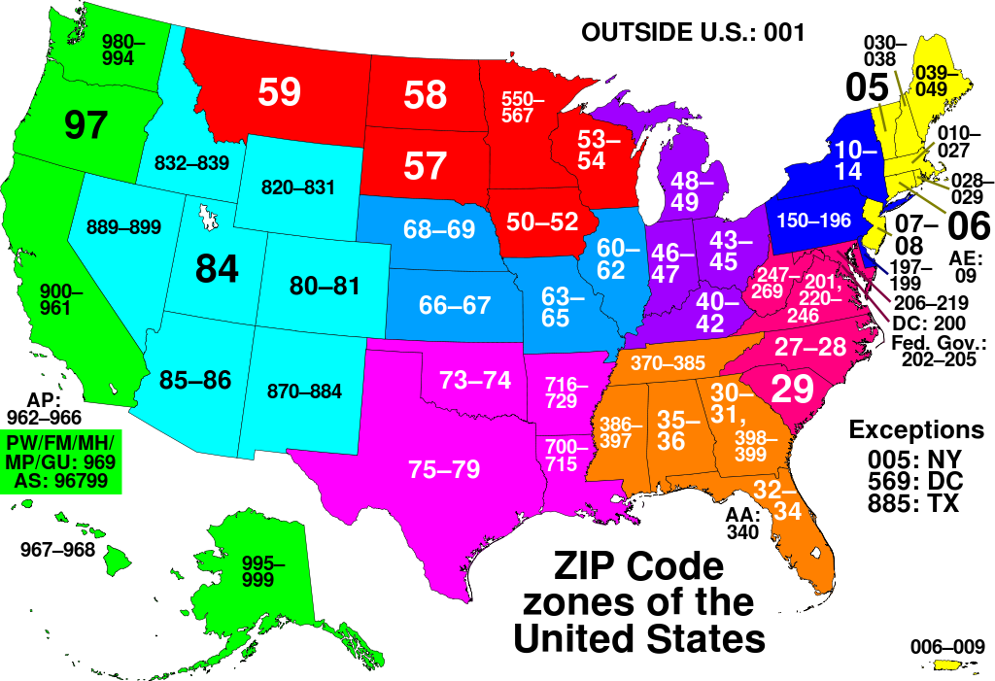
id | first_name | last_name | postal_code
1 | Wanda | Mccoy | 11215
2 | Ronald | Porter | 50315
3 | Jonathan | Gonzalez | 84409
4 | Louis | Kelley | 37914
5 | Carl | Nichols | 33994
6 | Anna | Wallace | 23285
7 | Christine | Wood | 25356
8 | Norma | Bishop | 20904
9 | Theresa | Wright | 88553
10 | Theresa | Martinez | 46620
11 | Craig | Day | 79182
12 | Deborah | Gonzales | 33884
13 | Shawn | Daniels | 90805
14 | Christine | Gray | 62723
15 | Pamela | Gordon | 12227
16 | Carl | Gutierrez | 83705
17 | Ralph | Frazier | 77025
18 | James | Diaz | 40210
19 | Sandra | Carr | 14609
20 | Bruce | Lane | 73135
21 | Doris | Williamson | 20816
22 | Gary | Sullivan | 29905
23 | Maria | Davis | 20260
24 | Catherine | Garrett | 58207
25 | Irene | Schmidt | 62776
26 | Craig | Gardner | 21265
27 | Willie | Ferguson | 97306
28 | Aaron | Williamson | 13224
29 | Alice | Chapman | 76096
30 | Carlos | Mitchell | 86305
31 | Jane | Johnson | 46862
32 | Norma | Murray | 8104
33 | Ruth | Ramos | 77201
34 | Mark | Ferguson | 47805
35 | Shirley | Harvey | 75226
36 | Christopher | Mendoza | 36641
37 | Scott | Wallace | 32277
38 | Amy | Morrison | 33954
39 | Lawrence | Lawrence | 98104
40 | Craig | Carpenter | 35815
41 | Karen | Scott | 20719
42 | Evelyn | Walker | 58122
43 | Diana | Hudson | 11355
44 | Lillian | Hart | 91125
45 | Gerald | Reyes | 32092
46 | Paula | Perez | 94042
47 | Diane | Larson | 33673
48 | Larry | Campbell | 70187
49 | Amy | Perkins | 29905
50 | Eugene | Miller | 25321
51 | Ryan | Frazier | 52809
52 | Tammy | Hughes | 75392
53 | Kathy | Ramirez | 40524
54 | Joyce | Jordan | 33421
55 | Ernest | Alexander | 32941
56 | Catherine | Schmidt | 10305
57 | Phillip | Ferguson | 71166
58 | Stephanie | Schmidt | 96825
59 | George | Owens | 32277
60 | Phillip | Hayes | 48609
61 | Joe | Duncan | 88006
62 | Arthur | Wagner | 73157
63 | Philip | Arnold | 6145
64 | Joe | Schmidt | 74126
65 | Sharon | Morris | 62705
66 | Heather | Ferguson | 78426
67 | Gary | Rogers | 60193
68 | Gloria | Wagner | 93704
69 | Kevin | Chavez | 22096
70 | Donna | Ford | 20220
71 | Martin | Kennedy | 6140
72 | Phillip | James | 66667
73 | Ruby | Lopez | 85210
74 | Laura | Bradley | 27409
75 | Teresa | Morris | 67210
76 | Teresa | Harris | 73197
77 | Rachel | Lane | 91125
78 | Dennis | Alvarez | 85215
79 | Irene | Taylor | 77040
80 | Joyce | Clark | 61105
81 | Todd | Watson | 19610
82 | Denise | Crawford | 27621
83 | Robert | Burns | 16522
84 | Anne | Boyd | 98907
85 | Russell | Lawrence | 14215
86 | Evelyn | Tucker | 40233
87 | Paul | Cox | 74170
88 | Joshua | Ortiz | 75507
89 | Ruth | Peters | 20414
90 | Victor | Gardner | 23208
91 | Ronald | Webb | 28272
92 | Sarah | Stone | 31914
93 | Michael | Larson | 33705
94 | William | Wheeler | 75185
95 | Kevin | Holmes | 53285
96 | Cynthia | Matthews | 70183
97 | Nicole | Sims | 95828
98 | Joe | Hunter | 44305
99 | Frank | Hudson | 62794
100 | John | Bailey | 35215
101 | Roy | Carpenter | 77250
102 | Christine | Nguyen | 64160
103 | Joseph | Johnson | 21281
104 | Linda | Lawson | 25770
105 | Debra | Sanchez | 20470
106 | Jerry | Cox | 10045
107 | Andrew | Garrett | 10184
108 | Joe | Foster | 40215
109 | Gregory | Elliott | 74133
110 | Beverly | Fields | 73167
111 | Ruby | Gordon | 96840
112 | Adam | Barnes | 84105
113 | Nicholas | Foster | 94250
114 | Bruce | Lee | 10029
115 | Kathleen | Fuller | 43605
116 | Cheryl | Thomas | 6538
117 | Benjamin | Elliott | 55407
118 | Ruth | Adams | 70836
119 | Wayne | Flores | 10014
120 | Wayne | Smith | 6160
121 | Stephanie | Lawrence | 43226
122 | Heather | Watkins | 31416
123 | Mark | Ramos | 37416
124 | Jason | Watkins | 32128
125 | Carolyn | Rogers | 20319
126 | Justin | Fields | 77212
127 | Matthew | Howard | 97221
128 | Alice | Roberts | 79699
129 | Paul | Thompson | 40510
130 | Larry | Wagner | 48126
131 | Gary | Dixon | 90025
132 | Terry | Hunter | 72916
133 | Phillip | Graham | 68124
134 | Theresa | Harris | 75246
135 | Robert | Richards | 30392
136 | Jeremy | Castillo | 93773
137 | Carolyn | Mitchell | 27705
138 | Russell | Cooper | 91186
139 | William | Wilson | 2208
140 | Randy | Myers | 78220
141 | Martha | Rodriguez | 19886
142 | Kelly | Berry | 25726
143 | Marie | Perry | 89105
144 | Aaron | Howell | 63169
145 | Jane | Porter | 76011
146 | Sara | Barnes | 32854
147 | Julia | Turner | 89178
148 | Donna | Fernandez | 91797
149 | Harold | Fisher | 36205
150 | Amanda | Ellis | 50310
151 | Todd | Carter | 39236
152 | Jose | Murray | 34233
153 | Earl | Shaw | 79916
154 | Brenda | Jacobs | 78778
155 | Norma | Smith | 90101
156 | Jimmy | Bailey | 85219
157 | James | Rodriguez | 93305
158 | Michael | Little | 24020
159 | Ashley | Schmidt | 19191
160 | Mary | Bennett | 92705
161 | Timothy | Gibson | 67215
162 | Anna | Robertson | 27621
163 | Kimberly | Gordon | 66667
164 | Charles | Moore | 44705
165 | Carl | Boyd | 85715
166 | Bonnie | Romero | 40581
167 | George | Lynch | 91125
168 | Betty | Brown | 51105
169 | Louise | Robertson | 88569
170 | Ryan | Hart | 93907
171 | Philip | Hernandez | 77050
172 | Dennis | Mendoza | 55188
173 | Ralph | Williams | 14604
174 | Kathryn | Morgan | 61825
175 | Christine | Morales | 33147
176 | Sharon | Andrews | 72215
177 | Jason | Gibson | 20022
178 | Christina | Tucker | 32204
179 | Frank | Alvarez | 77844
180 | Edward | Hunter | 38197
181 | Carl | Cook | 75037
182 | Arthur | Kim | 76129
183 | Clarence | Fields | 70179
184 | Ronald | Robinson | 77223
185 | Barbara | Alexander | 77266
186 | Patricia | Mason | 18105
187 | Rebecca | Simpson | 73124
188 | James | Kelley | 15215
189 | Chris | Bell | 80044
190 | Lillian | Dean | 91797
191 | Benjamin | Hawkins | 64144
192 | Debra | Allen | 94154
193 | Catherine | Lynch | 37250
194 | Ann | Bishop | 88558
195 | Jonathan | Mason | 75367
196 | Melissa | Montgomery | 30336
197 | Eric | Stevens | 20022
198 | Helen | Foster | 55188
199 | Deborah | Day | 73109
200 | Patrick | Richards | 77015
201 | Jose | Little | 53705
202 | Jerry | Murray | 53405
203 | Jeremy | White | 89155
204 | Nicholas | Powell | 63169
205 | Phillip | Richardson | 77260
206 | Jerry | Lawrence | 28235
207 | Russell | Moore | 60663
208 | Nicole | Baker | 77713
209 | Matthew | Cox | 32803
210 | Patricia | Harper | 16534
211 | Ann | Garrett | 66205
212 | Karen | Chavez | 6854
213 | Barbara | Robertson | 95118
214 | Donna | Vasquez | 78769
215 | Rachel | Barnes | 93381
216 | Steve | Gilbert | 79950
217 | Jean | Hunt | 39216
218 | Johnny | Williamson | 27264
219 | Gerald | Fox | 14233
220 | Irene | Cruz | 2305
221 | Sean | Bradley | 30096
222 | Adam | Baker | 12222
223 | Elizabeth | Payne | 94280
224 | Douglas | Simmons | 73152
225 | Karen | Lawrence | 37250
226 | Amy | Owens | 22111
227 | Deborah | Peterson | 45490
228 | Randy | Sullivan | 31136
229 | Teresa | Fields | 75287
230 | Kathy | Owens | 92805
231 | Kathy | Burke | 98206
232 | James | Ford | 50315
233 | Brenda | Myers | 32204
234 | Anthony | Barnes | 90410
235 | Steven | Mcdonald | 66606
236 | Eric | Torres | 98127
237 | Roger | Knight | 33625
238 | Andrea | Richardson | 92505
239 | Virginia | Andrews | 20436
240 | Todd | Parker | 20784
241 | Robin | Diaz | 90060
242 | Diana | Brown | 33421
243 | Jennifer | Martinez | 97211
244 | Rachel | Mitchell | 34611
245 | Gerald | Harrison | 10125
246 | Betty | Meyer | 90035
247 | James | Clark | 72916
248 | Samuel | Jacobs | 40596
249 | Joyce | Olson | 36610
250 | Margaret | Harrison | 20010
251 | Harry | Vasquez | 16505
252 | Judy | Perkins | 27105
253 | Maria | Parker | 23459
254 | Kimberly | Warren | 44185
255 | Keith | Taylor | 85053
256 | Anna | Gonzales | 22093
257 | Marie | Morales | 85260
258 | Irene | Wells | 89155
259 | Lillian | Bradley | 13224
260 | Marilyn | Snyder | 37210
261 | Donna | Hansen | 40591
262 | Shawn | Watkins | 14233
263 | Martha | Cole | 77271
264 | Jeremy | Carroll | 32919
265 | Clarence | Matthews | 77343
266 | Judy | Mccoy | 31410
267 | Beverly | Tucker | 34290
268 | Susan | Coleman | 83732
269 | Nicole | Peterson | 79934
270 | Randy | Wells | 55572
271 | Edward | Watkins | 85205
272 | Randy | Hanson | 34643
273 | Susan | Kennedy | 75226
274 | Victor | Shaw | 93005
275 | Annie | Moreno | 33954
276 | Deborah | Patterson | 22184
277 | Stephen | Banks | 97271
278 | Phillip | Moore | 19805
279 | Larry | King | 89436
280 | Chris | Diaz | 15266
281 | Thomas | Myers | 80910
282 | Judy | Parker | 73179
283 | Maria | Dean | 20456
284 | Justin | Hunt | 48076
285 | Brandon | Palmer | 2142
286 | Jennifer | Hayes | 19151
287 | Steven | Warren | 15230
288 | Martha | Fuller | 38131
289 | Michael | Cook | 20816
290 | John | Rice | 33069
291 | Shawn | Gonzalez | 85010
292 | Lawrence | Hall | 34108
293 | Steven | Hunter | 93704
294 | Eric | Dunn | 25331
295 | Bonnie | Austin | 55172
296 | Anna | Watkins | 46015
297 | Ralph | Allen | 30195
298 | Mary | Hunt | 16565
299 | Stephen | Mendoza | 20099
300 | Evelyn | Mills | 45505
301 | Melissa | Tucker | 89087
302 | Donald | Warren | 66699
303 | Jessica | Perry | 79118
304 | Paul | Wheeler | 25711
305 | Harold | Stewart | 63196
306 | Gerald | Wallace | 85083
307 | Thomas | Palmer | 6510
308 | Richard | Franklin | 95823
309 | Anne | Simpson | 95155
310 | Lawrence | Ford | 45228
311 | Eric | Thomas | 60636
312 | Chris | Bennett | 76905
313 | Ronald | Clark | 79968
314 | Kevin | Morales | 98506
315 | Lori | Boyd | 30605
316 | Larry | Edwards | 14639
317 | Ernest | Peterson | 47805
318 | Annie | Perkins | 79916
319 | Chris | Butler | 7310
320 | Marie | Robinson | 10110
321 | Arthur | Reid | 97286
322 | Harold | Turner | 89706
323 | Louis | Edwards | 37235
324 | Carlos | Simpson | 78426
325 | Kelly | Anderson | 85062
326 | Anthony | Wilson | 78744
327 | Antonio | Harrison | 75185
328 | Jack | Young | 3105
329 | Gary | Perez | 20414
330 | Keith | Wood | 95133
331 | Christina | Andrews | 88514
332 | Douglas | Davis | 98042
333 | Jeffrey | Garza | 34615
334 | Christine | Gutierrez | 63110
335 | Melissa | Stephens | 71105
336 | Kimberly | Murray | 44191
337 | Johnny | Hart | 46254
338 | Judith | Tucker | 29203
339 | Justin | Frazier | 99599
340 | Anthony | Meyer | 55417
341 | Amanda | Chapman | 23464
342 | Steven | Hamilton | 55564
343 | Angela | Reid | 22333
344 | Kenneth | Reynolds | 78682
345 | Jessica | Hanson | 85219
346 | Matthew | Gibson | 30610
347 | Angela | Gonzalez | 93311
348 | Evelyn | Harvey | 32854
349 | Tammy | Hunter | 55585
350 | Janice | Moore | 66622
351 | Marie | Gilbert | 99522
352 | Bruce | Willis | 33134
353 | David | Crawford | 55108
354 | Doris | Peters | 92186
355 | Patrick | Nguyen | 98498
356 | Julie | Hansen | 38136
357 | Anthony | Romero | 55572
358 | Mary | Fisher | 60636
359 | Nicole | Hayes | 35244
360 | Joan | Garza | 10557
361 | Christina | Ramos | 27658
362 | Wayne | Simpson | 62756
363 | Craig | Ferguson | 75379
364 | Thomas | Carroll | 94291
365 | Cheryl | Carter | 60351
366 | Diana | Sullivan | 33355
367 | Heather | Fields | 85072
368 | Jennifer | Spencer | 95173
369 | Tammy | Phillips | 77505
370 | Steven | Rivera | 61605
371 | Ruby | Allen | 33013
372 | Benjamin | Barnes | 73167
373 | Roger | Vasquez | 93111
374 | Alice | Holmes | 58106
375 | Fred | Hart | 70805
376 | Janice | Watkins | 76115
377 | Janice | Lopez | 22093
378 | Terry | Kennedy | 45264
379 | Sandra | Sullivan | 33963
380 | Amy | Robertson | 81010
381 | Walter | Burns | 14614
382 | Kelly | Graham | 46247
383 | Judith | Nelson | 17622
384 | Ashley | Fowler | 93773
385 | Helen | Daniels | 84135
386 | Harry | Patterson | 88569
387 | Harry | Banks | 72215
388 | Willie | Hansen | 28299
389 | Rachel | Howell | 13224
390 | Russell | Moore | 80310
391 | Jose | Romero | 55166
392 | Randy | Martinez | 92145
393 | Larry | Larson | 88589
394 | Mary | Chapman | 30316
395 | Rachel | Stewart | 55905
396 | Sean | Watkins | 64193
397 | Christopher | Gordon | 95150
398 | Shawn | Dixon | 13505
399 | Patrick | Simpson | 92160
400 | Alan | Perkins | 92835
401 | Sara | Harper | 15279
402 | Andrew | Fuller | 64082
403 | Elizabeth | Simpson | 1105
404 | Steve | Nichols | 19897
405 | Peter | Hill | 85754
406 | Donna | Nichols | 92170
407 | Jeremy | Mcdonald | 66667
408 | Steven | Romero | 98447
409 | Evelyn | Ruiz | 33661
410 | George | Little | 90305
411 | Henry | Crawford | 70154
412 | Rose | Hawkins | 80925
413 | Carol | Jacobs | 19810
414 | Diane | Ruiz | 13205
415 | Judy | Johnston | 70505
416 | Billy | Shaw | 95133
417 | Donald | Woods | 30195
418 | Virginia | Freeman | 11431
419 | Louis | Richards | 85045
420 | Lillian | Collins | 98042
421 | Billy | Rogers | 80945
422 | Kathy | West | 79923
423 | Benjamin | Carter | 89714
424 | Sean | Bradley | 66276
425 | Gerald | Bailey | 60193
426 | Philip | Barnes | 64190
427 | Jack | Burke | 35815
428 | Raymond | Romero | 85205
429 | Peter | Mills | 36109
430 | Diana | Mcdonald | 2208
431 | Ruth | Henry | 91186
432 | Louis | Cox | 85040
433 | Judy | Cook | 1129
434 | Teresa | Welch | 45233
435 | Dorothy | Andrews | 20580
436 | Carl | Johnston | 56372
437 | Janet | Moore | 78749
438 | Linda | Cox | 93591
439 | Jimmy | Martinez | 98506
440 | Donald | Stanley | 6912
441 | Jose | Fuller | 67205
442 | Fred | Sims | 55446
443 | Ann | Torres | 19115
444 | Joseph | Burton | 49544
445 | George | Washington | 19093
446 | Johnny | Romero | 35254
447 | Nicole | Willis | 35290
448 | Ashley | Martin | 81005
449 | Jesse | Garcia | 79764
450 | Daniel | Perez | 30375
451 | Jeffrey | Murray | 10019
452 | Todd | Hayes | 17140
453 | Elizabeth | Flores | 20057
454 | Jessica | Day | 33175
455 | Anna | Edwards | 31422
456 | Andrew | Jacobs | 84403
457 | Philip | Nichols | 2745
458 | Aaron | Willis | 64125
...

