INSTRUCTIONS-PLEASE READ
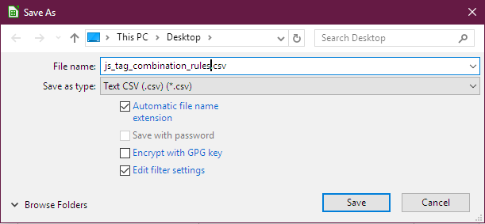
 | Instructions for using the Job Spy Tag/Tag-Like Column Scrubbing Functionality

[1] | There are six (6) different tables to be imported. Each table has a unique sheet in this spreadsheet file.
[2] | The very first row, at the top, MUST be the “header” as shown in the respective table sheets. Every table has a different structure and heading.
[3] | Each table sheet MUST be saved SEPARATELY to its very own CSV file with a file name similar to the sheet name to avoid confusion. See the image on the right with “File Name”. Use the active sheet's name with a .csv extension. “File > Save As”.
[4] | Each table sheet MUST be saved as “Unicode UTF-8” encoded (NOT ASCII or any other encoding). See the images on the right. Note the “Edit Filter Settings” checkbox, which when checked causes the “Export Text File” Field Options popup to appear.
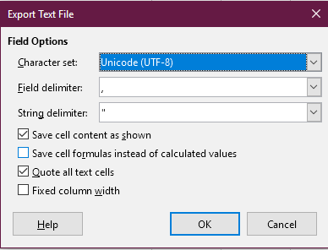
[5] | Each table sheet MUST be saved with the Field Options of “Save cell content as shown” AND “Quote all text cells”.
[6] | Each table sheet MUST be saved with the Field Options of “Field delimiter” of a comma (“,”), and a String delimiter of a (one) (single) double quote (“). Do not use a 'single quote' as the String delimiter.
[7] | The very latest resource template .txt files and this .xlsx file are found here: "...\calibre\plugins\job_spy\resources"
 | Always Test Your Rules in a “Test” Library Before Using Them in a “Real” Library (After Backing-Up).

 | EXAMPLE TEXT FILE ROWS FOR TABLE 'Tag Rules' (a.k.a. table _js_tag_rules ) AS SHOWN IN A TEXT EDITOR APP

 | "oldtag","newtag","purgetag"
 | "(¯`'•.¸//(*_*)\¸.•'´¯)",,"True"
 | "Sins & Mistrust",,"True"
 | "love",,"True"
 | "paranormal romance series","Fiction:Romance-Paranormal","False"
 | "alpha male","Fiction:Werewolves","False"
 | "Two Hours or More (65-100 Pages)",,"True"
 | "Fiction - Upper Grade","Fiction:YoungAdult","False"
 | "epub",,"True"
 | "sf","Fiction:Science","False"
 | "Literary Criticism/Asian/General",,"True"
 | "police romance novels","Fiction:Romance-Police","False"
 | "/sci.*[f][iy].*/","Fiction:Science","False"

