All_Results
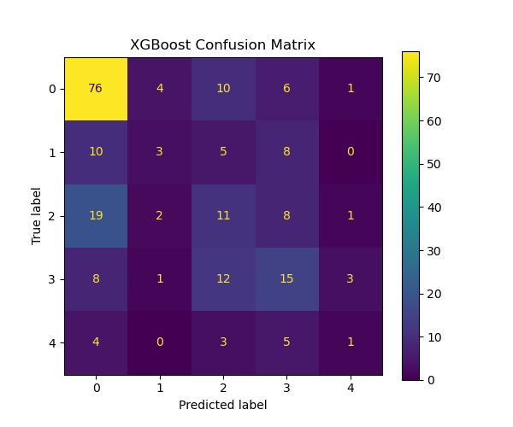
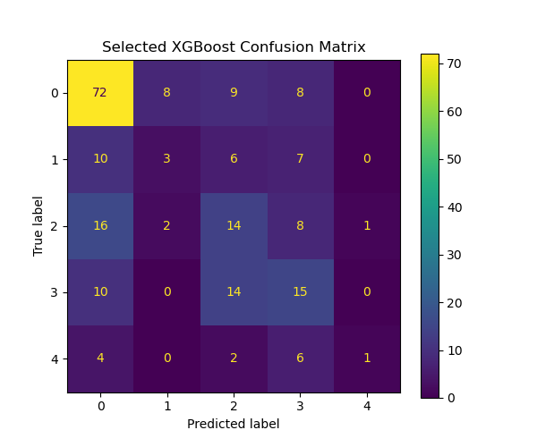
 | precision | recall | f1-score | support
0 | 0.65 | 0.78 | 0.71 | 97
1 | 0.3 | 0.12 | 0.17 | 26
2 | 0.27 | 0.27 | 0.27 | 41
3 | 0.36 | 0.38 | 0.37 | 39
4 | 0.17 | 0.08 | 0.11 | 13
accuracy | 0.49 | 0.49 | 0.49 | 0.49
macro avg | 0.35 | 0.33 | 0.32 | 216
weighted avg | 0.45 | 0.49 | 0.46 | 216
accuracy_xgb | 0.49

 | precision | recall | f1-score | support
0 | 0.64 | 0.74 | 0.69 | 97
1 | 0.23 | 0.12 | 0.15 | 26
2 | 0.31 | 0.34 | 0.33 | 41
3 | 0.34 | 0.38 | 0.36 | 39
4 | 0.5 | 0.08 | 0.13 | 13
accuracy | 0.49 | 0.49 | 0.49 | 0.49
macro avg | 0.41 | 0.33 | 0.33 | 216
weighted avg | 0.47 | 0.49 | 0.46 | 216
accuracy_selected | 0.49

AUC_macro_xgb | AUC_weighted_xgb
0.67 | 0.71

AUC_selected
0.66

